Sheet1
No | age | bmi | gender | intensity of symptoms | diease |  | 1 | Find first entropy: E(S) = - SUM(p(x) *log2p(x))
1 | middle | over | female | low | yes |  | 2 | Find the feature etropies: SUM(p(class)*E(class))
2 | middle | under | female | high | yes |  | 3 | Find gain: First entropy - feature entropy
3 | middle | under | male | high | yes |  | 3 | Select the feature which gain max information
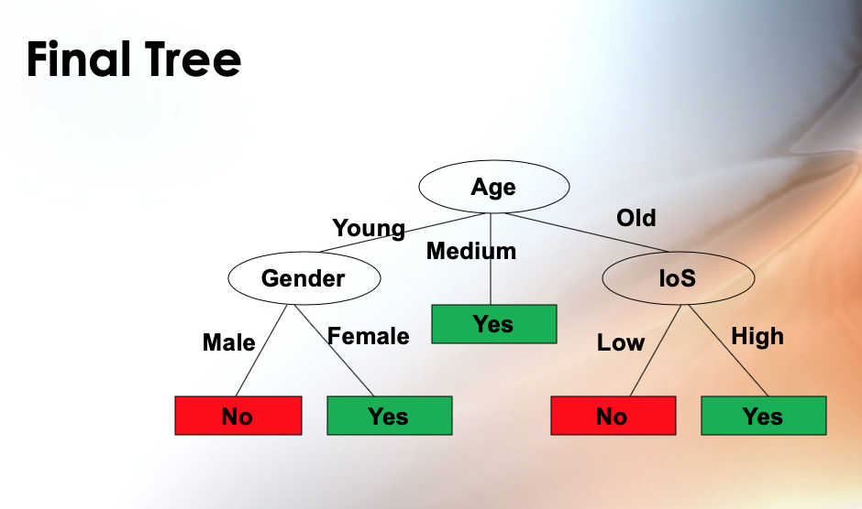
4 | middle | medium | male | low | yes
5 | old | over | female | low | no
6 | old | medium | male | low | no
7 | old | over | female | high | yes
8 | old | medium | female | high | yes
9 | old | medium | male | high | yes
10 | young | under | male | high | no
11 | young | under | male | low | no
12 | young | medium | male | high | no
13 | young | over | female | high | yes
14 | young | medium | female | low | yes

 |  | Disease
 |  | Yes | No | sum_featured & labels | p of yes | p of no | First Entropy | probability of feature | prob of feature* first tentropy
 |  | 9 | 5 | 14 | 0.64 | 0.36 | 0.94 |  |  | Feature Entropy | Gain
Age | Young | 2 | 3 | 5 | 0.40 | 0.60 | 0.97 | 0.36 | 0.35 | 0.69 | 0.25 | Age is selected
 | Middle | 4 | 0 | 4 | 1.00 | 0.00 | 0.00 | 0.29 | 0.00
 | Old | 3 | 2 | 5 | 0.60 | 0.40 | 0.97 | 0.36 | 0.35
BMI | Under | 2 | 2 | 4 | 0.50 | 0.50 | 1.00 | 0.29 | 0.29 | 0.91 | 0.03
 | Medium | 4 | 2 | 6 | 0.67 | 0.33 | 0.92 | 0.43 | 0.39
 | Over | 3 | 1 | 4 | 0.75 | 0.25 | 0.81 | 0.29 | 0.23
Gender | Female | 6 | 1 | 7 | 0.86 | 0.14 | 0.59 | 0.50 | 0.30 | 0.79 | 0.15
 | Male | 3 | 4 | 7 | 0.43 | 0.57 | 0.99 | 0.50 | 0.49
Sypmtom | High | 6 | 2 | 8 | 0.75 | 0.25 | 0.81 | 0.57 | 0.46 | 0.89 | 0.05
 | Low | 3 | 3 | 6 | 0.50 | 0.50 | 1.00 | 0.43 | 0.43

 |  | Young
 |  | Yes | No | sum_featured & labels | p of yes | p of no | First Entropy | probability of feature | prob of feature* first tentropy
 |  | 2 | 3 | 5 | 0.40 | 0.60 | 0.97 |  |  | Feature Entropy | Gain
BMI | Under | 0 | 2 | 2 | 0.00 | 1.00 | 0.00 | 0.40 | 0.00 | 0.40 | 0.57
 | Medium | 1 | 1 | 2 | 0.50 | 0.50 | 1.00 | 0.40 | 0.40
 | Over | 1 | 0 | 1 | 1.00 | 0.00 | 0.00 | 0.20 | 0.00
Gender | Female | 2 | 0 | 2 | 1.00 | 0.00 | 0.00 | 0.40 | 0.00 | 0.00 | 0.97 | Gender is selected
 | Male | 0 | 3 | 3 | 0.00 | 1.00 | 0.00 | 0.60 | 0.00
Sypmtom | High | 1 | 2 | 3 | 0.33 | 0.67 | 0.92 | 0.60 | 0.55 | 0.95 | 0.02
 | Low | 1 | 1 | 2 | 0.50 | 0.50 | 1.00 | 0.40 | 0.40

 |  | Old
 |  | Yes | No | sum_featured & labels | p of yes | p of no | First Entropy | probability of feature | prob of feature* first tentropy
 |  | 3 | 2 | 5 | 0.60 | 0.40 | 0.97 |  |  | Feature Entropy | Gain
BMI | Under |  |  | 0 | 0.00 | 0.00 | 0.00 | 0.00 | 0.00 | 0.95 | 0.02
 | Medium | 2 | 1 | 3 | 0.67 | 0.33 | 0.92 | 0.60 | 0.55
 | Over | 1 | 1 | 2 | 0.50 | 0.50 | 1.00 | 0.40 | 0.40
Gender | Female | 2 | 1 | 3 | 0.67 | 0.33 | 0.92 | 0.60 | 0.55 | 0.95 | 0.02
 | Male | 1 | 1 | 2 | 0.50 | 0.50 | 1.00 | 0.40 | 0.40
Sypmtom | High | 3 |  | 3 | 1.00 | 0.00 | 0.00 | 0.60 | 0.00 | 0.00 | 0.97 | Symptom is selected
 | Low |  | 2 | 2 | 0.00 | 1.00 | 0.00 | 0.40 | 0.00

