Antonelli et al 2018
A e D
C e E
Bv
J
B
H
F
I
A e D
C e E
B
B
J
H
F
I
 | A | B | C | D | E | F | G | H | I | J |  | 0 to 9Ma | #periods=9 13 23 33 35 66
A | 0 | 0 | 0 | 0 | 0 | 0 | 0 | 0 | 0 | 0 |  | 0.01 0.01 0.01 0.01 0.01 0.01 0.01 0.01 0.01 0.01
B | 0 | 0 | 0 | 0 | 0 | 0 | 0 | 0 | 0 | 0 |  | 0.01 0.01 0.01 0.01 0.01 0.01 0.01 0.01 0.01 0.01
C | 0 | 0 | 0 | 0 | 0 | 0 | 0 | 0 | 0 | 0 |  | 0.01 0.01 0.01 0.01 0.01 0.01 0.01 0.01 0.01 0.01
D | 0 | 0 | 0 | 0 | 0 | 0 | 0 | 0 | 0 | 0 |  | 0.01 0.01 0.01 0.01 0.01 0.01 0.01 0.01 0.01 0.01
E | 0 | 0 | 0 | 0 | 0 | 0 | 0 | 0 | 0 | 0 |  | 0.01 0.01 0.01 0.01 0.01 0.01 0.01 0.01 0.01 0.01
F | 0 | 0 | 0 | 0 | 0 | 0 | 0 | 0 | 0 | 0 |  | 0.01 0.01 0.01 0.01 0.01 0.01 0.01 0.01 0.01 0.01
G | 0 | 0 | 0 | 0 | 0 | 0 | 0 | 0 | 0 | 0 |  | 0.01 0.01 0.01 0.01 0.01 0.01 0.01 0.01 0.01 0.01
H | 0 | 0 | 0 | 0 | 0 | 0 | 0 | 0 | 0 | 0 |  | 0.01 0.01 0.01 0.01 0.01 0.01 0.01 0.01 0.01 0.01
I | 0 | 0 | 0 | 0 | 0 | 0 | 0 | 0 | 0 | 0 |  | 0.01 0.01 0.01 0.01 0.01 0.01 0.01 0.01 0.01 0.01
J | 0 | 0 | 0 | 0 | 0 | 0 | 0 | 0 | 0 | 0 |  | 0.01 0.01 0.01 0.01 0.01 0.01 0.01 0.01 0.01 0.01

 |  |  |  |  |  |  |  |  |  |  | 1.00

A | > | A | D | B | J | H | F
B | > | A | D | B
C | > | C | E | B | I
D | > | A | D | B | J | H | F
E | > | C | E | B | I
F | > | A | D | J | F
G | >
H | > | A | D | J | H
I | > | C | E | B | I
J | > | A | D | J | H | F

A e D
C e E
Bv
J
B
H
F
I
A e D
C e E
B
B
J
H
F
I
 | A | B | C | D | E | F | G | H | I | J |  | 9 to 13Ma
A | 0 | 0 | 0 | 0 | 0 | 0 | 0 | 0 | 0 | 0 |  | 0.01 0.01 0.01 0.01 0.01 0.01 0.01 0.01 0.01 0.01
B | 0 | 0 | 0 | 0 | 0 | 0 | 0 | 0 | 0 | 0 |  | 0.01 0.01 0.01 0.01 0.01 0.01 0.01 0.01 0.01 0.01
C | 0 | 0 | 0 | 0 | 0 | 0 | 0 | 0 | 0 | 0 |  | 0.01 0.01 0.01 0.01 0.01 0.01 0.01 0.01 0.01 0.01
D | 0 | 0 | 0 | 0 | 0 | 0 | 0 | 0 | 0 | 0 |  | 0.01 0.01 0.01 0.01 0.01 0.01 0.01 0.01 0.01 0.01
E | 0 | 0 | 0 | 0 | 0 | 0 | 0 | 0 | 0 | 0 |  | 0.01 0.01 0.01 0.01 0.01 0.01 0.01 0.01 0.01 0.01
F | 0 | 0 | 0 | 0 | 0 | 0 | 0 | 0 | 0 | 0 |  | 0.01 0.01 0.01 0.01 0.01 0.01 0.01 0.01 0.01 0.01
G | 0 | 0 | 0 | 0 | 0 | 0 | 0 | 0 | 0 | 0 |  | 0.01 0.01 0.01 0.01 0.01 0.01 0.01 0.01 0.01 0.01
H | 0 | 0 | 0 | 0 | 0 | 0 | 0 | 0 | 0 | 0 |  | 0.01 0.01 0.01 0.01 0.01 0.01 0.01 0.01 0.01 0.01
I | 0 | 0 | 0 | 0 | 0 | 0 | 0 | 0 | 0 | 0 |  | 0.01 0.01 0.01 0.01 0.01 0.01 0.01 0.01 0.01 0.01
J | 0 | 0 | 0 | 0 | 0 | 0 | 0 | 0 | 0 | 0 |  | 0.01 0.01 0.01 0.01 0.01 0.01 0.01 0.01 0.01 0.01

 |  |  |  |  |  |  |  |  |  |  | 1.00

A | > | A | D | J | H | F | I
B | >
C | > | C | E | I
D | > | A | D | J | H | F | I
E | > | C | E | I
F | > | A | D | J | F
G | >
H | > | A | D | J | H
I | > | A | D | C | E | I
J | > | A | D | J | H | F

A e D
C e E
Bv
J
B
H
F
I
A e D
C e E
B
B
J
H
F
I
 | A | B | C | D | E | F | G | H | I | J |  | 13 to 23 Ma
A | 0 | 0 | 0 | 0 | 0 | 0 | 0 | 0 | 0 | 0 |  | 0.01 0.01 0.01 0.01 0.01 0.01 0.01 0.01 0.01 0.01
B | 0 | 0 | 0 | 0 | 0 | 0 | 0 | 0 | 0 | 0 |  | 0.01 0.01 0.01 0.01 0.01 0.01 0.01 0.01 0.01 0.01
C | 0 | 0 | 0 | 0 | 0 | 0 | 0 | 0 | 0 | 0 |  | 0.01 0.01 0.01 0.01 0.01 0.01 0.01 0.01 0.01 0.01
D | 0 | 0 | 0 | 0 | 0 | 0 | 0 | 0 | 0 | 0 |  | 0.01 0.01 0.01 0.01 0.01 0.01 0.01 0.01 0.01 0.01
E | 0 | 0 | 0 | 0 | 0 | 0 | 0 | 0 | 0 | 0 |  | 0.01 0.01 0.01 0.01 0.01 0.01 0.01 0.01 0.01 0.01
F | 0 | 0 | 0 | 0 | 0 | 0 | 0 | 0 | 0 | 0 |  | 0.01 0.01 0.01 0.01 0.01 0.01 0.01 0.01 0.01 0.01
G | 0 | 0 | 0 | 0 | 0 | 0 | 0 | 0 | 0 | 0 |  | 0.01 0.01 0.01 0.01 0.01 0.01 0.01 0.01 0.01 0.01
H | 0 | 0 | 0 | 0 | 0 | 0 | 0 | 0 | 0 | 0 |  | 0.01 0.01 0.01 0.01 0.01 0.01 0.01 0.01 0.01 0.01
I | 0 | 0 | 0 | 0 | 0 | 0 | 0 | 0 | 0 | 0 |  | 0.01 0.01 0.01 0.01 0.01 0.01 0.01 0.01 0.01 0.01
J | 0 | 0 | 0 | 0 | 0 | 0 | 0 | 0 | 0 | 0 |  | 0.01 0.01 0.01 0.01 0.01 0.01 0.01 0.01 0.01 0.01

 |  |  |  |  |  |  |  |  |  |  | 1.00

A | > | A | D | C | E | J
B | >
C | > | A | D | C | E
D | > | A | D | C | E | J
E | > | A | D | C | E
F | > | J | F
G | >
H | >
I | >
J | > | A | D | J | F

 | A | B | C | D | E | F | G | H | I | J |  | 23 to 33 Ma
A | 0 | 0 | 0 | 0 | 0 | 0 | 0 | 0 | 0 | 0 |  | 0.01 0.01 0.01 0.01 0.01 0.01 0.01 0.01 0.01 0.01
B | 0 | 0 | 0 | 0 | 0 | 0 | 0 | 0 | 0 | 0 |  | 0.01 0.01 0.01 0.01 0.01 0.01 0.01 0.01 0.01 0.01
A e D
C e E
Bv
J
B
H
F
I
A e D
C e E
B
B
J
H
F
I
C | 0 | 0 | 0 | 0 | 0 | 0 | 0 | 0 | 0 | 0 |  | 0.01 0.01 0.01 0.01 0.01 0.01 0.01 0.01 0.01 0.01
D | 0 | 0 | 0 | 0 | 0 | 0 | 0 | 0 | 0 | 0 |  | 0.01 0.01 0.01 0.01 0.01 0.01 0.01 0.01 0.01 0.01
E | 0 | 0 | 0 | 0 | 0 | 0 | 0 | 0 | 0 | 0 |  | 0.01 0.01 0.01 0.01 0.01 0.01 0.01 0.01 0.01 0.01
F | 0 | 0 | 0 | 0 | 0 | 0 | 0 | 0 | 0 | 0 |  | 0.01 0.01 0.01 0.01 0.01 0.01 0.01 0.01 0.01 0.01
G | 0 | 0 | 0 | 0 | 0 | 0 | 0 | 0 | 0 | 0 |  | 0.01 0.01 0.01 0.01 0.01 0.01 0.01 0.01 0.01 0.01
H | 0 | 0 | 0 | 0 | 0 | 0 | 0 | 0 | 0 | 0 |  | 0.01 0.01 0.01 0.01 0.01 0.01 0.01 0.01 0.01 0.01
I | 0 | 0 | 0 | 0 | 0 | 0 | 0 | 0 | 0 | 0 |  | 0.01 0.01 0.01 0.01 0.01 0.01 0.01 0.01 0.01 0.01
J | 0 | 0 | 0 | 0 | 0 | 0 | 0 | 0 | 0 | 0 |  | 0.01 0.01 0.01 0.01 0.01 0.01 0.01 0.01 0.01 0.01

 |  |  |  |  |  |  |  |  |  |  | 1.00

A | > | A | D | C | E
B | >
C | > | A | D | C | E
D | > | A | D | C | E
E | > | A | D | C | E
F | > | J | F
G | >
H | >
I | >
J | > | J | F

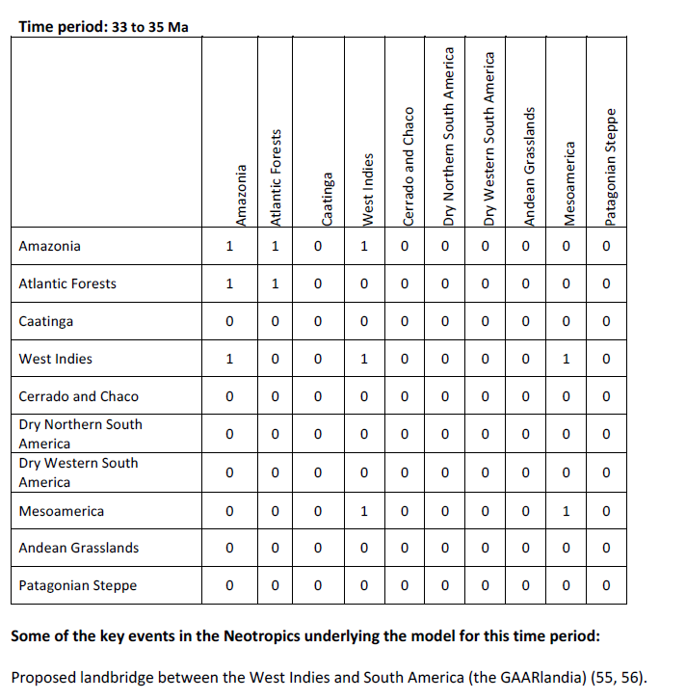
 | A | B | C | D | E | F | G | H | I | J |  | 33 to 35 Ma
A | 0 | 0 | 0 | 0 | 0 | 0 | 0 | 0 | 0 | 0 |  | 0.01 0.01 0.01 0.01 0.01 0.01 0.01 0.01 0.01 0.01
B | 0 | 0 | 0 | 0 | 0 | 0 | 0 | 0 | 0 | 0 |  | 0.01 0.01 0.01 0.01 0.01 0.01 0.01 0.01 0.01 0.01
A e D
C e E
Bv
J
B
H
F
I
A e D
C e E
B
B
J
H
F
I
C | 0 | 0 | 0 | 0 | 0 | 0 | 0 | 0 | 0 | 0 |  | 0.01 0.01 0.01 0.01 0.01 0.01 0.01 0.01 0.01 0.01
D | 0 | 0 | 0 | 0 | 0 | 0 | 0 | 0 | 0 | 0 |  | 0.01 0.01 0.01 0.01 0.01 0.01 0.01 0.01 0.01 0.01
E | 0 | 0 | 0 | 0 | 0 | 0 | 0 | 0 | 0 | 0 |  | 0.01 0.01 0.01 0.01 0.01 0.01 0.01 0.01 0.01 0.01
F | 0 | 0 | 0 | 0 | 0 | 0 | 0 | 0 | 0 | 0 |  | 0.01 0.01 0.01 0.01 0.01 0.01 0.01 0.01 0.01 0.01
G | 0 | 0 | 0 | 0 | 0 | 0 | 0 | 0 | 0 | 0 |  | 0.01 0.01 0.01 0.01 0.01 0.01 0.01 0.01 0.01 0.01
H | 0 | 0 | 0 | 0 | 0 | 0 | 0 | 0 | 0 | 0 |  | 0.01 0.01 0.01 0.01 0.01 0.01 0.01 0.01 0.01 0.01
I | 0 | 0 | 0 | 0 | 0 | 0 | 0 | 0 | 0 | 0 |  | 0.01 0.01 0.01 0.01 0.01 0.01 0.01 0.01 0.01 0.01
J | 0 | 0 | 0 | 0 | 0 | 0 | 0 | 0 | 0 | 0 |  | 0.01 0.01 0.01 0.01 0.01 0.01 0.01 0.01 0.01 0.01

 |  |  |  |  |  |  |  |  |  |  | 1.00

A | > | A | D | C | E | J
B | >
C | > | A | D | C | E
D | > | A | D | C | E | J
E | > | A | D | C | E
F | > | J | F
G | >
H | >
I | >
J | > | A | D | J | F

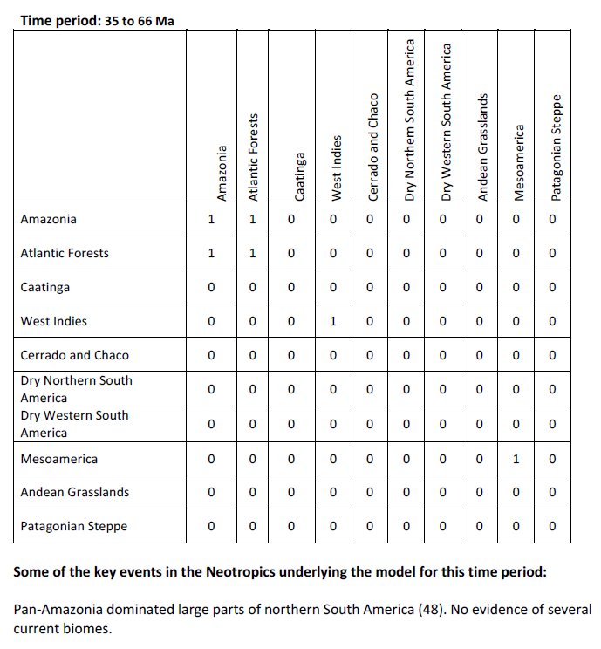
 | A | B | C | D | E | F | G | H | I | J |  | 33 to 66 Ma
A | 0 | 0 | 0 | 0 | 0 | 0 | 0 | 0 | 0 | 0 |  | 0.01 0.01 0.01 0.01 0.01 0.01 0.01 0.01 0.01 0.01
B | 0 | 0 | 0 | 0 | 0 | 0 | 0 | 0 | 0 | 0 |  | 0.01 0.01 0.01 0.01 0.01 0.01 0.01 0.01 0.01 0.01
A e D
C e E
Bv
J
B
H
F
I
A e D
C e E
B
B
J
H
F
I
C | 0 | 0 | 0 | 0 | 0 | 0 | 0 | 0 | 0 | 0 |  | 0.01 0.01 0.01 0.01 0.01 0.01 0.01 0.01 0.01 0.01
D | 0 | 0 | 0 | 0 | 0 | 0 | 0 | 0 | 0 | 0 |  | 0.01 0.01 0.01 0.01 0.01 0.01 0.01 0.01 0.01 0.01
E | 0 | 0 | 0 | 0 | 0 | 0 | 0 | 0 | 0 | 0 |  | 0.01 0.01 0.01 0.01 0.01 0.01 0.01 0.01 0.01 0.01
F | 0 | 0 | 0 | 0 | 0 | 0 | 0 | 0 | 0 | 0 |  | 0.01 0.01 0.01 0.01 0.01 0.01 0.01 0.01 0.01 0.01
G | 0 | 0 | 0 | 0 | 0 | 0 | 0 | 0 | 0 | 0 |  | 0.01 0.01 0.01 0.01 0.01 0.01 0.01 0.01 0.01 0.01
H | 0 | 0 | 0 | 0 | 0 | 0 | 0 | 0 | 0 | 0 |  | 0.01 0.01 0.01 0.01 0.01 0.01 0.01 0.01 0.01 0.01
I | 0 | 0 | 0 | 0 | 0 | 0 | 0 | 0 | 0 | 0 |  | 0.01 0.01 0.01 0.01 0.01 0.01 0.01 0.01 0.01 0.01
J | 0 | 0 | 0 | 0 | 0 | 0 | 0 | 0 | 0 | 0 |  | 0.01 0.01 0.01 0.01 0.01 0.01 0.01 0.01 0.01 0.01

 |  |  |  |  |  |  |  |  |  |  | 1.00

A | > | A | D | C | E
B | >
C | > | A | D | C | E
D | > | A | D | C | E
E | > | A | D | C | E
F | > | F
G | >
H | >
I | >
J | > | J

Antonelli et al 2018 (2)
ok | detalhando Amazonia (A e D)
ok | detalhando Atlantic Forest (C e E)
ok | detalhando Chocó (G)
 | A | B | C | D | E | F | G | H | I | J |  | 0 to 9Ma | #periods=9 13 23 33 35 66
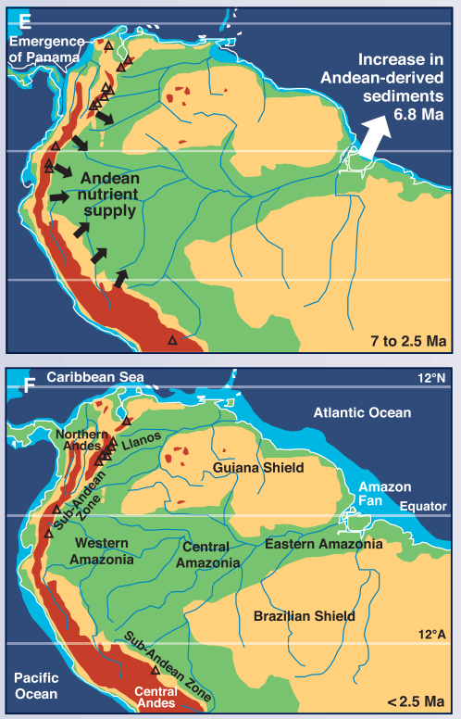
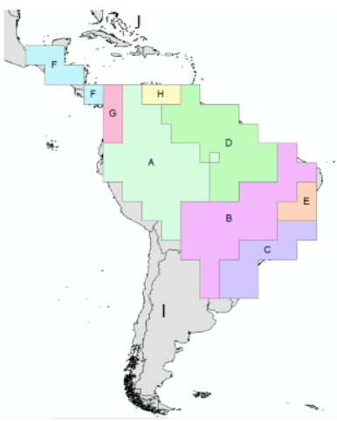
A | 1.00 | 1.00 | 0.01 | 0.01 | 0.01 | 0.01 | 0.01 | 1.00 | 0.01 | 0.01
A e D
C e E
Bv
J
B
H
F
I
A e D
C e E
B
B
J
H
F
I
B | 1.00 | 1.00 | 1.00 | 1.00 | 1.00 | 0.01 | 0.01 | 0.01 | 0.01 | 0.01
C | 0.01 | 1.00 | 1.00 | 0.01 | 1.00 | 0.01 | 0.01 | 0.01 | 1.00 | 0.01
D | 0.01 | 0.01 | 0.01 | 1.00 | 1.00 | 0.01 | 0.01 | 1.00 | 0.01 | 0.01
E | 0.01 | 1.00 | 1.00 | 1.00 | 1.00 | 0.01 | 0.01 | 0.01 | 0.01 | 0.01
F | 0.01 | 0.01 | 0.01 | 0.01 | 0.01 | 1.00 | 1.00 | 0.01 | 0.01 | 0.01
G | 0.01 | 0.01 | 0.01 | 0.01 | 0.01 | 1.00 | 1.00 | 0.01 | 0.01 | 0.01
H | 1.00 | 0.01 | 0.01 | 1.00 | 0.01 | 0.01 | 0.01 | 1.00 | 0.01 | 0.01
I | 0.01 | 1.00 | 1.00 | 0.01 | 0.01 | 0.01 | 0.01 | 0.01 | 1.00 | 0.01
J | 0.01 | 0.01 | 0.01 | 0.01 | 0.01 | 0.01 | 0.01 | 0.01 | 0.01 | 1.00

 |  |  |  |  |  |  |  |  |  |  | 30.70

A | > | A |  | B |  | H |  |  |  |  |  | Western Amazonia and Eastern Amazonia not connected (Hoorn)
B | > | A | D | B | C | E
C | > | C | E | B | I
D | > |  | D |  | E | H
E | > | C | E | B | D
F | > | F | G
G | > | F | G
H | > | A | D |  | H
I | > | B | C | I
J | > | J
 | Pronto para codificar na matriz.

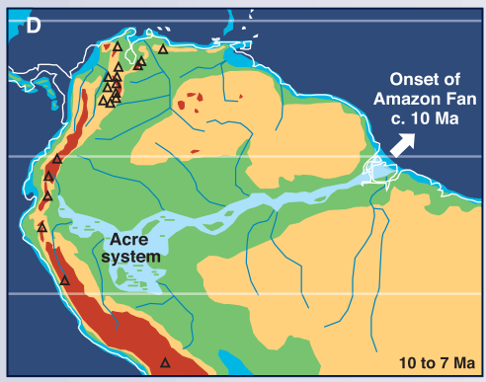
A e D
C e E
Bv
J
B
H
F
I
A e D
C e E
B
B
J
H
F
I
 | A | B | C | D | E | F | G | H | I | J |  | 9 to 13Ma
A | 1.00 | 0.01 | 0.01 | 0.01 | 0.01 | 0.01 | 0.01 | 1.00 | 0.01 | 0.01
B | 0.01 | 0.01 | 0.01 | 0.01 | 0.01 | 0.01 | 0.01 | 0.01 | 0.01 | 0.01
C | 0.01 | 0.01 | 1.00 | 0.01 | 1.00 | 0.01 | 0.01 | 0.01 | 1.00 | 0.01
D | 0.01 | 0.01 | 0.01 | 1.00 | 0.01 | 0.01 | 0.01 | 1.00 | 0.01 | 0.01
E | 0.01 | 0.01 | 1.00 | 0.01 | 1.00 | 0.01 | 0.01 | 0.01 | 0.01 | 0.01
F | 0.01 | 0.01 | 0.01 | 0.01 | 0.01 | 1.00 | 0.01 | 0.01 | 0.01 | 0.01
G | 0.01 | 0.01 | 0.01 | 0.01 | 0.01 | 0.01 | 1.00 | 0.01 | 0.01 | 0.01
H | 1.00 | 0.01 | 0.01 | 1.00 | 0.01 | 0.01 | 0.01 | 1.00 | 0.01 | 0.01
I | 0.01 | 0.01 | 0.01 | 0.01 | 0.01 | 0.01 | 0.01 | 0.01 | 1.00 | 0.01
J | 0.01 | 0.01 | 0.01 | 0.01 | 0.01 | 0.01 | 0.01 | 0.01 | 0.01 | 1.00

 |  |  |  |  |  |  |  |  |  |  | 16.84

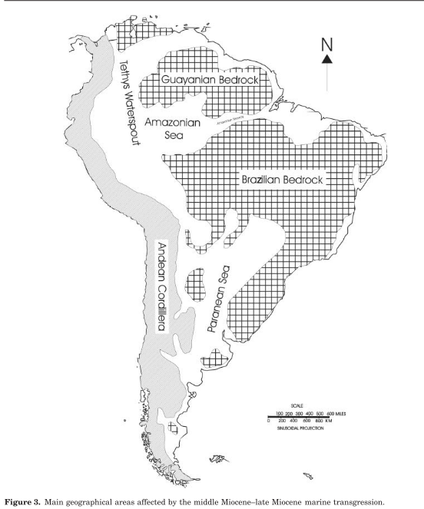
A | > | A |  | H |  |  |  |  |  |  |  | Western Amazonia and Eastern Amazonia not connected
B | >
C | > | C | E | I
D | > |  | D |  | H
E | > | C | E
F | > | F
G | > |  | G
H | > | A | D |  | H
I | > |  | I
J | > |  |  | J
 | Pronto para codificar na matriz.

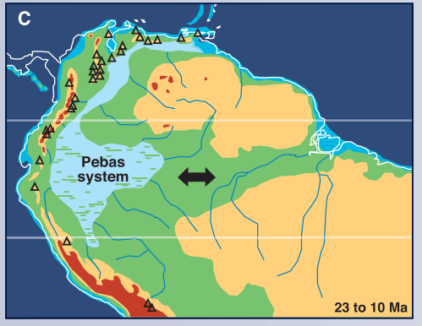
A e D
C e E
Bv
J
B
H
F
I
A e D
C e E
B
B
J
H
F
I
 | A | B | C | D | E | F | G | H | I | J |  | 13 to 23 Ma
A | 1.00 | 0.01 | 1.00 | 1.00 | 1.00 | 0.01 | 0.01 | 0.01 | 0.01 | 0.01
B | 0.01 | 0.01 | 0.01 | 0.01 | 0.01 | 0.01 | 0.01 | 0.01 | 0.01 | 0.01
C | 1.00 | 0.01 | 1.00 | 1.00 | 1.00 | 0.01 | 0.01 | 0.01 | 0.01 | 0.01
D | 1.00 | 0.01 | 1.00 | 1.00 | 1.00 | 0.01 | 0.01 | 0.01 | 0.01 | 0.01
E | 1.00 | 0.01 | 1.00 | 1.00 | 1.00 | 0.01 | 0.01 | 0.01 | 0.01 | 0.01
F | 0.01 | 0.01 | 0.01 | 0.01 | 0.01 | 1.00 | 0.01 | 0.01 | 0.01 | 0.01
G | 0.01 | 0.01 | 0.01 | 0.01 | 0.01 | 0.01 | 1.00 | 0.01 | 0.01 | 0.01
H | 0.01 | 0.01 | 0.01 | 0.01 | 0.01 | 0.01 | 0.01 | 0.01 | 0.01 | 0.01
I | 0.01 | 0.01 | 0.01 | 0.01 | 0.01 | 0.01 | 0.01 | 0.01 | 1.00 | 0.01
J | 0.01 | 0.01 | 0.01 | 0.01 | 0.01 | 0.01 | 0.01 | 0.01 | 0.01 | 1.00

 |  |  |  |  |  |  |  |  |  |  | 20.80

A | > | A | D | C | E |  |  |  |  |  |  | Western Amazonia and Eastern Amazonia connected
B | >
C | > | A | D | C | E
D | > | A | D | C | E
E | > | A | D | C | E
F | > | F
G | > |  | G
H | >
I | > | I
J | > | J
 | Pronto para codificar na matriz.

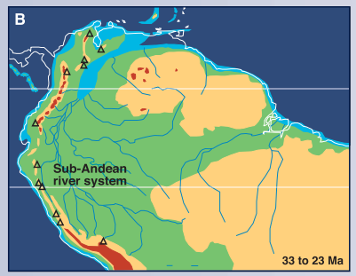
 | A | B | C | D | E | F | G | H | I | J |  | 23 to 33 Ma
A | 1.00 | 0.01 | 1.00 | 1.00 | 1.00 | 0.01 | 0.01 | 0.01 | 1.00 | 0.01
B | 0.01 | 0.01 | 0.01 | 0.01 | 0.01 | 0.01 | 0.01 | 0.01 | 0.01 | 0.01
A e D
C e E
Bv
J
B
H
F
I
A e D
C e E
B
B
J
H
F
I
C | 1.00 | 0.01 | 1.00 | 1.00 | 1.00 | 0.01 | 0.01 | 0.01 | 1.00 | 0.01
D | 1.00 | 0.01 | 1.00 | 1.00 | 1.00 | 0.01 | 0.01 | 0.01 | 0.01 | 0.01
E | 1.00 | 0.01 | 1.00 | 1.00 | 1.00 | 0.01 | 0.01 | 0.01 | 0.01 | 0.01
F | 0.01 | 0.01 | 0.01 | 0.01 | 0.01 | 1.00 | 0.01 | 0.01 | 0.01 | 0.01
G | 1.00 | 0.01 | 0.01 | 0.01 | 0.01 | 0.01 | 1.00 | 0.01 | 0.01 | 0.01
H | 0.01 | 0.01 | 0.01 | 0.01 | 0.01 | 0.01 | 0.01 | 0.01 | 0.01 | 0.01
I | 1.00 | 0.01 | 1.00 | 0.01 | 0.01 | 0.01 | 0.01 | 0.01 | 1.00 | 0.01
J | 0.01 | 0.01 | 0.01 | 0.01 | 0.01 | 0.01 | 0.01 | 0.01 | 0.01 | 1.00

 |  |  |  |  |  |  |  |  |  |  | 25.75

A | > | A | D | C | E | I
B | >
C | > | A | D | C | E | I
D | > | A | D | C | E
E | > | A | D | C | E
F | > | F
G | > | A | G
H | >
I | > | I | A | C
J | > | J
Pronto para codificar na matriz.

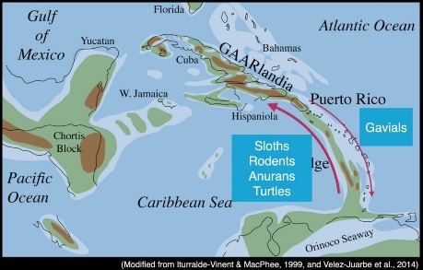
 | A | B | C | D | E | F | G | H | I | J |  | 33 to 35 Ma
A | 1.00 | 0.01 | 1.00 | 1.00 | 1.00 | 0.01 | 0.01 | 0.01 | 1.00 | 0.01
B | 0.01 | 0.01 | 0.01 | 0.01 | 0.01 | 0.01 | 0.01 | 0.01 | 0.01 | 0.01
A e D
C e E
Bv
J
B
H
F
I
A e D
C e E
B
B
J
H
F
I
C | 1.00 | 0.01 | 1.00 | 1.00 | 1.00 | 0.01 | 0.01 | 0.01 | 1.00 | 0.01
D | 1.00 | 0.01 | 1.00 | 1.00 | 1.00 | 0.01 | 0.01 | 0.01 | 0.01 | 1.00
E | 1.00 | 0.01 | 1.00 | 1.00 | 1.00 | 0.01 | 0.01 | 0.01 | 0.01 | 0.01
F | 0.01 | 0.01 | 0.01 | 0.01 | 0.01 | 1.00 | 0.01 | 0.01 | 0.01 | 0.01
G | 1.00 | 0.01 | 0.01 | 0.01 | 0.01 | 0.01 | 1.00 | 0.01 | 0.01 | 0.01
H | 0.01 | 0.01 | 0.01 | 0.01 | 0.01 | 0.01 | 0.01 | 0.01 | 0.01 | 0.01
I | 1.00 | 0.01 | 1.00 | 0.01 | 0.01 | 0.01 | 0.01 | 0.01 | 1.00 | 0.01
J | 0.01 | 0.01 | 0.01 | 1.00 | 0.01 | 0.01 | 0.01 | 0.01 | 0.01 | 1.00
Pronto para codificar na matriz.
 |  |  |  |  |  |  |  |  |  |  | 27.73

A | > | A | D | C | E | I
B | >
C | > | A | D | C | E | I
D | > | A | D | C | E | J
E | > | A | D | C | E
F | > |  | F
G | > | A | G
H | >
I | > | I | A | C
J | > |  | D | J
Pronto para codificar na matriz.

 | A | B | C | D | E | F | G | H | I | J |  | 33 to 66 Ma
A | 1.00 | 0.01 | 1.00 | 1.00 | 1.00 | 0.01 | 0.01 | 0.01 | 0.01 | 0.01
B | 0.01 | 0.01 | 0.01 | 0.01 | 0.01 | 0.01 | 0.01 | 0.01 | 0.01 | 0.01
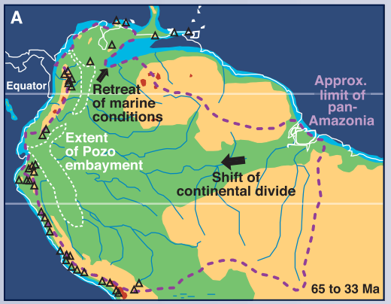
A e D
C e E
Bv
J
B
H
F
I
A e D
C e E
B
B
J
H
F
I
C | 1.00 | 0.01 | 1.00 | 1.00 | 1.00 | 0.01 | 0.01 | 0.01 | 0.01 | 0.01
D | 1.00 | 0.01 | 1.00 | 1.00 | 1.00 | 0.01 | 0.01 | 0.01 | 0.01 | 0.01
E | 1.00 | 0.01 | 1.00 | 1.00 | 1.00 | 0.01 | 0.01 | 0.01 | 0.01 | 0.01
F | 0.01 | 0.01 | 0.01 | 0.01 | 0.01 | 1.00 | 0.01 | 0.01 | 0.01 | 1.00
G | 1.00 | 0.01 | 0.01 | 0.01 | 0.01 | 0.01 | 1.00 | 0.01 | 0.01 | 0.01
H | 0.01 | 0.01 | 0.01 | 0.01 | 0.01 | 0.01 | 0.01 | 0.01 | 0.01 | 0.01
I | 0.01 | 0.01 | 0.01 | 0.01 | 0.01 | 0.01 | 0.01 | 0.01 | 1.00 | 0.01
J | 0.01 | 0.01 | 0.01 | 0.01 | 0.01 | 1.00 | 0.01 | 0.01 | 0.01 | 1.00

 |  |  |  |  |  |  |  |  |  |  | 23.77

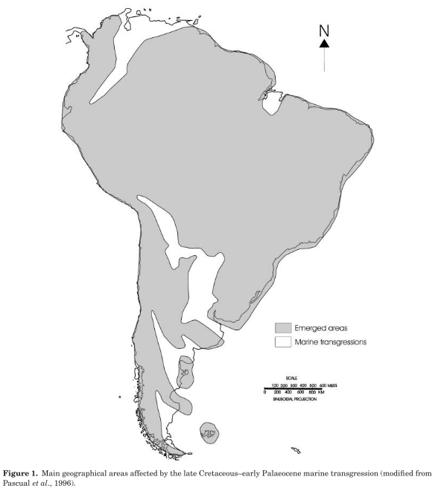
A | > | A | D | C | E
B | >
C | > | A | D | C | E
D | > | A | D | C | E
E | > | A | D | C | E
F | > | F | J
G | > | A | G
H | >
I | > | I
J | > | J | F
Pronto para codificar na matriz.

