BUG 1
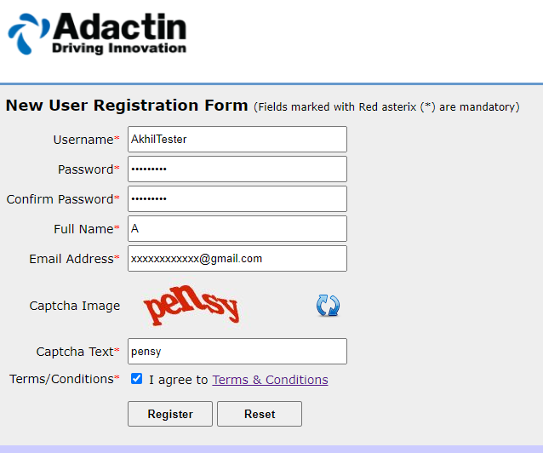
Defect Template

Defect ID | BUG 1 | Assigned To | DEV
Status | NEW | Browser | Chrome
Severity | S3 | Found in Version | 1
Priority | P4 | Found in Build | 1
Module | NEW USER REGISTRATION | Fixed in version
Reported By | Akhil | Fixed in build

Title | FULL NAME : VERIFIYING FULL NAME BY ENTERING LESS THAN 6 CHARACTERS
Description Steps To Re-Produce : 1.Launch Browser 2.Enter url 3.Click On New User Registration Link 4.Enter Username 5.Enter Password 6.Enter Confirm Password 7.Enter Full Name Less Than 6 Characters 8.Enter Email 9.Enter Captcha Text 10.Click On Terms/Conditions : Checkbox 11.Click On Registration Button Expected Result : Error Mesage Should Be Displayed As " Full Name Must Contain 6 Characters " Actual Result :Error Message Is Not Displayed

BUG 2
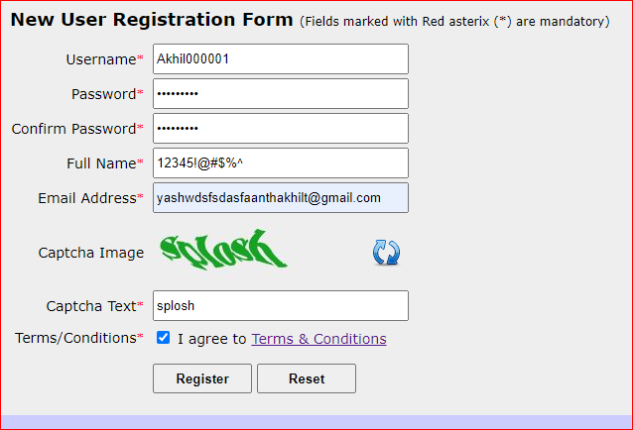
Defect Template

Defect ID | BUG 2 | Assigned To | DEV
Status | NEW | Browser | CHROME
Severity | S3 | Found in Version | 1
Priority | P4 | Found in Build | 1
Module | NEW USER REGISTRATION | Fixed in version
Reported By | AKHIL | Fixed in build

Title | VALIDATION OF FULL NAME BY ENTERING NUMERICAL VALUES & SPECIAL CHARACTERS
Description Steps To Re-Produce : 1.Launch Browser 2.Enter url 3.Click On New User Registration Link 4.Enter Username 5.Enter Password 6.Enter Confirm Password 7.Enter Full Name In Numbers,Special Characters 8.Enter Email 9.Enter Captcha Text 10.Click On Terms/Conditions : Checkbox 11.Click On Registration Button Expected Result : Error Message Should Be Displayed As " Please Enter A Valid Full Name" Actual Result : Error Message Is Not Dispayed

BUG 3
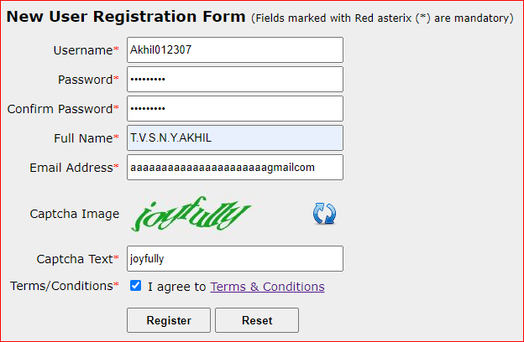
Defect Template

Defect ID | BUG 3 | Assigned To | DEV
Status | NEW | Browser | CHROME
Severity | S2 | Found in Version | 1
Priority | P3 | Found in Build | 1
Module | NEW USER REGISTRATION | Fixed in version
Reported By | AKHIL | Fixed in build

Title | VALIDATION OF E-MAIL
Description Steps To Re-Produce : 1.Launch Browser 2.Enter url 3.Click On New User Registration Link 4.Enter Username 5.Enter Password 6.Enter Confirm Password 7.Enter Full Name 8.Enter Email With Out @ . Symbols 9.Enter Captcha Text 10.Click On Terms/Conditions : Checkbox 11.Click On Registration Button Expected Result : Error Message Should Be Displayed As " Please Enter A vadid Email" Actual Result : Login Details Have Been Sent To The Mail Which Is With Out @ . Symbols

BUG 4
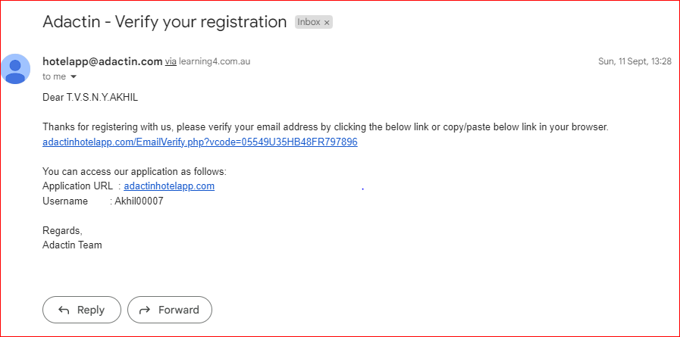
Defect Template

Defect ID | BUG 4 | Assigned To | DEV
Status | NEW | Browser | CHROME
Severity | S2 | Found in Version | 1
Priority | P4 | Found in Build | 1
Module | NEW USER REGISTRATION | Fixed in version
Reported By | AKHIL | Fixed in build

Title | LOGIN DETAILS : VERIFIYING LOGIN DETAILS RECEIVED FROM ADMIN TEAM
Description Steps To Re-Produce : 1.Launch Browser 2.Enter url 3.Click On New User Registration Link 4.Enter Username 5.Enter Password 6.Enter Confirm Password 7.Enter Full Name 8.Enter Email 9.Enter Captcha Text 10.Click On Terms/Conditions : Checkbox 11.Click On Registration Button 12.Verify Login Details Expected Result : Login Details Should Be Displayed In The Received E-Mail From The Admin Team Actual Result : Mail Has Been Received From Admin Team But In That Mail Only Username Details Is Available Password Details Are Not Available

BUG 5
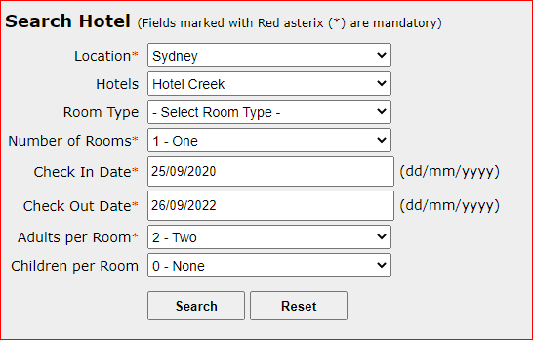
Defect Template

Defect ID | BUG 5 | Assigned To | DEV
Status | NEW | Browser | CHROME
Severity | S2 | Found in Version | 1
Priority | P3 | Found in Build | 1
Module | Search Hotel | Fixed in version
Reported By | AKHIL | Fixed in build

Title | VERIFIYING CHECK IN DATE FUNCTIONALITY BY ENTERING PREVIOUS DATE
Description Steps To Re-Produce : 1.Launch Browser 2.Enter url 3.Enter Username 4.Enter Password 5.Click On Login Button 6.Verify Search Hotel Functionality 6.1.Select Location 6.2.Select Hotel 6.3.Select Room Type 6.4.Select Number of Rooms 6.5.Enter Previous Check In Date 6.6.Enter Check Out Date 6.7.Select Adults Per Room 6.8.Select Childern Per Room 6.9.Click On Search Button Expected Result : Error Message Should Be Displayed As " Please Enter Valid Check In Date" Actual Result : Select Hotel Page Is Displayed

BUG 6
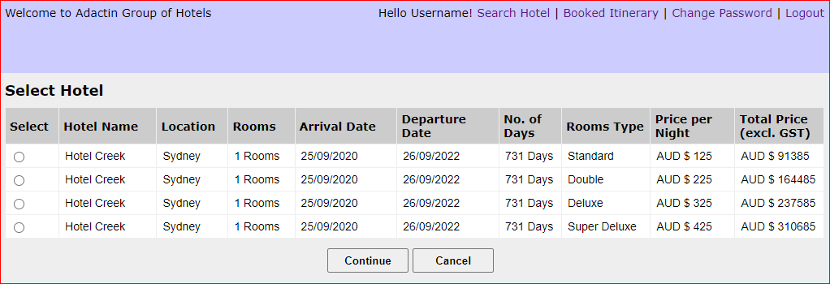
Defect Template

Defect ID | BUG 6 | Assigned To | DEV
Status | NEW | Browser | Chrome
Severity | S4 | Found in Version | 1
Priority | P4 | Found in Build | 1
Module | SEARCH HOTEL | Fixed in version
Reported By | AKHIL | Fixed in build

Title | HELLO TEXT FUNCTIONALITY : USER ENTERED USERNAME IS NOT DISPLAYED AS HELLO TEXT IN SELECT HOTEL PAGE
Description Steps To Re-Produce : 1.Launch Browser 2.Enter url 3.Enter Username 4.Enter Password 5.Click On Login Button 6.Verify Hello Text Expected Result : User Entered Username In Login Page Should Be Displayed As Hello (Username) On Search Hotel Page,Select Hotel Page ,Book A Hotel Page , Order Generation Page ,Booked Itinerary Page. Actual Result : User Entered User Name In Login Page Is Not Correctly On Select Hotel Page

BUG 7
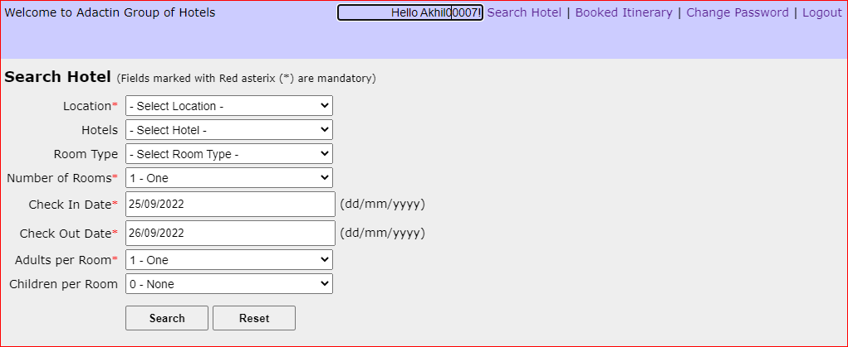
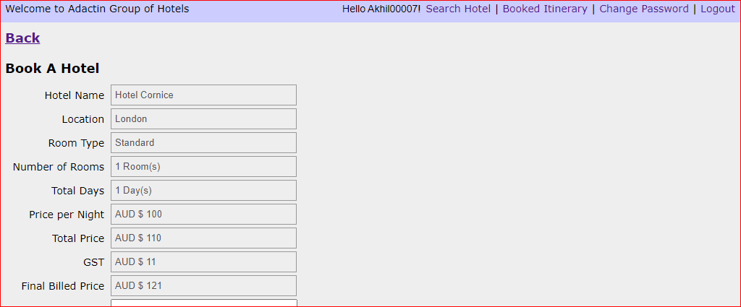
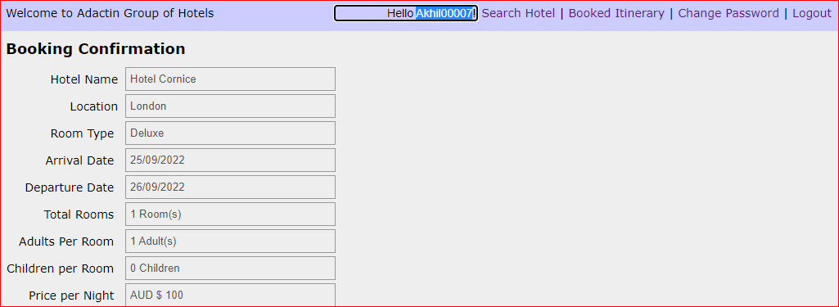

Defect Template

Defect ID | BUG 7 | Assigned To | DEV
Status | NEW | Browser | CHROME
Severity | S4 | Found in Version | 1
Priority | P4 | Found in Build | 1
Module | SEARCH HOTEL | Fixed in version
Reported By | AKHIL | Fixed in build

Title | VALIDATION OF HELLO TEXT BY TRYING TO EDIT
Description Steps To Re-Produce : 1.Launch Browser 2.Enter url 3.Enter Username 4.Enter Password 5.Click On Login Button 6.Verify Hello Text : Try To Edit Username In Search hotel,Book A Hotel,Order Generation, Booked Itinerary Expected Result : Error Message Should Be Displayed As " It Is In Read Only Format" Actual Result :Error Message Is Not Displayed As " It Is In Read Only Format"

BUG 8
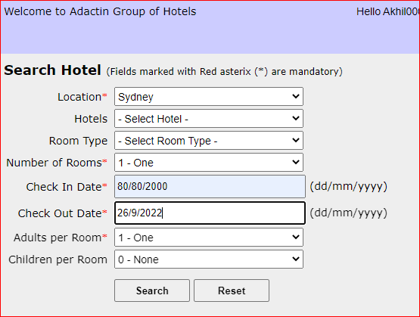
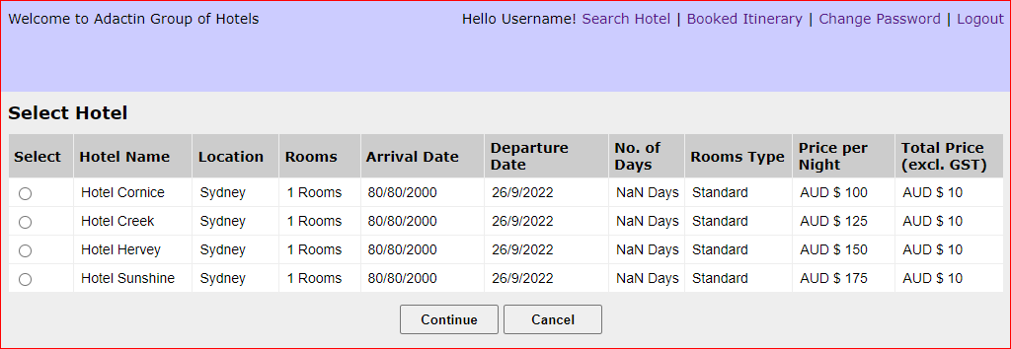
Defect Template

Defect ID | BUG 8 | Assigned To | DEV
Status | NEW | Browser | CHROME
Severity | S3 | Found in Version | 1
Priority | P4 | Found in Build | 1
Module | SEARCH HOTEL | Fixed in version
Reported By | AKHIL | Fixed in build

Title | CHECK IN DATE : VERIFICATION OF CHECK IN DATE FORMAT WITH INVALID DATE
Description Steps To Re-Produce : 1.Launch Browser 2.Enter url 3.Enter Username 4.Enter Password 5.Click On Login Button 6.Verify Date Format : Verify Check In Date With Invalid Date Expected Result : Error Message Should Be Displayed "Enter Valid Check In Date" Actual Result : Select Hotel Page Is Been Displayed After Entering Invalid Check In Date Also Eg:(80/80/2000)

BUG 9
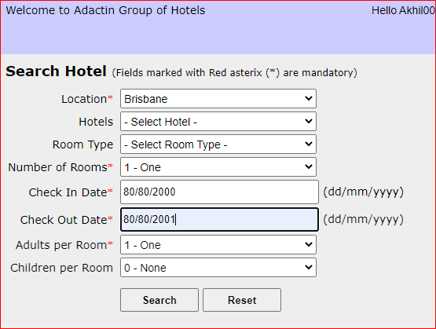
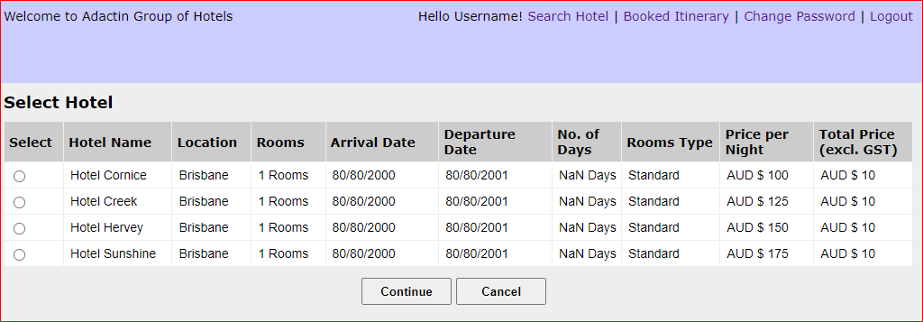
Defect Template

Defect ID | BUG 9 | Assigned To | DEV
Status | NEW | Browser | CHROME
Severity | S3 | Found in Version | 1
Priority | P4 | Found in Build | 1
Module | SEARCH HOTEL | Fixed in version
Reported By | AKHIL | Fixed in build

Title | CHECK OUT DATE : VERIFICATION OF CHECK OUT DATE WITH INVALID DATE
Description Steps To Re-Produce : 1.Launch Browser 2.Enter url 3.Enter Username 4.Enter Password 5.Click On Login Button 6.Verify Date Format : Verify Check OUT Date With Invalid Date Expected Result : Error Message Should Be Displayed "Enter Valid Check Out Date" Actual Result : Select Hotel Page Is Been Displayed After Entering Invalid Check Out Date Also Eg:(80/80/2001)

BUG 10
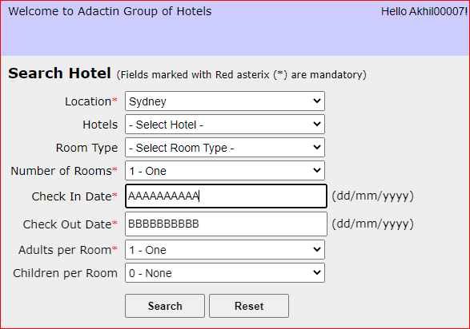
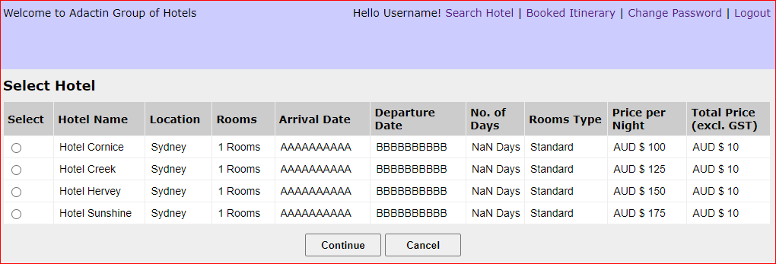
Defect Template

Defect ID | BUG 10 | Assigned To | DEV
Status | NEW | Browser | CHROME
Severity | S3 | Found in Version | 1
Priority | P4 | Found in Build | 1
Module | SEARCH HOTEL | Fixed in version
Reported By | AKHIL | Fixed in build

Title | VALIDATION OF CHECK IN DATE FORMAT BY ENTERING ALPHABETS
Description Steps To Re-Produce : 1.Launch Browser 2.Enter url 3.Enter Username 4.Enter Password 5.Click On Login Button 6.Verify Date Format : Enter Check In Date With Alphabets Expected Result : Error Message Should Be Displayed"Enter Valid Check In Date" Actual Result : Select Hotel Page Is Been Displayed

BUG 11
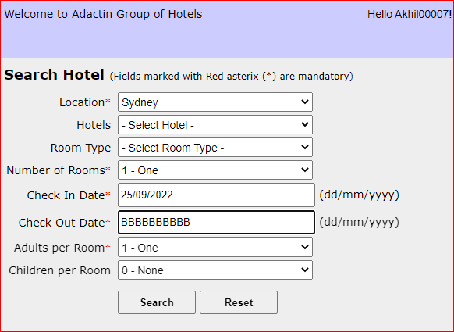
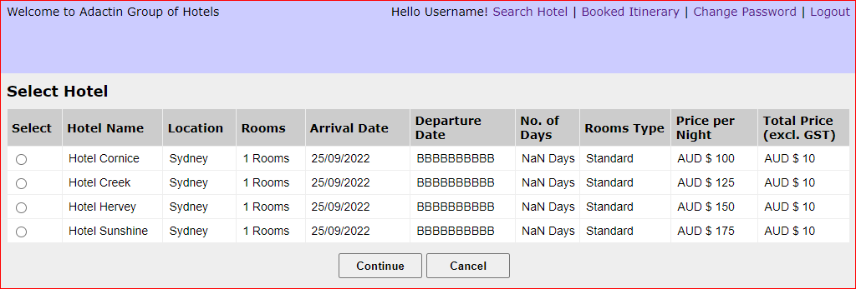
Defect Template

Defect ID | BUG 11 | Assigned To | DEV
Status | NEW | Browser | CHROME
Severity | S3 | Found in Version | 1
Priority | P4 | Found in Build | 1
Module | SEARCH HOTEL | Fixed in version
Reported By | AKHIL | Fixed in build

Title | VALIDATION OF CHECK OUT DATE FORMAT WITH ALPHABETS
Description Steps To Re-Produce : 1.Launch Browser 2.Enter url 3.Enter Username 4.Enter Password 5.Click On Login Button 6.Verify Date Format : Enter Check Out Date With Alphabets Expected Result : Error Message Should Be Displayed"Enter Valid Check Out Date" Actual Result : Select Hotel Page Is Been Displayed

BUG 12
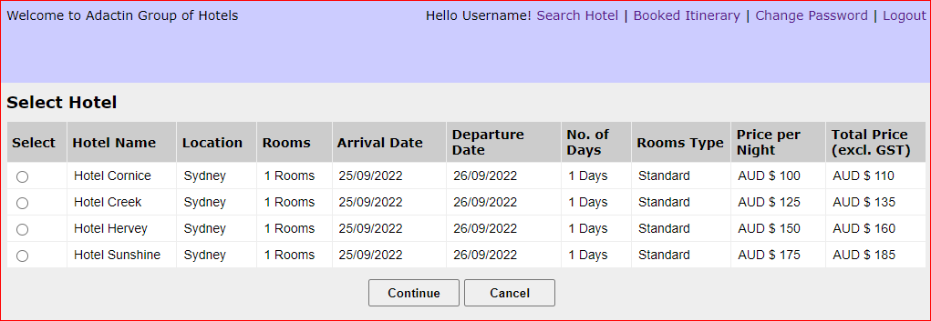
Defect Template

Defect ID | BUG 12 | Assigned To | DEV
Status | NEW | Browser | CHROME
Severity | S3 | Found in Version | 1
Priority | P4 | Found in Build | 1
Module | SELECT HOTEL | Fixed in version
Reported By | AKHIL | Fixed in build

Title | TABLE DATE : VALIDATION OF TABLE DATA IN SELECT HOTEL PAGE
Description Steps To Re-Produce : 1.Launch Browser 2.Enter url 3.Enter Username 4.Enter Password 5.Click On Login Button 6.Perform Search Hotel Functionality 7.Verify Table Data Expected Result : Table Data Should Be Based On Searc Hotel Page Actual Result : Table Data Is Not showing Based On Search Hotel Page for Rooms and No.Of Days For 1 room It Is Displaying 1 rooms For 1 Day It Is Displaying 1 Days, It Is Showing Wrong Price In Total Price Column.

BUG 13
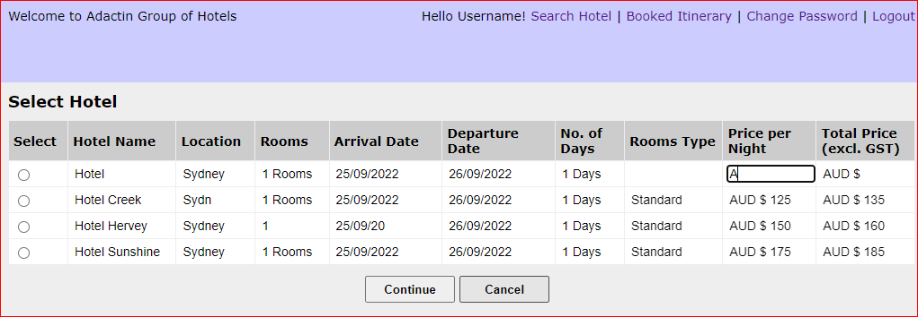
Defect Template

Defect ID | BUG 13 | Assigned To | DEV
Status | NEW | Browser | CHROME
Severity | S3 | Found in Version | 1
Priority | P4 | Found in Build | 1
Module | SELECT HOTEL | Fixed in version
Reported By | AKHIL | Fixed in build

Title | VERIFICATION OF TABLE DATA IN SELECT HOTEL PAGE BY TRYING TO EDIT IT
Description Steps To Re-Produce : 1.Launch Browser 2.Enter url 3.Enter Username 4.Enter Password 5.Click On Login Button 6.Perform Search Hotel Functionality 7.Verify Table Data : Try To Edit Table Data Expected Result : Error Message Should Be Displayed As " It Is In Read Only Format" Actual Result : Error Message Is Not Displayed As " It Is In Read Only Format "

BUG 14
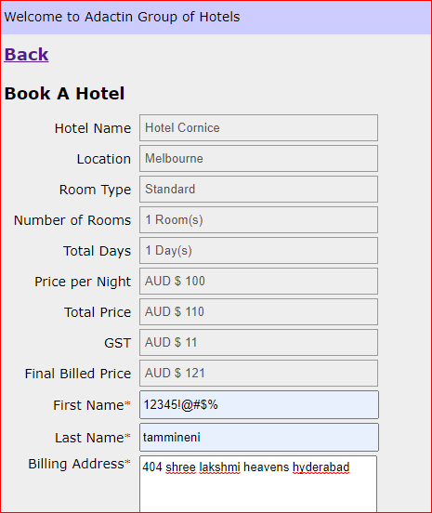
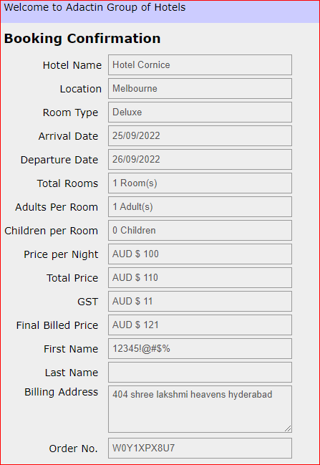
Defect Template

Defect ID | BUG 14 | Assigned To | DEV
Status | NEW | Browser | CHROME
Severity | S3 | Found in Version | 1
Priority | P4 | Found in Build | 1
Module | BOOK A HOTEL | Fixed in version
Reported By | AKHIL | Fixed in build

Title | FIRST NAME : VERIFICATION OF FIRST NAME WITH NUMERICAL VALUES & SPECIAL CHARACTERS
Description Steps To Re-Produce : 1.Launch Browser 2.Enter url 3.Enter Username 4.Enter Password 5.Click On Login Button 6.Perform Search Hotel Functionlity 7.Select Required Hotel 8.Click On Continue Button 9.Enter First Name As Numerical Values , Special Characters 10.Enter Last Name 11.Enter Billing Address 12.EnterCredit Card No 13. Select Credit Card Type 14.Expiry Date 15.Enter CVV Number 16.Click On Book Now Button Expected Result : Error Message Should Be Displayed "Please Enter Valid First Name" Actual Result : Error Message Is Not Displayed & Booking Confirmation Page Is Opened

BUG 15
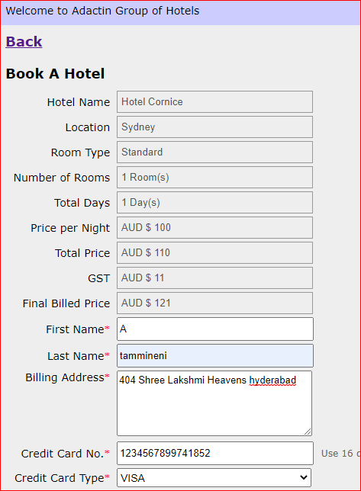
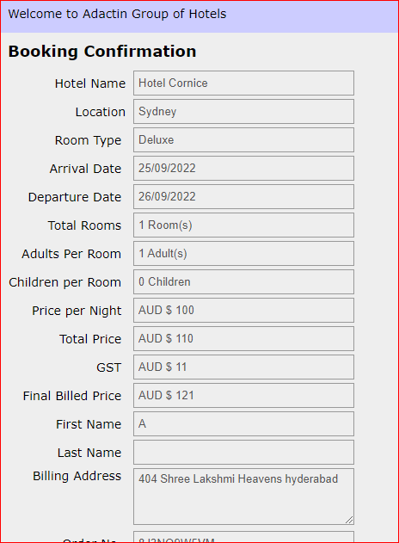
Defect Template

Defect ID | BUG 15 | Assigned To | DEV
Status | NEW | Browser | CHROME
Severity | S4 | Found in Version | 1
Priority | P4 | Found in Build | 1
Module | BOOK A HOTEL | Fixed in version
Reported By | AKHIL | Fixed in build

Title | VALIDATION OF FIRST NAME WITH LESS THAN 6 CHARACTERS
Description Steps To Re-Produce : 1.Launch Browser 2.Enter url 3.Enter Username 4.Enter Password 5.Click On Login Button 6.Perform Search Hotel Functionlity 7.Select Required Hotel 8.Click On Continue Button 9.Enter First Name Less Than 6 Characters 10.Enter Last Name 11.Enter Billing Address 12.EnterCredit Card No 13. Select Credit Card Type 14.Expiry Date 15.Enter CVV Number 16.Click On Book Now Button Expected Result : Error Message Should Be Displayed as "First Name Must Atleast Contain 6 Characters" Actual Result : Error Message Is Not Displayed & Booking Confirmation Page Is Opened

BUG 16
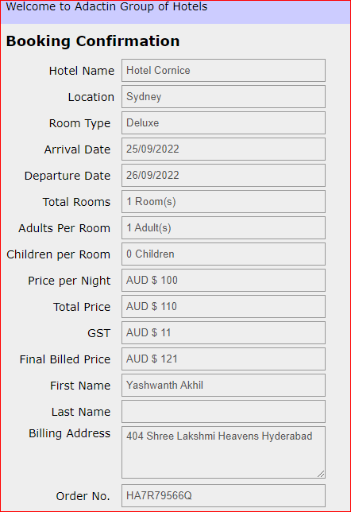
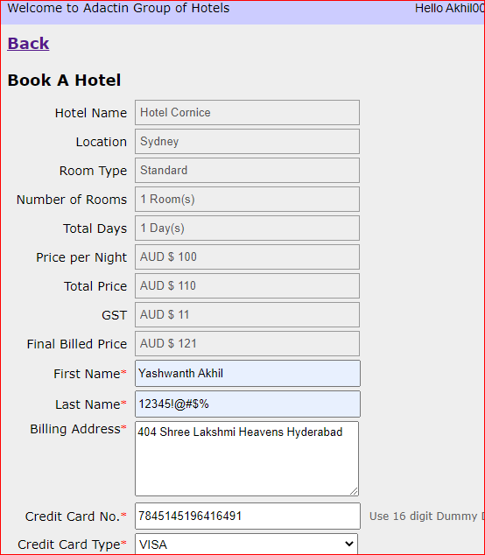
Defect Template

Defect ID | BUG 16 | Assigned To | DEV
Status | NEW | Browser | CHROME
Severity | S4 | Found in Version | 1
Priority | P4 | Found in Build | 1
Module | BOOK A HOTEL | Fixed in version
Reported By | AKHIL | Fixed in build

Title | LAST NAME : VERIFICATION OF LAST NAME WITH NUMERICAL VALUES & SPECIAL CHARACTERS
Description Steps To Re-Produce : 1.Launch Browser 2.Enter url 3.Enter Username 4.Enter Password 5.Click On Login Button 6.Perform Search Hotel Functionlity 7.Select Required Hotel 8.Click On Continue Button 9.Enter First Name 10.Enter Last Name As Numerical Values , Special Characters 11.Enter Billing Address 12.EnterCredit Card No 13. Select Credit Card Type 14.Expiry Date 15.Enter CVV Number 16.Click On Book Now Button Expected Result : Error Message Should Be Displayed "Please Enter Valid Last Name" Actual Result : Error Message Is Not Displayed & Booking Confirmation Page Is Opened

BUG 17
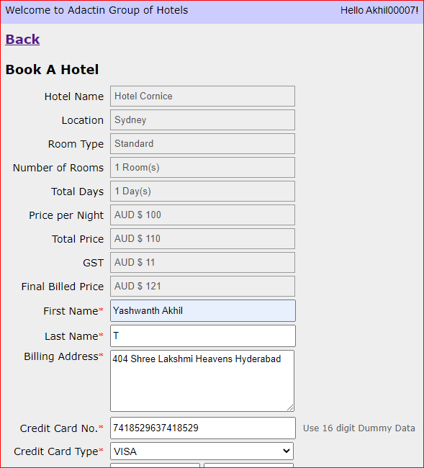
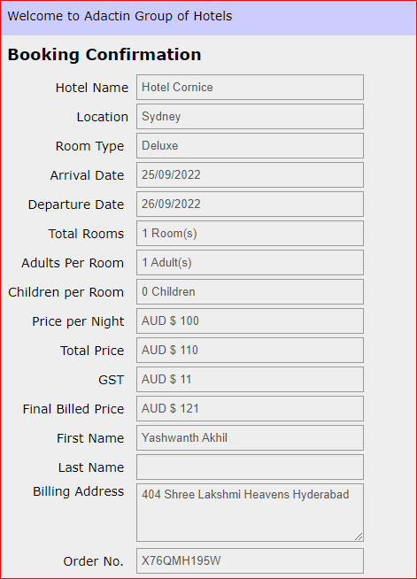
Defect Template

Defect ID | BUG 17 | Assigned To | DEV
Status | NEW | Browser | CHROME
Severity | S4 | Found in Version | 1
Priority | P4 | Found in Build | 1
Module | BOOK A HOTEL | Fixed in version
Reported By | AKHIL | Fixed in build

Title | VALIDATION OF LAST NAME WITH LESS THAN 6 CHARACTERS
Description Steps To Re-Produce : 1.Launch Browser 2.Enter url 3.Enter Username 4.Enter Password 5.Click On Login Button 6.Perform Search Hotel Functionlity 7.Select Required Hotel 8.Click On Continue Button 9.Enter First Name 10.Enter Last Name Less Than 6 Characters 11.Enter Billing Address 12.EnterCredit Card No 13. Select Credit Card Type 14.Expiry Date 15.Enter CVV Number 16.Click On Book Now Button Expected Result : Error Message Should Be Displayed as "Last Name Must Atleast Contain 6 Characters" Actual Result : Error Message Is Not Displayed & Booking Confirmation Page Is Opened

BUG 18
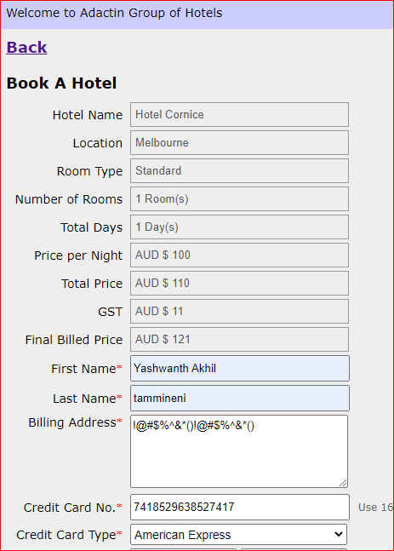
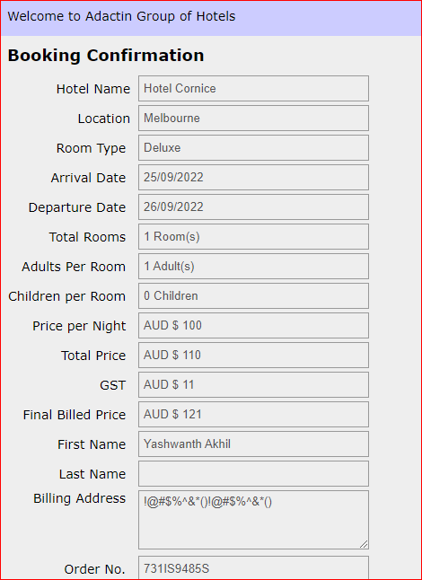
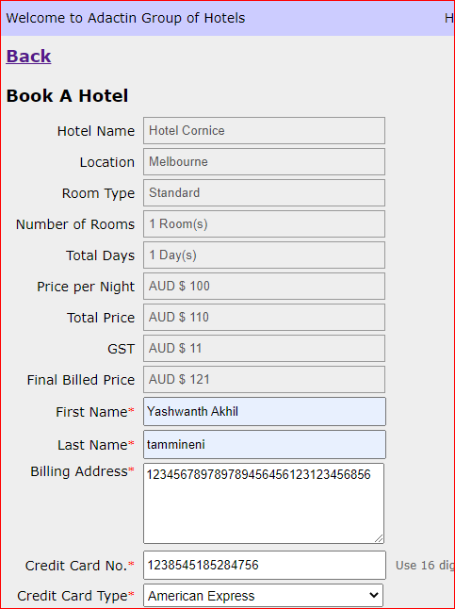
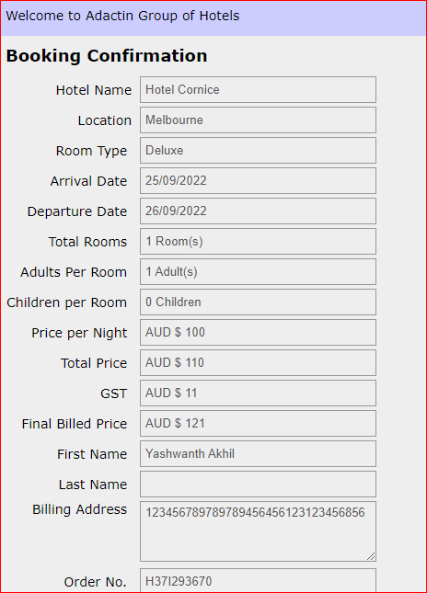
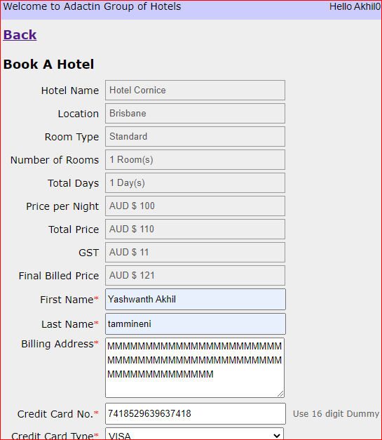
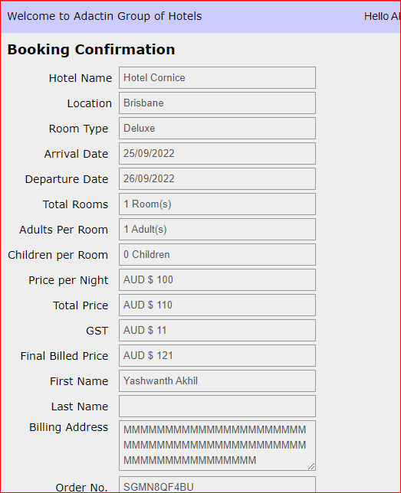
Defect Template

Defect ID | BUG 18 | Assigned To | DEV
Status | NEW | Browser | CHROME
Severity | S4 | Found in Version | 1
Priority | P4 | Found in Build | 1
Module | BOOK A HOTEL | Fixed in version
Reported By | AKHIL | Fixed in build

Title | BILLING ADRESS : VALIDATION OF BILLING ADRESS BY ENTERING NUMERICAL VALUES & SPECIAL CHARACTERS
Description Steps To Re-Produce : 1.Launch Browser 2.Enter url 3.Enter Username 4.Enter Password 5.Click On Login Button 6.Perform Search Hotel Functionlity 7.Select Required Hotel 8.Click On Continue Button 9.Enter First Name 10.Enter Last Name 11.Enter Billing Address As Numerical Values,Special characters,mmmmmmmmmmmm 12.EnterCredit Card No 13. Select Credit Card Type 14.Expiry Date 15.Enter CVV Number 16.Click On Book Now Button Expected Result : Error Message Should Be Displayed As "Please Enter Proper Billing Adress" Actual Result : Error Message Is Not Displayed & Booking Confirmation Page Is Opened

BUG 19
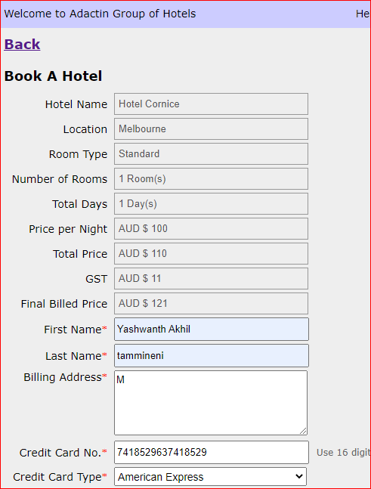
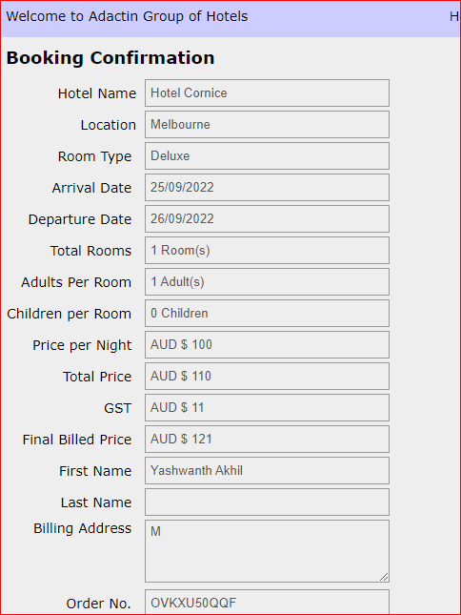
Defect Template

Defect ID | BUG 19 | Assigned To | DEV
Status | NEW | Browser | CHROME
Severity | S4 | Found in Version | 1
Priority | P4 | Found in Build | 1
Module | BOOK A HOTEL | Fixed in version
Reported By | AKHIL | Fixed in build

Title | VERIFICATION OF BILLING ADRESS WITH LESS THAN 16 CHARACTERS
Description Steps To Re-Produce : 1.Launch Browser 2.Enter url 3.Enter Username 4.Enter Password 5.Click On Login Button 6.Perform Search Hotel Functionlity 7.Select Required Hotel 8.Click On Continue Button 9.Enter First Name 10.Enter Last Name 11.Enter Billing Address Less Than 16 Characters 12.EnterCredit Card No 13. Select Credit Card Type 14.Expiry Date 15.Enter CVV Number 16.Click On Book Now Button Expected Result : Error Message Should Be Displayed as "Billing Adress Must Atleast Contain 16 Characters" Actual Result : Error Message Is Not Displayed & Booking Confirmation Page Is Opened

BUG 20
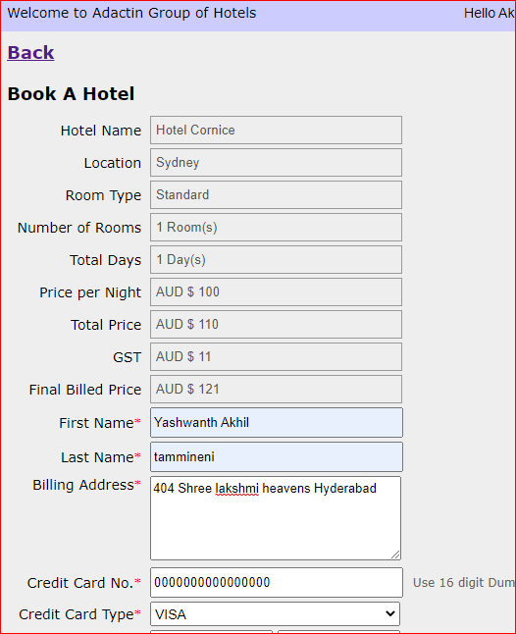
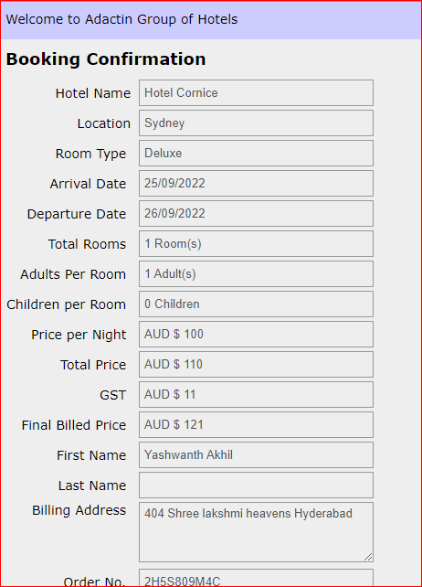
Defect Template

Defect ID | BUG 20 | Assigned To | DEV
Status | NEW | Browser | CHROME
Severity | S2 | Found in Version | 1
Priority | P4 | Found in Build | 1
Module | BOOK A HOTEL | Fixed in version
Reported By | AKHIL | Fixed in build

Title | CREDIT CARD : VALIDATION OF CREDIT CARD NUMBER
Description Steps To Re-Produce : 1.Launch Browser 2.Enter url 3.Enter Username 4.Enter Password 5.Click On Login Button 6.Perform Search Hotel Functionlity 7.Select Required Hotel 8.Click On Continue Button 9.Enter First Name 10.Enter Last Name 11.Enter Billing Address 12.EnterCredit Card No As All 16 Digits In Zeros 13. Select Credit Card Type 14.Expiry Date 15.Enter CVV Number 16.Click On Book Now Button Expected Result : Error Message Should Be Displyed As " Please Enter A Valid Credit Card Number" Actual Result : Error Message Is Not Displayed & Booking Confirmation Page Is Opened

BUG 21
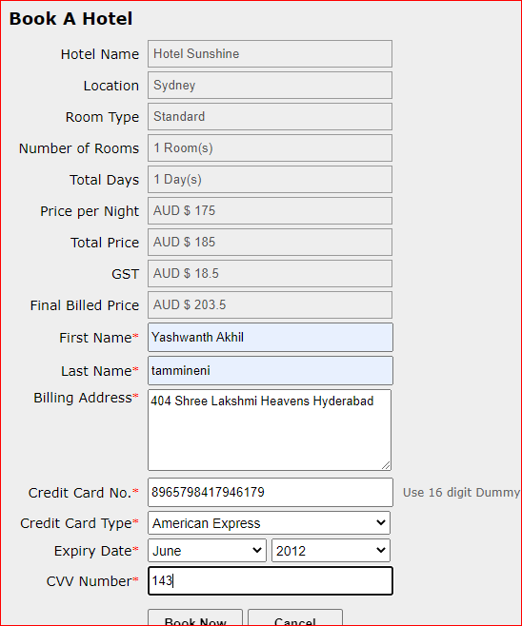
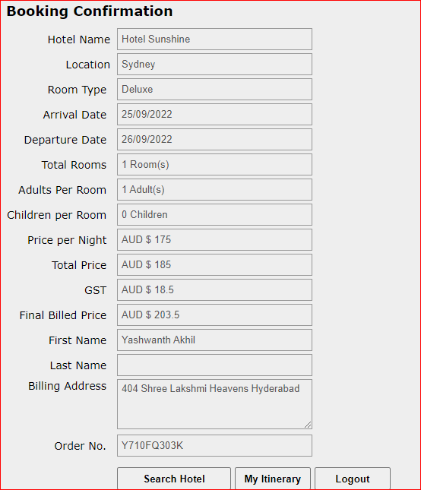
Defect Template

Defect ID | BUG 21 | Assigned To | DEV
Status | NEW | Browser | CHROME
Severity | S3 | Found in Version | 1
Priority | P4 | Found in Build | 1
Module | BOOK A HOTEL | Fixed in version
Reported By | AKHIL | Fixed in build

Title | CREDIT CARD EXPIRY DATE : VALIDATING EXPIRY DATE BY ENTERING PRREVIOUS YEAR
Description Steps To Re-Produce : 1.Launch Browser 2.Enter url 3.Enter Username 4.Enter Password 5.Click On Login Button 6.Perform Search Hotel Functionlity 7.Select Required Hotel 8.Click On Continue Button 9.Enter First Name 10.Enter Last Name 11.Enter Billing Address 12.EnterCredit Card No 13. Select Credit Card Type 14.Expiry Date As Previous Year 15.Enter CVV Number 16.Click On Book Now Button Expected Result : Error Message Should Be Displayed As " Please Enter A Valid Expiry Date" Actual Result : Error Message Is Not Displayed & Booking Confirmation Page Is Opened

BUG 22
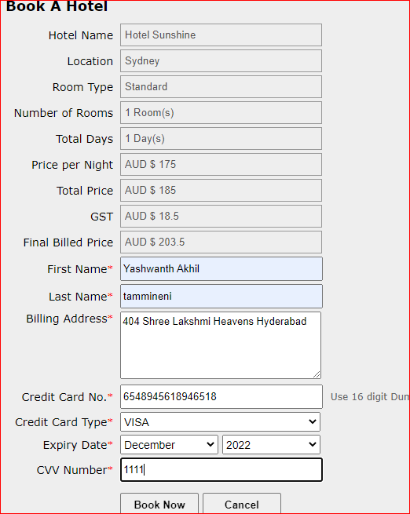
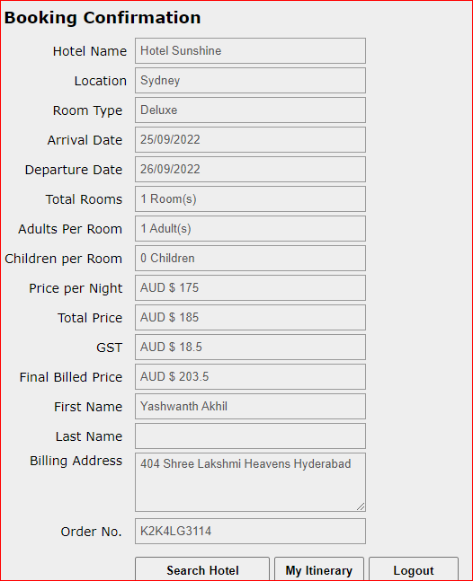
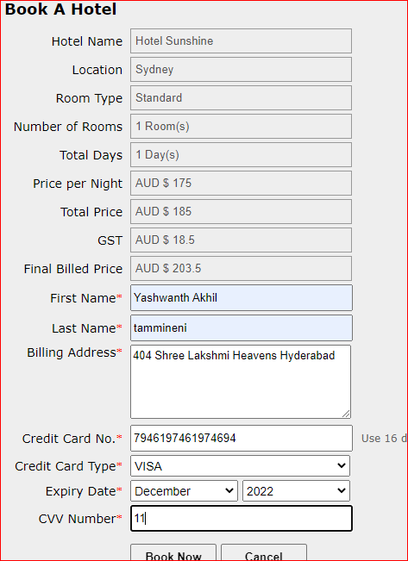
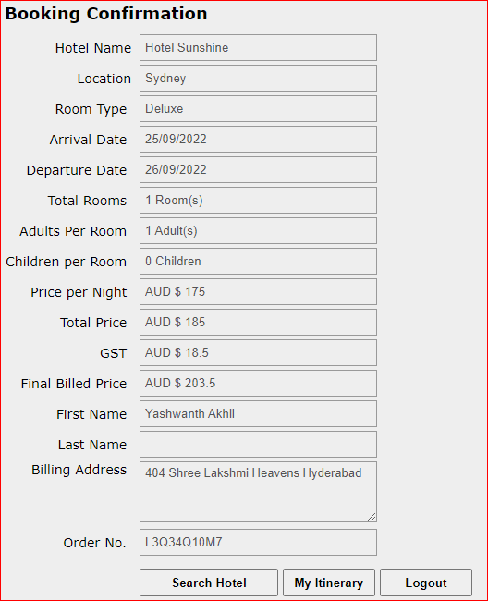
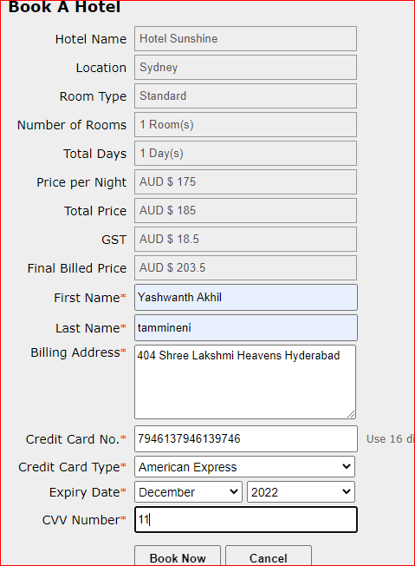
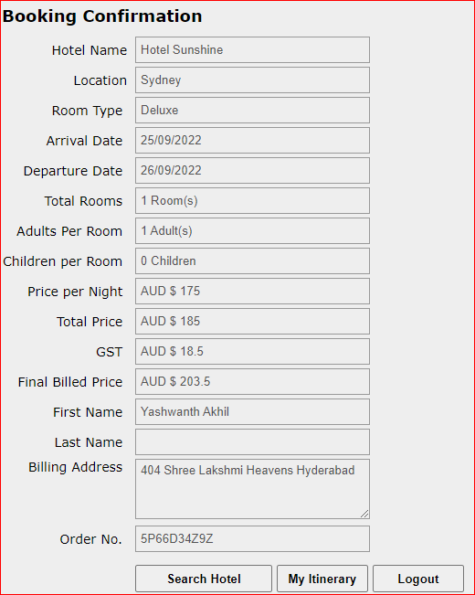
Defect Template

Defect ID | BUG 22 | Assigned To | DEV
Status | NEW | Browser | CHROME
Severity | S3 | Found in Version | 1
Priority | P4 | Found in Build | 1
Module | BOOK A HOTEL | Fixed in version
Reported By | AKHIL | Fixed in build

Title | CVV : VALIDATING CVV FORMAT BY ENTERING INVALID CVV FORMAT
Description Steps To Re-Produce : 1.Launch Browser 2.Enter url 3.Enter Username 4.Enter Password 5.Click On Login Button 6.Perform Search Hotel Functionlity 7.Select Required Hotel 8.Click On Continue Button 9.Enter First Name 10.Enter Last Name 11.Enter Billing Address 12.EnterCredit Card No 13. Select Credit Card Type 14.Expiry Date 15.Enter CVV Number Less Than 4 Digits In American Epress Card,Less Than Three Digits And More Than 4 Digits In Visa And Mastercard 16.Click On Book Now Button Expected Result : Error Message Should Be Displayed " Invalid CVV" Actual Result : Error Message Is Not Displayed & Booking Confirmation Page Is Opened

BUG 23
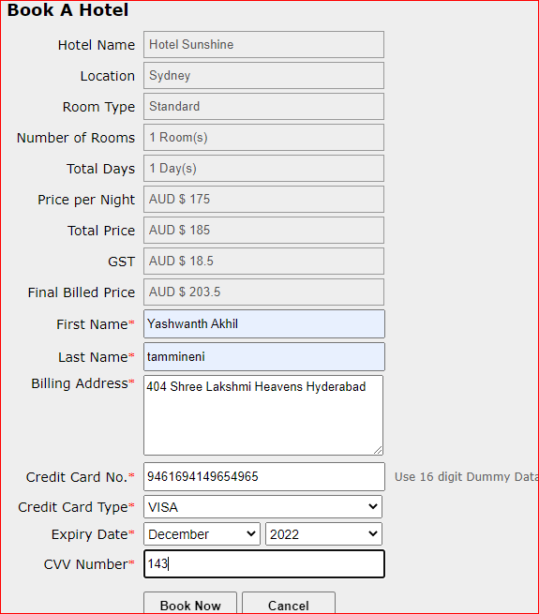
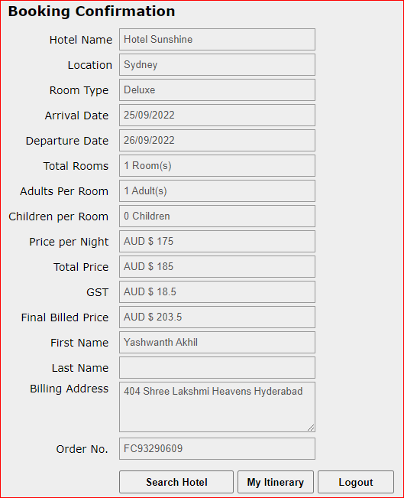
Defect Template

Defect ID | BUG 23 | Assigned To | DEV
Status | NEW | Browser | CHROME
Severity | S4 | Found in Version | 1
Priority | P4 | Found in Build | 1
Module | ORDER GENERATION | Fixed in version
Reported By | AKHIL | Fixed in build

Title | VALIDATION OF READ ONLY TEXT BOXES IN ORDER GENERATION PAGE
Description Steps To Re-Produce : 1.Launch Browser 2.Enter url 3.Login To Application 4.Perform Search Hotel Functionality 5.Perform Select Hotel Functionality 5.Perform Book A Hotel Functionality 7.Verify Data In Read Only Text Boxes Expected Result : Data In Read Only Text Boxes Should Be Displayed According To Lables Actual Result : Data In Read Only Text Box (Last Name) Is Not Displayed

BUG 24
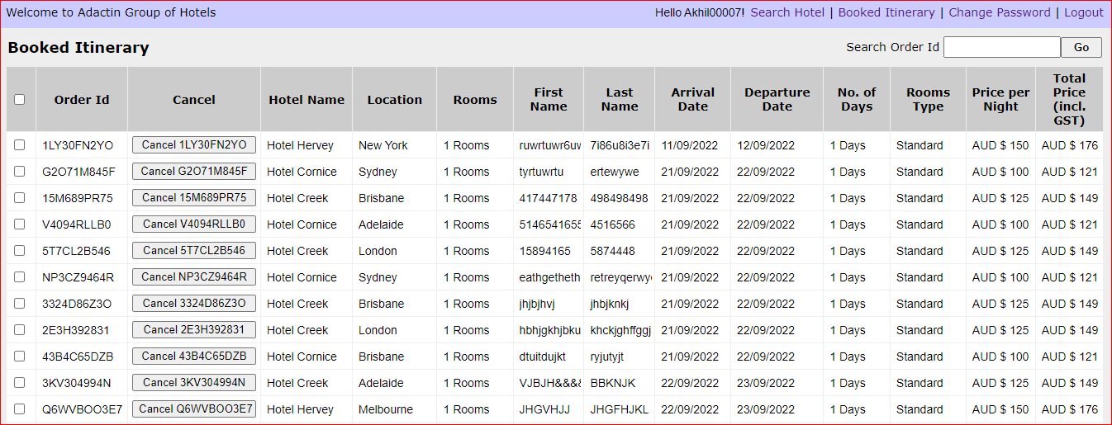
Defect Template

Defect ID | BUG 24 | Assigned To | DEV
Status | NEW | Browser | CHROME
Severity | S3 | Found in Version | 1
Priority | P4 | Found in Build | 1
Module | BOOKED ITINERARY | Fixed in version
Reported By | AKHIL | Fixed in build

Title | TABLE DATE : VALIDATION OF TABLE DATA IN BOOKED ITINERARY PAGE
Description Steps To Re-Produce : 1.Launch Browser 2.Enter url 3.Enter Username 4.Enter Password 5.Click On Login Button 6.Click On Book Itinerary Link 7.Verify Table Data Based On Columns Expected Result : Data Should Be Displayed According To Column Names Actual Result : Data Is Displayed According To Column Names for Rooms and No.Of Days For 1 room It Is Displaying 1 rooms For 1 Day It Is Displaying 1 Days.

BUG 26
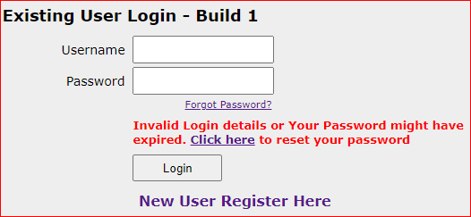
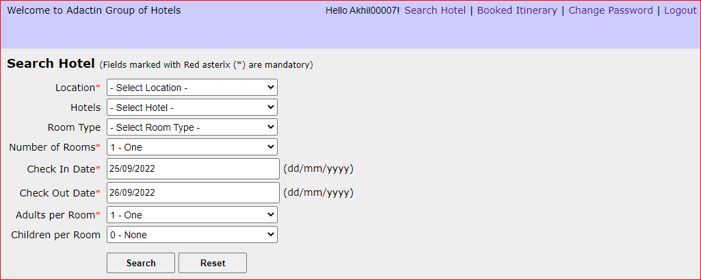
Defect Template

Defect ID | BUG 26 | Assigned To | DEV
Status | NEW | Browser | CHROME
Severity | S3 | Found in Version | 1
Priority | P4 | Found in Build | 1
Module | FUNCTIONAL COMPONENTS OF THE PROJECT | Fixed in version
Reported By | AKHIL | Fixed in build

Title | VALIDATION OF INVALID PASSWORD FUNCTIONALITY
Description Steps To Re-Produce : 1.Launch Browser 2.Enter url 3.Enter Username 4.Enter Invalid Password For 3 Times 5.Click On Login Button Expected Result : Error Message Should Be Displayed & Account Should Be Locked Actual Result : Error Message Is Not Displayed & Account Is Not Locked

BUG 27


Defect Template

Defect ID | BUG 27 | Assigned To | DEV
Status | NEW | Browser | CHROME
Severity | S3 | Found in Version | 1
Priority | P4 | Found in Build | 1
Module | APPLICATION | Fixed in version
Reported By | AKHIL | Fixed in build

Title | VERIFICATION OF CHANGE PASSWORD FUNCTIONALITY BY ENTERING NEW,CONFIRM PASSWORD SAME AS CURRENT PASSWORD
Description Steps To Re-Produce : 1.Launch Browser 2.Enter url 3.Enter User Name 4.Enter Password 5.Click On Change Password Link 6.Enter Current Password 7.Enter New Password Same As Current Password 8.Enter Confirm Password Same As Current Password 9.Cick On Submit Button Expected Result : Error Message Should Be Displayed As " New Password Should Not Be Same As Current Password" Actual Result : Error Message Is Not Getting Displayed It Is Displaying " Your Password IsSucessfully Updated!!!"

BUG 28


Defect Template

Defect ID | BUG 28 | Assigned To | DEV
Status | NEW | Browser | CHROME
Severity | S3 | Found in Version | 1
Priority | P4 | Found in Build | 1
Module | APPLICATION | Fixed in version
Reported By | AKHIL | Fixed in build

Title | VERIFICATION OF CHANGE PASSWORD FUNCTIONALITY BY NOT ENTERING CONFIRM PASSWORD
Description Steps To Re-Produce : 1.Launch Browser 2.Enter url 3.Enter User Name 4.Enter Password 5.Click On Change Password Link 6.Enter Current Password 7.Enter New Password 8.Click On Submit Button Expected Result : Error Message Should Be Displayed As " Please Enter Confirm Password" Actual Result : Error Message Is Not Getting Displayed It Is Displaying " Your Password Is Sucessfully Updated!!!"

BUG 29


Defect Template

Defect ID | BUG 29 | Assigned To | DEV
Status | NEW | Browser | CHROME
Severity | S3 | Found in Version | 1
Priority | P4 | Found in Build | 1
Module | APPLICATION | Fixed in version
Reported By | AKHIL | Fixed in build

Title | VERIFICATION OF CHANGE PASSWORD FUNCTIONALITY BY NOT ENTERING NEW PASSWORD
Description Steps To Re-Produce : 1.Launch Browser 2.Enter url 3.Enter User Name 4.Enter Password 5.Click On Change Password Link 6.Enter Current Password 7.Enter Confirm Password 8.Click On Submit Button Expected Result : Error Message Should Be Displayed As " Please Enter New Password" Actual Result : Error Message Is Not Getting Displayed It Is Displaying " Your Password IsSucessfully Updated!!!"

BUG 30


Defect Template

Defect ID | BUG 30 | Assigned To | DEV
Status | NEW | Browser | CHROME
Severity | S3 | Found in Version | 1
Priority | P4 | Found in Build | 1
Module | APPLICATION | Fixed in version
Reported By | AKHIL | Fixed in build

Title | VERIFICATION OF CHANGE PASSWORD FUNCTIONALITY BY ENTERING ONLY CURRENT PASSWORD
Description Steps To Re-Produce : 1.Launch Browser 2.Enter url 3.Enter User Name 4.Enter Password 5.Click On Change Password Link 6.Enter Current Password 7.Click On Submit Button Expected Result : Error Message Should Be Displayed As " Please Enter New Password & Confirm Password" Actual Result : Error Message Is Not Getting Displayed It Is Displaying " Your Password IsSucessfully Updated!!!"

