Sheet1
BUG Tracker

BUG ID (Autogenerated) | Type | TestCase-ID | Feature | Description | Priority | Screenshots & Attachments | Status | Owner | Found In | Created at
BUG-001 | Bug | TC_ID_03 | Unable to Enter Address Auto mode Enter Address manual | Open URL -https://www.foodpanda.com.bd/bn/?src=foodpanda.com we should Enter the Address Manual, It is not taking Auto location mode | High | 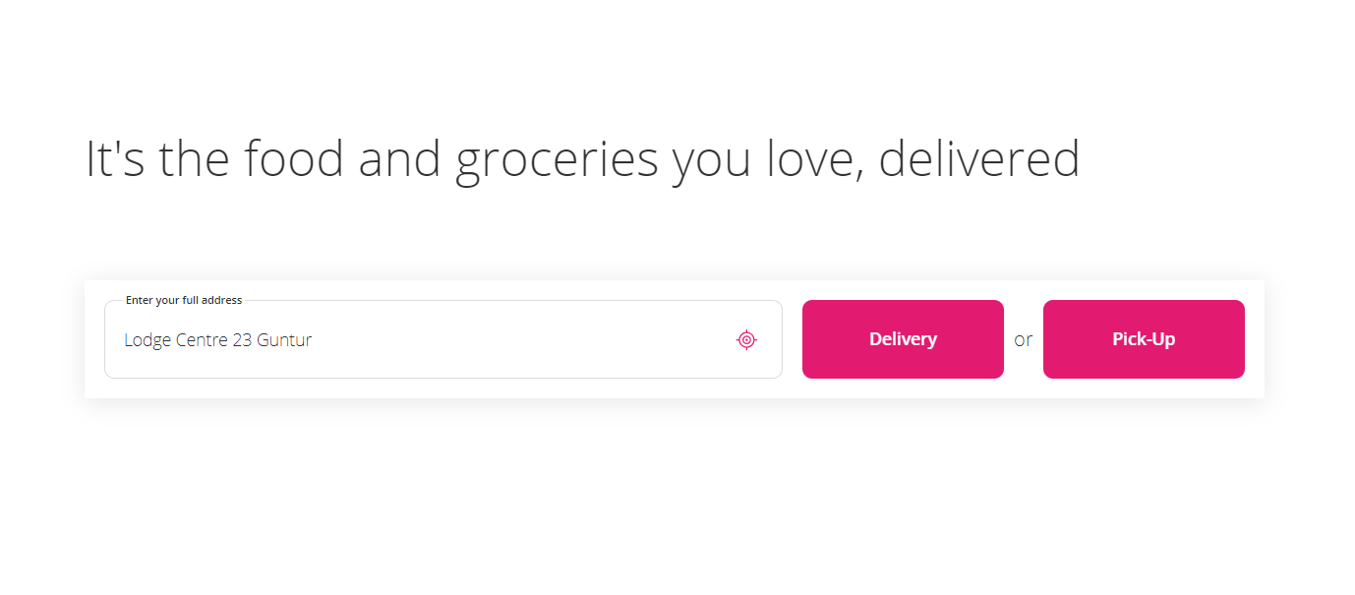 image.png | Not started | vamsi | Stage 3 | 2023-08-07
BUG-002 | Bug | TC_ID_02 | unable to Enter Pincode | open URL-https://www.shopclues.com/ login with mobile number with otp After entering the pincode showing " Indivalid Pincode " | 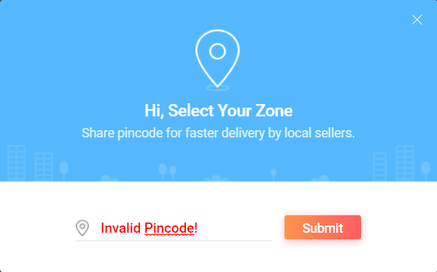 HIgh | image.png | Not started | Mani | Stage 2 | 2023-08-07
BUG-003 | Bug | TC_ID_01 | Sigup the Instagram its taking 11 digits number | Open URL -https://www.instagram.com/accounts/emailsignup/ will Sigup the Instagram It Taking the 11 Digits Mobile number But we have only 10 digit number | 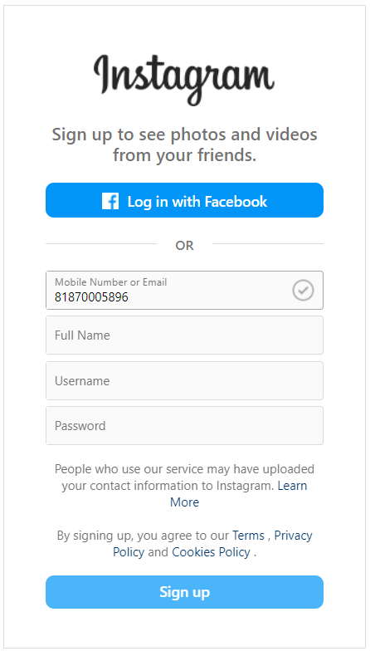 High | image.png | Not Started | Akash | Stage 1 | 2023-08-07
BUG-004 | Bug | TC_ID_01 | Enter Email/Mobile No. | Open URL - https://www.makemytrip.com/ Entering the Mobile If we enter 9 digits number I will fail, Enter corect 10 Digit Mobile Number Application will login through OTP | Medium |  | Fixed | vamsi | Stage 1 | 2023-08-07
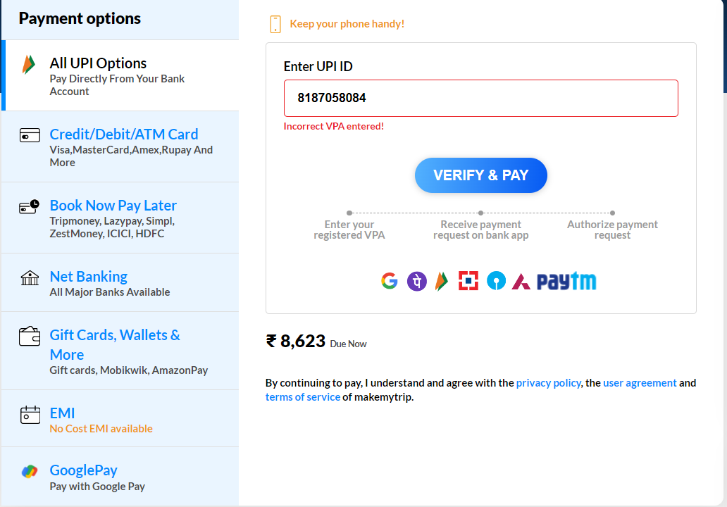
BUG-005 | Bug | TC_ID_04 | Payment Source | Open URL - https://payments.makemytrip.com/ui/checkout/?id=863329112680810 After selecting on Hotel will doing payment source if we enter any worng Upi ID or Worng Pin Payment has will pay | Low |  | Fixed | Amar | Stage 4 | 2023-08-07
BUG-006 | Bug

