CM4-Main
Board Layer Stack
Number | Name | Type | Manufacturer | Material | Process | Thickness (mm) | Weight (oz) | Dk | Df | Orientation | Copper Orientation | Pullback distance (mm) | Description | Color | Constructions | Solid (%) | Resin (%) | Frequency (GHz) | GlassTransTemp (°C)
 | Top Overlay | Overlay
 | Top Solder | Solder Mask | Altium Designer | SM-001 |  | 0.0254 |  | 4 | 0.03 |  |  |  | Solder Mask | #FF008000 |  | 1 |  | 1 | 125
 | Top Surface Finish | Surface Finish |  | Nickel | Gold | ENIG | 0.004 |  |  |  |  |  |  |  | #FFFFC400
1 | Top | Signal | Altium Designer | CF-005 | ED | 0.07 | 2 |  |  | Top | Above |  | Copper Foil
 | 7628_PP1 | Prepreg | Shengyi | PP-S1000H |  | 0.215 |  | 4.58 | 0.016 |  |  |  |  |  | 7628 |  | 50 | 3 | 160
2 | GND1 | Plane | Altium Designer | CF-005 | ED | 0.07 | 2 |  |  |  | Below | 0.508 | Copper Foil
 | 2x2116_Core1 | Core | Shengyi | Core-S1000H |  | 0.24 |  | 4.48 | 0.017 |  |  |  |  |  | 2x2116 |  | 54 | 3 | 160
3 | Power | Signal | Altium Designer | CF-005 | ED | 0.07 | 2 |  |  | Top | Below |  | Copper Foil
 | 7628_PP2 | Prepreg | Shengyi | PP-S1000H |  | 0.215 |  | 4.58 | 0.016 |  |  |  |  |  | 7628 |  | 50 | 3 | 160
4 | Signal | Signal | Altium Designer | CF-005 | ED | 0.07 | 2 |  |  | Top | Above |  | Copper Foil
 | 2x2116_Core2 | Core | Shengyi | Core-S1000H |  | 0.24 |  | 4.48 | 0.017 |  |  |  |  |  | 2x2116 |  | 54 | 3 | 160
5 | GND2 | Plane | Altium Designer | CF-005 | ED | 0.07 | 2 |  |  |  | Above | 0.508 | Copper Foil
 | 7628_PP3 | Prepreg | Shengyi | PP-S1000H |  | 0.215 |  | 4.58 | 0.016 |  |  |  |  |  | 7628 |  | 50 | 3 | 160
6 | Bottom | Signal | Altium Designer | CF-005 | ED | 0.07 | 2 |  |  | Bottom | Below |  | Copper Foil
 | Bottom Surface Finish | Surface Finish |  | Nickel | Gold | ENIG | 0.004 |  |  |  |  |  |  |  | #FFFFC400
 | Bottom Solder | Solder Mask | Altium Designer | SM-001 |  | 0.0254 |  | 4 | 0.03 |  |  |  | Solder Mask | #FF008000 |  | 1 |  | 1 | 125
 | Bottom Overlay | Overlay

Impedances
# | Target impedance (Ω) | Type | Trace layer | Calculated impedance (Ω) | Trace width (mm) | Gap (mm) | Reference layers | Stack
1 | 50 | Single | Bottom | 49.9911 | 0.33291 |  | GND2 | Board Layer Stack
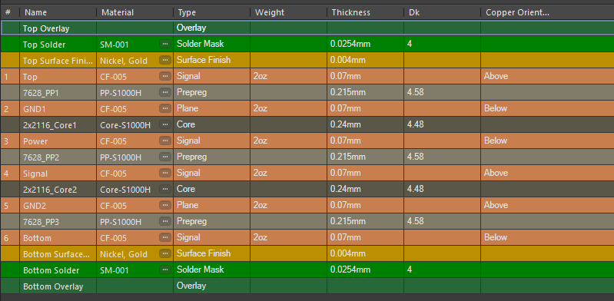
2 | 50 | Single | Signal | 49.995 | 0.27525 |  | GND2 | Board Layer Stack

3 | 50 | Single | Top | 49.9956 | 0.33 |  | GND1 | Board Layer Stack

4 | 80 | Diff pair | Bottom | 80.0208 | 0.31918 | 0.2032 | GND2 | Board Layer Stack

5 | 80 | Diff pair | Signal | 80.0004 | 0.18518 | 0.2032 | GND2 | Board Layer Stack

6 | 80 | Diff pair | Top | 80.0208 | 0.31918 | 0.2032 | GND1 | Board Layer Stack

7 | 85 | Diff pair | Bottom | 85.0178 | 0.27369 | 0.2032 | GND2 | Board Layer Stack

8 | 85 | Diff pair | Signal | 85.0067 | 0.16979 | 0.2286 | GND2 | Board Layer Stack

9 | 85 | Diff pair | Top | 85.0178 | 0.27369 | 0.2032 | GND1 | Board Layer Stack

10 | 90 | Diff pair | Bottom | 89.9901 | 0.23497 | 0.2032 | GND2 | Board Layer Stack

11 | 90 | Diff pair | Signal | 89.9818 | 0.17046 | 0.2794 | GND2 | Board Layer Stack

12 | 90 | Diff pair | Top | 89.9901 | 0.23497 | 0.2032 | GND1 | Board Layer Stack

13 | 100 | Diff pair | Bottom | 100.0085 | 0.17114 | 0.2032 | GND2 | Board Layer Stack

14 | 100 | Diff pair | Signal | 100.0309 | 0.16246 | 0.4064 | GND2 | Board Layer Stack

15 | 100 | Diff pair | Top | 100.0085 | 0.17114 | 0.2032 | GND1 | Board Layer Stack

Via types
# | Name | Type | Layers | Stack
1 | Thru 1:6 | Thru | Top-Bottom | Board Layer Stack

No back drills

