OpenGLObjects
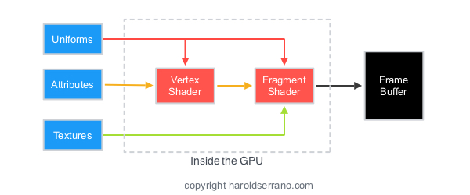
1. OpenGL Objects are structures composed of states and data are responsible for transmitting data to and from the GPU.
2. 创建和删除 OpenGL Object
* glGen
only creates the object's name, it does not allocate storage.
* glDelete
* glBind
use or modify an OpenGL object, it must be bound to an openGL context.
allocates storage for the object.
if an object is bound to a location where another object is already bound, the previously bound object will be unbound.
3. Targets, also known as Binding Points, allows objects to be used for different purposes.

Buffer Objects

Renderbuffer Objects
Regular Objects
（contain data）

Query Objects

Sampler Objects

OpenGL Objects
Texture Objects

Framebuffer Objects

Container Objects
（don't contain data, they are containers for regular OpenGL objecs）
Vertex Array Objects

Transform Feedback Objects

Program Pipeline Objects

Target-BindPoint
1. contains unformatted data
2. stored in the GPU
3. the behavior of a bo depends on its binding points

GL_ARRAY_BUFFER

vertex buffer object -- vertex data
OpenGL Context
Target or Binding Point
GL_ARRAY_BUFFER
GL_TEXTURE_BUFFER
GL_ELEMENT_ARRAY_BUFFER
GL_COPY_READ_BUFFER
GL_COPY_WRITE_BUFFER
GL_PIXEL_PACK_BUFFER
GL_PIXEL_UNPACK_BUFFER
GL_TRANSFORM_FEEDBACK_BUFFER
GL_UNIFORM_BUFFER

GL_PIXEL_PACK_BUFFER

pixel buffer object -- read data from framebuffers

BufferObject
OpenGL Context
Target or Binding Point（Buffer Object）
GL_ARRAY_BUFFER
GL_TEXTURE_BUFFER
GL_ELEMENT_ARRAY_BUFFER
GL_COPY_READ_BUFFER
GL_COPY_WRITE_BUFFER
GL_PIXEL_PACK_BUFFER
GL_PIXEL_UNPACK_BUFFER
GL_TRANSFORM_FEEDBACK_BUFFER
GL_UNIFORM_BUFFER

1. Create a VBO
GLint myBuffer;
glGenBuffer( 1, &myBuffer );
2. VBO bind to GL_ARRAY_BUFFER
glBindBuffer( GL_ARRAY_BUFFER, myBuffer );
3. stores vertex data into a VBO ( CPU --> GPU )
glBufferData( GL_ARRAY_BUFFER, sizeof(data), data, GL_STATIC_DRAW )

Vertex Array Object (VAO)

Element/Index Buffer Object
( EBO/IBO )

Buffer Objects
Vertex Buffer Object
(VBO)
vertex position
normal
texture coordinate
color

glVertexAttribPointer(
location_of_positon_attribute,
3, // 有多少个分量
GL_FLOAT, // 每个分量的数据类型
GL_FALSE, // 数据是否归一化
0, // strides，两个位置数据直接的间隔
0 // 位置数据在数据缓冲区中的起始偏移量
);

OpenGL Shaders

VAO
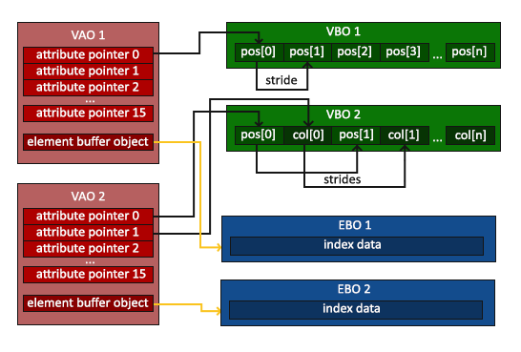

1. VAO is container VBO.
2. Vertex Array Object 在RC中只有一个Target，就是其本身，而 Buffer Object 在 RC 中有多个Target，所以在操作Buffer Object 的时候需要指定相应的Target。
3. VAO就是一个容器，用于存放 Buffer Object 中相关Buffer 的状态。
4. 程序中可以有多个OpenGL Object，但是在某一时刻，RC上只有一个当前的 VBO/EBO/VAO 。当需要操作其它的Buffer，只需要使用相关API把需要操作的Buffer绑定到 RC上相关的 Target就行了。
5. 在 RC 中，VAO 只和当前RC中的VBO和EBO相关联。
6. OpenGL (3.3?) 在 Vertex Shaders 中至少提供 16 个 attribute。

Vertex Array Objects

Here I have outlined the 11 steps required for rendering in OpenGL:
* Generate a VAO (glGenVertexArrays): Informs OpenGL to create a VAO.
* Bind the VAO (glBindVertexArray): Informs OpenGL to bind a VAO.
* Generate a VBO (glGenBuffers()): Informs OpenGL to create a Buffer.
* Bind the VBO (glBindBuffer()): Informs OpenGL to use this buffer for subsequent operations.
* Buffer Data (glBufferData() or glBufferSubData()): Informs OpenGL to allocate and initialize sufficient memory for the currently bound buffer.
* Get Location of Attributes (glGetAttribLocation()): Get location of attributes in current active shader.
* Get Location of Uniform (glGetUniformLocation()): Get location of Uniforms in currect active shader.
* Enable (glEnableVertexAttribArray()): Enable the attribute locations found in the shader.
* Set Pointers (glVertexAttribPointer()):Informs OpenGL about the types of data in bound buffers and any memory offsets needed to access the data.
* Draw (glDrawArrays() or glDrawElements()): Informs OpenGL to render a scene using data in currently bound and enabled buffers.
* Delete (glDeleteBuffers()): Tell OpenGL to delete previously generated buffers and free associated resources.
* Preparing a buffer with a VAO is simply done as shown above. Before we create an VBO, we create and bind a VAO (steps 1-2). The Vertex Array binding occured in step 2.

