log
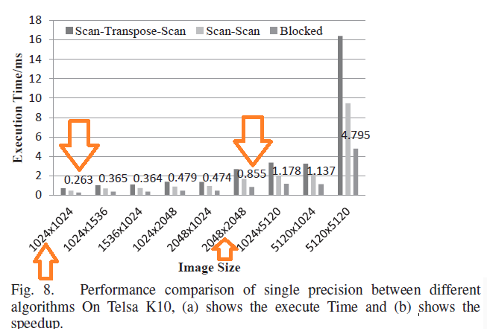
CPU I7 5600K
Maxwell TitanX
1kx1k | 2kx2k | 3kx3k | 4kx4k | 5kx5k | 6kx6k | 7kx7k | 8kx8k | 9kx9k
0.656183 | 3.86515 | 8.261784 | 12.641734 | 15.758883 | 22.872017 | 30.650833 | 39.965302 | 52.083881
0.201856 | 0.531264 | 1.026528 | 1.881152 | 2.9344 | 3.85952 | 5.484864 | 6.8768 | 8.62272
Integral Image Titan-X

