Notes
卖家精灵官网：https://www.sellersprite.com
客服电话：139-8227-0926(谭先生)
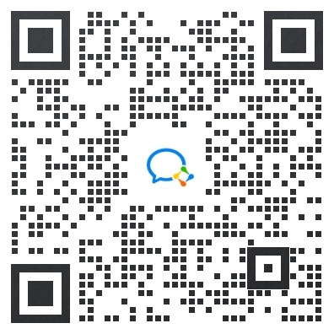 微信客服：
选 词 选 品 选 市 场，就 上 卖 家 精 灵

