Network Topology
Network Topology For H6 EV

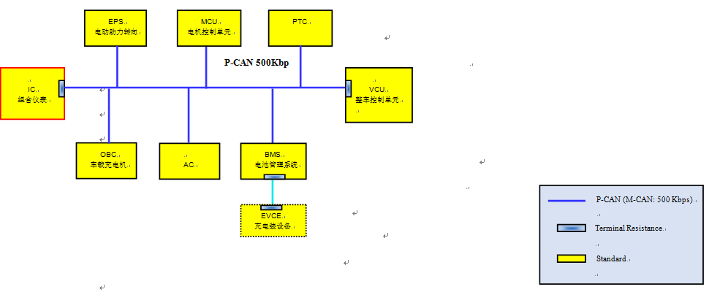

Address 地址 | Acronyms 缩写 | English Full Name 英文全称 | Chinese Name 中文名称
PCAN
 | VCU | Vehicle Control Unit | 整车控制器
 | BMS | Battery Management System | 电池管理系统
 | MCU | Motor Control Unit | 电机控制单元
 | OBC | On Board Charger | 车载充电机
 | ICU | Long-distance Control Unit | 远程监控
 | IC | Instrument Cluster | 组合仪表
 | AC | Air-condition | 空调
 | EPS | Electric Power Steering | 电动助力转向
MCAN
 | BMS | Battery Management System | 电池管理系统
 | CCS | Charger Control System | 非车载充电机

 |  | 注： 红色标注的功能取消

