Source
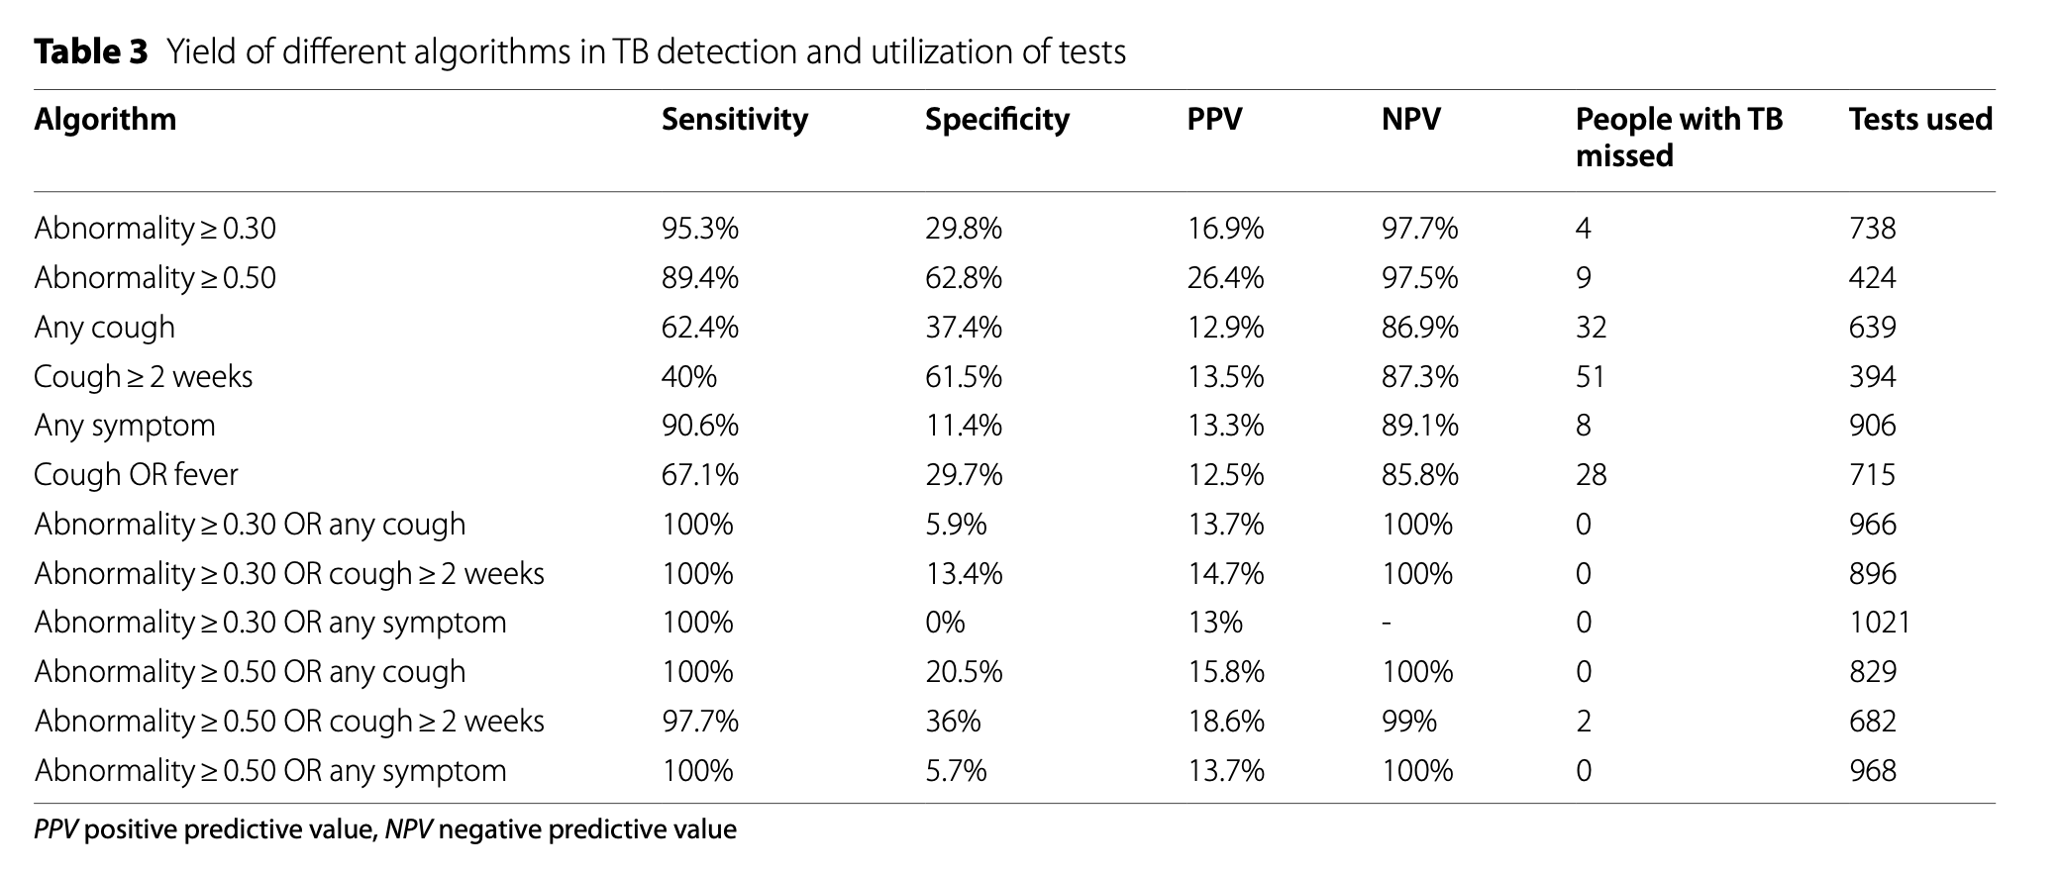
from the main paper: https://doi.org/10.1186/s44263-023-00017-2

