Bankwide Oversight
Top panel: the four cards that survived

Card on screen | Item | Section | Decision | Clarifications? In simple terms | Feasible? If not, what needs to be clarified?
Number of active EDRMS SharePoint sites for Department, RM, office | #1 | Top Panel | Agreed with Changes | Count every active EDRMS site once, for Department, Office, RM and RO, wherever it sits. Not just HQ. Project sites are excluded from this number. The organisational breakdown stays on Department Insights. | Feasible. Source: Cloud Governance Workspace report, EDRMS Site Type column, 1,032 rows in the test tenant. Needs RAC to backfill Department, Division and RM values before the breakdown is reliable.
Total number of EDRMS users | #2 | Top Panel | Needs Clarification | RAC did not pick either option offered. What is wanted is a rounded headcount per unit to show its size, e.g. CSD approx 400, SPSO approx 10. It does not need to be exact and does not need regular updating. | Not feasible from any system today. No export holds an ADB workforce headcount. RAC must supply the rounded list, which is then held as a small maintained reference table. The measured figure that IS produced, users with recorded activity, stays as a separate number.
Total number of documents in EDRMS | #3 | Top Panel | Agreed | Every document sitting in an EDRMS compliant site, declared or not, counted once. Non-EDRMS sites and project sites are excluded. | Feasible. Source: SharePoint site usage export, File Count per site, joined to the Cloud Governance list. The current exports cannot be joined, see the note at the end of this sheet.
Total number of records declared in EDRMS | #4 | Top Panel | Agreed | Every document across the bank that somebody has formally declared as a record. | Feasible. Source: drm-npr database, public.Records, which holds declared records only.

Top panel: the navigation card

Card on screen | Item | Section | Decision | Clarifications? In simple terms | Feasible? If not, what needs to be clarified?
Institutional File Plan insights (navigation tile) | #8 | Top Panel | Agreed | Keep this as a link into the Institutional File Plan dashboard. It shows a number and opens another screen. | Feasible as a navigation tile. The figure on it is read from the File Plan dashboard itself so the two can never disagree.

Breakdown: number of active EDRMS SharePoint sites

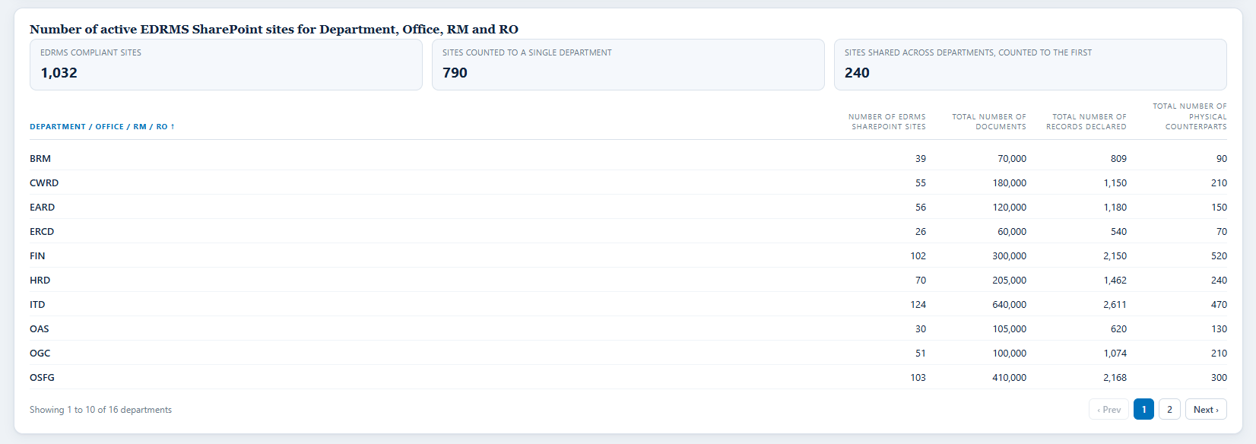

Card on screen | Item | Section | Decision | Clarifications? In simple terms | Feasible? If not, what needs to be clarified?
Department / office / RM | #11 | Overview Of Edrms Sites | Agreed with Changes | Use Department / Office / RM / RO, regardless of physical location. Not HQ. The same wording applies to every equivalent column on the dashboard. | Feasible. Source: Cloud Governance Department column, populated on 1,030 of 1,032 EDRMS sites. To AvePoint: confirm how the change applies to all equivalent columns. 240 sites carry several departments, counted to the first listed.
Number of EDRMS SharePoint sites | #12 | Overview Of Edrms Sites | Agreed | Number of EDRMS sites per unit. Straightforward count. | Feasible. Source: Cloud Governance.
Total number of documents | #13 | Overview Of Edrms Sites | Needs Clarification | Question was what AvePoint means by unit. Unit is the grouping row: Department / Office / RM / RO. The figure is that unit's total documents. | Feasible. Source: SharePoint site usage, File Count, grouped by unit. Same measure as item 3, at a different grain.
Total number of records declared | #14 | Overview Of Edrms Sites | Needs Clarification | Question was whether this is the same as item 4. Yes. Item 4 is the bank-wide total, this is the same total split by unit. The two must add up. | Feasible. Source: drm-npr Records joined to the site-to-unit mapping. Depends on the department backfill.
Total number of physical counterparts | #15 | Overview Of Edrms Sites | Needs Clarification | Question was whether this is the same as item 5. Yes, same measure split by unit, and it follows item 14. | Feasible. Source: drm-npr physical counterpart flag. Note the bank-wide tile for this is deferred, so the column is kept but the top-panel card is not.

Breakdown: EDRMS users with recorded activity

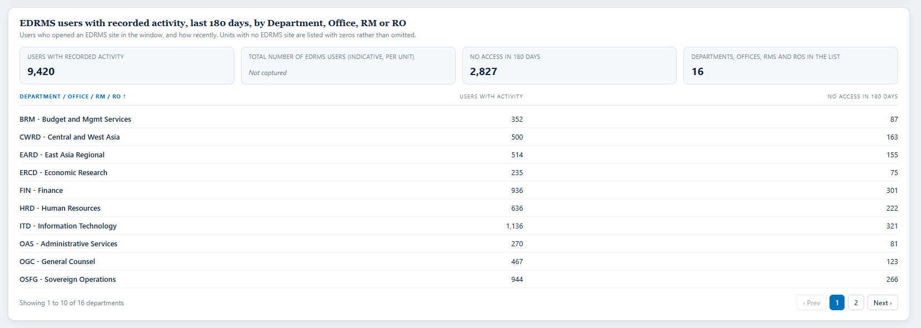

Card on screen | Item | Section | Decision | Clarifications? In simple terms | Feasible? If not, what needs to be clarified?
Total number of users, count | #23 | Users | Needs Clarification | Same answer as item 2. A rounded headcount per unit supplied by RAC, not a count derived from who has access. | Not feasible today. One definition serves items 2, 23 and Department Insights item 3. Do not build three different numbers.
Departments, offices and RMs in the list | #24 | Users | Needs Clarification | Question was whether units with no EDRMS site should appear. Yes. Drive the list from RAC's organisational unit list, not from the sites, so a unit with no site shows zeros. An empty row there is a compliance finding worth reporting. | Feasible once RAC supplies the authoritative unit list. Cloud Governance can only tell you which units have sites, never which do not.
Indicator: never accessed EDRMS | #25 | Users | Needs Clarification | Cannot be shown as never. The activity report covers at most 180 days, so somebody last active 200 days ago looks identical to somebody who never arrived. Replaced by no access in the last 180 days. | Not feasible as worded. Feasible as a 180 day measure. RAC to accept the wording change. This matches the measure already agreed at Department Insights item 13.
Indicator: not accessed in 90 days | #26 | Users | Needs Clarification | Feasible within the window. Pick one threshold and use it everywhere. This also settles the open question of 90 days in the deck against 300 days in the metrics document. | Feasible. Source: SharePoint activity user detail, which serves 7, 30, 90 and 180 day periods only. RAC picks the threshold.

Breakdown: total number of documents in EDRMS

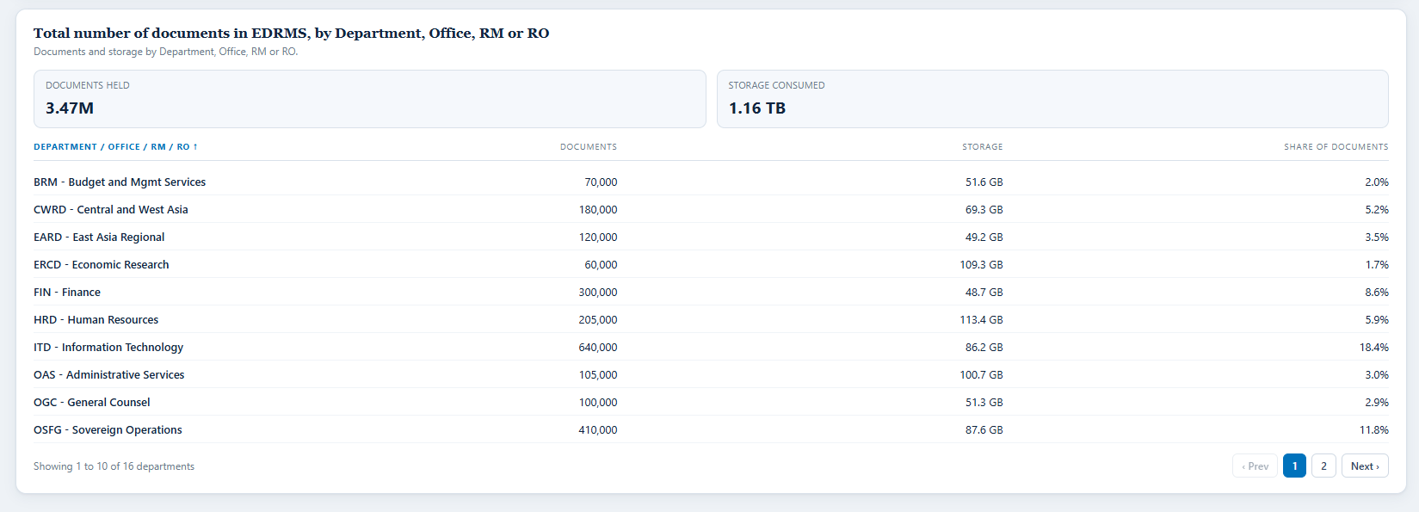

Card on screen | Item | Section | Decision | Clarifications? In simple terms | Feasible? If not, what needs to be clarified?
Number of documents created / uploaded | #32 | Documents | Agreed | Count of documents created or uploaded. | Feasible. Source: SharePoint activity.
Documents size (in GB) | #33 | Documents | Needs Clarification | RAC said keep it if feasible, otherwise remove it. It is feasible, so keep it. | Feasible. Source: Cloud Governance Storage Used (GB), populated on all 1,032 EDRMS sites; tenant total measured at 8.93 GB in the test tenant. Warning for the per-file route: folders return a cumulative size, so a scan must count files only or storage doubles.
Indicator: average monthly storage growth | #36 | Documents | Agreed | Average monthly storage growth. | Feasible, and it depends on item 33 being kept, which it is.

Breakdown: total number of records declared in EDRMS

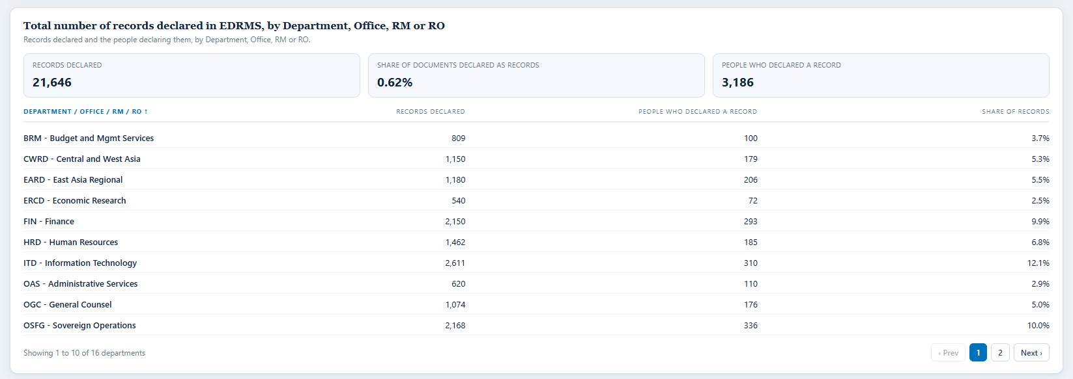

Card on screen | Item | Section | Decision | Clarifications? In simple terms | Feasible? If not, what needs to be clarified?
Total number of records declared | #38 | Records Declared | Agreed | Total records declared. Same figure as item 4. | Feasible. Source: drm-npr.
Total number of users declaring records | #39 | Records Declared | Agreed | How many distinct people declared a record. | Feasible. Source: drm-npr.
Indicator: declaration rate against documents | #41 | Records Declared | Agreed | Records declared as a share of documents held. | Feasible. Both bases are already agreed at items 3 and 4.
Number of users declaring records per division | #43 | Records Declared | Needs Clarification | Question was whether a user has a division, or whether it comes from the site or document. Users carry no division and no department in any source we hold. Attribute the person to the unit of the site the record was declared in, and count unique people per unit. | Feasible with site-based attribution. Department attaches to the site and documents inherit through SiteUrl, confirmed by dev on 10 August, no migration needed. RAC to accept that basis.

Panel: physical counterparts

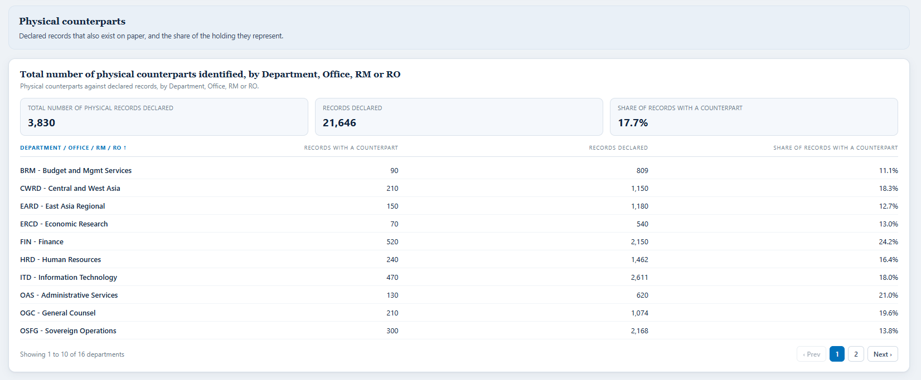

Card on screen | Item | Section | Decision | Clarifications? In simple terms | Feasible? If not, what needs to be clarified?
Total number of physical records declared | #44 | Physical Counterparts | Agreed | Total physical records declared. | Feasible. Source: drm-npr.
Total number of users declaring records | #45 | Physical Counterparts | Agreed | Total number of users declaring records. | Feasible. Source: drm-npr.
Share of records with a counterpart | #46 | Physical Counterparts | Needs Clarification | Question was whether this should be a chart or a tile. Show it as a tile with the percentage and the two base counts beside it. A single ratio does not need a chart, and a percentage without its bases cannot be checked. | Feasible. Both bases come from drm-npr and are already agreed at items 44 and 38. RAC to confirm the presentation.

Comparison: users with recorded activity against documents

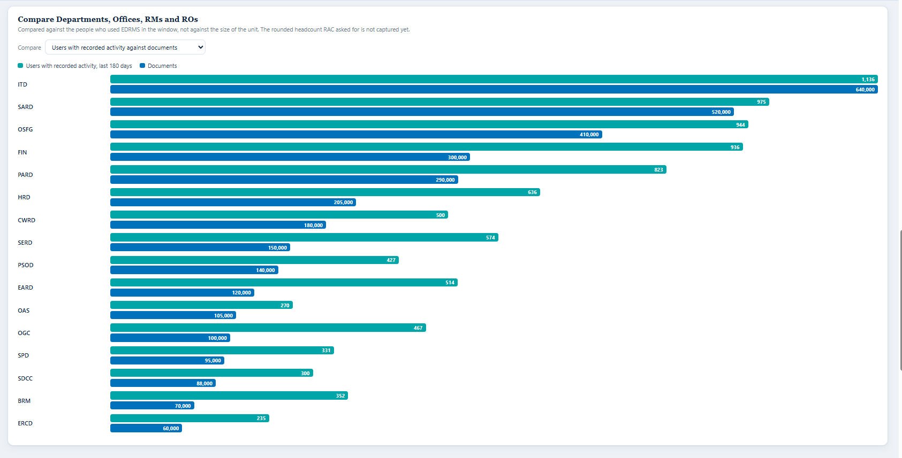

Card on screen | Item | Section | Decision | Clarifications? In simple terms | Feasible? If not, what needs to be clarified?
Comparison, three named ratios: Active users against documents | #61 | The Rest Of Bank-Wide | Needs Clarification | Question was what an active user is. Two different things are being asked for, so publish both and label each with its denominator. Active user, measurable: somebody with SharePoint activity in the window. Contextual headcount: the rounded unit size from item 2. Do not blend them. | Half feasible. The measured active user figure is feasible; in the test tenant 8 of 30 licensed users had any activity. The contextual headcount has no source and must be supplied by RAC. Hold until item 2 is settled.

Comparison: users with recorded activity against records declared

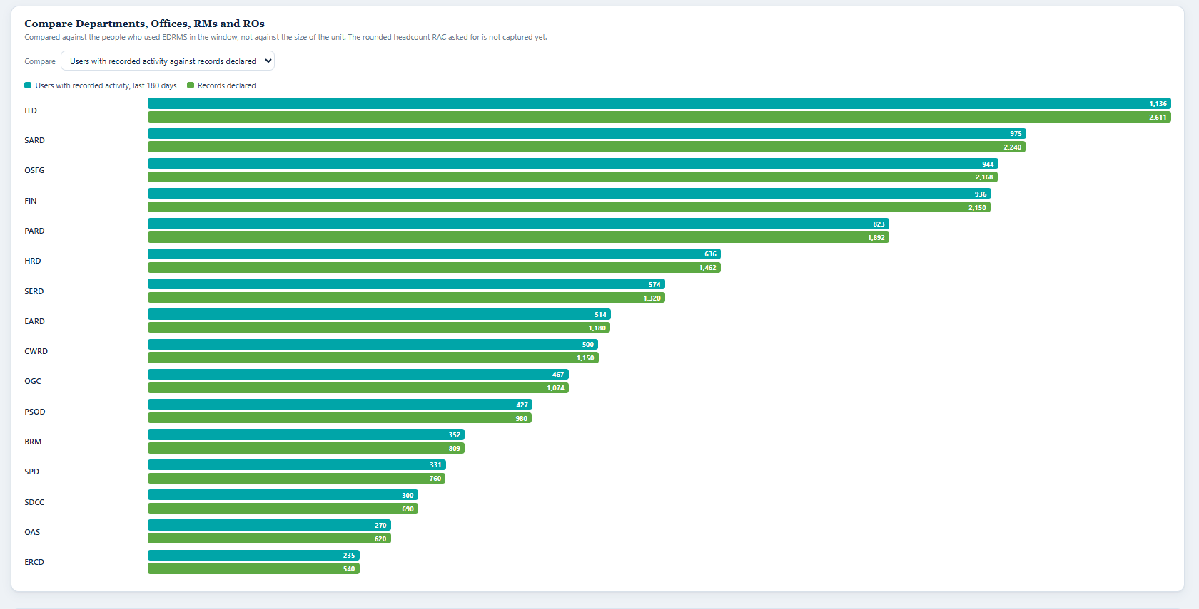

Card on screen | Item | Section | Decision | Clarifications? In simple terms | Feasible? If not, what needs to be clarified?
Comparison, three named ratios: Active users against Records declared | #62 | The Rest Of Bank-Wide | Needs Clarification | Same as item 61. Note the declarer count is exact and already agreed at item 39, so only the denominator is in doubt. | Half feasible. See item 61. RAC picks which denominator the headline ratio uses.

Panel: records declaration trend

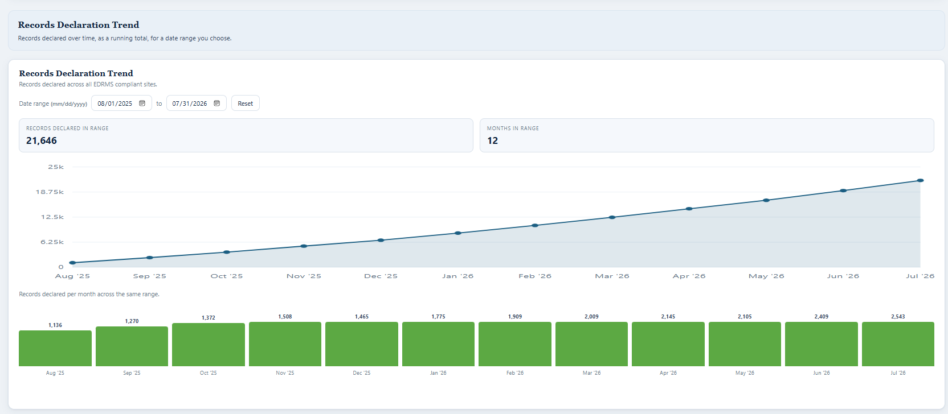

Card on screen | Item | Section | Decision | Clarifications? In simple terms | Feasible? If not, what needs to be clarified?
Bank-wide records declaration trend, cumulative | #63 | The Rest Of Bank-Wide | Agreed | Bank-wide declaration trend shown as a running total. | Feasible. A cumulative series ends at the total rather than summing to it, which is how it is built.
Records declared in range | #64 | The Rest Of Bank-Wide | Agreed | Records declared inside a date range the reader chooses, with clear from and to controls and useful presets. | Feasible. Source: drm-npr, which carries a declaration date per record, so a day-level range is supported here.
Monthly average in range | #65 | The Rest Of Bank-Wide | Agreed with Changes | Not an average. Show the number of records declared per month for the period chosen, beside the trend, so peak periods and year on year patterns can be reviewed. | Feasible. Same source as item 64. The months are asserted to sum to the range total.

Not on screen: removed or deferred by RAC
These items are not on any screenshot above because RAC removed or deferred them. They are listed so the summary covers every decision, and so nothing comes back by accident.

Card on screen | Item | Section | Decision | Clarifications? In simple terms | Feasible? If not, what needs to be clarified?
Total number of physical counterparts identified | #5 | Top Panel | Deferred | Deferred until the Retention and Disposal dashboard and its process are defined. Later reporting should separate overdue, due today and upcoming, and allow for retention extensions. | Technically feasible from the EDRMS DB, but held until the disposal process is defined.
Total number of records due for disposal | #6 | Top Panel | Deferred | Kept as a future navigation link, but not on the current top panel until the Retention and Disposal dashboard exists. | Blocked on a definition, not on data: all records have a due date, so what does due for disposal mean? Due in the next 30, 60 or 90 days, or due on the day the report is read?
Retention and disposal insights (navigation tile) | #7 | Top Panel | Deferred | Kept as a future navigation link, not on the current top panel. | Blocked on the destination dashboard existing.
Total number of active EDRMS SharePoint sites for Sovereign projects | #9 | Top Panel | Deferred | Deferred until sovereign project sites and Project Insights are implemented and a reliable site-to-project classification exists. | Out of scope. Nothing in the tenant classifies a site as a project site, let alone sovereign or nonsovereign.
Total number of active EDRMS SharePoint sites for Nonsovereign projects | #10 | Top Panel | Deferred | Deferred until nonsovereign project sites and Project Insights exist, with the same classification. | Out of scope. See item 9.
Indicator: no. of sites created | #16 | Overview Of Edrms Sites | Not Required | Removed as a duplicate of item 1. All dashboard counts are limited to EDRMS compliant sites. | Feasible but not required.
Indicator: no. of sites deleted | #17 | Overview Of Edrms Sites | Deferred | Deferred as a possible future lifecycle metric. If kept, limit it to EDRMS compliant sites and put it on Department Insights rather than the bank-wide top panel. | Feasible. Source: Cloud Governance Site Status = Deleted.
Indicator: no. of sites archived | #18 | Overview Of Edrms Sites | Deferred | Deferred until EDRMS sites begin moving to inactive or archived status. If kept, limit to EDRMS compliant sites and show on Department Insights. | Feasible. Source: Cloud Governance Status = Active / Locked / Archived. In the test tenant all 1,032 are Active, so there is nothing to show yet.
Indicator: inactive site for 90 days | #19 | Overview Of Edrms Sites | Agreed with Changes | Keep as a Department Insights metric, not a bank-wide tile. Define inactivity using the available activity window and limit it to EDRMS compliant sites. | Feasible. Cloud Governance Last Active Time is populated on all 1,032 EDRMS sites, against 381 of 1,918 in the M365 export. RAC to fix the threshold.
Sovereign project site list, all columns | #20 | Sovereign And Nonsovereign | Deferred | Deferred until sovereign project sites, Project Insights and the supporting site-to-project data exist. | Out of scope.
Nonsovereign project site list, all columns | #21 | Sovereign And Nonsovereign | Deferred | Deferred for the same reason, nonsovereign. | Out of scope.
Project rows clickable into Project Insights | #22 | Sovereign And Nonsovereign | Deferred | The drill-through from a project row is deferred with the lists it would open. | Out of scope.
Total number of users (staff) | #27 | Users | Needs Clarification | Cannot be split into staff, contractors and consultants. Nothing in SharePoint, the Graph usage reports or Cloud Governance records what kind of person somebody is. | Not feasible. Needs an ADB Active Directory or HR attribute such as employeeType, and an agreed unique identifier. ADB ITD to resolve. Deferred to align with Department Insights items 16 to 18.
Total number of users (Contractors) | #28 | Users | Needs Clarification | Same as item 27, contractors. | Not feasible. See item 27. ADB ITD.
Total number of users (Consultants) | #29 | Users | Needs Clarification | Same as item 27, consultants. | Not feasible. See item 27. ADB ITD.
Completion of training | #30 | Users | Agreed | Keep for RAC compliance monitoring. Use Excellerate for staff and the maintained list for contractors and consultants, updated by hand until a proper integration exists. Show completion against the relevant population. | Partly feasible. Needs answers from RAC: is there a maintained list of EDRMS users who have completed training, how often is it updated, where is it hosted, and does it carry email addresses?
Onboarded since go-live | #31 | Users | Deferred | Deferred until RAC maintains an authoritative onboarding register and a reliable EDRMS go-live date per site or unit. | Not feasible. No metadata or identifier records a go-live date. Same gap as Department Insights item 11.
Number of users creating documents | #34 | Documents | Not Required | Removed. It overlaps the document totals and does not support the agreed definition of an EDRMS user. | Would need a check on whether SharePoint can separate people creating from people uploading.
Indicator: new documents month on month | #35 | Documents | Agreed with Changes | Not growth. Report the total documents added in each period, using files created and uploaded and the creation date, by Department / Office / RM / RO. | Feasible in principle. Source: SharePoint activity, creation date. Needs confirmation of whether created only or created and uploaded, which RAC has now answered as both.
Per division breakdown | #37 | Documents | Not Required | Remove the separate per-division breakdown. Use Department / Office / RM / RO groupings instead. | Division has no source. For declared records the unit comes from the EDRMS DB once backfilled; for undeclared documents it comes from the site.
Indicator: zero record declarations | #40 | Records Declared | Not Required | Removed. Items 38 and 39 already show this. | Feasible but not required.
Number of records declared per division | #42 | Records Declared | Needs Clarification | Division cannot be built at all. Replace it with Department / Office / RM / RO, and offer filtering or drill-down rather than a division-only measure. | Not feasible as division. The Cloud Governance export carries a Division column and it is EMPTY on all 1,032 rows. That is not a missing source, it is no source. Feasible as Department / Office / RM / RO.
Per division, two columns | #47 | Physical Counterparts | Not Required | Remove the separate division columns. Use Department / Office / RM / RO filters. | Division has no source.
Indicator: physical counterpart completion rate (turned over to RAC) | #48 | Physical Counterparts | Deferred | Deferred until the physical records capability records handover to RAC. | Out of scope. The numerator is a physical custody event that no system we can reach records.
Number of records due for disposal | #49 | Records Due For Disposal | Deferred | Deferred until the Retention and Disposal dashboard is developed. | Blocked on the definition in item 6.
Next due date for disposal | #50 | Records Due For Disposal | Deferred | Deferred until the Retention and Disposal dashboard is developed. | Blocked on the definition in item 6.
With physical counterpart? | #51 | Records Due For Disposal | Deferred | Deferred until the Retention and Disposal dashboard is developed. | Blocked on the definition in item 6.
Indicator: upcoming next quarter | #52 | Records Due For Disposal | Deferred | Deferred until the Retention and Disposal dashboard is developed. | Blocked on the definition in item 6.
Disposal approver | #53 | Records Due For Disposal | Deferred | Deferred until the Retention and Disposal dashboard is developed. | Out of scope. Needs the Records Disposition feature release.
Status (Approved) | #54 | Records Due For Disposal | Deferred | Deferred until the Retention and Disposal dashboard is developed. | Out of scope. Needs the Records Disposition feature release.
Status (Declined) | #55 | Records Due For Disposal | Deferred | Deferred until the Retention and Disposal dashboard is developed. | Out of scope. Needs the Records Disposition feature release.
Status (Extended) | #56 | Records Due For Disposal | Deferred | Deferred until the Retention and Disposal dashboard is developed. | Out of scope. Needs the Records Disposition feature release.
Indicator: records disposed month on month | #57 | Records Due For Disposal | Deferred | Deferred until the Retention and Disposal dashboard is developed. | Out of scope. Needs the Records Disposition feature release.
Indicator: overdue actions, pending approvals | #58 | Records Due For Disposal | Deferred | Deferred until the Retention and Disposal dashboard is developed. | Out of scope. Needs the Records Disposition feature release.
Indicator: disposal completion rate | #59 | Records Due For Disposal | Deferred | Deferred until the Retention and Disposal dashboard is developed. | Out of scope. Needs the Records Disposition feature release.
Comparison, three named ratios: Documents against Records declared | #60 | The Rest Of Bank-Wide | Not Required | Removed. This is the declaration rate, which item 41 already shows. | Feasible but not required.

Department Insights
Department profile and the six cards

Card on screen | Item | Section | Decision | Clarifications? In simple terms | Feasible? If not, what needs to be clarified?
Department picker driving the whole screen | #1 | Department Profile | Agreed | The department picker drives the whole screen. Use Department / Office / RM / RO only. | Feasible, as long as Department and Division are backfilled. Division has no source, so the grouping is Department / Office / RM / RO.
Total number of sites created | #2 | Department Profile | Agreed | Total EDRMS sites created for the selected unit. | Feasible. Source: EDRMS DB and Cloud Governance.
Total number of EDRMS users | #3 | Department Profile | Agreed | Same answer as Bank-wide items 2 and 23. A rounded headcount for the unit, supplied by RAC for context. | Not feasible from any system. RAC supplies the rounded figure. The measured users-with-activity figure stays separate.
Total number of site visitors | #4 | Department Profile | Needs Clarification | Question was whether this can be unique users who accessed the site without an ADB email. Yes, with a wording change: report unique visitors and split them internal and external by email domain. Page views count visits, not people, so they cannot answer this. | Partly feasible. Unique visitors: feasible, Microsoft Graph site analytics actorCount, measured at 12 on a test site against 5,535 actions. Internal versus external: needs a source that identifies a non-ADB account. Cloud Governance guest user report plus a domain test is the likely route, unproven per site. RAC to confirm that external means a non-ADB email domain.
Total number of documents in EDRMS | #5 | Department Profile | Agreed | Total documents in EDRMS for the selected unit. | Feasible. Source: SharePoint activity.
Total number of records declared in EDRMS | #6 | Department Profile | Agreed | Total records declared for the selected unit. | Feasible. Source: EDRMS DB.
Total number of physical counterparts identified | #7 | Department Profile | Agreed | Total physical counterparts identified for the selected unit. | Feasible. Source: EDRMS DB.
Clickable top panel stats | #9 | Department Profile | Agreed | The top panel figures are clickable and open the table beneath. | Feasible. No data dependency.
Approved SharePoint site, library and folder convention | #10 | Department Profile | Needs Clarification | Question was whether this can just be a link to the unit's approved site convention. Yes, and that is the right answer. Holding it as data would mean inventing it. | Not feasible as data. No source holds the naming convention. Feasible as a maintained link per unit. RAC maintains the list.
Go-Live date | #11 | Department Profile | Needs Clarification | Question was whether this can be manual input recording when a site was provisioned to a unit. Yes, manual for now. | Not feasible automatically. Cloud Governance Created Time is when the SharePoint site was created, not when it became EDRMS; for a converted site those differ and no column in the 93-column export records the conversion. The likely automated home is the Cloud Governance Job monitor, which timestamps Site manual import and Apply profile for site, but that is unproven. RAC maintains it manually meanwhile.

Breakdown: overview of EDRMS sites

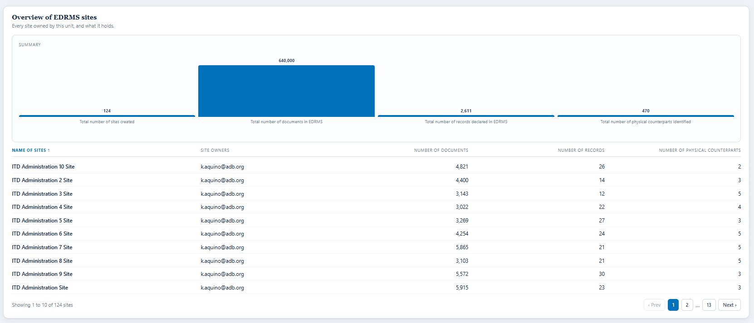

Card on screen | Item | Section | Decision | Clarifications? In simple terms | Feasible? If not, what needs to be clarified?
Total number of sites created | #20 | Overview Of Edrms Sites | Agreed | Total sites created, for the unit. | Feasible.
Total number of documents in EDRMS | #21 | Overview Of Edrms Sites | Agreed | Total documents in EDRMS, for the unit. | Feasible.
Total number of records declared in EDRMS | #22 | Overview Of Edrms Sites | Agreed | Total records declared in EDRMS, for the unit. | Feasible.
Total number of physical counterparts identified | #23 | Overview Of Edrms Sites | Agreed | Total physical counterparts identified, for the unit. | Feasible.
Name of sites | #25 | Overview Of Edrms Sites | Agreed | Name of each site. | Feasible.
Site owners | #26 | Overview Of Edrms Sites | Agreed | Site owners. | Feasible. Cloud Governance carries a Primary Business Owner on all 1,032 EDRMS sites, against 19 sites with no owner in the SharePoint export.
Number of documents | #27 | Overview Of Edrms Sites | Agreed | Number of documents per site. | Feasible.
Number of records | #28 | Overview Of Edrms Sites | Agreed | Number of records per site. | Feasible.
Number of physical counterparts | #29 | Overview Of Edrms Sites | Agreed | Number of physical counterparts per site. | Feasible.

Breakdown: users and activity

Card on screen | Item | Section | Decision | Clarifications? In simple terms | Feasible? If not, what needs to be clarified?
Total number of active users | #12 | Users And Activity | Agreed | Total active users for the unit. | Feasible. Source: Cloud Governance plus SharePoint activity.
Used EDRMS in the last 180 days | #13 | Users And Activity | Agreed | Users who used EDRMS in the last 180 days. | Feasible. Source: Cloud Governance plus SharePoint activity. 180 days is the longest window the report serves.
Training completion rate (%) | #19 | Users And Activity | Agreed with Changes | Keep for RAC compliance monitoring by the selected grouping. Use authoritative training sources where available and allow controlled manual updates until an integration exists. | Partly feasible. Same dependency as Bank-wide item 30: RAC must confirm where the training completion list lives, how often it is updated and whether it carries email addresses. Shown as Not captured until then.

Breakdown: site visits

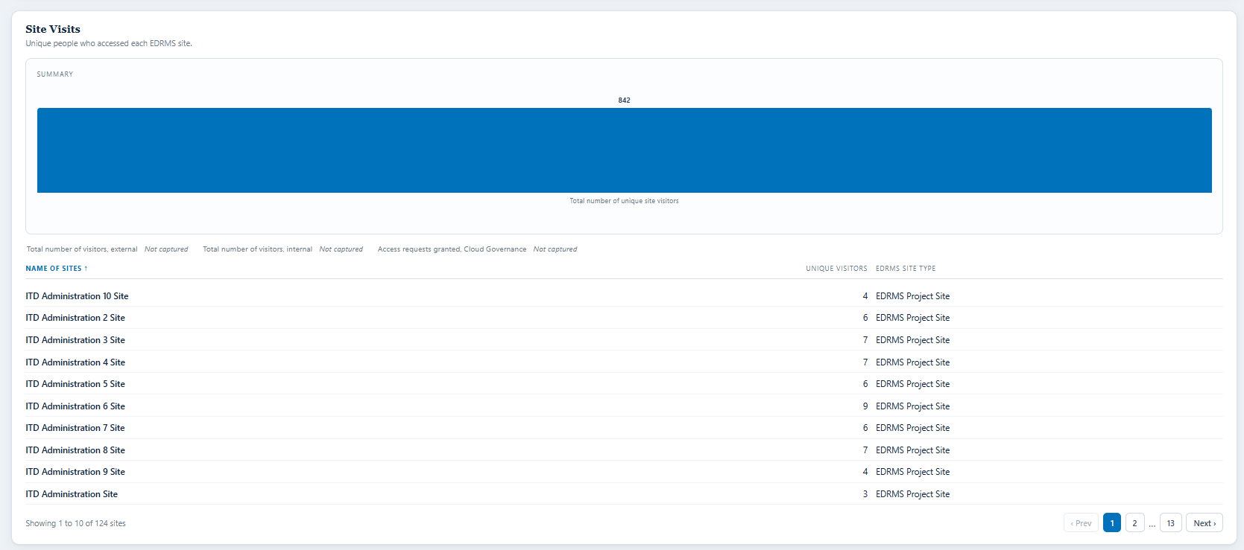

Card on screen | Item | Section | Decision | Clarifications? In simple terms | Feasible? If not, what needs to be clarified?
Site visits table, by site | #32 | Site Visits | Agreed | The site visits table, one row per site. | Feasible. Source: SharePoint activity.
EDRMS Site Type | #38 | Site Visits | Agreed | EDRMS site type per site. | Feasible. Source: EDRMS DB and Cloud Governance. In the test tenant all 1,032 rows carry the single value EDRMS Project Site.
Total number of visitors (external) (#, %) | #39 | Site Visits | Agreed | Number and share of external visitors, meaning non-ADB people who accessed the site. Same basis as item 4. | Needs a source that identifies a user as internal or external. Cloud Governance guest user report identifies guests; a UPN domain test would identify the rest. Neither has been run per site, so it reads Not captured.
Total number of visitors (internal) (#, %) | #40 | Site Visits | Agreed | Number and share of internal visitors. | Same dependency as item 39. Reads Not captured until the internal and external test is run.
Total number of access requests granted (#, %) | #41 | Site Visits | Needs Clarification | Question was what this means. Count of access requests granted, usable as a basis for reviewing how restricted a library is. | Partly feasible, and it must be scoped. Cloud Governance holds a Request report with Status, Approval Stage, Request Type and Target Object, so requests routed through Cloud Governance can be counted. Native SharePoint access requests need audit log data, a different Graph surface, cut from scope earlier as S/N 120. RAC to accept the narrower scope.

Breakdown: total number of documents in EDRMS

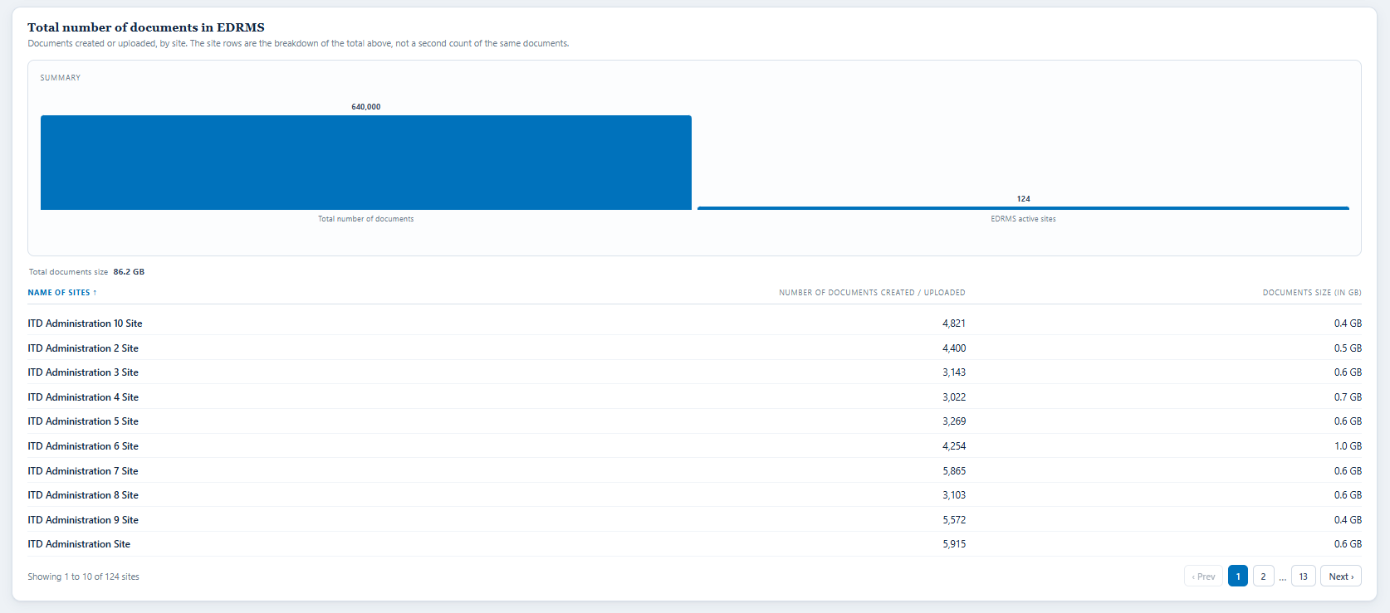

Card on screen | Item | Section | Decision | Clarifications? In simple terms | Feasible? If not, what needs to be clarified?
Number of documents created / uploaded | #43 | Total Number Of Documents In Edrms | Agreed | Number of documents created or uploaded. | Feasible.
EDRMS Active Sites | #44 | Total Number Of Documents In Edrms | Agreed | EDRMS active sites for the unit. | Feasible.
Total documents size | #45 | Total Number Of Documents In Edrms | Agreed | Total documents size. | Feasible. Source: Cloud Governance Storage Used (GB).
Name of sites | #46 | Total Number Of Documents In Edrms | Agreed | Name of each site in the documents table. | Feasible.
Number of documents created / uploaded | #47 | Total Number Of Documents In Edrms | Agreed with Changes | Show the document count per site as the breakdown of item 43. Make sure it is not a duplicate of the same metric shown elsewhere. | Feasible. The panel now says the site rows are the breakdown of the total above rather than a second count.
Documents size (in GB) | #48 | Total Number Of Documents In Edrms | Agreed | Documents size in GB per site. Keep if feasible, otherwise remove. | Feasible, so kept. Same source and the same folder-size warning as Bank-wide item 33.
Number of users creating documents | #49 | Total Number Of Documents In Edrms | Agreed | Number of users creating documents, related to item 43. | Needs the same check as Bank-wide item 34: whether SharePoint can distinguish people creating from people uploading.

Breakdown: records declaration

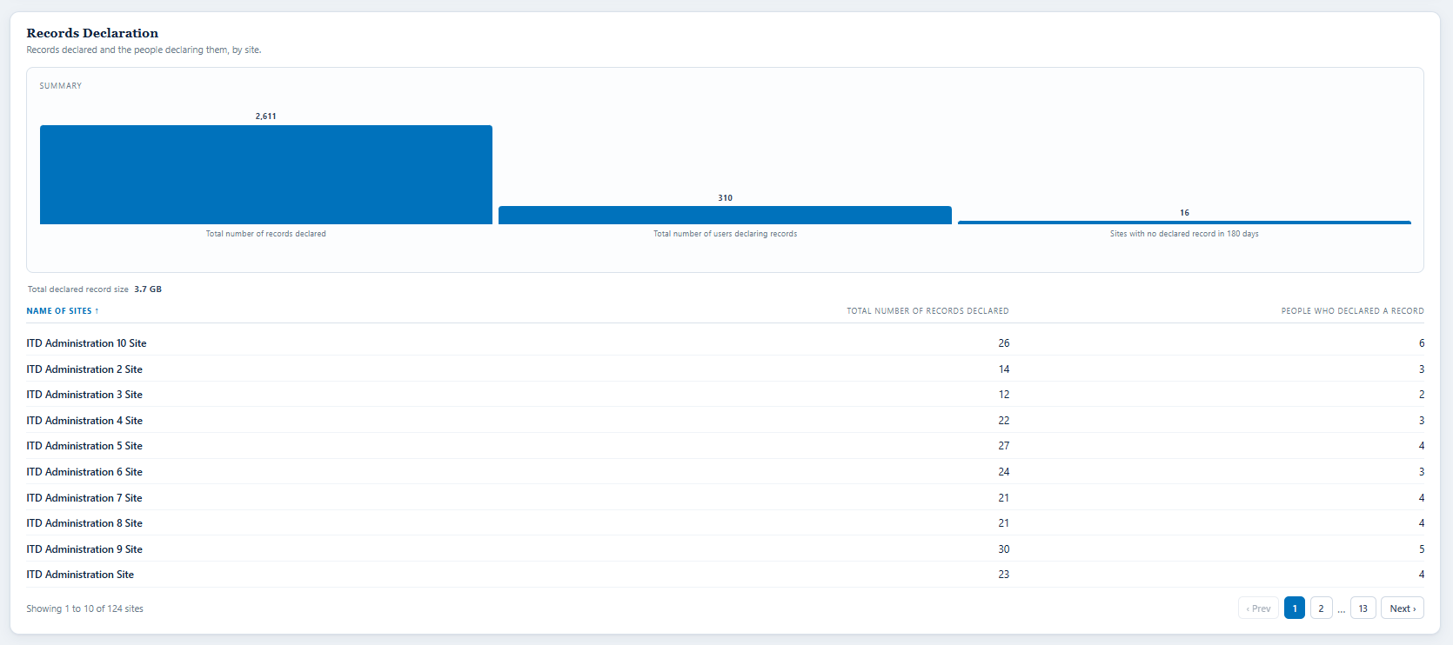

Card on screen | Item | Section | Decision | Clarifications? In simple terms | Feasible? If not, what needs to be clarified?
Total number of records declared | #50 | Records Declaration | Agreed | Total records declared for the unit. | Feasible.
Total number of users declaring records | #51 | Records Declaration | Agreed | Total number of users declaring records. | Feasible.
Sites with no declared record in 180 days | #52 | Records Declaration | Agreed | Sites with no declared record in 180 days. | Feasible, and a useful compliance signal: a site designated EDRMS with no declarations is exactly the gap worth reporting.
Total number of records declared | #53 | Records Declaration | Agreed | Total records declared, per site. | Feasible.
Total number of users declaring records | #54 | Records Declaration | Agreed | Total number of users declaring records, per site. | Feasible.
Total declared record size (in GB) | #55 | Records Declaration | Agreed | Total declared record size in GB. Keep if feasible, otherwise remove. | Feasible, so kept.
Number of records declared per division | #56 | Records Declaration | Agreed with Changes | Replace division with Department / Office / RM / RO. | Not feasible as division: the Cloud Governance Division column is empty on all 1,032 sites, all 286 users and all 676 groups. Feasible as Department / Office / RM / RO.
Number of users declaring records per division | #57 | Records Declaration | Agreed with Changes | Replace division with Department / Office / RM / RO, and count unique declarers for the selected grouping. | Same as item 56. Attribute the declarer through the site's unit, since users carry no unit of their own.

Breakdown: physical counterpart

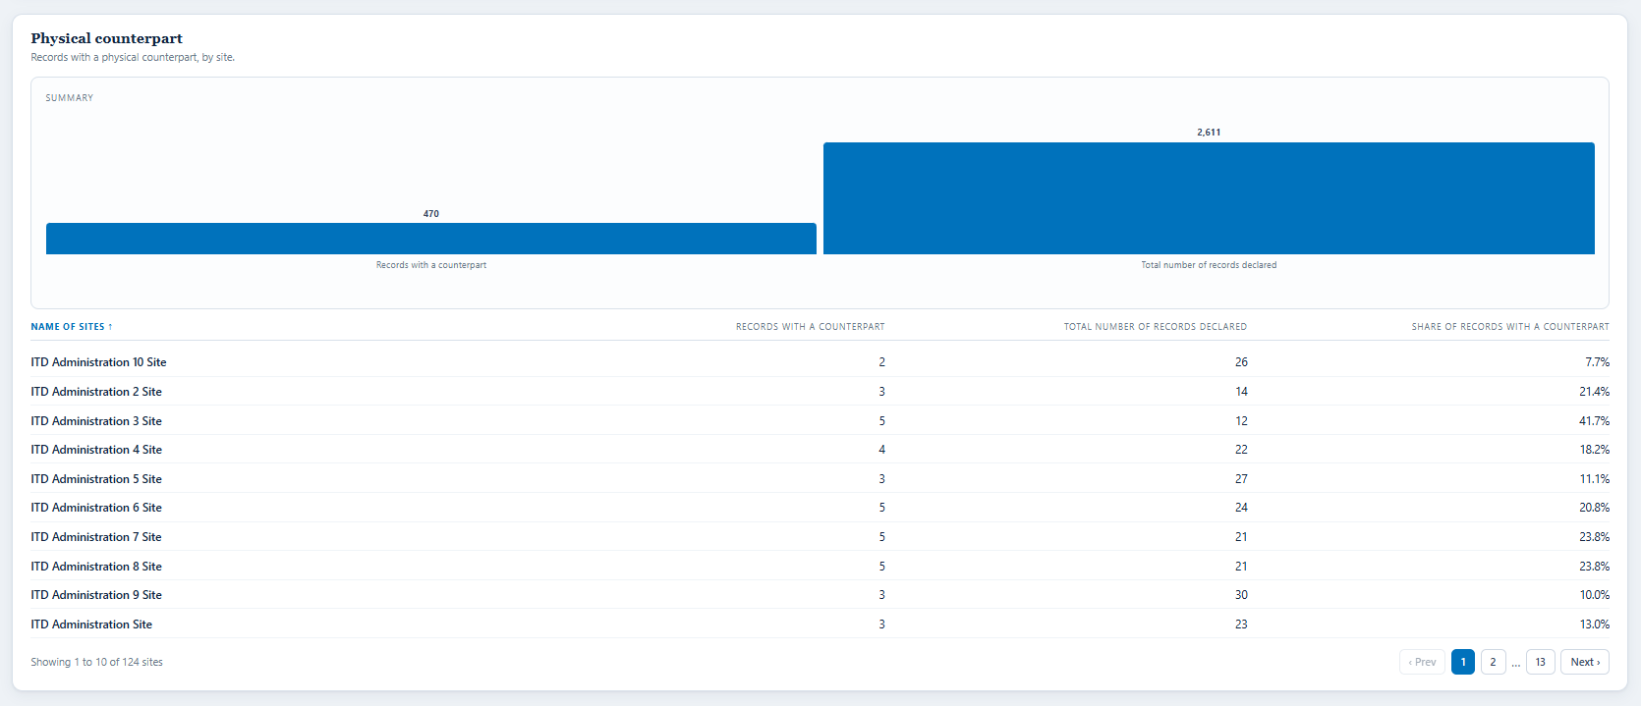

Card on screen | Item | Section | Decision | Clarifications? In simple terms | Feasible? If not, what needs to be clarified?
Records with a counterpart | #58 | Physical Counterpart | Agreed | Records with a physical counterpart. | Feasible.
Total number of records declared | #59 | Physical Counterpart | Agreed | Total records declared, as the base for the share. | Feasible.
Records with a counterpart, by site | #60 | Physical Counterpart | Agreed | Records with a counterpart, by site. | Feasible.
Total number of records declared | #61 | Physical Counterpart | Agreed | Total records declared, by site. | Feasible.
Share of records with a counterpart | #62 | Physical Counterpart | Agreed | Share of records with a counterpart, physical against declared. | Feasible. Shown with both bases beside it so the percentage can be checked.

Panel: departmental library usage

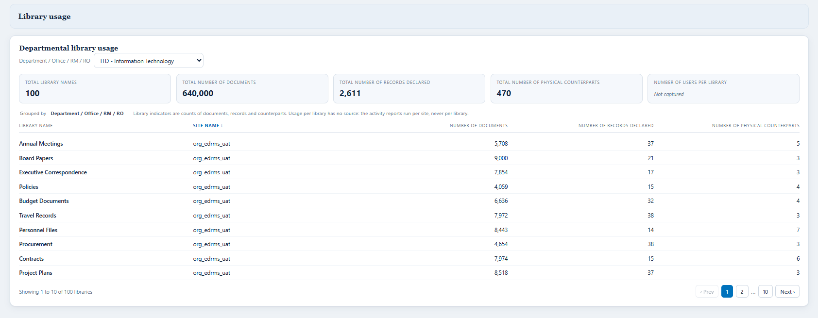

Card on screen | Item | Section | Decision | Clarifications? In simple terms | Feasible? If not, what needs to be clarified?
Library names | #77 | Departmental Library Usage, One Per File Plan Category | Agreed | Library names. | Feasible.
Number of documents | #78 | Departmental Library Usage, One Per File Plan Category | Agreed | Number of documents per library. | Feasible.
Number of records declared | #79 | Departmental Library Usage, One Per File Plan Category | Agreed | Number of records declared per library. | Feasible.
Number of physical counterparts | #80 | Departmental Library Usage, One Per File Plan Category | Agreed | Number of physical counterparts per library. | Feasible.
Number of users per library | #81 | Departmental Library Usage, One Per File Plan Category | Agreed | Number of users per library. | Not feasible today. No per-library activity feed exists; the activity reports run per site and never per library. Reads Not captured. This is the same limit that removed the most-used-libraries tile earlier.
Indicators per library, per division | #82 | Departmental Library Usage, One Per File Plan Category | Needs Clarification | Replace division with Department / Office / RM / RO. Library indicators are counts of documents, records and counterparts. | Not feasible as division, and not feasible as usage. Counts per library are feasible; usage per library is not, for the reason in item 81.

Not on screen: removed or deferred by RAC
These items are not on any screenshot above because RAC removed or deferred them. They are listed so the summary covers every decision, and so nothing comes back by accident.

Card on screen | Item | Section | Decision | Clarifications? In simple terms | Feasible? If not, what needs to be clarified?
Total number of records due for disposal | #8 | Department Profile | Deferred | Deferred until the Records Disposition feature is released. | Same definition gap as Bank-wide item 6.
No access in EDRMS compliant sites, last 180 days | #14 | Users And Activity | Not Required | Removed as duplicative of the agreed inactivity measure in item 13. | Feasible, it is simply the opposite of item 13, but not required.
Never accessed EDRMS compliant sites | #15 | Users And Activity | Not Required | Removed. The available reporting window cannot support the word never, and item 13 gives the inactivity view. | Not feasible as worded. 180 days is the longest window any source serves.
Total number of staff | #16 | Users And Activity | Deferred | Deferred, to align with Bank-wide items 27 to 29. | Not feasible. No employment type in any source we hold.
Total number of contractors (#, %) | #17 | Users And Activity | Deferred | Deferred, to align with Bank-wide items 27 to 29. | Not feasible. See item 16.
Total number of consultants (#, %) | #18 | Users And Activity | Deferred | Deferred, to align with Bank-wide items 27 to 29. | Not feasible. See item 16.
Total number of records due for disposal within 12 months | #24 | Overview Of Edrms Sites | Deferred | Deferred to the Retention and Disposal dashboard. | Feasible in principle, held on the same definition gap.
Number of records due for disposal | #30 | Overview Of Edrms Sites | Deferred | Deferred to the Retention and Disposal dashboard. | Same definition gap as Bank-wide item 6.
Total number of visitors | #31 | Site Visits | Not Required | Removed. Same measure as item 4. | Not required.
Page View Count | #33 | Site Visits | Not Required | Removed. | Feasible from SharePoint activity, but not required.
Visited Page Count | #34 | Site Visits | Not Required | Removed. | Feasible from SharePoint activity, but not required.
Name of sites | #35 | Site Visits | Not Required | Removed. Same as item 32. | Not required.
Page View Count | #36 | Site Visits | Not Required | Removed. | Feasible from SharePoint activity, but not required.
Visited Page Count | #37 | Site Visits | Not Required | Removed. | Feasible from SharePoint activity, but not required.
Total number of access requests denied (#, %) | #42 | Site Visits | Not Required | Removed. Only granted requests are wanted, item 41. | Would need the same scoping as item 41.
Per division, two columns | #63 | Physical Counterpart | Not Required | Remove the separate division columns. | Division has no source.
Physical counterpart completion rate (turned over to RAC) | #64 | Physical Counterpart | Deferred | Deferred until the physical records capability records handover to RAC. | Out of scope. Needs the Physical Records feature release.
Records due for disposal within 3 months | #65 | Disposal | Deferred | Deferred until the Records Disposition feature is released. | Feasible in principle, held on the feature.
Records due for disposal within 6 months | #66 | Disposal | Deferred | Deferred until the Records Disposition feature is released. | Feasible in principle, held on the feature.
Records due for disposal within 12 months | #67 | Disposal | Deferred | Deferred until the Records Disposition feature is released. | Feasible in principle, held on the feature.
Number of records due for disposal | #68 | Disposal | Deferred | Deferred until the Records Disposition feature is released. | Same definition gap as Bank-wide item 6.
Next due date for disposal | #69 | Disposal | Deferred | Deferred until the Records Disposition feature is released. | Depends on the definition above.
With physical counterpart? | #70 | Disposal | Deferred | Deferred until the Records Disposition feature is released. | Depends on the definition above.
Disposal approver | #71 | Disposal | Deferred | Deferred until the Records Disposition feature is released. | Out of scope. Needs the Records Disposition feature release.
Status (Approved) | #72 | Disposal | Deferred | Deferred until the Records Disposition feature is released. | Out of scope. Needs the Records Disposition feature release.
Status (Declined) | #73 | Disposal | Deferred | Deferred until the Records Disposition feature is released. | Out of scope. Needs the Records Disposition feature release.
Status (Extended) | #74 | Disposal | Deferred | Deferred until the Records Disposition feature is released. | Out of scope. Needs the Records Disposition feature release.
Total number of records disposed, per year and month | #75 | Disposal | Deferred | Deferred until the Records Disposition feature is released. | Out of scope. Needs the Records Disposition feature release.
Total disposed record size (in GB) | #76 | Disposal | Deferred | Deferred until the Records Disposition feature is released. | Out of scope. Needs the Records Disposition feature release.
Programme dates | #83 | Other Panels On This Dashboard | Deferred | Deferred. RAC to finalise which programmes are included, for example go-live and site audit. | No source. RAC maintains the list.

