Visualizaciones
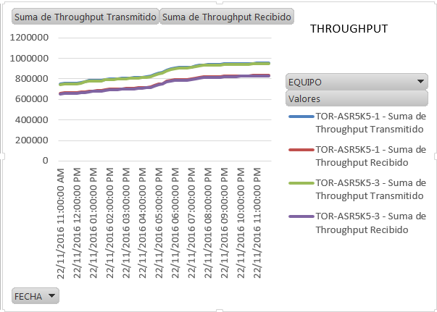
 | Medición de Desempeño y Capacidades
 | Plataforma: EPDG-SAMOG
 | Proveedor: Cisco
 | Jefatura Performance de Red - Dirección de Ingeniería y Calidad de Red

ACTUAL |  | NUEVO

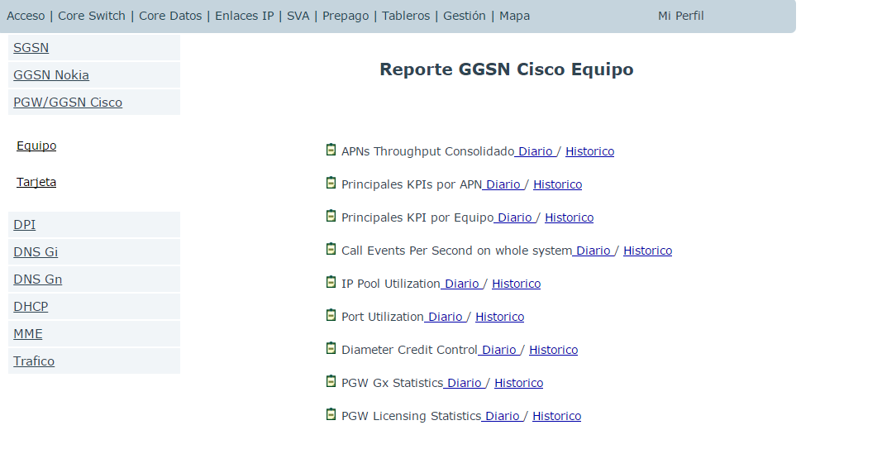
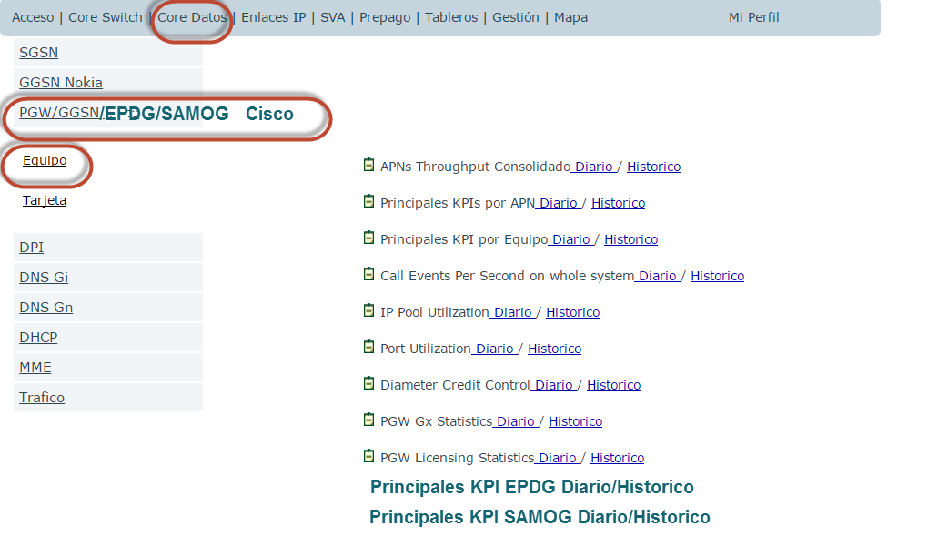

DENTRO DE PRINCIPALES KPI EPDG HISTORICO |  |  | DENTRO DE PRINCIPALES KPI SAMOG HISTORICO

PDN |  |  | PDN

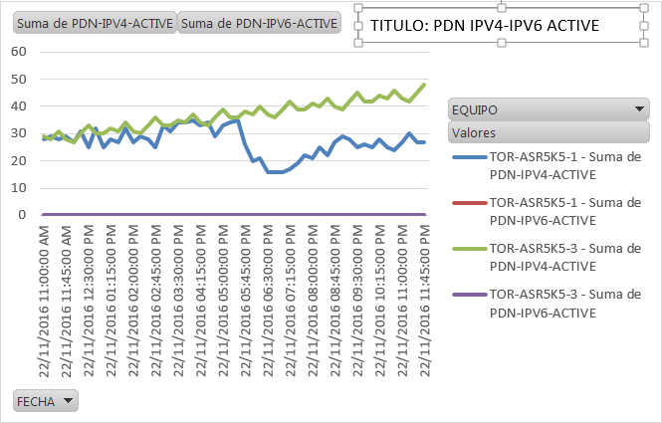
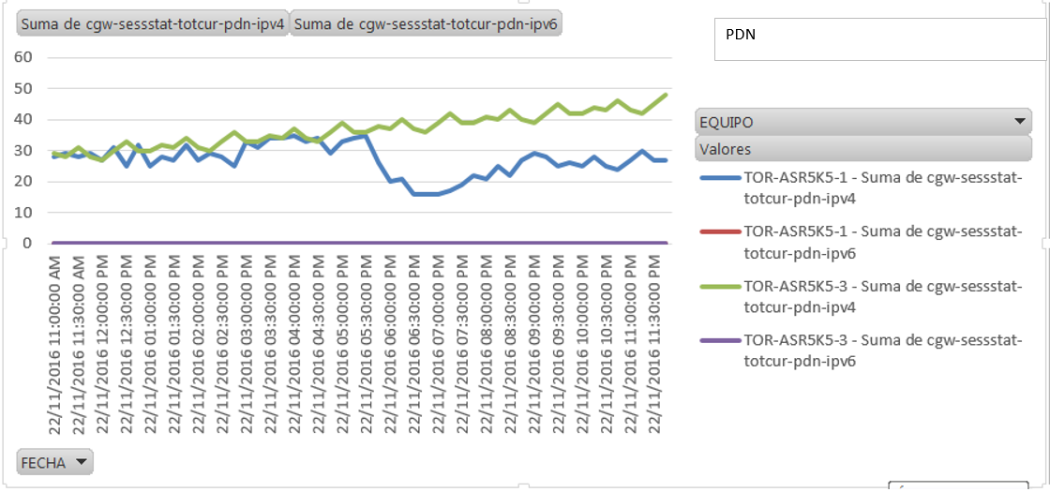

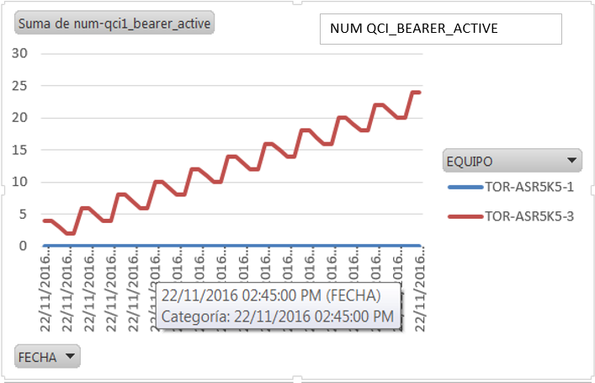

 |  |  | THROUGHPUT

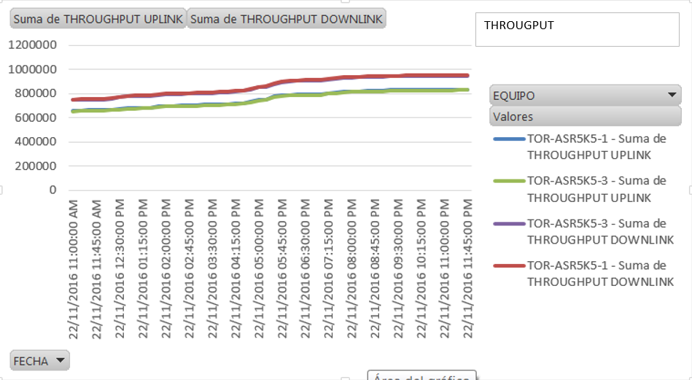

THROUGHPUT

Hoja3
 | Etiquetas de columna
 | TOR-ASR5K5-1 |  | TOR-ASR5K5-3 |  | Total Suma de cgw-sessstat-totcur-pdn-ipv4 | Total Suma de cgw-sessstat-totcur-pdn-ipv6
Etiquetas de fila | Suma de cgw-sessstat-totcur-pdn-ipv4 | Suma de cgw-sessstat-totcur-pdn-ipv6 | Suma de cgw-sessstat-totcur-pdn-ipv4 | Suma de cgw-sessstat-totcur-pdn-ipv6
22/11/2016 | 28 | 0 | 29 | 0 | 57 | 0
22/11/2016 | 29 | 0 | 28 | 0 | 57 | 0
22/11/2016 | 28 | 0 | 31 | 0 | 59 | 0
22/11/2016 | 29 | 0 | 28 | 0 | 57 | 0
22/11/2016 | 27 | 0 | 27 | 0 | 54 | 0
22/11/2016 | 31 | 0 | 30 | 0 | 61 | 0
22/11/2016 | 25 | 0 | 33 | 0 | 58 | 0
22/11/2016 | 32 | 0 | 30 | 0 | 62 | 0
22/11/2016 | 25 | 0 | 30 | 0 | 55 | 0
22/11/2016 | 28 | 0 | 32 | 0 | 60 | 0
22/11/2016 | 27 | 0 | 31 | 0 | 58 | 0
22/11/2016 | 32 | 0 | 34 | 0 | 66 | 0
22/11/2016 | 27 | 0 | 31 | 0 | 58 | 0
22/11/2016 | 29 | 0 | 30 | 0 | 59 | 0
22/11/2016 | 28 | 0 | 33 | 0 | 61 | 0
22/11/2016 | 25 | 0 | 36 | 0 | 61 | 0
22/11/2016 | 33 | 0 | 33 | 0 | 66 | 0
22/11/2016 | 31 | 0 | 33 | 0 | 64 | 0
22/11/2016 | 34 | 0 | 35 | 0 | 69 | 0
22/11/2016 | 34 | 0 | 34 | 0 | 68 | 0
22/11/2016 | 35 | 0 | 37 | 0 | 72 | 0
22/11/2016 | 33 | 0 | 34 | 0 | 67 | 0
22/11/2016 | 34 | 0 | 33 | 0 | 67 | 0
22/11/2016 | 29 | 0 | 36 | 0 | 65 | 0
22/11/2016 | 33 | 0 | 39 | 0 | 72 | 0
22/11/2016 | 34 | 0 | 36 | 0 | 70 | 0
22/11/2016 | 35 | 0 | 36 | 0 | 71 | 0
22/11/2016 | 26 | 0 | 38 | 0 | 64 | 0
22/11/2016 | 20 | 0 | 37 | 0 | 57 | 0
22/11/2016 | 21 | 0 | 40 | 0 | 61 | 0
22/11/2016 | 16 | 0 | 37 | 0 | 53 | 0
22/11/2016 | 16 | 0 | 36 | 0 | 52 | 0
22/11/2016 | 16 | 0 | 39 | 0 | 55 | 0
22/11/2016 | 17 | 0 | 42 | 0 | 59 | 0
22/11/2016 | 19 | 0 | 39 | 0 | 58 | 0
22/11/2016 | 22 | 0 | 39 | 0 | 61 | 0
22/11/2016 | 21 | 0 | 41 | 0 | 62 | 0
22/11/2016 | 25 | 0 | 40 | 0 | 65 | 0
22/11/2016 | 22 | 0 | 43 | 0 | 65 | 0
22/11/2016 | 27 | 0 | 40 | 0 | 67 | 0
22/11/2016 | 29 | 0 | 39 | 0 | 68 | 0
22/11/2016 | 28 | 0 | 42 | 0 | 70 | 0
22/11/2016 | 25 | 0 | 45 | 0 | 70 | 0
22/11/2016 | 26 | 0 | 42 | 0 | 68 | 0
22/11/2016 | 25 | 0 | 42 | 0 | 67 | 0
22/11/2016 | 28 | 0 | 44 | 0 | 72 | 0
22/11/2016 | 25 | 0 | 43 | 0 | 68 | 0
22/11/2016 | 24 | 0 | 46 | 0 | 70 | 0
22/11/2016 | 27 | 0 | 43 | 0 | 70 | 0
22/11/2016 | 30 | 0 | 42 | 0 | 72 | 0
22/11/2016 | 27 | 0 | 45 | 0 | 72 | 0
22/11/2016 | 27 | 0 | 48 | 0 | 75 | 0
Total general | 1404 | 0 | 1911 | 0 | 3315 | 0

