Dev Dataset
Dev Dataset

avg_pre_spent | avg_Actual_spent
763.89473746 | 812.92551205
626.94131363 | 600.36498494
553.00590044 | 527.88435045
492.5540435 | 465.22954819
441.64631169 | 430.83839639
398.42951657 | 393.35691118
359.96411722 | 346.59230482
328.26316369 | 338.38840725
292.12860202 | 322.04860843
228.39782625 | 247.53606024

Test dataset
Test Dataset
avg_pre_spent | avg_Actual_spent
789.58550692 | 834.86596341
619.78564961 | 606.83536585
541.17041519 | 507.34827869
472.97768141 | 442.92829268
415.88494192 | 406.3457377
372.5791108 | 374.78357724
341.22511613 | 348.98508197
309.69261595 | 293.53831545
270.97682818 | 298.92307541
212.00355505 | 231.26549593

Residual Graph
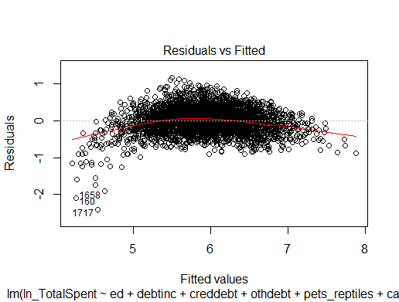
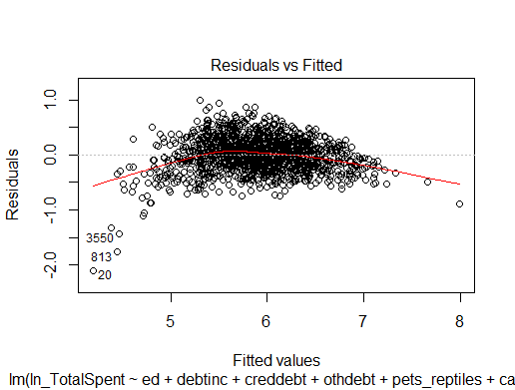
Train DataSet | Test Dataset

