Sheet1
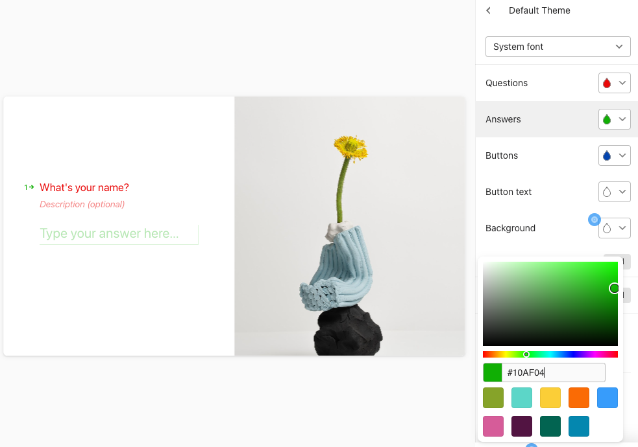
ID | Question | AnswerType | AnswerChoices | Logic | Design
1 | Welcome to our Pizza Order Form! | Statement | Start | GOTO: 2 | { BG_COLOR: #FFF, IMG : { src:image_test.jpg, position:right} , Question : {font: { size: 24, color: #FFF}}, Answer : {font: { size: 24, color: #FFF}}, }
2 | What's your name? | Input |  | GOTO: 3
3 | Hi @2, What pizza size do you prefer? | Picture Choice | Small: $10, Medium: $15, Large: $20 | SET (@Pizza.size[]) SET (@Small.price=10) SET (@Medium.price=15) SET (@Large.price=20) IF (#Small) THEN (ADD) 10 (TO) (@Price) IF (#Medium) THEN (ADD) 15 (TO) (@Price) IF (#Large) THEN (ADD) 20 (TO) (@Price) GOTO: 4 | Layout: Grid Direction: Horizontal Alignment: Center BG_COLOR: #FFF
4 | Choose your toppings: | Picture Choice with Multiple Selection | Pepperoni: $3, Mushrooms: $2, Cheese: $1.5 min:1 ; max:2 | SET (@Pizza.toppings[]) IF (#Pepperoni) THEN (ADD) 3 (TO) (@Price) IF (#Mushrooms) THEN (ADD) 2 (TO) (@Price) IF (#Cheese) THEN (ADD) 1.5 (TO) (@Price) GOTO: 5
5 | Would you like to add another pizza? | Yes/No | Yes, No | IF (#Yes) THEN (GOTO: 3) ELSE (GOTO: 6)
6 | Would you like to add beverages? | Yes/No | Yes, No | IF (#Yes) THEN (GOTO: 7) ELSE (GOTO: 10)
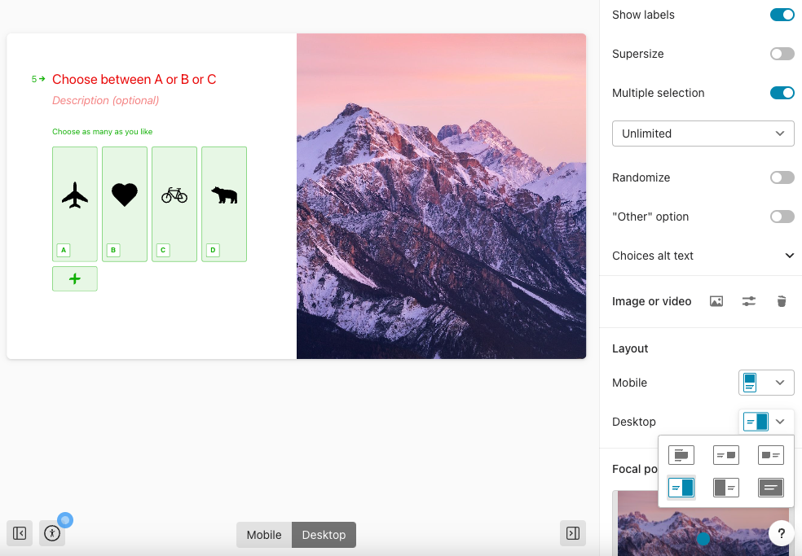
7 | Select beverages: | Picture Choice | Cola: $2, Water: $1, Juice: $2.5 | SET (@Beverage[]) SET (@Cola.price=2) SET (@Water.price=1) SET (@Juice.price=2.5) GOTO: 8
8 | How many {@7} would you like? | Number |  | SET (@Beverage.quantity[]) THEN (MULTIPLY) (@Beverage.quantity) (BY) (@Beverage.price) (ADD) (TO) (@Price) GOTO: 9
9 | Add another beverage? | Yes/No | Yes, No | IF (#Yes) THEN (GOTO: 7) ELSE (GOTO: 10)
10 | Would you like to add desserts? | Yes/No | Yes, No | IF (#Yes) THEN (GOTO: 11) ELSE (GOTO: 14)
11 | Select desserts: | Picture Choice | Ice Cream: $2, Coffee: $1.5, Cake: $3 | SET (@Dessert[]) GOTO: 12
12 | How many {@Dessert} would you like? | Number |  | SET (@Dessert.quantity) THEN (MULTIPLY) (@Dessert.quantity) (BY) (@Dessert.price) (ADD) (TO) (@Price) GOTO: 13
13 | Add another dessert? | Yes/No | Yes, No | IF (#Yes) THEN (GOTO: 11) ELSE (GOTO: 14)
14 | Review your order: \n Pizza Size: {@Pizza.size}\n Toppings: {@Pizza.toppings}\n Beverages: {@Beverage} x {@Beverage.quantity}\n Desserts: {@Dessert} x {@Dessert.quantity}\n Total: {@Price} Would you like to place your order? | Multichoice | Yes, Modify_Pizza, Modify_Beverage, Modify_Dessert | IF (#Yes) THEN (GOTO: 15) IF (#Modify_Pizza) THEN (GOTO: 3) IF (#Modify_Beverage) THEN (GOTO: 7) IF (#Modify_Dessert) THEN (GOTO: 11)
15 | Your order has been submitted successfully! Thank you. | Thank You Screen

