Cover Page
Sip & Savor Beverage Co.
Simply refreshing, Irrestitable taste....
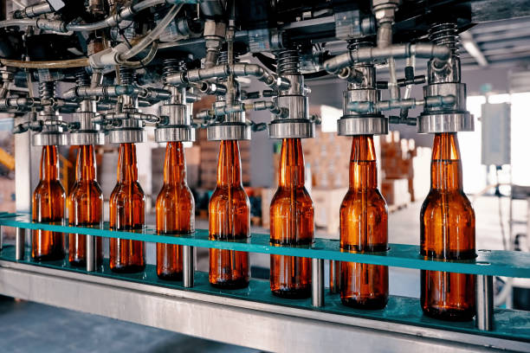

Five year Financial model
2024

Dashboard
Last Update: | 2025-02-22
Five year Financial model

Operating Performance
 | Sum of Revenue | Sum of COS | Sum of Gross Profit | Sum of Net Profit
2024 | 380,160,000 | 188,064,000 | 192,096,000 | 18,435,543
2025 | 423,705,600 | 205,482,240 | 218,223,360 | 39,622,876
2026 | 470,476,800 | 224,190,720 | 246,286,080 | 53,634,942
2027 | 547,992,000 | 255,196,800 | 292,795,200 | 80,571,881
2028 | 620,136,000 | 284,054,400 | 336,081,600 | 78,818,368
Financial Ratios
 | Sum of GP Margin | Sum of NP Margin | Sum of ROCE
2024 | 51% | 5% | 11%
2025 | 52% | 9% | 20%
2026 | 52% | 11% | 23%
2027 | 53% | 15% | 27%
2028 | 54% | 13% | 22%
₦586,192,896
Average Revenue

₦308,515,738
Average Gross Profit

Opex Item
 | Dep & Amort. | Employee cost | Other Expenses
2024 | 15,716,667 | 96,600,000 | 42,028,000
2025 | 15,716,667 | 96,600,000 | 37,445,280
2026 | 20,716,667 | 96,600,000 | 40,383,840
2027 | 23,916,667 | 96,600,000 | 44,379,600
2028 | 21,416,667 | 96,600,000 | 48,106,800
Opex
 | Total
Dep & Amort. | 97,483,333
Employee cost | 483,000,000
Other Expenses | 212,343,520

₦84,071,930
Average Net Profit

