Main
PACIFIC EARTHQUAKE ENGINEERING RESEARCH CENTER

WEIGHTED AVERAGE of 2014 NGA WEST-2 GMPEs
Last updated: 04 14 15
by Emel Seyhan, PhD, PEER & UCLA -- email: emel.seyhan@gmail.com, peer_center@berkeley.edu
This excel file will be updated as necessary on the PEER website to fix any typos or other errors. Please check the website frequently for new versions at: http://peer.berkeley.edu/ngawest2/databases/
 |  |  |  |  |  |  | Legend | Pre-defined option | Main input variable | Calculated variable | Input var. flag | Internal variable
GMPE averaging | Geometric | Weighted average of the natural logarithm of the spectral values
 |  |  |  |  |  |  | ASK14 | Abrahamson & Silva & Kamai 2014 NGA West-2 Model
GMPEs | ASK14 | BSSA14 | CB14 | CY14 | I14 |  | BSSA14 | Boore & Stewart & Seyhan & Atkinson 2014 NGA West-2 Model
Weight | 0.25 | 0.25 | 0.25 | 0.25 | 0 |  | CB14 | Campbell & Bozorgnia 2014 NGA West-2 Model
 |  |  |  |  |  |  | CY14 | Chiou & Youngs 2014 NGA West-2 Model
# of std. dev. | 1 |  |  |  |  |  | I14 | Idriss 2014 NGA West-2 Model
Damping ratio (%) | 5 | Modification factors are calculated in Sheet DSF

 |  | RotD50 Horizontal Component of PGA, PGV and IMs
Input variables | Errors and warnings |  |  | Baseline: 5% Damping |  |  |  | User defined: 5% Damping
 |  | GMP | T (s) | PSa Median for 5% damping | PSa Median + 1.σ for 5% damping | PSa Median - 1.σ for 5% damping | Sd Median for 5% damping | PSa Median for 5% damping | PSa Median + 1.σ for 5 % damping | PSa Median - 1.σ for 5 % damping | Sd Median for 5 % damping
Mw |  | PSa (g), Sd (cm) | 0.01 | 0.44115983734 | 0.80140888959 | 0.24284981688 | 0.0010951215039 | 0.44115983734 | 0.80140888959 | 0.24284981688 | 0.0010951215039
6.8 |  |  | 0.02 | 0.45171487509 | 0.82234343626 | 0.2481278738 | 0.0044852920096 | 0.45171487509 | 0.82234343626 | 0.2481278738 | 0.0044852920096 |  | Pseudo Spectral Acceleration (5% damping) (g)
 |  |  | 0.03 | 0.5019397838 | 0.92331608294 | 0.27286814474 | 0.011213997829 | 0.5019397838 | 0.92331608294 | 0.27286814474 | 0.011213997829
RRUP (km) |  |  | 0.05 | 0.64025098579 | 1.1990002877 | 0.34188592698 | 0.039733479971 | 0.64025098579 | 1.1990002877 | 0.34188592698 | 0.039733479971
3.16 |  |  | 0.075 | 0.80602352462 | 1.5376506494 | 0.42251074552 | 0.11254768932 | 0.80763557167 | 1.5407259507 | 0.42335576701 | 0.1127727847
 |  |  | 0.1 | 0.90702972946 | 1.7426590618 | 0.47209632002 | 0.22515824818 | 0.90884378892 | 1.7461443799 | 0.47304051266 | 0.22560856468
RJB (km) |  |  | 0.15 | 1.0187310362 | 1.9556375077 | 0.53067755142 | 0.56899492712 | 1.0207684982 | 1.9595487827 | 0.53173890652 | 0.57013291697
1 |  |  | 0.2 | 0.98492259357 | 1.8791415285 | 0.51623174764 | 0.97797652517 | 0.98590751617 | 1.88102067 | 0.51674797939 | 0.9789545017
 |  |  | 0.25 | 0.90087863754 | 1.7113204687 | 0.47424333106 | 1.3976957512 | 0.90448215209 | 1.7181657506 | 0.47614030438 | 1.4032865342
RX (km) |  |  | 0.3 | 0.80949697015 | 1.547598062 | 0.42342088736 | 1.8085231653 | 0.81030646712 | 1.54914566 | 0.42384430825 | 1.8103316885
1 |  |  | 0.4 | 0.66934418836 | 1.2914644974 | 0.34690976282 | 2.6584948208 | 0.67001353254 | 1.2927559619 | 0.34725667258 | 2.6611533156
 |  |  | 0.5 | 0.56046993016 | 1.0963570512 | 0.28651846793 | 3.4782329491 | 0.56103040009 | 1.0974534083 | 0.28680498639 | 3.481711182
Ry0 (km) | If unknown use 999 |  | 0.75 | 0.3897240751 | 0.78326174436 | 0.19391328097 | 5.4418441628 | 0.3897240751 | 0.78326174436 | 0.19391328097 | 5.4418441628
0 |  |  | 1 | 0.28768961692 | 0.58432587626 | 0.14164239348 | 7.1415178646 | 0.28740192731 | 0.58374155038 | 0.14150075109 | 7.1343763467
 |  |  | 1.5 | 0.17272869718 | 0.3525776915 | 0.084620222859 | 9.6474681711 | 0.17290142588 | 0.35293026919 | 0.084704843082 | 9.6571156392
VS30 (m/sec) |  |  | 2 | 0.11871747264 | 0.24241911155 | 0.058138313513 | 11.78802295 | 0.11848003769 | 0.24193427333 | 0.058022036886 | 11.764446904
760 |  |  | 3 | 0.070539305338 | 0.1438643128 | 0.034586712305 | 15.759412632 | 0.070398226728 | 0.14357658417 | 0.03451753888 | 15.727893807
 |  |  | 4 | 0.046851841933 | 0.094569932655 | 0.023211342452 | 18.608569595 | 0.046804990091 | 0.094475362722 | 0.023188131109 | 18.589961026
U (BSSA13) | 1: Unspecified fault mech. |  | 5 | 0.033440391023 | 0.067591201491 | 0.016544457372 | 20.752847499 | 0.033306629459 | 0.067320836685 | 0.016478279542 | 20.669836109
0 |  |  | 7.5 | 0.01603652112 | 0.032277749215 | 0.0079674083814 | 22.392316622 | 0.01603652112 | 0.032277749215 | 0.0079674083814 | 22.392316622
 |  |  | 10 | 0.0098521588277 | 0.019602676954 | 0.004951621342 | 24.456693649 | 0.0098226023512 | 0.019543868923 | 0.0049367664779 | 24.383323568
FRV | 1: reverse fault
0 |  | PGA (g) | 0 | 0.43645161292 | 0.7922217438 | 0.24045036874 | 0.0010834339536 | 0.44115983734 | 0.80140888959 | 0.24284981688 | 0.0010951215039
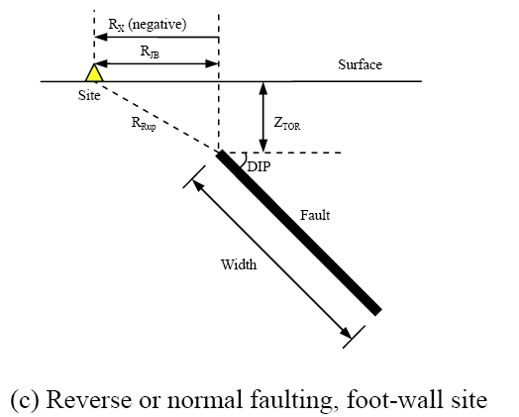
 |  | PGV (cm/s) | -1 | 38.272981014 | 69.880707348 | 20.961737957 | 0.095007661577 | NA | NA | NA | NA
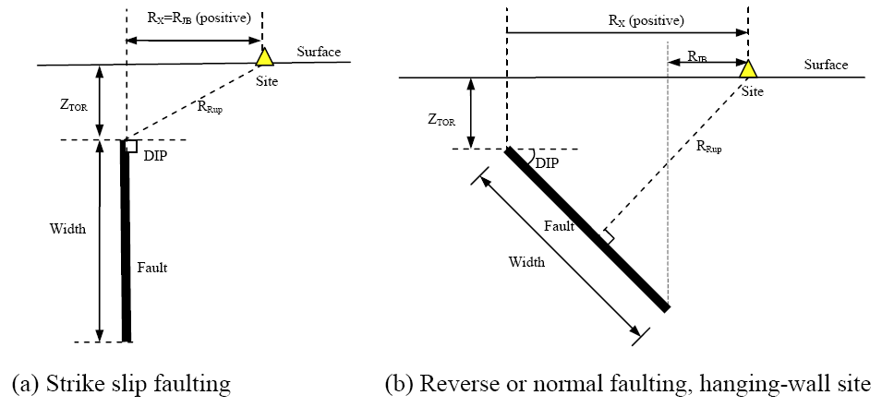
FNM | 1: normal fault
0

FHW | 1: hanging wall side
0

Dip (deg)
90

ZTOR (km) | If unknown use 999
0

ZHYP (km) | If unknown use 999
8
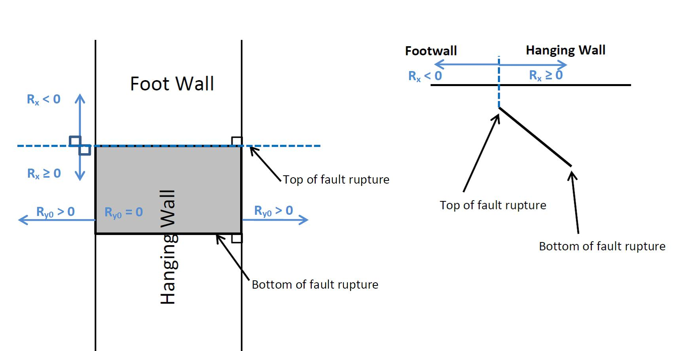
Courtesy: Jennifer Donahue
Z1.0 (km) | If unknown use 999
0.048

Z2.5 (km) | If unknown use 999
0.607

W (km) | If unknown use 999
10

Vs30Flag
inferred | Choose options for Vs30 from the list

FAS |  |  |  |  | Definition of Parameters
no | Aftershock effect is not applicable. |  |  |  | Damping ratio | = Viscous damping ratio (%) See Sanaz et al. (2012) PEER Report
 |  |  |  |  | PSA | = Pseudo-absolute acceleration response spectrum (g)
Region |  |  |  |  | PGA | = Peak ground acceleration (g)
California | Choose region from the list |  |  |  | PGV | = Peak ground velocity (cm/s)
 |  |  |  |  | Sd | = Relative displacement response spectrum (cm)
Calculated Variables/Flags |  |  |  |  | Mw | = Moment magnitude
 |  |  |  |  | RRUP | = Closest distance to coseismic rupture (km), used in ASK13, CB13 and CY13. See Figures a, b and c for illustation
DDPP | Always 0 for median calcs. |  |  |  | RJB | = Closest distance to surface projection of coseismic rupture (km). See Figures a, b and c for illustation
0 |  |  |  |  | RX | = Horizontal distance from top of rupture measured perpendicular to fault strike (km). See Figures a, b and c for illustation
 |  |  |  |  | Ry0 | = The horizontal distance off the end of the rupture measured parallel to strike (km)
PGAr (g) |  |  |  |  | VS30 | = The average shear-wave velocity (m/s) over a subsurface depth of 30 m
0.441 |  |  |  |  | U | = Unspecified-mechanism factor: 1 for unspecified; 0 otherwise
 |  |  |  |  | FRV | = Reverse-faulting factor: 0 for strike slip, normal, normal-oblique; 1 for reverse, reverse-oblique and thrust
ZBOT (km) (CB14) | Enter for default W calcs |  |  |  | FNM | = Normal-faulting factor: 0 for strike slip, reverse, reverse-oblique, thrust and normal-oblique; 1 for normal
15 |  |  |  |  | FHW | = Hanging-wall factor: 1 for site on down-dip side of top of rupture; 0 otherwise
 |  |  |  |  | Dip | = Average dip of rupture plane (degrees)
SS |  |  |  |  | ZTOR | = Depth to top of coseismic rupture (km)
1 | auto calculated |  |  |  | ZHYP | = Hypocentral depth from the earthquake
 |  |  |  |  | Z1.0 | = Depth to Vs=1 km/sec
Vs30Flag |  |  |  |  | Z2.5 | = Depth to Vs=2.5 km/sec
0 | inferred |  |  |  | W | = Fault rupture width (km)
 |  |  |  |  | Vs30flag | = 1 for measured, 0 for inferred Vs30
FAS |  |  |  |  | FAS | = 0 for mainshock; 1 for aftershock
0 | Aftershock effect is not applicable. |  |  |  | Region | = Specific regions considered in the models, Click on Region to see codes
 |  |  |  |  | DDPP | = Directivity term, direct point parameter; uses 0 for median predictions
Region |  |  |  |  | PGAr (g) | = Peak ground acceleration on rock (g), this specific cell is updated in the cell for BSSA14 and CB14, for others it is taken account for in the macros
0 | California |  |  |  | ZBOT (km) | = The depth to the bottom of the seismogenic crust
 |  |  |  |  | ZBOR(km) | = The depth to the bottom of the rupture plane
Option for Sa value |  |  |  |  | SS | = 1 for strike slip, automatically updated in the cell
1 | Weighted average of the natural logarithm of the spectral values

Input variables with defaults (If entered 999 as input):
 |  | Red colored value: The value is used in the code when input is unknown
DEFAULTs | USER defined | ASK14 | BSSA14 | CB14 | CY14 | I14
W (km) | 10.00 |  |  | 14.647
Z1.0 (km) | 0.048 | 0.048 |  |  | 0.041
dZ1.0 (km) | 0.007 |  | 0.007
Z2.5 (VS30=1100)(km) | 0.607 |  |  | 0.398
Z2.5 (VS30)(km) | 0.607 |  |  | 0.607
Zhyp (km) | 8.00 |  |  | 10.580
Ztor (km) | 0.00 |  |  | 0.353 | 0.353
ZBOR (km) | - |  |  | 15.000

ACKNOWLEDGEMENTS
Nick Gregor, Bechtel
Silvia Mazzoni, Consultant
Sanaz Rezaeian, USGS

All NGA West-2 participants are acknowledged for their constructive comments and feedback.

ASK14
ABRAHAMSON - SILVA - KAMAI NGA-WEST2 MODEL COEFFICIENTS [ASK14] (EQS 2014) & Dec13 Revisions (Kamai, pers. comm.):

Input variables | Errors and warnings |  |  | ASK_14 (M, Rrup, Rjb, Rx, Frv, Fnm, Fhw, FAS, Ztor, W, dip, Vs30, Z1, Ry0, Region, T)
 |  |  |  | Visual Basic Calculations
M |  | GMP | T (s) | Median | s
6.80 |  | PSa (g) | 0.01 | 0.4111 | 0.6388
 |  |  | 0.02 | 0.4214 | 0.6388
RRUP |  |  | 0.03 | 0.4466 | 0.6376
3.16 |  |  | 0.05 | 0.5082 | 0.6277
 |  |  | 0.075 | 0.6551 | 0.6267
RJB |  |  | 0.1 | 0.7922 | 0.6378
1.00 |  |  | 0.15 | 0.9858 | 0.6717
 |  |  | 0.2 | 0.9778 | 0.6759
RX |  |  | 0.25 | 0.8704 | 0.6801
1.00 |  |  | 0.3 | 0.7510 | 0.6885
 |  |  | 0.4 | 0.5787 | 0.6970
Ry0 |  |  | 0.5 | 0.4801 | 0.7054
0 |  |  | 0.75 | 0.3263 | 0.7182
 |  |  | 1 | 0.2419 | 0.7311
VS30 |  |  | 1.5 | 0.1528 | 0.7398
760 |  |  | 2 | 0.1094 | 0.7484
 |  |  | 3 | 0.0666 | 0.7398
FRV |  |  | 4 | 0.0471 | 0.7311
0 |  |  | 5 | 0.0351 | 0.7311
 |  |  | 7.5 | 0.0187 | 0.7311
FNM |  |  | 10 | 0.0112 | 0.7311
0
 |  | PGA (g) | 0 | 0.4111 | 0.6388
FHW |  | PGV (cm/s) | -1 | 35.8439 | 0.6360
0

d
90

ZTOR
0.0000

Z1.0
0.05

Z1.0 (AS calc)
0.048 | <- DEFAULT

W
10.00

Vs30flag | 1 if measured
0

FAS
0 | Aftershock effect is turned off.

Region
0

Input variables with defaults (If entered 999 as input):

Z1.0 (ASK calc)
0.048

BSSA14
BOORE - STEWART - SEYHAN - ATKINSON - NGA-WEST2 MODEL COEFFICIENTS [BSSA14] (EQS 2013) & sigma updates:

Input variables | Errors and warnings |  |  | BSSA_14 (M, Rjb, U, RS, NS, Vs30, Region, Z1, PGAr, T)
 |  |  |  | Visual Basic Calculations
M |  | GMP | T (s) | Median | s
6.80 |  | PSa (g) | 0.01 | 0.4436 | 0.6067
 |  |  | 0.020 | 0.4513 | 0.6097
RRUP (km) |  |  | 0.030 | 0.4871 | 0.6298
3.16 |  |  | 0.050 | 0.6241 | 0.6815
 |  |  | 0.075 | 0.7960 | 0.7148
RJB (km) |  |  | 0.10 | 0.9186 | 0.7088
1.00 |  |  | 0.15 | 1.0743 | 0.6625
 |  |  | 0.20 | 1.0644 | 0.6213
VS30 (m/s) |  |  | 0.25 | 0.9802 | 0.6082
760 |  |  | 0.30 | 0.8919 | 0.6059
 |  |  | 0.40 | 0.7424 | 0.6168
U | 0: Specified fault mech. |  | 0.50 | 0.6204 | 0.6395
0 |  |  | 0.75 | 0.4268 | 0.6765
 |  |  | 1.0 | 0.3131 | 0.6924
FRV |  |  | 1.5 | 0.1793 | 0.6945
0 |  |  | 2.0 | 0.1160 | 0.7001
 |  |  | 3.0 | 0.0678 | 0.7082
FNM |  |  | 4.0 | 0.0464 | 0.7080
0 |  |  | 5.0 | 0.0342 | 0.7065
 |  |  | 7.5 | 0.0174 | 0.6891
Z1 (km) | If unknown use 999 |  | 10.0 | 0.0108 | 0.6496
0.05
 |  | PGA (g) | 0 | 0.4410 | 0.6051
Region |  | PGV (cm/s) | -1 | 39.6637 | 0.6515
0

SS
1 | Auto calculated

Input variables with defaults (If entered 999 as input):

PGAr (g)
0.4410

dz1 | 0: DEFAULT
0.00669

Definition of Parameters

PSA
PGA
PGV
A1100
M
RRUP
RJB
RX
FRV
FNM
ZHYP
ZTOR
ZBOR
ZBOT
W
d
VS30
Z2.5
SJ
SJP
SCH

CB14
CAMPBELL-BOZORGNIA NGA-WEST2 MODEL COEFFICIENTS [CB14] (EQS 2013) & c0 updates:

Input variables | Errors and warnings |  |  | CB_14 (M, Rrup, Rjb, Rx, Frv, Fnm, Fhw,Ztor, W, del, Vs30, Z25, Zhyp, Wd, Zhypd, Region, A, T)
 |  |  |  | Visual Basic Calculations
M |  | GMP | T (s) | Median | s
6.80 |  | PSa (g) | 0.01 | 0.4984 | 0.5769
 |  |  | 0.020 | 0.5193 | 0.5805
RRUP |  |  | 0.030 | 0.6193 | 0.5904
3.16 |  |  | 0.050 | 0.8441 | 0.6051
 |  |  | 0.075 | 0.9839 | 0.6363
RJB |  |  | 0.10 | 0.9958 | 0.6510
1.00 |  |  | 0.15 | 0.9943 | 0.6458
 |  |  | 0.20 | 0.9031 | 0.6473
RX |  |  | 0.25 | 0.8279 | 0.6300
1.00 |  |  | 0.30 | 0.7489 | 0.6424
 |  |  | 0.40 | 0.6472 | 0.6491
VS30 |  |  | 0.50 | 0.5371 | 0.6652
760 |  |  | 0.75 | 0.3883 | 0.7120
 |  |  | 1.0 | 0.2957 | 0.7204
FRV |  |  | 1.5 | 0.1779 | 0.7231
0 |  |  | 2.0 | 0.1242 | 0.7112
 |  |  | 3.0 | 0.0763 | 0.7127
FNM |  |  | 4.0 | 0.0489 | 0.6833
0 |  |  | 5.0 | 0.0350 | 0.6934
 |  |  | 7.5 | 0.0149 | 0.7000
FHW |  |  | 10.0 | 0.0102 | 0.6976
0
 |  | PGA (g) | 0 | 0.4804 | 0.5753
d |  | PGV (cm/s) | -1 | 41.9872 | 0.5764
90

ZTOR | If unknown use 999
0.00

ZHYP | If unknown use 999
8.0000

Z2.5 | If unknown use 999
0.6070

W | If unknown use 999
10.0000

ZBOT
15.00

Region
0

Z2.5 (Vs30=1100)
0.6070

Input variables with defaults (If entered 999 as input):

A1100
0.4451

Z2.5 (Vs30) | Default
0.6068

ZTOR (M,F)
0.3530

Z2.5 (Vs30=1100)
0.3975

ZHYP ( M,ZBOR,ZTOR,d)
10.5797

W (M,ZBOT,ZTOR,d)
14.6470

ZBOR (W,d)
15.0000

CY14
CHIOU - YOUNGS NGA-WEST2 MODEL COEFFICIENTS [CY14] (DEC 2014, EQS):

Input variables | Errors and warnings |  |  | CY_14 (M, Rrup, Rjb, Rx, Vs30, Frv, Fnm, Fhw, del, Ztor, Region, Z1, DDPP, T)
 |  |  |  | Visual Basic Calculations
M |  | GMP | T (s) | Median | s
6.80 |  | PSa (g) | 0.010 | 0.4167 | 0.5655
 |  |  | 0.020 | 0.4216 | 0.5675
RRUP |  |  | 0.030 | 0.4711 | 0.5802
3.16 |  |  | 0.050 | 0.6275 | 0.5952
 |  |  | 0.075 | 0.8227 | 0.6058
RJB |  |  | 0.10 | 0.9340 | 0.6143
1.00 |  |  | 0.15 | 1.0228 | 0.6286
 |  |  | 0.20 | 1.0013 | 0.6396
RX |  |  | 0.25 | 0.9325 | 0.6483
1.00 |  |  | 0.30 | 0.8560 | 0.6554
 |  |  | 0.40 | 0.7219 | 0.6660
VS30 |  |  | 0.5 | 0.6168 | 0.6737
760 |  |  | 0.8 | 0.4266 | 0.6854
 |  |  | 1.0 | 0.3059 | 0.6904
FRV |  |  | 1.5 | 0.1826 | 0.6968
0 |  |  | 2.0 | 0.1260 | 0.6960
 |  |  | 3.0 | 0.0718 | 0.6902
FNM |  |  | 4.0 | 0.0451 | 0.6870
0 |  |  | 5.0 | 0.0298 | 0.6838
 |  |  | 7.5 | 0.0136 | 0.6778
FHW |  |  | 10.0 | 0.0076 | 0.6736
0
 |  | PGA (g) | 0 | 0.4167 | 0.5655
d |  | PGV (cm/s) | -1 | 35.9455 | 0.5443
90

ZTOR
0.0000

Z1.0 | If unknown use 999
0.048

Vs30flag
0

Region
0

DDPP
0

SJp-It
0

SWn
0

Input variables with defaults (If entered 999 as input):

ZTOR (M,F)
0.3530

Z1.0 (SJ,VS30)
0.0413

I14
IDRISS NGA-WEST2 MODEL COEFFICIENTS [I14] (MAY 2013, PEER REPORT 2013/08):

Input variables | Errors and warnings |  |  | I_14 (M, Rrup, F, Vs30, T)
 |  |  |  | Visual Basic Calculations
M |  | GMP | T (s) | Median | s
6.80 |  | PSa (g) | 0.010 | 0.4790 | 0.6671
 |  |  | 0.020 | 0.4921 | 0.6671
Rrup(km) |  |  | 0.030 | 0.5400 | 0.6671
3.16 |  |  | 0.050 | 0.5717 | 0.6671
 |  |  | 0.075 | 0.7379 | 0.6813
VS30 (m/s) |  |  | 0.10 | 0.8693 | 0.6914
760 |  |  | 0.15 | 0.9399 | 0.7056
 |  |  | 0.20 | 0.9288 | 0.7157
F |  |  | 0.25 | 0.8395 | 0.7235
0 |  |  | 0.30 | 0.7372 | 0.7299
 |  |  | 0.40 | 0.6005 | 0.7399
 |  |  | 0.50 | 0.5154 | 0.7477
 |  |  | 0.75 | 0.2989 | 0.7619
 |  |  | 1.0 | 0.2226 | 0.7720
 |  |  | 1.5 | 0.1356 | 0.7862
 |  |  | 2.0 | 0.0960 | 0.7963
 |  |  | 3.0 | 0.0749 | 0.8105
 |  |  | 4.0 | 0.0515 | 0.8105
 |  |  | 5.0 | 0.0431 | 0.8105
 |  |  | 7.5 | 0.0243 | 0.8105
 |  |  | 10.0 | 0.0136 | 0.8105

 |  | PGA (g) | 0 | 0.4790 | 0.6671
 |  | PGV (cm/s) | -1 | - | -

DSF
 | By: Sanaz Rezaeian (sanazr128@yahoo.com)
 | I.M. Idriss, Yousef Bozorgnia, Ken Campbell, Norm Abrahamson, Walt Silva

Damping Scaling Factor (DSF) calculation:

Definition:
DSF = (Pseudo-Spectral Acceleration for beta damping) / (Pseudo-Spectral Acceleration for 5% damping)

Model:
ln(DSF) = [ b0 + b1*ln(beta) + b2*((ln(beta))^2) ] + [ b3 + b4*ln(beta) + b5*((ln(beta))^2) ] * M + [ b6 + b7*ln(beta) + b8*((ln(beta))^2) ] * ln(Rrup+1) + epsilon
Stdv (ln(DSF)) = abs [ a0*ln(beta/5) + a1*((ln(beta/5))^2) ]

For the use of DSF in Main Sheet: It is assumed that standard deviation of GMPE is the same for 5% and B%

User Defined Parameters:
M= | 6.80 | (moment magnitude)
Rrup= | 3.16 | (closest distance, km)
beta= | 5 | (damping ratio, %)

T | b0 | b1 | b2 | b3 | b4 | b5 | b6 | b7 | b8 | a0 | a1 | SE of sigma | const. | M term | R term | ln(DSF) | DSF | if beta<=5 | if beta>5 | Stdv
0.01 | 1.73E-03 | -2.07E-04 | -6.29E-04 | 1.08E-06 | -8.24E-05 | 7.36E-05 | -1.07E-03 | 9.08E-04 | -2.02E-04 | -3.70E-03 | 2.30E-04 | 1.88E-04 | -2.32E-04 | 4.02E-04 | -0.00018798129736 | -1.85E-05 | 1 | 0.000 | 0.000 | 0.000
0.02 | 5.53E-02 | -3.77E-02 | 2.15E-03 | -4.30E-03 | 3.21E-03 | -3.32E-04 | -4.75E-03 | 2.52E-03 | 2.29E-04 | -2.19E-02 | 2.11E-03 | 4.99E-04 | 1.93E-04 | 4.30E-05 | -0.00014403398672 | 9.23E-05 | 1 | 0.000 | 0.000 | 0.000
0.03 | 1.22E-01 | -7.02E-02 | -2.28E-03 | -3.21E-03 | 6.91E-05 | 9.82E-04 | -1.30E-02 | 7.82E-03 | 2.27E-04 | -5.21E-02 | 4.60E-03 | 1.04E-03 | 3.11E-03 | -3.77E-03 | 0.00024775508251 | -4.15E-04 | 1 | 0.000 | 0.000 | 0.000
0.05 | 2.39E-01 | -1.06E-01 | -2.63E-02 | -8.57E-04 | -7.43E-03 | 4.87E-03 | -1.69E-02 | 8.08E-03 | 1.71E-03 | -9.57E-02 | 1.31E-03 | 4.70E-03 | 2.75E-04 | -1.36E-03 | 0.00076073311321 | -3.27E-04 | 1 | 0.000 | 0.000 | 0.000
0.075 | 3.05E-01 | -7.32E-02 | -7.29E-02 | 2.02E-04 | -1.64E-02 | 1.03E-02 | -9.26E-04 | -6.40E-03 | 4.42E-03 | -1.21E-01 | -5.79E-03 | 4.60E-03 | -1.64E-03 | 3.31E-03 | 0.00031743498229 | 1.99E-03 | 1.002 | 0.000 | 0.000 | 0.000
0.1 | 2.69E-01 | 4.18E-03 | -1.07E-01 | 5.80E-03 | -2.49E-02 | 1.34E-02 | 2.35E-02 | -2.37E-02 | 5.84E-03 | -1.24E-01 | -1.08E-02 | 3.80E-03 | -1.43E-03 | 2.96E-03 | 0.00068940385989 | 2.21E-03 | 1.002 | 0.000 | 0.000 | 0.000
0.15 | 1.41E-01 | 1.00E-01 | -1.18E-01 | 3.01E-02 | -4.09E-02 | 1.41E-02 | 3.16E-02 | -2.47E-02 | 3.15E-03 | -1.15E-01 | -1.14E-02 | 3.97E-03 | -3.71E-03 | 5.42E-03 | 8.9783271739E-06 | 1.72E-03 | 1.002 | 0.000 | 0.000 | 0.000
0.2 | 5.01E-02 | 1.45E-01 | -1.11E-01 | 4.69E-02 | -4.77E-02 | 1.18E-02 | 3.10E-02 | -2.29E-02 | 2.41E-03 | -1.08E-01 | -8.85E-03 | 4.64E-03 | -4.05E-03 | 4.73E-03 | 0.00055092116963 | 1.22E-03 | 1.001 | 0.000 | 0.000 | 0.000
0.25 | 2.28E-02 | 1.43E-01 | -9.73E-02 | 5.20E-02 | -4.70E-02 | 9.47E-03 | 2.71E-02 | -2.02E-02 | 1.31E-03 | -1.04E-01 | -7.35E-03 | 4.66E-03 | 9.14E-04 | 6.03E-03 | -0.0028757848095 | 4.07E-03 | 1.004 | 0.000 | 0.000 | 0.000
0.3 | -1.58E-02 | 1.48E-01 | -8.83E-02 | 5.21E-02 | -4.36E-02 | 7.33E-03 | 3.87E-02 | -2.66E-02 | 1.76E-03 | -1.01E-01 | -6.90E-03 | 5.31E-03 | -6.33E-03 | 6.22E-03 | 0.0006384349198 | 5.37E-04 | 1.001 | 0.000 | 0.000 | 0.000
0.4 | 2.24E-02 | 1.03E-01 | -7.41E-02 | 4.63E-02 | -3.58E-02 | 4.65E-03 | 3.63E-02 | -2.45E-02 | 1.18E-03 | -1.02E-01 | -6.71E-03 | 6.21E-03 | -3.77E-03 | 4.94E-03 | -0.00010646628931 | 1.07E-03 | 1.001 | 0.000 | 0.000 | 0.000
0.5 | 3.19E-02 | 7.04E-02 | -5.57E-02 | 4.25E-02 | -2.94E-02 | 1.88E-03 | 3.87E-02 | -2.47E-02 | 3.13E-04 | -1.01E-01 | -6.22E-03 | 7.13E-03 | 9.25E-04 | 3.55E-04 | -0.00034548148103 | 9.35E-04 | 1.001 | 0.000 | 0.000 | 0.000
0.75 | 1.04E-02 | 5.33E-02 | -3.72E-02 | 4.47E-02 | -2.40E-02 | -2.40E-03 | 3.47E-02 | -2.59E-02 | 2.90E-03 | -1.01E-01 | -5.86E-03 | 6.85E-03 | -1.76E-04 | -9.74E-04 | 0.00075181695024 | -3.98E-04 | 1 | 0.000 | 0.000 | 0.000
1 | -8.84E-02 | 8.92E-02 | -2.14E-02 | 4.98E-02 | -2.36E-02 | -4.70E-03 | 5.02E-02 | -3.43E-02 | 2.32E-03 | -1.02E-01 | -7.31E-03 | 6.66E-03 | -2.70E-04 | -2.43E-03 | 0.0014337165152 | -1.26E-03 | 0.999 | 0.000 | 0.000 | 0.000
1.5 | -1.57E-01 | 9.33E-02 | 3.28E-03 | 5.85E-02 | -2.36E-02 | -8.02E-03 | 4.81E-02 | -3.30E-02 | 2.10E-03 | -1.02E-01 | -8.75E-03 | 6.66E-03 | 1.66E-03 | -1.75E-03 | 0.00061034670531 | 5.20E-04 | 1.001 | 0.000 | 0.000 | 0.000
2 | -2.96E-01 | 1.50E-01 | 2.09E-02 | 7.30E-02 | -2.96E-02 | -9.95E-03 | 5.24E-02 | -3.32E-02 | 6.86E-04 | -1.03E-01 | -9.22E-03 | 6.04E-03 | -4.47E-04 | -2.81E-03 | 0.0010600137469 | -2.19E-03 | 0.998 | 0.000 | 0.000 | 0.000
3 | -4.07E-01 | 1.97E-01 | 3.28E-02 | 8.35E-02 | -3.54E-02 | -1.01E-02 | 5.57E-02 | -2.91E-02 | -3.17E-03 | -9.63E-02 | -1.07E-02 | 6.03E-03 | -4.98E-03 | 2.47E-03 | 0.00093248101266 | -1.57E-03 | 0.998 | 0.000 | 0.000 | 0.000
4 | -4.49E-01 | 2.07E-01 | 4.42E-02 | 8.75E-02 | -3.59E-02 | -1.14E-02 | 5.07E-02 | -2.43E-02 | -4.67E-03 | -9.83E-02 | -1.37E-02 | 3.37E-03 | -1.36E-03 | 1.30E-03 | -0.0007213069384 | -7.72E-04 | 0.999 | 0.000 | 0.000 | 0.000
5 | -4.98E-01 | 2.17E-01 | 5.36E-02 | 9.03E-02 | -3.48E-02 | -1.29E-02 | 5.19E-02 | -2.30E-02 | -5.68E-03 | -9.42E-02 | -1.53E-02 | 2.99E-03 | -9.91E-03 | 5.96E-03 | 0.0002424495742 | -3.71E-03 | 0.996 | 0.000 | 0.000 | 0.000
7.5 | -5.25E-01 | 2.06E-01 | 7.79E-02 | 9.88E-02 | -3.76E-02 | -1.51E-02 | 2.91E-02 | -4.93E-03 | -9.02E-03 | -8.95E-02 | -1.63E-02 | 2.59E-03 | 8.33E-03 | -5.63E-03 | -0.003134633895 | -4.39E-04 | 1 | 0.000 | 0.000 | 0.000
10 | -3.89E-01 | 1.43E-01 | 6.12E-02 | 7.14E-02 | -2.36E-02 | -1.30E-02 | 2.33E-02 | -5.46E-03 | -5.92E-03 | -6.89E-02 | -1.43E-02 | 1.94E-03 | -3.25E-04 | -1.74E-03 | -0.0011718448582 | -3.24E-03 | 0.997 | 0.000 | 0.000 | 0.000

