Instructions
Click here on www.solverstudio.org to download SolverStudio
Step 1 | Download the latest version of SolverStudio from www.solverstudio.org and install it. | About and Support
 |  | This spreadsheet runs an integer programming model using PuLP and SolverStudio. The model optimises the allocation of students to a set number of groups by balancing GPA, specialisation, gender, and ethnicity. The spreadsheet produces graphs and a PDF indicating the quality of the solution.

 |  | Please contact the authors for technical support, bug reports or general queries.
 |  | Authors | Oscar Dowson | odow003@aucklanduni.ac.nz
 |  |  | Michael Fairley | mfai035@aucklanduni.ac.nz

 |  | Date | 2014-08-07

 |  | What to do if you encounter an error
 |  | If an error message appears like the one in the screenshot below, please screenshot it. Then, while in the "Student_Data" sheet, go to the "Data" tab at the top of the Excel interface and click "Show Model" in the SolverStudio area, a side window will appear showing source code and a "Model Output" window at the bottom. Take a screenshot of the "Model Output" window. Send both screenshots to the authors for help.
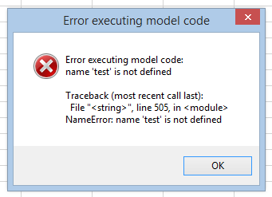
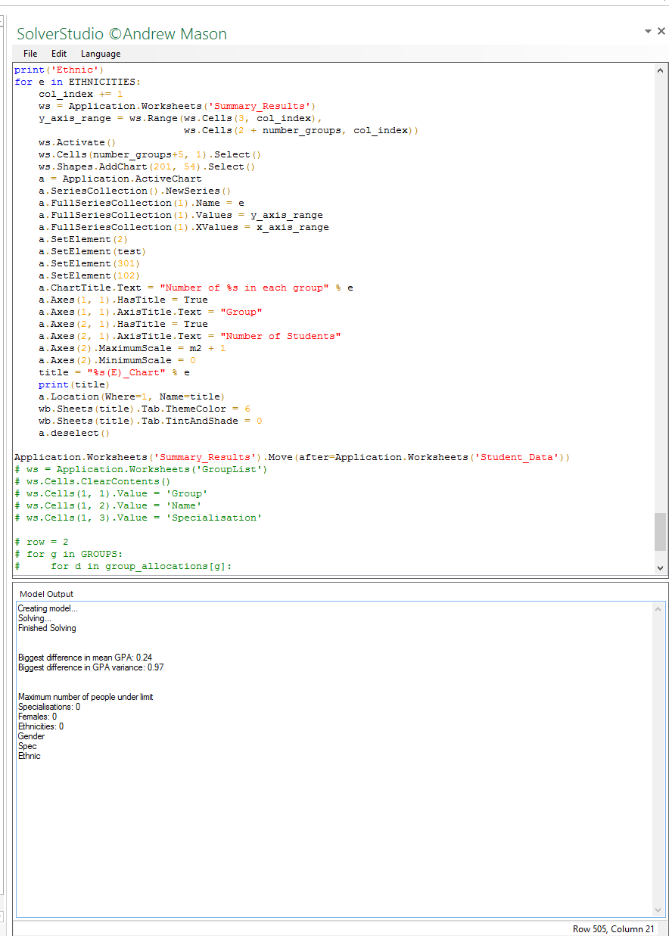

Step 2 | Copy and paste your student data into the appropriate place in the "Student_Data" sheet.

 |  | Take screenshots of the error message and "Model Output" window if you encounter any errors.

Step 3 | Under "Options" enter the number of groups you wish to make and the time limit in seconds for running the optimisation (default is 60 seconds)

Step 4 | Check that all the data checks have passed. All checks should say "Yes". If you see a "No"' then you may need to check your data for missing entries, invalid entries etc.
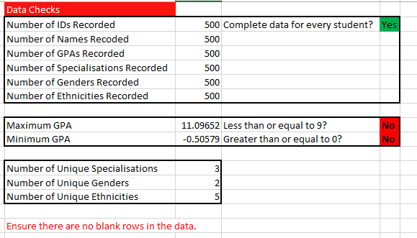

Step 5 | Click "Solve Model" under the "Data" tab in the ribbon at the top of the window. The optimisation will begun to run and may take some time. You will receive a message indicating that the optimisation is running, and a terminal window may appear showing output of the model. Excel may slow down during this process. This is normal. Note: You must be on the "StudentDataEntry" sheet in order to click "Solve Model" and have the optimisation run.

Step 6 | When the optimisation has finished running you will automatically be taken to the SummaryResults sheet containing tables of results. You will also find sheets start with "g_". These are charts that you can look at to easily see the quality of the solution provided by the optimisation. In addition, a PDF will have been printed and placed in the same directory as this file. This PDF will contain a list of all the groups and the students in each so that you can easily share the allocations with others.

GPA_Chart
GPA spread per group (lines bottom to top = Min, Q1, Median, Q3, Max)
 | 3.4 | 1.14 | 0.76 | 0.51 | 3.09
 | 3.08 | 0.94 | 1.45 | 0.64 | 2.59
 | 3.25 | 0.79 | 1.39 | 0.52 | 1.77
 | 3.34 | 1.22 | 0.48 | 0.4 | 3.45
 | 2.31 | 2.15 | 0.75 | 0.43 | 2.36
 | 2.74 | 2.07 | 0.48 | 0.3 | 3
 | 1.9 | 3 | 0.43 | 0.45 | 1.92
 | 3.7 | 0.75 | 0.38 | 0.36 | 3.6
 | 2.94 | 1.55 | 0.4 | 0.9 | 2.6
 | 3.49 | 0.92 | 0.6 | 0.47 | 3.32
 | 3.14 | 0.88 | 1.6 | 0.54 | 0.69
 | 2.56 | 1.86 | 0.45 | 0.99 | 2.14
 | 2.83 | 1.59 | 0.75 | 0.21 | 3.61
 | 3.6 | 0.88 | 0.33 | 1.17 | 2.92
 | 2.58 | 1.72 | 0.93 | 0.66 | 1.18
 | 3.35 | 1.18 | 0.39 | 0.69 | 2.9
 | 3.23 | 1.24 | 0.47 | 0.74 | 2.62
 | 2.89 | 1.76 | 0.28 | 0.58 | 3.08
 | 3.07 | 1.29 | 0.51 | 1.03 | 2.6
 | 2.63 | 1.54 | 1.51 | 0.24 | 2.09

Gender_Chart
Number of Males and Females in each group
 | Male | Female
1 | 28 | 6
2 | 28 | 6
3 | 28 | 6
4 | 28 | 6
5 | 28 | 6
6 | 28 | 6
7 | 28 | 6
8 | 28 | 6
9 | 28 | 6
10 | 27 | 7
11 | 28 | 6
12 | 28 | 6
13 | 28 | 6
14 | 28 | 6
15 | 28 | 6
16 | 29 | 6
17 | 29 | 6
18 | 28 | 7
19 | 28 | 7
20 | 29 | 6

Civil_Chart
Civil students in each group
 | Civil
1 | 10
2 | 10
3 | 10
4 | 10
5 | 10
6 | 10
7 | 10
8 | 10
9 | 10
10 | 10
11 | 10
12 | 10
13 | 10
14 | 10
15 | 10
16 | 10
17 | 11
18 | 10
19 | 10
20 | 10

Electrical_Chart
Electrical students in each group
 | Electrical
1 | 5
2 | 5
3 | 5
4 | 5
5 | 5
6 | 5
7 | 5
8 | 5
9 | 7
10 | 5
11 | 5
12 | 6
13 | 5
14 | 7
15 | 7
16 | 5
17 | 7
18 | 7
19 | 5
20 | 5

CompSys_Chart
Compsys students in each group
 | CompSys
1 | 3
2 | 4
3 | 2
4 | 4
5 | 3
6 | 3
7 | 2
8 | 2
9 | 2
10 | 2
11 | 2
12 | 2
13 | 2
14 | 2
15 | 2
16 | 2
17 | 2
18 | 2
19 | 2
20 | 2

Software_Chart
Software students in each group
 | Software
1 | 3
2 | 3
3 | 4
4 | 3
5 | 3
6 | 3
7 | 3
8 | 3
9 | 3
10 | 3
11 | 3
12 | 3
13 | 3
14 | 3
15 | 3
16 | 4
17 | 3
18 | 3
19 | 5
20 | 3

Mechatronics_Chart
Mechatronics students in each group
 | Mechatronics
1 | 4
2 | 4
3 | 5
4 | 4
5 | 4
6 | 4
7 | 4
8 | 4
9 | 4
10 | 4
11 | 4
12 | 4
13 | 4
14 | 4
15 | 4
16 | 4
17 | 4
18 | 5
19 | 4
20 | 4

Chemmat_Chart
Chemmat students in each group
 | Chemmat
1 | 2
2 | 2
3 | 2
4 | 2
5 | 2
6 | 2
7 | 2
8 | 4
9 | 2
10 | 4
11 | 3
12 | 3
13 | 4
14 | 2
15 | 2
16 | 3
17 | 2
18 | 2
19 | 3
20 | 3

Mechanical_Chart
Mechanical students in each group
 | Mechanical
1 | 4
2 | 4
3 | 4
4 | 4
5 | 5
6 | 5
7 | 4
8 | 4
9 | 4
10 | 4
11 | 4
12 | 4
13 | 4
14 | 4
15 | 4
16 | 4
17 | 4
18 | 4
19 | 4
20 | 6

Biomedical_Chart
Biomedical students in each group
 | Biomedical
1 | 1
2 | 1
3 | 1
4 | 1
5 | 1
6 | 1
7 | 1
8 | 1
9 | 1
10 | 1
11 | 1
12 | 1
13 | 1
14 | 1
15 | 1
16 | 1
17 | 1
18 | 1
19 | 1
20 | 1

EngSci_Chart
Engsci students in each group
 | EngSci
1 | 2
2 | 1
3 | 1
4 | 1
5 | 1
6 | 1
7 | 3
8 | 1
9 | 1
10 | 1
11 | 2
12 | 1
13 | 1
14 | 1
15 | 1
16 | 1
17 | 1
18 | 1
19 | 1
20 | 1

European(E)_Chart
European students in each group
 | European
1 | 18
2 | 17
3 | 16
4 | 16
5 | 16
6 | 16
7 | 16
8 | 16
9 | 17
10 | 16
11 | 16
12 | 16
13 | 16
14 | 16
15 | 16
16 | 16
17 | 18
18 | 17
19 | 17
20 | 17

Pacific(E)_Chart
Pacific students in each group
 | Pacific
1 | 3
2 | 4
3 | 4
4 | 3
5 | 3
6 | 3
7 | 3
8 | 3
9 | 3
10 | 3
11 | 3
12 | 3
13 | 3
14 | 4
15 | 4
16 | 3
17 | 3
18 | 3
19 | 3
20 | 3

Indian(E)_Chart
Indian students in each group
 | Indian
1 | 7
2 | 7
3 | 7
4 | 8
5 | 7
6 | 7
7 | 9
8 | 8
9 | 7
10 | 9
11 | 7
12 | 7
13 | 9
14 | 7
15 | 7
16 | 9
17 | 8
18 | 7
19 | 7
20 | 7

Asian(E)_Chart
Asian students in each group
 | Asian
1 | 6
2 | 6
3 | 7
4 | 7
5 | 8
6 | 8
7 | 6
8 | 6
9 | 7
10 | 6
11 | 8
12 | 8
13 | 6
14 | 7
15 | 7
16 | 6
17 | 6
18 | 8
19 | 8
20 | 8

