Instructions
Step 1 | Download the latest version of SolverStudio from www.solverstudio.org and install it.
Click here on www.solverstudio.org to download SolverStudio

Step 2 | Copy and paste your student data into the appropriate place in the "StudentDataEntry" sheet.
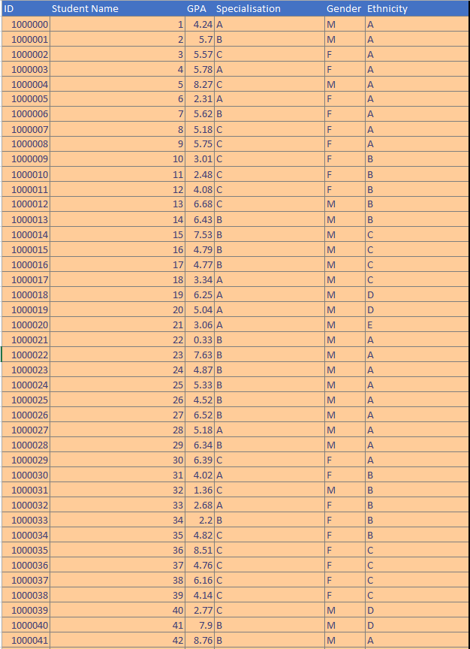

Step 3 | Under "Options" enter the number of groups you wish to make and the time limit in seconds for running the optimisation (default is 60 seconds)

Step 4 | Check that all the data checks have passed. All checks should say "Yes". If you see a "No"' then you may need to check your data for missing entries, invalid entries etc.
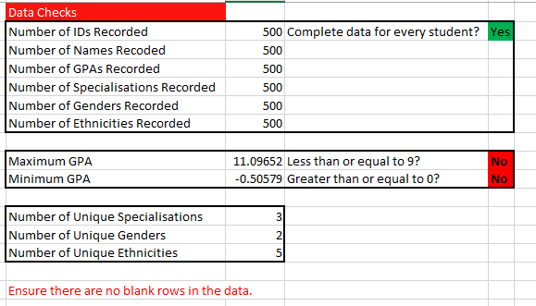

Step 5 | Click "Solve Model" under the "Data" tab in the ribbon at the top of the window. The optimisation will begun to run and may take some time. You will receive a message indicating that the optimisation is running, and a terminal window may appear showing output of the model. Excel may slow down during this process. This is normal. Note: You must be on the "StudentDataEntry" sheet in order to click "Solve Model" and have the optimisation run.

Step 6 | When the optimisation has finished running you will automatically be taken to the SummaryResults sheet containing tables of results. You will also find sheets start with "g_". These are charts that you can look at to easily see the quality of the solution provided by the optimisation. In addition, a PDF will have been printed and placed in the same directory as this file. This PDF will contain a list of all the groups and the students in each so that you can easily share the allocations with others.

g_GPA
Mean GPA and Variance of GPA
 | GPA | GPA Variance
1 | 4.96 | 4.49
2 | 4.92 | 4.42
3 | 4.86 | 3.93
4 | 4.97 | 3.98
5 | 4.99 | 4.30
6 | 5.01 | 3.67
7 | 5.00 | 3.99
8 | 4.95 | 3.71
9 | 4.98 | 3.72
10 | 4.88 | 3.69
11 | 5.09 | 3.51
12 | 5.05 | 4.25
13 | 4.90 | 4.22
14 | 5.06 | 3.91
15 | 5.03 | 3.93
16 | 5.01 | 4.12
17 | 4.85 | 4.05
18 | 4.90 | 3.97
19 | 4.98 | 3.93
20 | 5.05 | 4.33

g_Gender
Number of Males and Females in each group
 | Male | Female
1 | 17 | 8
2 | 17 | 8
3 | 17 | 8
4 | 17 | 8
5 | 17 | 8
6 | 17 | 8
7 | 16 | 9
8 | 17 | 8
9 | 17 | 8
10 | 17 | 8
11 | 17 | 8
12 | 17 | 8
13 | 17 | 8
14 | 17 | 8
15 | 17 | 8
16 | 17 | 8
17 | 16 | 9
18 | 17 | 8
19 | 17 | 8
20 | 17 | 8

g_A_spec
Number from A in each group
 | A
1 | 6
2 | 7
3 | 6
4 | 6
5 | 6
6 | 6
7 | 6
8 | 6
9 | 6
10 | 6
11 | 6
12 | 6
13 | 6
14 | 6
15 | 6
16 | 6
17 | 6
18 | 6
19 | 6
20 | 7

g_B_spec
Number from B in each group
 | B
1 | 11
2 | 11
3 | 12
4 | 11
5 | 12
6 | 12
7 | 12
8 | 12
9 | 12
10 | 12
11 | 12
12 | 12
13 | 12
14 | 11
15 | 12
16 | 11
17 | 12
18 | 12
19 | 12
20 | 11

g_C_spec
Number from C in each group
 | C
1 | 8
2 | 7
3 | 7
4 | 8
5 | 7
6 | 7
7 | 7
8 | 7
9 | 7
10 | 7
11 | 7
12 | 7
13 | 7
14 | 8
15 | 7
16 | 8
17 | 7
18 | 7
19 | 7
20 | 7

g_A_eth
Number of A in each group
 | A
1 | 11
2 | 11
3 | 10
4 | 10
5 | 10
6 | 12
7 | 11
8 | 11
9 | 10
10 | 11
11 | 12
12 | 10
13 | 10
14 | 12
15 | 12
16 | 10
17 | 10
18 | 10
19 | 11
20 | 12

g_B_eth
Number of B in each group
 | B
1 | 6
2 | 6
3 | 6
4 | 6
5 | 6
6 | 6
7 | 6
8 | 6
9 | 6
10 | 6
11 | 6
12 | 6
13 | 6
14 | 6
15 | 6
16 | 6
17 | 6
18 | 6
19 | 6
20 | 6

g_C_eth
Number of C in each group
 | C
1 | 4
2 | 4
3 | 4
4 | 5
5 | 6
6 | 4
7 | 5
8 | 5
9 | 6
10 | 5
11 | 4
12 | 6
13 | 5
14 | 4
15 | 4
16 | 4
17 | 6
18 | 6
19 | 5
20 | 4

g_D_eth
Number of D in each group
 | D
1 | 3
2 | 3
3 | 4
4 | 3
5 | 2
6 | 2
7 | 2
8 | 2
9 | 2
10 | 2
11 | 2
12 | 2
13 | 3
14 | 2
15 | 2
16 | 4
17 | 2
18 | 2
19 | 2
20 | 2

g_E_eth
Number of E in each group
 | E
1 | 1
2 | 1
3 | 1
4 | 1
5 | 1
6 | 1
7 | 1
8 | 1
9 | 1
10 | 1
11 | 1
12 | 1
13 | 1
14 | 1
15 | 1
16 | 1
17 | 1
18 | 1
19 | 1
20 | 1

