Sheet1
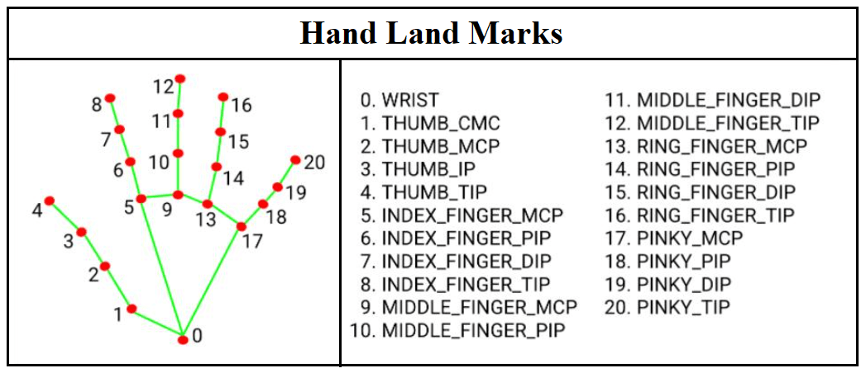
 | Project | Dynamic Hand Gesture RecognitionRecognition of Dynamic Hand Gestures for the EMMA Research Platform
 | Author | Madhava Reddy Pesala
 | Matriculation Number | 5000804
 | Supervisor | Benedikt Buchheit, M.Eng.
 | Course | Neural Engineering, MSc

 |  |  | Landmarks Source: Official MediaPipe website, google devolopers

 | LIST OF STATE-OF-THE-ART DYNAMIC HAND GESTURES
 | Gestures | Description | Pivotal reference (Hand Motion) | Details | Gesture Duration | Reference
G1 | Swiping Right | Swiping motion towards right with an open palm | elbow | With the reference point at the elbow, the maximum swiping angle should fall within -45 to 45 degrees | < 2 seconds | BMW
G2 | Swiping Left | Swiping motion towards left with an open palm |  |  |  | BMW
G3 | Swiping Up | Swiping motion towards top with an open palm |  |  |  | by pesala
G4 | Swiping Down | Swiping motion towards down with an open palm |  |  |  | by pesala
G5 | Rotating Clockwise | Rotate the index finger clockwise with other fingers closed | base of index finger . | The coordinates of Index finger landmarks change significantly, others remain unchanged and making more than one ratation is appropriate for the gesture | < 2 seconds for each rotation | BMW
G6 | Rotating Anti-clockwise | Rotate the index finger anti-clockwise with other fingers closed |  |  |  | BMW
G7 | Pointing | Pointing the index finger with other fingers closed, palm facing down | elbow | At the start, the hand is in a closed fist position near the body and as the hand moves away, the index finger extends | < 2 seconds | BMW
G8 | Peace Sign | Extending index and middle fingers with other fingers closed | base of index and middle fingers | The gesture starts with a closed fist, then extends the index and middle fingers, and finally closes them again. The index and middle finger landmarks show significant changes, while others remain unchanged | < 2 seconds | BMW
G9 | Thumb Pointing Right | Extending thumb with other finger closed and swiping towards right two times | elbow | With the reference point at the elbow, the gesture has a maximum angle of 45 degrees in its specific direction. The coordinates of the landmarks change uniformly for all the points | < 3 seconds | BMW
G10 | Thumb Pointing Left | Extending thumb with other finger closed and swiping towards left two times |  |  |  | BMW
G11 | Pinching | Bringing thumb and index fingers with other fingers closed | base of thumb and index fingers | Bringing the tips of the index and thumb finger in contact and then apart, with only the landmarks of these fingertips changing while the rest remain unchanged. | < 2 seconds | BMW
G12 | Palm Wave | Open hand movement in horizontal | elbow | With all fingers open and spread apart, the palm makes a wave-like motion for about two complete waves. During the gesture, the landmarks of finger tips change more significantly than those at the wrist | < 3 seconds | by pesala
G13 | Thumb Up | Thumb finger opens facing upwards with others fingers closed | base of thumb finger | At first, the hand is in a fist position, then the thumb finger is extended maximally in a specific direction. The coordinates of the landmarks at the thumb finger change significantly, while others remain unchanged | < 3 seconds | by pesala
G14 | Thumb Down | Thumb finger opens facing downwards with others fingers closed |  |  |  | by pesala
G15 | Pushing | Farward hand movement with palm open (palm facing the target) | elbow | Initially, the hand forms a fist near the body, and then the fingers open and spread apart while extending away from the body, reaching angle of range 40 to 60 degrees | < 2 seconds | by pesala
G16 | Pulling | Backward hand movement with palm open (palm facing the body) | elbow | same as G15 but in a reverse direction |  | by pesala

2 | Specifications
2.1 | Frame rate | 30 fps
2.2 | Camera | Nexigo 1080p 60fps Webcam
2.3 | Detection range | depends on the real time camera that used
2.4 | Iteration of similar gestures | Consecutive repetitions of the same gesture are grouped as one, unless there's a noticeable pause between them.
2.5 | Latency | low latency between gesture initation and output is crucial to ensure a smooth user experience
2.6 | Hand used | For this particular project, the dataset specifically utilizes the right hand to train the model.

