Sheet1
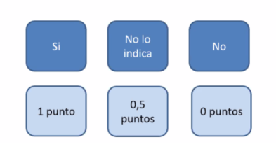
Research Questions | yes (1.0)
RQ1:What is the current state of the research being developed? | undefined (0.5)
RQ2:What algorithms have been used to predict the dropout? | no (0.0)
RQ3:What are the more relevant features related to predicting customer dropout?
RQ4:When dropout occurs? | Cut point
RQ5:What is the accuracy of the machine learning algorithms to predict dropout?

Avaliação da qualidade dos estudos

Artigo | RQ1 | RQ2 | RQ3 | RQ4 | RQ5 | Score
 | 1 |  |  |  |  | 1

