mirror
Update Links
Compute
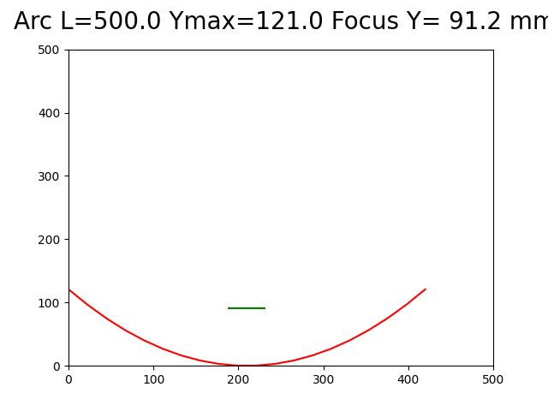
 | 1 | 2 | 3 | 4 | 5 | 3 | 7 |  | 1 | 2 | 3 | 4 | 5 | 6 | 7
1 | Parabolic Mirror |  |  |  |  |  |  | 1 | Parabolic Mirror |  |  |  |  |  |  | 1 | Parabolic Mirror
2 | math_plot_parabolic_mirror.py |  |  |  |  |  |  | 2 | math_plot_parabolic_mirror.py |  |  |  |  |  |  | 2 | math_plot_parabolic_mirror.py
3 |  |  |  |  |  |  |  | 3 |  |  |  |  |  |  |  | 3
4 |  |  |  |  |  |  |  | 4 |  |  |  |  |  |  |  | 4
5 |  |  |  |  |  |  |  | 5 |  |  |  |  |  |  |  | 5
6 | Xmax | 420 | mm |  |  |  |  | 6 |  |  |  |  |  |  |  | 6
7 | Ymax | 200 | mm |  |  |  |  | 7 |  |  |  |  |  |  |  | 7
8 |  |  |  | Mirrors available 500 x1000 ,500 x 500 |  |  |  | 8 |  |  |  |  |  |  |  | 8
9 | Arc L | 500 | mm | Arc length of mirror, 500 mm |  |  |  | 9 |  |  |  |  |  |  |  | 9
10 |  |  |  | Arc length of mirror, 1000 mm |  |  |  | 10 |  |  |  |  |  |  |  | 10
Focus
11 |  |  |  |  |  |  |  | 11 |  |  |  |  |  |  |  | 11
12 |  |  |  |  |  |  |  | 12 |  |  |  |  |  |  |  | 12
13 |  |  |  |  |  |  |  | 13 |  |  |  |  |  |  |  | 13
14 |  |  |  |  |  |  |  | 14 |  |  |  |  |  |  |  | 14
15 |  |  |  |  |  |  |  | 15 |  |  |  |  |  |  |  | 15
Ymax
16 |  |  |  |  |  |  |  | 16 | Menu= Edit/Linksto external files…[Update] |  |  |  |  |  |  | 16
17 |  |  |  |  |  |  |  | 17 | FreeCAD Data |  |  |  |  |  |  | 17
18 |  |  |  |  |  |  |  | 18 |  |  |  | * Link to External data |  |  |  | 18
19 |  |  |  |  |  |  |  | 19 | Interval= | 21 | 1 | 0 | 121 |  |  | 19
Xmax
20 |  |  |  |  |  |  |  | 20 |  |  | 2 | 22 | 97 |  |  | 20
Grill Box Outline
21 |  |  |  |  |  |  |  | 21 |  |  | 3 | 44 | 75 |  |  | 21
22 |  |  |  |  |  |  |  | 22 |  |  | 4 | 66 | 57 |  |  | 22
23 |  |  |  |  |  |  |  | 23 |  |  | 5 | 88 | 41 |  |  | 23
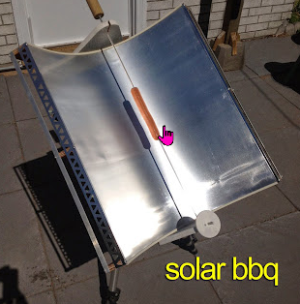
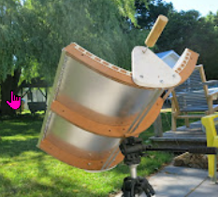
24 |  |  |  |  |  |  |  | 24 |  |  | 6 | 111 | 27 |  |  | 24
25 |  |  |  |  |  |  |  | 25 |  |  | 7 | 133 | 16 |  |  | 25
26 |  |  |  |  |  |  |  | 26 |  |  | 8 | 155 | 8 |  |  | 26
27 |  |  |  |  |  |  |  | 27 |  |  | 9 | 177 | 3 |  |  | 27
28 |  |  |  |  |  |  |  | 28 |  |  | 10 | 199 | 0 |  |  | 28
29 |  |  |  |  |  |  |  | 29 |  |  | 11 | 221 | 0 |  |  | 29
30 |  |  |  |  |  |  |  | 30 |  |  | 12 | 243 | 3 |  |  | 30
31 |  |  |  |  |  |  |  | 31 |  |  | 13 | 265 | 8 |  |  | 31
32 |  |  |  |  |  |  |  | 32 |  |  | 14 | 287 | 16 |  |  | 32
33 |  |  |  |  |  |  |  | 33 |  |  | 15 | 309 | 27 |  |  | 33
34 |  |  |  |  |  |  |  | 34 |  |  | 16 | 332 | 41 |  |  | 34
35 |  |  |  |  |  |  |  | 35 |  |  | 17 | 354 | 57 |  |  | 35
36 |  |  |  |  |  |  |  | 36 |  |  | 18 | 376 | 75 |  |  | 36
37 |  |  |  |  |  |  |  | 37 |  |  | 19 | 398 | 97 |  |  | 37
38 |  |  |  |  |  |  |  | 38 |  |  | 20 | 420 | 121 |  |  | 38
39 |  |  |  |  |  |  |  | 39 |  |  |  |  |  |  |  | 39
40 | end |  |  |  |  |  | end | 40 | end |  |  |  |  |  | end | 40 | end | end

VBA
'=========================================================
'=========================================================
'=========================================================
sub PythonCalculateShell
sPathFilePython="C:\ProgrammeApps\python3\python.exe"
sPathFilePyScript="C:\Schneider\ScriptingPath\CALC\calc.bat"
i=shell(sPathFilePyScript,1,,true)
end sub
'=========================================================
'=========================================================

