math
2-Compute
3-Update Links
1-Save to XLSX
 | 1 | 2 | 3 | 4 | 5 | 3 | 7 |  | 1 | 2 | 3 | 4 | 5 | 6 | 7
1 | Bead on Wire |  |  |  |  |  |  | 1 | Bead on Wire |  |  |  | Results |  |  | 1 | Bead on Wire | Theory
2 | math_bead_on_wire.py |  |  |  |  |  |  | 2 | math_bead_on_wire.py |  |  |  |  |  |  | 2 | math_bead_on_wire.py
3 |  |  |  | c:\Schneider\ScriptingPath\CALC\/BeadOnWire_OoCalc.vbs |  |  |  | 3 |  |  |  |  |  |  |  | 3
M kg
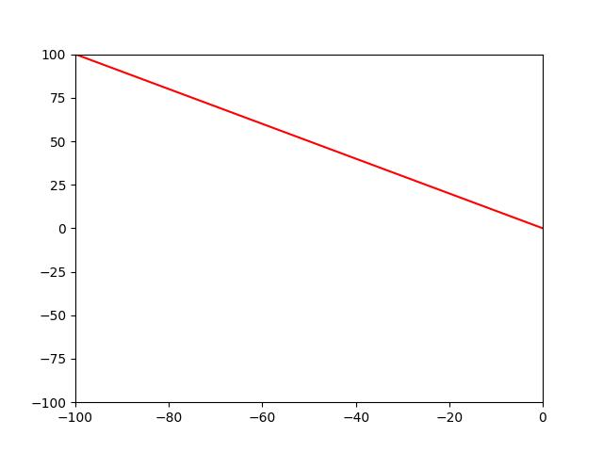
4 |  |  |  |  |  |  |  | 4 |  |  |  |  |  |  |  | 4
5 |  |  |  |  |  |  |  | 5 |  |  |  |  |  |  |  | 5
g=10
6 |  |  |  |  |  |  |  | 6 |  |  |  |  |  |  |  | 6
7 |  |  |  |  |  |  |  | 7 |  |  |  |  |  |  |  | 7
8 |  |  |  |  |  |  |  | 8 |  |  |  |  |  |  |  | 8
9 |  |  |  |  |  |  |  | 9 |  |  |  |  |  |  |  | 9
10 |  |  |  |  |  |  |  | 10 |  |  |  |  |  |  |  | 10
11 |  |  |  |  |  |  |  | 11 |  |  |  |  |  |  |  | 11
12 |  |  |  |  |  |  |  | 12 |  |  |  |  |  |  |  | 12
13 |  |  |  |  |  |  |  | 13 |  |  |  |  |  |  |  | 13
14 |  |  |  |  |  |  |  | 14 |  |  |  |  |  |  |  | 14
15 |  |  |  |  |  |  |  | 15 |  |  |  |  |  |  |  | 15
y
16 |  |  |  |  |  |  |  | 16 |  |  |  |  |  |  |  | 16
17 |  |  |  |  |  |  |  | 17 |  |  |  |  |  |  |  | 17
x
18 |  |  |  |  |  |  |  | 18 |  |  |  |  |  |  |  | 18
19 |  |  |  |  |  |  |  | 19 |  |  |  |  |  |  |  | 19
20 |  |  |  |  |  |  |  | 20 |  |  |  |  |  |  |  | 20
21 |  |  |  |  |  |  |  | 21 |  |  |  |  |  |  |  | 21
22 |  |  |  |  |  |  |  | 22 |  |  |  |  |  |  |  | 22
23 | A= | 0 |  | L1= | 100 | mm |  | 23 |  |  |  |  |  |  |  | 23
24 | B= | -1 |  | L2= | 100 | mm |  | 24 |  |  |  |  |  |  |  | 24
25 |  |  |  |  |  |  |  | 25 |  |  |  |  |  |  |  | 25
26 | Y= | 0 | 25 | 50 | 75 | 100 |  | 26 |  |  |  |  |  |  |  | 26
27 | X= | 0 | -25 | -50 | -75 | -100 |  | 27 |  |  |  |  |  |  |  | 27
28 |  |  |  |  |  |  |  | 28 |  |  |  |  |  |  |  | 28
29 | A= | 0.025 |  |  |  |  |  | 29 |  |  |  |  |  |  |  | 29
30 |  | 0.04 |  |  |  |  |  | 30 |  |  |  |  |  |  |  | 30
31 |  | 0 |  |  |  |  |  | 31 |  |  |  |  |  |  |  | 31
32 |  | 0.025 |  |  |  |  |  | 32 |  |  |  |  |  |  |  | 32
33 |  | 0.025 |  |  |  |  |  | 33 |  |  |  |  |  |  |  | 33
34 |  | 0.025 |  |  |  |  |  | 34 |  |  |  |  |  |  |  | 34
35 |  | 0.025 |  |  |  |  |  | 35 |  |  |  |  |  |  |  | 35
36 |  |  |  |  |  |  |  | 36 |  |  |  |  |  |  |  | 36
37 |  |  |  |  |  |  |  | 37 |  |  |  |  |  |  |  | 37
38 |  |  |  |  |  |  |  | 38 |  |  |  |  |  |  |  | 38
39 |  |  |  |  |  |  |  | 39 |  |  |  |  |  |  |  | 39
40 | end |  |  |  |  |  | end | 40 | end |  |  |  |  |  | end | 40 | end |  | end

