ADMIN_index
 | ADMIN_index | ADMIN_index!A1
 | 003_ConvertWebBOMcheck | 003_ConvertWebBOMcheck!A1
 | SETUP | SETUP!A1
Refresh
LINK
INDEX
 |  |  | SAVE COPY

1 | ADMIN_index | ADMIN_index!A1 | Scripting Path
2 | SETUP | SETUP!A1 | C:\Schneider\ScriptingPath
3 | CAM_XYZ | CAM_XYZ!A1
 |  |  | C:\Users\sesa237770\Documents\GITBOX\PY_Samples\Cam
 |  |  | C:\Schneider\ScriptingPath
 |  |  | C:\Users\sesa237770\Documents\GITBOX\PY_Samples\Cam

CAM_XYZ
NP++ (Open on Full Path)
NP++ on [Relative Path]
Explorer ( Open on Full Path)
Explorer Open [Relative Path]
notepad (Open on Full Path)
sqlite Open [Relative Path]
sqlite(Open on Full Path)
PYTHON( Open on Full Path)
PYTHON( Open on Relative Path)
PYTHON Scripter Open on Relative Path)
Edge Open [Relative Path]
Data by Mass Process 2021
 | C:\Users\sesa237770\Documents\GITBOX\PY_Samples\Cam
 | workspace_1X2

%ROOT%\%WORKSPACE%\ grey_img_substitute.png
%ROOT%\
Get_Cam_Window_V4.py

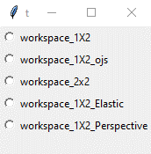

%ROOT%\%WORKSPACE%\ MountingFrame_CAMERA.csv
%ROOT%

%ROOT%\%WORKSPACE%\ MountingFrame_CAMERA.csv

%ROOT%\%WORKSPACE%\ MountingFrame_WORLD.csv
%ROOT%\%WORKSPACE%\ MountingFrame_TRANS_WORLD.csv

%ROOT%\
Transformations.py

%ROOT%\%WORKSPACE%\ LED_WORLD.csv
%ROOT%\%WORKSPACE%\ LED_TRANS_WORLD.csv

%ROOT%\
Get_Cam_Window_V4.py

%ROOT%\%USER%\ grey_img_left.png

%ROOT%\%USER%\ grey_img_right.png

%ROOT%\%WORKSPACE%\ LED_Stack.png

%ROOT%\%WORKSPACE%\ LED_Stack.png
%ROOT%\ LED_STATUS.csv

%ROOT%\
Get_LED_Status.py

CAM_CV2
NP++ (Open on Full Path)
NP++ on [Relative Path]
Explorer ( Open on Full Path)
Explorer Open [Relative Path]
notepad (Open on Full Path)
sqlite Open [Relative Path]
sqlite(Open on Full Path)
PYTHON( Open on Full Path)
PYTHON( Open on Relative Path)
PYTHON Scripter Open on Relative Path)
Edge Open [Relative Path]
Data by Mass Process 2021

%ROOT%\%WORKSPACE%\ grey_img_substitute.png
POI Points of interest
%ROOT%\%WORKSPACE%\ LED_Stack.png

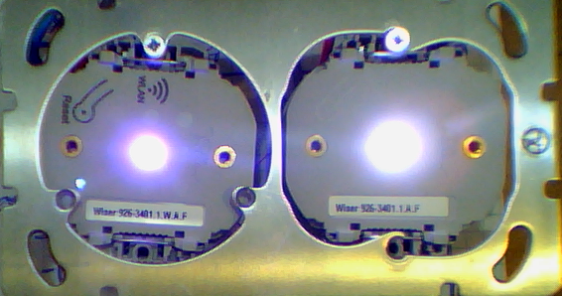

BLOB "COG"
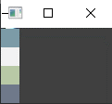


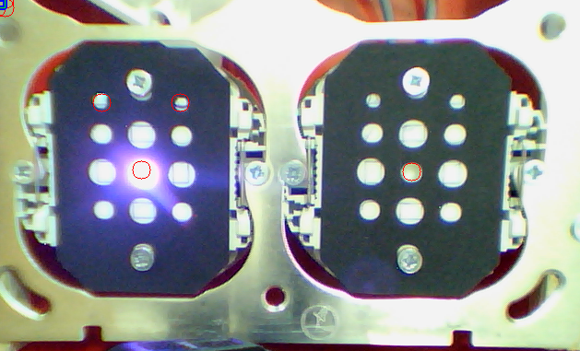
BLOB color

"laplacian" edge detection
Back Ground Estimation

%ROOT%\%WORKSPACE%\ grey_img_substitute.png
%ROOT%\
Get_LED_Status.py
%ROOT%\ LED_STATUS.csv

%ROOT%\%USER%\ LED_Stack.png

%ROOT%\%USER%\ parameters.csv
%ROOT%\
processblocks.py

process
Step 1 Define MountingFrame in Wolrld Geometry

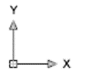

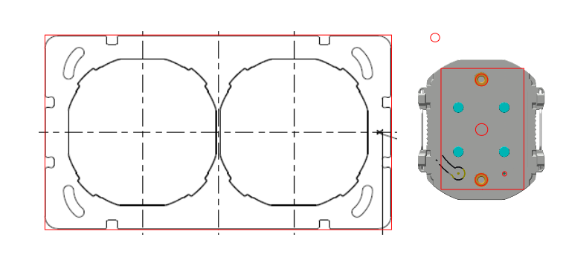
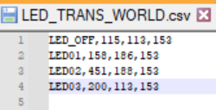

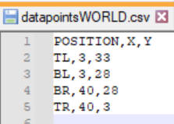
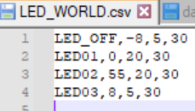

Step 2 Start Program

Step 3 Choose workspace

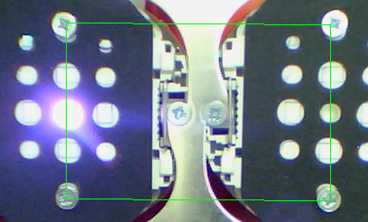

Step 4 Define MountingFrame in CAM Geometry

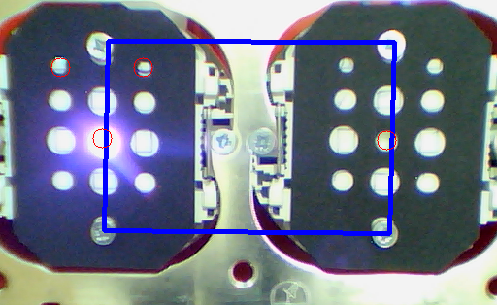

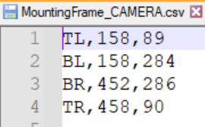

Step 5 Load MountingFrame in CAM Coordinate System

Step 6 Load LED geometry in CAM Coordinate System

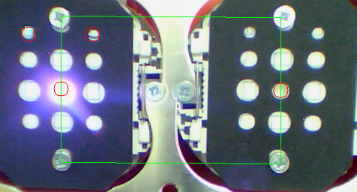

Step 7 Stack Results , cut out LED sub-images

Step 8 Agregate ( use average color)LED sub-images

