MPG Analysis
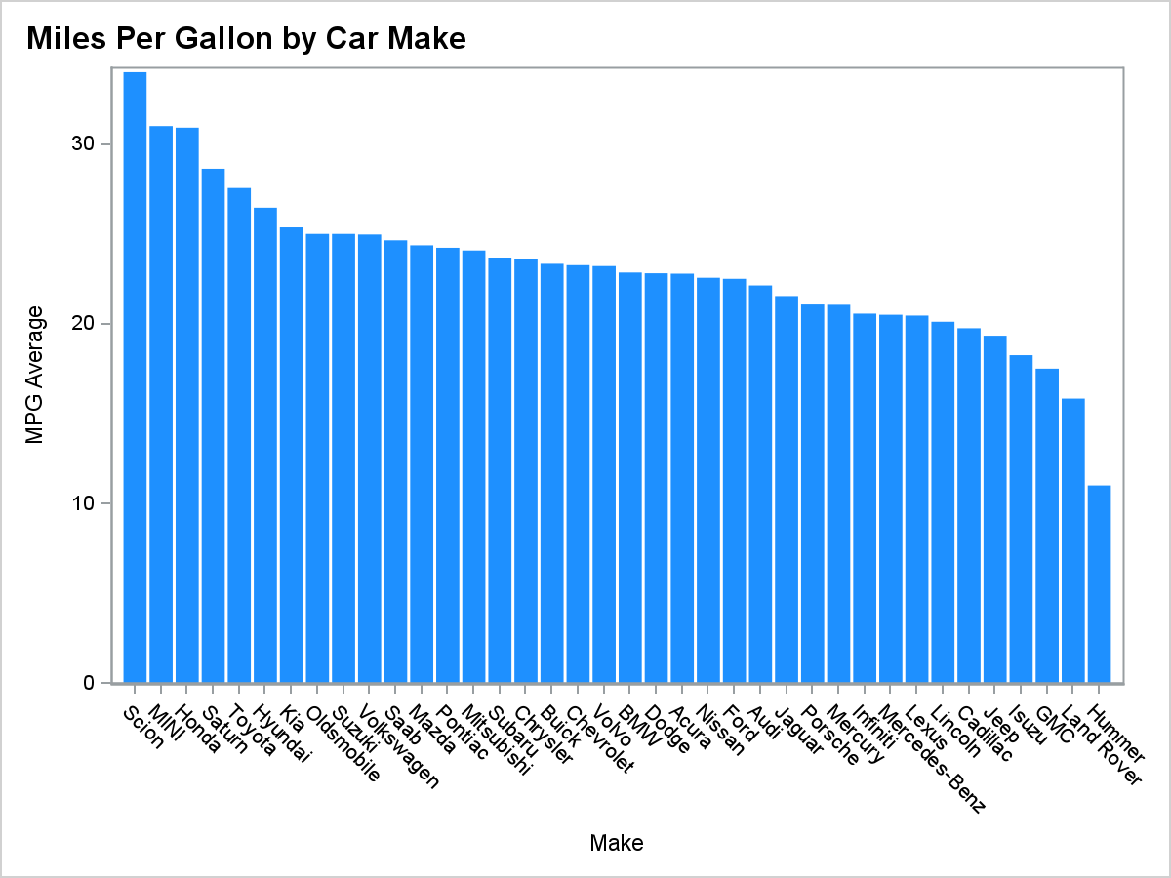

Analysis Variable : MPG_Avg MPG Average
Make | N Obs | Minimum | Mean | Maximum
Acura | 7 | 20 | 23 | 28
Audi | 19 | 17 | 22 | 27
BMW | 20 | 19 | 23 | 25
Buick | 9 | 18 | 23 | 25
Cadillac | 8 | 15 | 20 | 22
Chevrolet | 27 | 15 | 23 | 32
Chrysler | 15 | 20 | 24 | 26
Dodge | 13 | 16 | 23 | 33
Ford | 23 | 12 | 23 | 32
GMC | 8 | 15 | 18 | 22
Honda | 17 | 20 | 31 | 63
Hummer | 1 | 11 | 11 | 11
Hyundai | 12 | 22 | 26 | 31
Infiniti | 8 | 17 | 21 | 23
Isuzu | 2 | 18 | 18 | 19
Jaguar | 12 | 20 | 22 | 23
Jeep | 3 | 18 | 19 | 22
Kia | 11 | 18 | 25 | 30
Land Rover | 3 | 14 | 16 | 20
Lexus | 11 | 15 | 20 | 25
Lincoln | 9 | 16 | 20 | 23
MINI | 2 | 30 | 31 | 33
Mazda | 11 | 17 | 24 | 30
Mercedes-Benz | 26 | 14 | 21 | 26
Mercury | 9 | 19 | 21 | 24
Mitsubishi | 13 | 17 | 24 | 28
Nissan | 17 | 16 | 23 | 32
Oldsmobile | 3 | 23 | 25 | 28
Pontiac | 11 | 18 | 24 | 33
Porsche | 7 | 16 | 21 | 25
Saab | 7 | 24 | 25 | 26
Saturn | 8 | 24 | 29 | 31
Scion | 2 | 33 | 34 | 35
Subaru | 11 | 21 | 24 | 25
Suzuki | 8 | 20 | 25 | 28
Toyota | 28 | 15 | 28 | 55
Volkswagen | 15 | 16 | 25 | 42
Volvo | 12 | 18 | 23 | 26

