Company Overview
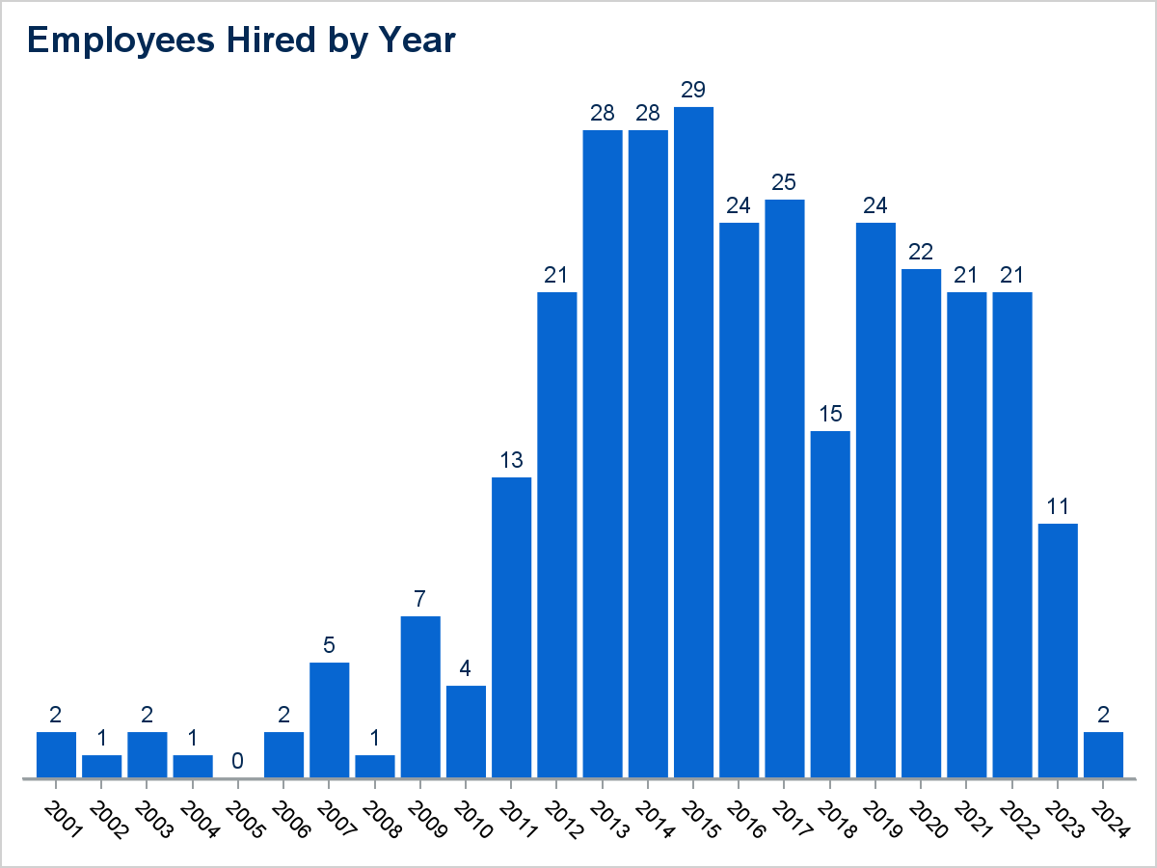
Employee Company Overview Information

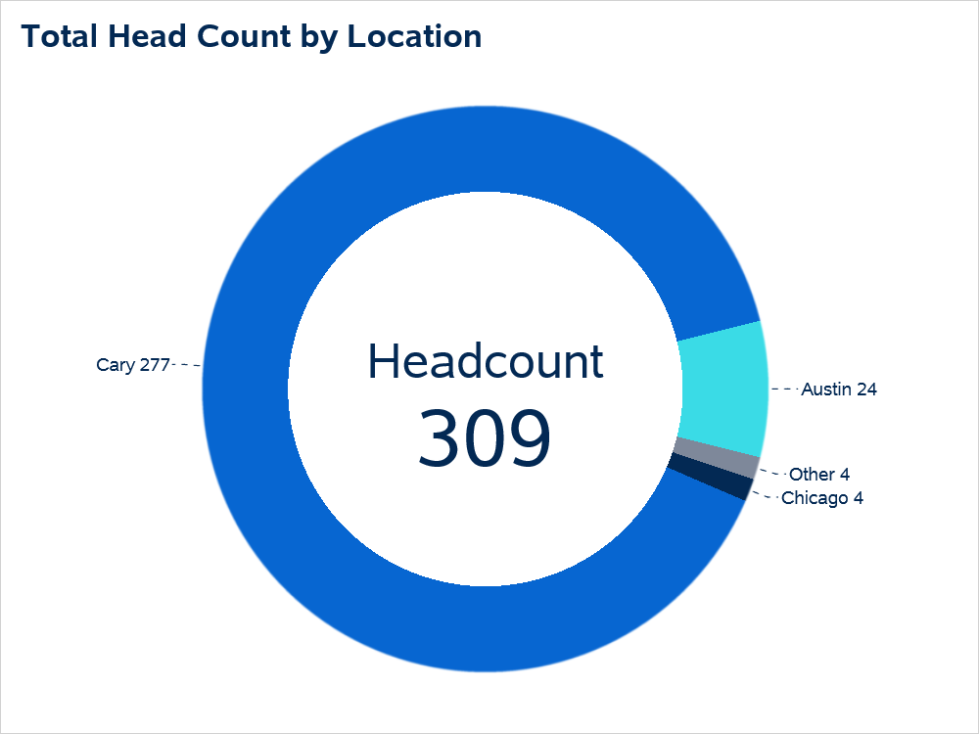

Office Location | Total Employees
Cary | 277
Austin | 24
Chicago | 4
L.A. | 3
Maryland | 1

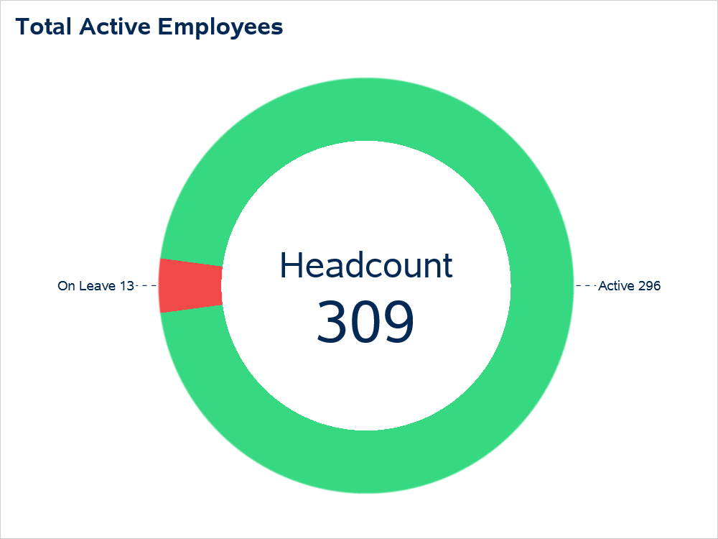

Employee Status | Total Employees
Active | 296
On Leave | 13

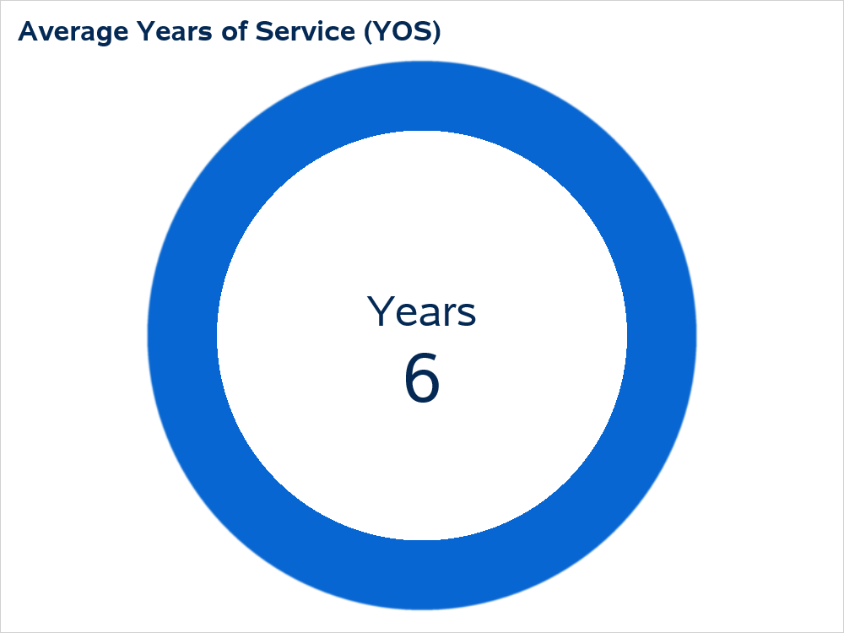

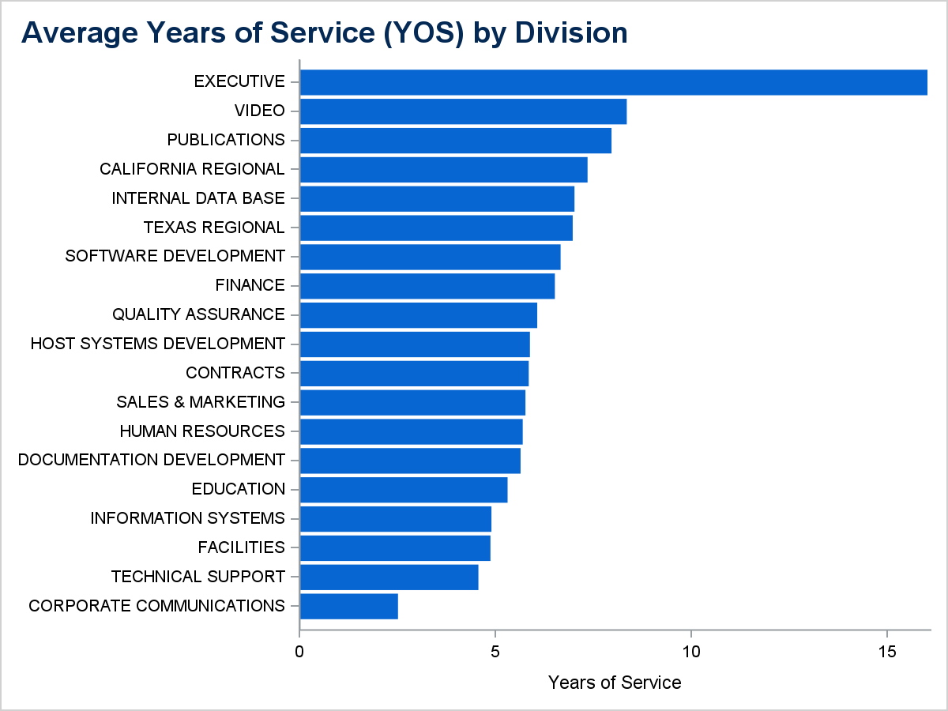

Division | Avg YOS
EXECUTIVE | 16
PUBLICATIONS | 8
VIDEO | 8
INTERNAL DATA BASE | 7
TEXAS REGIONAL | 7
FINANCE | 7
CALIFORNIA REGIONAL | 7
SOFTWARE DEVELOPMENT | 7
SALES & MARKETING | 6
QUALITY ASSURANCE | 6
HUMAN RESOURCES | 6
HOST SYSTEMS DEVELOPMENT | 6
CONTRACTS | 6
DOCUMENTATION DEVELOPMENT | 6
FACILITIES | 5
EDUCATION | 5
INFORMATION SYSTEMS | 5
TECHNICAL SUPPORT | 5
CORPORATE COMMUNICATIONS | 3

