Division Analysis
Division Analysis

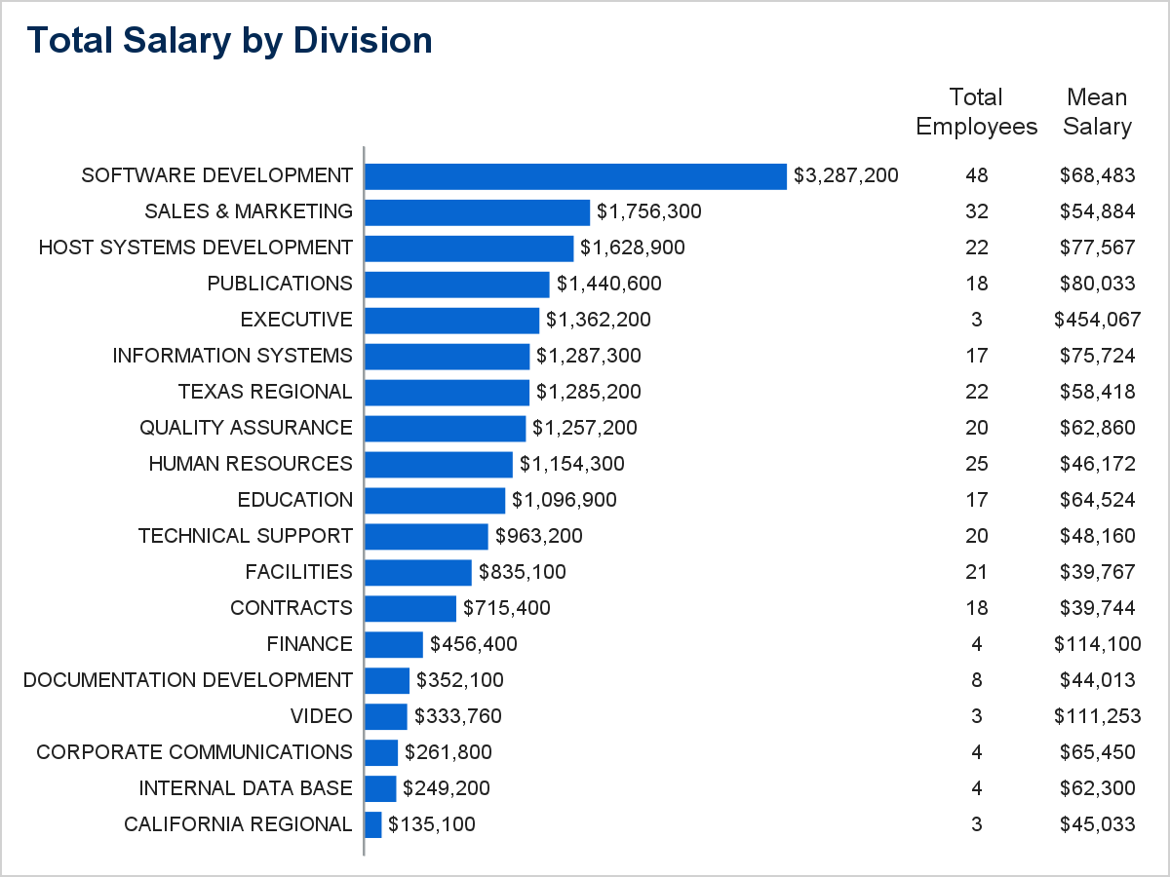

Detailed Employee Information for Each Division

DIVISION SUMMARY
Division | Name | Job Title | Salary | Employee Status
CALIFORNIA REGIONAL | Lavelle, Alan A. | ACCOUNT REP | $38,500.00 | Active
 | Cutter, Teresia R. | ACCOUNT MANAGER | $43,400.00 | Active
 | Lawrence, Richard A. | ACCOUNT REP | $53,200.00 | Active
 |  |  | $135,100.00

DIVISION SUMMARY
Division | Name | Job Title | Salary | Employee Status
CONTRACTS | Gruber, John R. | FILE CLERK I | $19,600.00 | Active
 | Lovette, Linda L. | CONTRACTS ASST I | $21,000.00 | Active
 | Debra, Abra K. | CONTRACTS ASST II | $32,200.00 | Active
 | Frey, John H. | LICENSING ANALYST | $32,200.00 | Active
 | Randolph, Tom R. | CONTRACTS ADMIN | $33,600.00 | Active
 | Day, Patrick E. | CUSTOMER SVC ADMIN | $35,000.00 | Active
 | Piqueras, Randall D. | ASSOC CONT ADMIN | $36,400.00 | Active
 | Atalla, Ahmed | CUSTOMER SVC ADMIN | $37,800.00 | Active
 | Salu, Mark B. | CUSTOMER SVC ADMIN | $37,800.00 | Active
 | Powers, Paul A. | CUSTOMER SVC ADMIN | $37,800.00 | Active
 | Orlando, Andre D. | CONTRACTS ADMIN | $37,800.00 | Active
 | Beekman, Roberta N. | INT'L LICENSING SPEC | $40,600.00 | Active
 | Wheeler, David W. | CUST ACCOUNT ADMIN | $42,000.00 | Active
 | Tietjen, Grace N. | ASSOC MKT COUNSEL | $43,400.00 | Active
 | Bootson, Steven R. | ASSOC CONT ADMIN | $53,200.00 | Active
 | Mccoy, Theodora R. | MARKETING COUNSEL | $53,200.00 | Active
 | Spies, Scott I. | ASSOC CONT ADMIN | $58,800.00 | Active
 | Koyer, Herbert J. | PARALEGAL | $63,000.00 | Active
 |  |  | $715,400.00

DIVISION SUMMARY
Division | Name | Job Title | Salary | Employee Status
CORPORATE COMMUNICATIONS | Williams, Munther V. | ADMIN ASST II | $37,800.00 | Active
 | Sczesny, Dorothy E. | ASSOC PROOFREADER | $49,000.00 | Active
 | Smits, Charlotte S. | MGR, PUB MKTNG | $84,000.00 | Active
 | Bigson, Debbie R. | GRAPHIC DESIGN ASST | $91,000.00 | Active
 |  |  | $261,800.00

DIVISION SUMMARY
Division | Name | Job Title | Salary | Employee Status
DOCUMENTATION DEVELOPMENT | Billieux, Thomas J. | COMPOSITOR II | $36,400.00 | Active
 | Sheehy, Rebecca M. | PROOFREADER I | $37,100.00 | Active
 | Caron, Carl E. | SHIPPING CLERK II | $37,800.00 | Active
 | Fanning, Alan | BOOK SALES REP III | $42,000.00 | Active
 | Swoboda, Gloria N. | SHIPPING CLERK II | $43,400.00 | Active
 | Chan, Chris U. | SHIPPING CLERK II | $46,200.00 | Active
 | Sadak, Rita N. | RECEIVING CLERK II | $54,600.00 | Active
 | Rhodes, Darryn T. | RECEPTIONIST I | $54,600.00 | Active
 |  |  | $352,100.00

DIVISION SUMMARY
Division | Name | Job Title | Salary | Employee Status
EDUCATION | Parks, Lance N. | MEDIA DIST ASST I | $28,700.00 | Active
 | Stephens, Charles K. | ED SALES ACCT REP I | $32,200.00 | Active
 | Ramseur, Walter A. | COURSE DEV SPEC I | $33,600.00 | Active
 | Owens, Joseph R. | SR RECEPTIONIST | $33,600.00 | Active
 | O'Connell, Sam B. | SR ADMIN SPEC | $37,800.00 | Active
 | Peace, Dave C. | COURSE DEV SPEC II | $40,600.00 | Active
 | Jester, Anthony C. | TRAIN CTR COORD I | $46,200.00 | Active
 | Celly, Henry W. | ASST EDUC MKT SPEC | $46,200.00 | Active
 | Mendoza, Dennis A. | ASST EDUC MKT SPEC | $51,100.00 | Active
 | Henar, Dorothy T. | SR EDUC SALES ASST | $53,200.00 | Active
 | Johnson, Blair D. | ASSOC INSTRUCTOR | $53,200.00 | Active
 | Mason, David O. | COURSE REGISTRAR | $53,200.00 | Active
 | Miller, Joseph L. | MGR, COURSE DEV | $69,300.00 | Active
 | Michaels, Paul H. | MGR, INTEGRATED SYS | $91,000.00 | On Leave
 | Mass, Christoper M. | MGR, TECH SVCS | $116,200.00 | Active
 | Hershberger, Pablo | MGR, TRNG & SVCS | $140,000.00 | Active
 | Hay, Robert M. | INSTRUCTOR I | $170,800.00 | Active
 |  |  | $1,096,900.00

DIVISION SUMMARY
Division | Name | Job Title | Salary | Employee Status
EXECUTIVE | Walker, Philip E. | R & D STRATEGIST | $326,200.00 | Active
 | Nash, Paul B. | VP - SALES AND MKTNG | $336,000.00 | Active
 | Perry, Samuel R. | PRESIDENT | $700,000.00 | Active
 |  |  | $1,362,200.00

DIVISION SUMMARY
Division | Name | Job Title | Salary | Employee Status
FACILITIES | Clinton, Melissa A. | HOUSEKEEPER | $17,500.00 | On Leave
 | Warneke, Nicholas C. | LANDSCAPING MECHANIC | $19,600.00 | Active
 | Katembue, Ruth T. | SEC BLDG CONT OPER | $23,100.00 | Active
 | Gurrera, Capula A. | LANDSCAPER | $23,100.00 | Active
 | Wolf, Matthew M. | LANDSCAPER | $25,200.00 | Active
 | Johnson, Esther W. | INTERIOR LANDSCAPER | $30,800.00 | Active
 | Glass, Lambert H. | SR LANDSCAPER | $32,200.00 | Active
 | Barry, Roxanne F. | ADMIN SPEC I | $32,200.00 | Active
 | Urbanek, Nelson H. | MAINTENANCE TECH I | $32,200.00 | Active
 | Drake, Paula N. | LANDSCAPING SUPV | $33,600.00 | Active
 | Scott, Aaron C. | SR HOUSEKEEPER | $37,800.00 | Active
 | Watkins, Michael R. | RECEPTIONIST I | $37,800.00 | Active
 | Alexander, Richard A. | LANDSCAPING SUPV | $39,200.00 | Active
 | Szabo, Skyler S. | SEC BLDG CONT OPER | $40,600.00 | Active
 | Fitz, Cindy G. | SR ADMIN SPEC | $43,400.00 | Active
 | Glendenning, Gabriel N. | HOUSEKEEPING SUPV | $46,200.00 | Active
 | Sekula, Ranuni B. | MGR, FAC BUSINESS | $49,000.00 | Active
 | Rivers, Cheryl V. | ASSOC MKT REP | $49,000.00 | Active
 | Miller, Trudy H. | HOUSEKEEPING SUPV | $54,600.00 | Active
 | Spanovich, James D. | REAL ESTATE SPEC | $84,000.00 | Active
 | Sessoms, Patrick R. | MGR, SECURITY | $84,000.00 | Active
 |  |  | $835,100.00

DIVISION SUMMARY
Division | Name | Job Title | Salary | Employee Status
FINANCE | Anaya, John K. | TAX ACCOUNTANT I | $51,800.00 | Active
 | Olson, Philip T. | SR TRAVEL COORD | $53,200.00 | Active
 | Espinosa, Willis E. | CORP TAX ANALYST II | $173,600.00 | Active
 | Beaufort, Mary R. | SALES TAX ANALYST I | $177,800.00 | Active
 |  |  | $456,400.00

DIVISION SUMMARY
Division | Name | Job Title | Salary | Employee Status
HOST SYSTEMS DEVELOPMENT | Hitchens, Larry A. | SR SYS DEV | . | Active
 | Spacek, Nita M. | ASSOC SYS DEV | $37,800.00 | Active
 | Corbett, Helen N. | ASST SYS DEV | $40,600.00 | Active
 | Morning, Susan L. | ASSOC DEV TESTER | $42,000.00 | Active
 | Wagner, Steven T. | SYS DEVELOPER | $43,400.00 | Active
 | Kerr, Raymond D. | ASSOC SYS DEV | $48,300.00 | Active
 | Gopal, Mary | ASSOC SYS DEV | $58,800.00 | Active
 | Bonding, Neal R. | SYS DEVELOPER | $58,800.00 | Active
 | Caliendo, Stefano | SR SYS DEV | $63,000.00 | Active
 | Marlette, William R. | SR SYS DEV | $70,700.00 | Active
 | Bitar, David R. | HOST GROUP MANAGER | $77,000.00 | Active
 | Pearson, Bruce R. | ASSOC SYS DEV | $77,000.00 | Active
 | Fiorentino, Megan L. | PRODECT MGR | $79,800.00 | Active
 | Morrison, Pamela W. | SR SYS DEV | $79,800.00 | Active
 | Sigvaldsen, Robert J. | SR SYS DEV | $82,600.00 | Active
 | Eagle, Susan K. | PRODECT MGR | $84,000.00 | Active
 | Conn, Erica T. | HOST GROUP MANAGER | $84,000.00 | Active
 | Weber, Phil H. | PRODECT MGR | $93,800.00 | Active
 | Follette, Bertha F. | SYS DEVELOPER | $98,000.00 | Active
 | Quinones, Patricia R. | PRODECT MGR | $110,600.00 | Active
 | Drescher, Darlene L. | SR SYS DEV | $130,900.00 | Active
 | Cate, Donald F. | MGR, QA | $168,000.00 | Active
 |  |  | $1,628,900.00

DIVISION SUMMARY
Division | Name | Job Title | Salary | Employee Status
HUMAN RESOURCES | Dubois, Joseph E. | CHILDCARE SUBSTITUTE | $16,800.00 | On Leave
 | Juarez, Juanita | FOOD SVC SUPV II | $23,800.00 | Active
 | Ripperton, Robert N. | FOOD SVC SUPV II | $25,900.00 | Active
 | Holland, Robert H. | ADMIN SUPERVISOR | $32,200.00 | Active
 | Thurman, Kathleen M. | FOOD SVC SUPV I | $33,600.00 | Active
 | Brinchek, Dennis A. | FOOD SVC TECH II | $33,600.00 | Active
 | Penn, William J. | ASSOC PERSONNEL REP | $33,600.00 | Active
 | Flowers, Russell J. | ASSOC PERSONNEL REP | $33,600.00 | Active
 | Szypulski, Homer G. | ADMIN SUPERVISOR | $33,600.00 | Active
 | Steiff, Tom L. | ASSOC PERSONNEL REP | $35,000.00 | Active
 | Drezek, Michael R. | ASSOC PERSONNEL REP | $37,800.00 | Active
 | Freitag, Robert N. | ASSOC PERSONNEL REP | $37,800.00 | Active
 | Ramapuram, Michael W. | FOOD SVC SUPV I | $37,800.00 | Active
 | Lee, Victor T. | ASSOC PERSONNEL REP | $37,800.00 | Active
 | Lowry, Paul A. | ADMIN SUPERVISOR | $40,600.00 | Active
 | Singer, Bonnie C. | ASSOC PERSONNEL REP | $42,000.00 | Active
 | Tucker, Dennis R. | ASSOC PERSONNEL REP | $46,200.00 | Active
 | North, Carolyn N. | EXERCISE INSTRUCTOR | $46,200.00 | Active
 | Constantin, Alexis S. | ASST TEACHER II | $51,800.00 | Active
 | Cherry, Lawrence N. | FOOD SVC TECH II | $53,200.00 | Active
 | Smetana, Alice Ann M. | FOOD SVC TECH I | $56,000.00 | On Leave
 | Liu, Xian | ASST TEACHER I | $58,800.00 | Active
 | Bryant, William D. | FAM NURSE PRAC SUPV | $65,800.00 | Active
 | Kirk, Jeffery D. | MONTESSORI TEACHER | $68,600.00 | Active
 | Montoya, Guillermo M. | HEAD TEACHER | $172,200.00 | Active
 |  |  | $1,154,300.00

DIVISION SUMMARY
Division | Name | Job Title | Salary | Employee Status
INFORMATION SYSTEMS | Loving, Christopher D. | ASST OPER ENGINEER | $33,600.00 | Active
 | O'Malley, Herb R. | COMPUTER OPER III | $43,400.00 | Active
 | Manning, Howard E. | ASSOC SYS PROG | $43,400.00 | Active
 | Lewis, Stephanie K. | ASSOC PROG/ANALYST | $50,400.00 | Active
 | Lai, Neal N. | ASSOC PROG/ANALYST | $52,500.00 | Active
 | Whitten, William H. | OPERATIONS ASSISTANT | $53,200.00 | Active
 | Loggins, David E. | OPERATIONS ASSISTANT | $53,200.00 | Active
 | Nesselrodt, Engberg A. | OPERATIONS ASSISTANT | $53,900.00 | Active
 | Gromadzki, Susan Y. | OPERATIONS ASSISTANT | $63,000.00 | Active
 | Van Dant, Marie-Claude | SYS PROGRAMMER | $72,800.00 | Active
 | Boyajian, Ernest V. | ASSOC PROG/ANALYST | $73,500.00 | Active
 | Loflin, Laura Anne | INFO SYS ANALYST | $84,000.00 | On Leave
 | Norton, Janet H. | INFO SYS ANALYST | $91,000.00 | Active
 | Livingston, Deborah L. | COMPUTER OPERATOR II | $91,000.00 | Active
 | Sasson, Sammy E. | INFO SYS ANALYST | $92,400.00 | Active
 | Terry, Michael H. | MGR, INFO SYS ADMIN | $121,800.00 | Active
 | Grossano, Eunice R. | MGR, FIN SYSTEMS | $214,200.00 | Active
 |  |  | $1,287,300.00

DIVISION SUMMARY
Division | Name | Job Title | Salary | Employee Status
INTERNAL DATA BASE | Tong, Donald | ASSOC DEV TESTER | $53,200.00 | Active
 | Wall, Richard C. | SYS DEVELOPER | $54,600.00 | Active
 | Dimenna, William E. | MGR, DB SYSTEMS | $57,400.00 | Active
 | Northward, Keith B. | PRODUCT MGR | $84,000.00 | Active
 |  |  | $249,200.00

DIVISION SUMMARY
Division | Name | Job Title | Salary | Employee Status
PUBLICATIONS | Flemming, William H. | CORP COMM SPEC | $23,800.00 | Active
 | Conti, John R. | CPY CTR CUST SVC REP | $32,200.00 | Active
 | Kroeger, Karen Anne M. | FREIGHT REP II | $42,000.00 | Active
 | Knowles, Randall J. | ACCOUNTING ASST I | $42,000.00 | Active
 | White, Margie C. | ASSOC SYSTEMS ADMIN | $42,000.00 | Active
 | Freeman, Roy S. | PROOFREADER | $43,400.00 | Active
 | Cockburn, Joseph T. | GRAPHIC DESIGNER I | $50,400.00 | Active
 | Brown, Benjamen D. | EDITOR II | $53,200.00 | Active
 | Miller, Ottmann T. | PROOFREADER I | $54,600.00 | Active
 | Shurtleff, Octavia R. | MGR, EDITORIAL SRVS | $71,400.00 | On Leave
 | Houfek, Mostapha | MGR, CORP COMM | $79,100.00 | Active
 | Fyfe, Tanya R. | MGR, CORP COMM | $80,500.00 | Active
 | Ling, Anh | GRAPHIC DESIGNER I | $98,000.00 | Active
 | Theodorou, Stefanos M. | PUBL PROG/ANALYST | $98,000.00 | Active
 | Ryan, Donald F. | FREIGHT SUPERVISOR | $112,000.00 | Active
 | Hammerstein, Charles S. | MGR, PUB SALES | $170,800.00 | Active
 | Su, Michael E. | MGR, EDITORIAL SRVS | $173,600.00 | Active
 | Lukeson, David V. | MGR, PUBLIC AFFAIRS | $173,600.00 | Active
 |  |  | $1,440,600.00

DIVISION SUMMARY
Division | Name | Job Title | Salary | Employee Status
QUALITY ASSURANCE | Blue, Kenneth N. | ASSOC PROG/ANALYST | $25,200.00 | Active
 | Tearson, Brad H. | MGR, QA GROUP | $33,600.00 | Active
 | Besser, Steven R. | MGR, QA GROUP | $46,200.00 | Active
 | Pearce, Frank T. | MGR, QA GROUP | $46,200.00 | On Leave
 | Pallai, Thomas F. | MGR, QA GROUP | $49,000.00 | Active
 | Right, Darrell H. | MGR, QA GROUP | $53,200.00 | Active
 | Zimmer, Wanda M. | MGR, QA GROUP | $53,900.00 | Active
 | Robinson, Alan R. | SR QA ANALYST | $54,600.00 | Active
 | Hepler, Audrey C. | SR QA ANALYST | $54,600.00 | Active
 | Bridge, Jean Z. | ASSOC SYS DEV | $54,600.00 | Active
 | Sidorakis, Bridgette N. |  | $54,600.00 | Active
 | Danninger, Grace F. | MGR, QA GROUP | $55,300.00 | On Leave
 | Lewis, Janet N. | SR QA ANALYST | $60,200.00 | Active
 | Scrivani, Sean M. | SR QA ANAYLST | $65,100.00 | Active
 | Movine, Georgia T. | MGR, QA GROUP | $65,100.00 | Active
 | Taillon, Joshua T. | SR QA ANAYLST | $84,000.00 | Active
 | Mong, John V. | MGR, QA GROUP | $84,000.00 | Active
 | Greco, Joseph T. | SR QA ANALYST | $86,800.00 | Active
 | Golwala, Brad L. | SYS DEV | $112,000.00 | Active
 | Fissel, Ronald T. | SR QA ANALYST | $119,000.00 | Active
 |  |  | $1,257,200.00

DIVISION SUMMARY
Division | Name | Job Title | Salary | Employee Status
SALES & MARKETING | Imani, Nola | DIST SERVICE COORD | $27,300.00 | Active
 | Chasnovitz, Leonard V. | DIST SERVICE COORD | $32,200.00 | Active
 | Eason, Guy T. | ADMIN SPEC II | $32,200.00 | Active
 | Green, Frederick N. | ASSOC MKT REP | $33,600.00 | Active
 | Lewis, Robert S. | ACCOUNT REP | $33,600.00 | Active
 | Wilber, Paul I. | ADMIN SPEC II | $35,000.00 | Active
 | Lourde, Maureen F. | PROMOTIONS SPEC | $35,000.00 | Active
 | Casey, Chantal I. | ADMIN SPEC II | $37,800.00 | Active
 | Stuber, Jerry S. | ACCOUNT REP | $37,800.00 | Active
...

