Company Overview
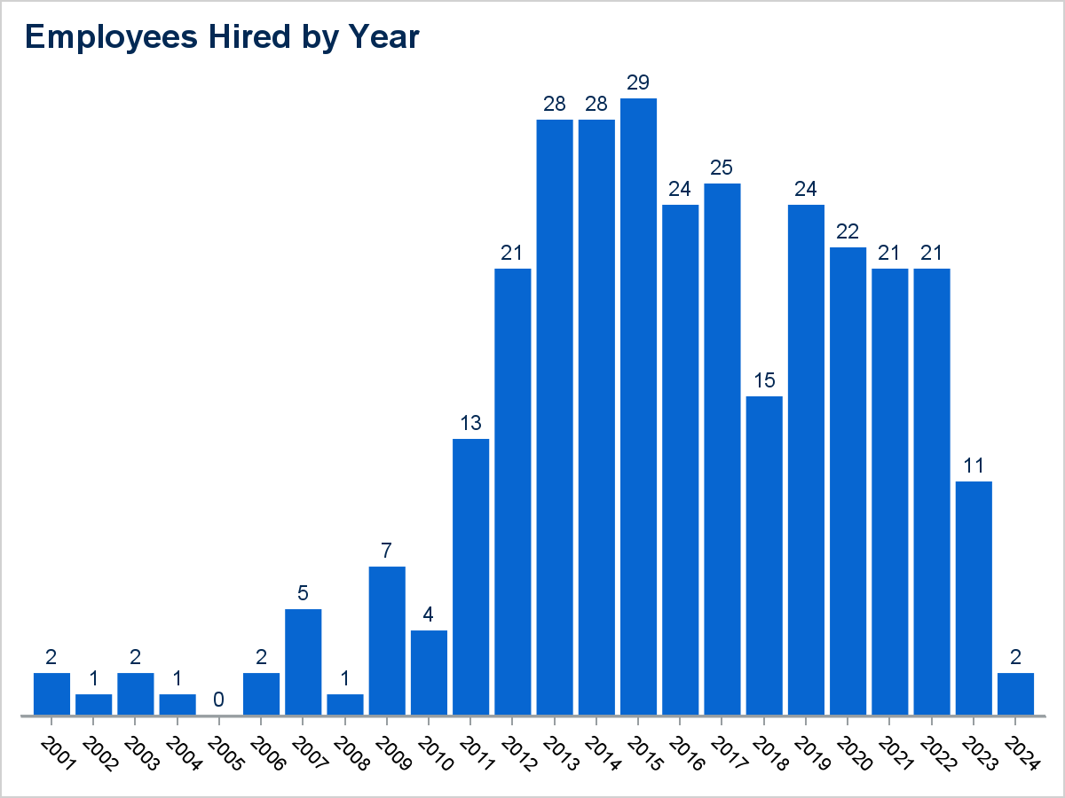
Employee Company Overview Information

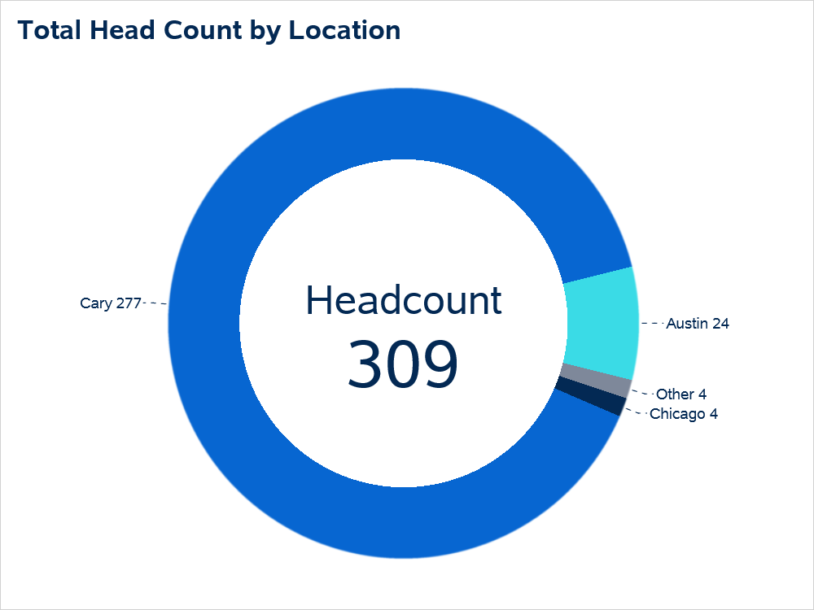

Office Location | Total Employees
Cary | 277
Austin | 24
Chicago | 4
L.A. | 3
Maryland | 1

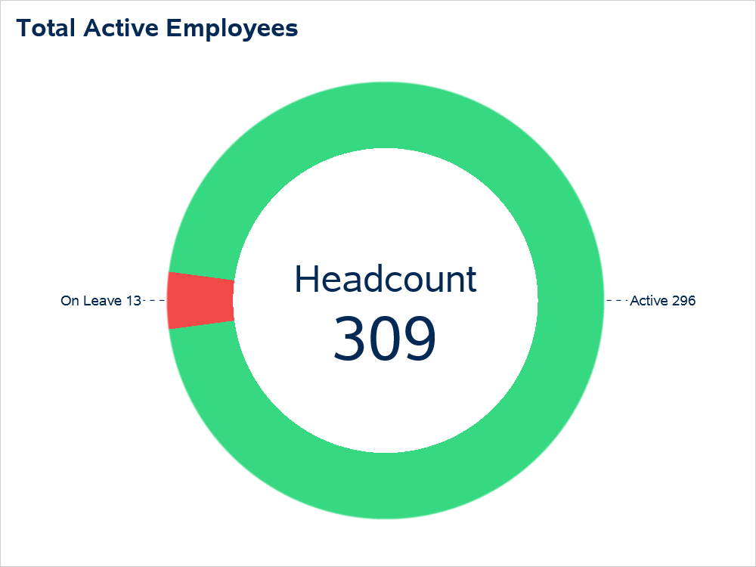

Employee Status | Total Employees
Active | 296
On Leave | 13

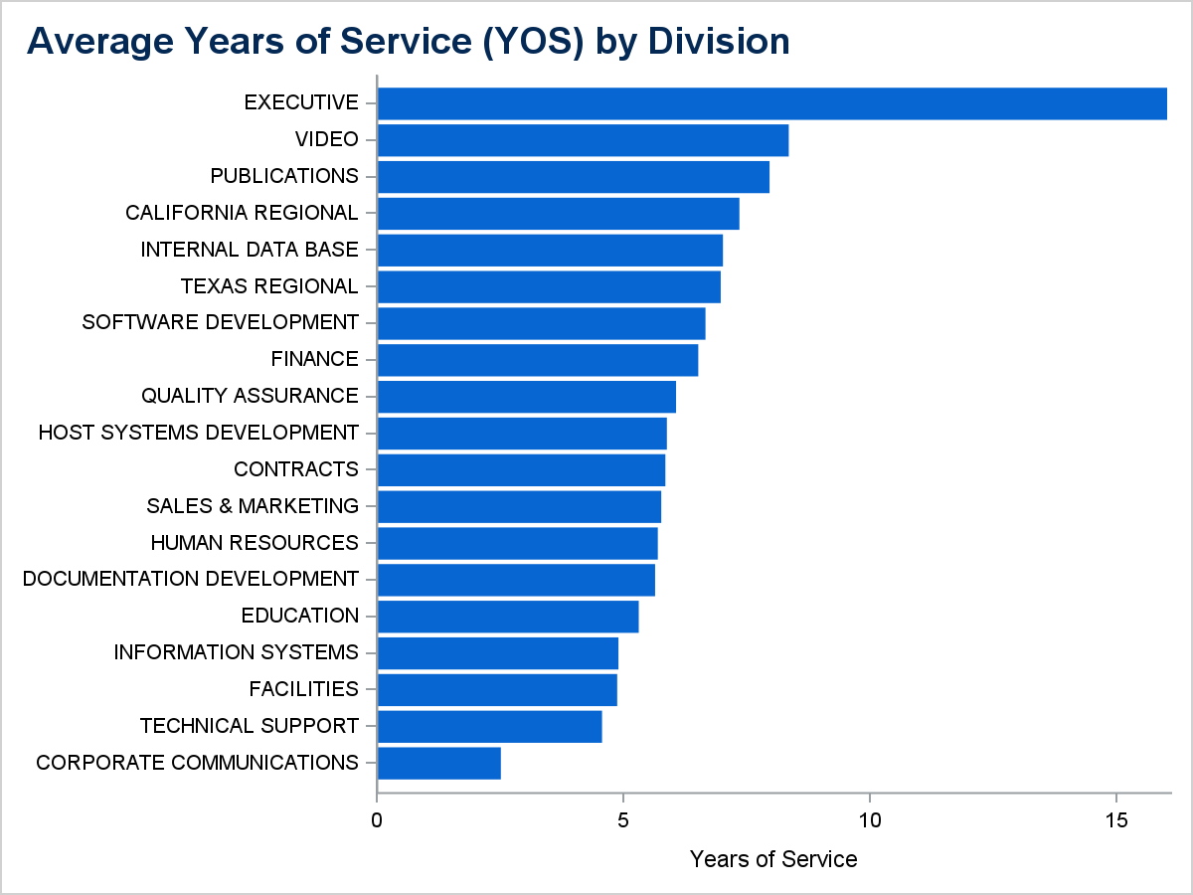

Division | Avg YOS
EXECUTIVE | 16
PUBLICATIONS | 8
VIDEO | 8
INTERNAL DATA BASE | 7
TEXAS REGIONAL | 7
FINANCE | 7
CALIFORNIA REGIONAL | 7
SOFTWARE DEVELOPMENT | 7
SALES & MARKETING | 6
QUALITY ASSURANCE | 6
HUMAN RESOURCES | 6
HOST SYSTEMS DEVELOPMENT | 6
CONTRACTS | 6
DOCUMENTATION DEVELOPMENT | 6
FACILITIES | 5
EDUCATION | 5
INFORMATION SYSTEMS | 5
TECHNICAL SUPPORT | 5
CORPORATE COMMUNICATIONS | 3

Employee Leave
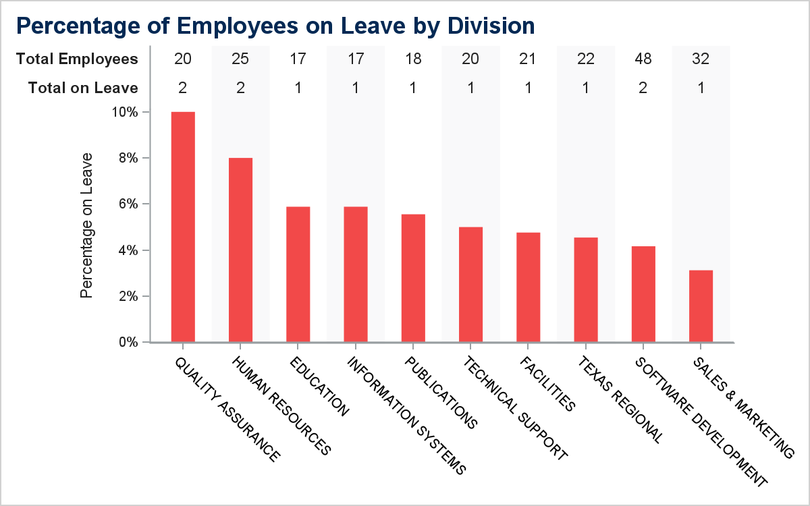
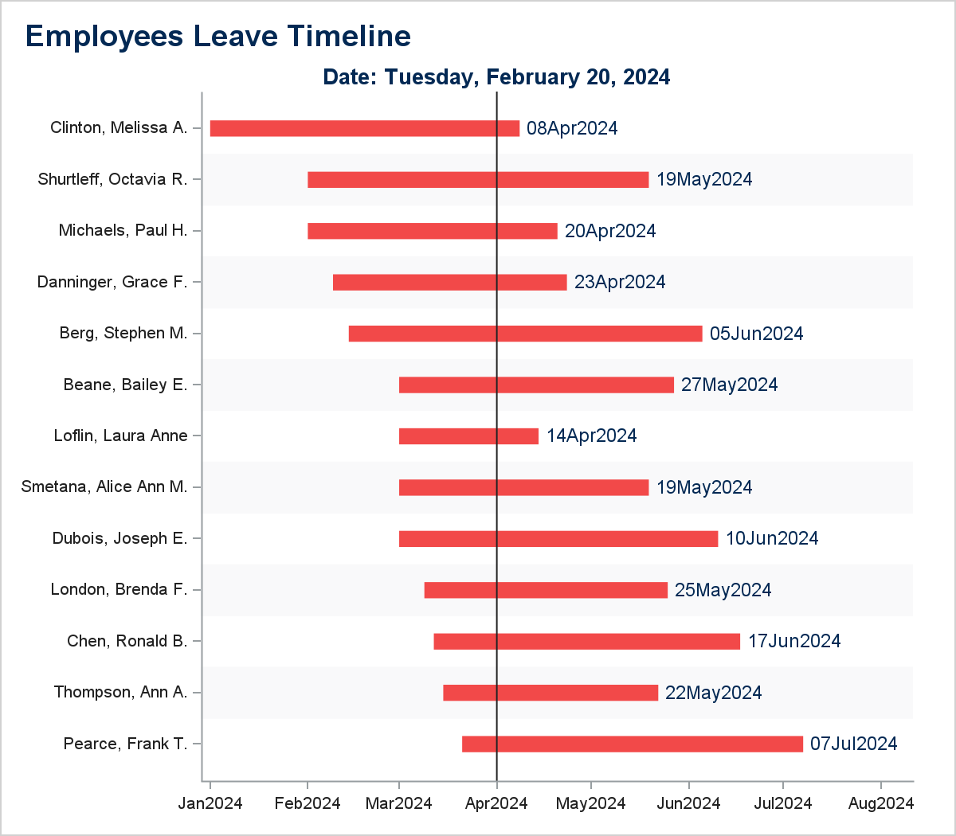
Employees on Leave Overview

NAME | IDNUM | EMPNO | DIVISION | JOBCODE | TITLE | LVNOTES | LVBEGDTE | LVENDDTE | PRPERCNT | LVSALARY
Pearce, Frank T. | 063-30-3356 | 000221 | QUALITY ASSURANCE | QA0004 | MGR, QA GROUP | LONG-TERM FAMILY MEMBER ILL | 2024-03-21 | 2024-07-07 | 0.09 | $4,158.00
Thompson, Ann A. | 111-11-1111 | 001111 | SALES & MARKETING | SAM003 | ADMIN SPEC II | LONG-TERM FAMILY MEMBER ILL | 2024-03-15 | 2024-05-22 | 0.09 | $10,080.00
Chen, Ronald B. | 333-15-3667 | 000233 | TEXAS REGIONAL | TXR009 | PRODUCT MGR | LONG-TERM FAMILY MEMBER ILL | 2024-03-12 | 2024-06-17 | 0.09 | $10,080.00
London, Brenda F. | 730-68-6313 | 000476 | SOFTWARE DEVELOPMENT | DPD001 | SR SYS DEVELOPER | MATERNITY LEAVE | 2024-03-09 | 2024-05-25 | 1 | $168,000.00
Dubois, Joseph E. | 333-88-7115 | 000683 | HUMAN RESOURCES | HR0007 | CHILDCARE SUBSTITUTE | FAMILY PROBLEM | 2024-03-01 | 2024-06-10 | 0.5 | $8,400.00
Smetana, Alice Ann M. | 536-63-9980 | 000817 | HUMAN RESOURCES | HR0012 | FOOD SVC TECH I | SICKNESS | 2024-03-01 | 2024-05-19 | 0.7 | $39,200.00
Loflin, Laura Anne | 531-88-6044 | 008000 | INFORMATION SYSTEMS | IS0008 | INFO SYS ANALYST | SICKNESS | 2024-03-01 | 2024-04-14 | 0.7 | $58,800.00
Beane, Bailey E. | 111-88-7176 | 000729 | TECHNICAL SUPPORT | TS0006 | TECH SUP ANALYST I | SICKNESS | 2024-03-01 | 2024-05-27 | 0.7 | $30,380.00
Berg, Stephen M. | 214-01-1720 | 000991 | SOFTWARE DEVELOPMENT | CG0003 | SYS DEVELOPER | FAMILY PROBLEM | 2024-02-14 | 2024-06-05 | 1 | $116,200.00
Danninger, Grace F. | 333-88-1903 | 000647 | QUALITY ASSURANCE | QA0004 | MGR, QA GROUP | MATERNITY LEAVE | 2024-02-09 | 2024-04-23 | 1 | $55,300.00
Michaels, Paul H. | 709-57-8766 | 000438 | EDUCATION | EDU010 | MGR, INTEGRATED SYS | FAMILY PROBLEM | 2024-02-01 | 2024-04-20 | 0.5 | $45,500.00
Shurtleff, Octavia R. | 333-88-7700 | 000639 | PUBLICATIONS | PUB014 | MGR, EDITORIAL SRVS | MATERNITY LEAVE | 2024-02-01 | 2024-05-19 | 1 | $71,400.00
Clinton, Melissa A. | 333-88-7315 | 000698 | FACILITIES | FAC006 | HOUSEKEEPER | FAMILY PROBLEM | 2024-01-01 | 2024-04-08 | 0.5 | $8,750.00

