Company Overview
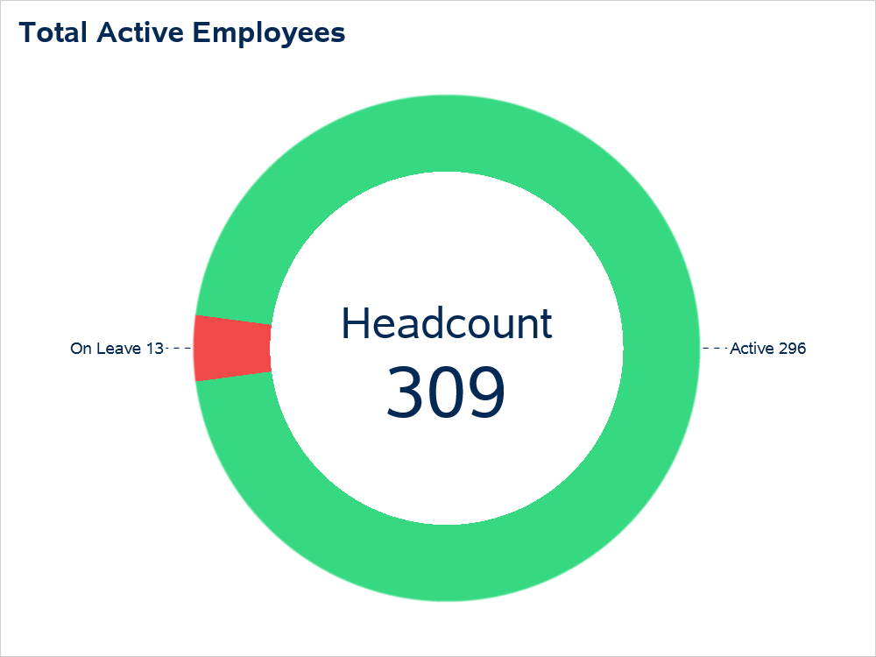
Employee Company Overview Information

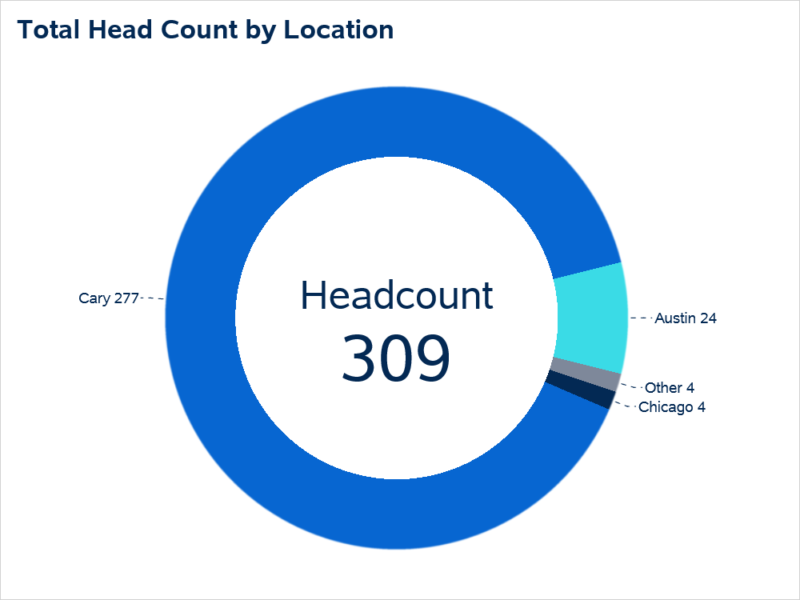

Office Location | Total Employees
Cary | 277
Austin | 24
Chicago | 4
L.A. | 3
Maryland | 1

