Sheet1
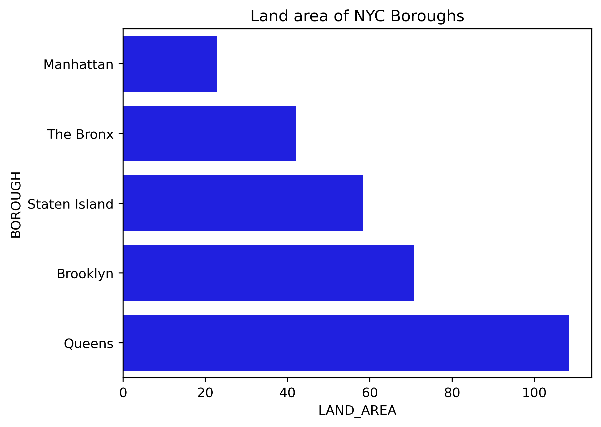
BOROUGH | LAND_AREA | LOCATION | PCT | NUMBER
Manhattan | 22.83 | NYC | 0.6038141187 | 410
The Bronx | 42.1 | NYC | 0.27711568455 | 310
Staten Island | 58.37 | NYC | 0.15600974063 | 850
Brooklyn | 70.82 | NYC | 0.98411246971 | 380
Queens | 108.53 | NYC | 0.59640395003 | 50

Land area of NYC Boroughs

