inlet
Proved to be too difficult to obtain stock, inserted Cu:Ni tube at the end of the intake and also where the outlet exits the hose.

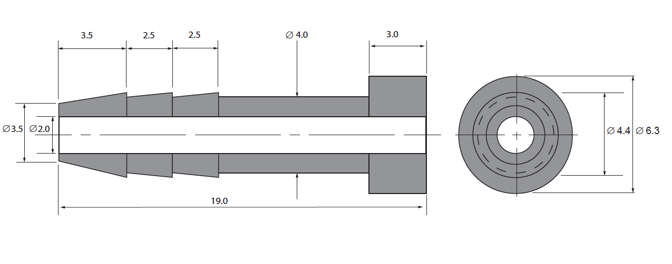

Note: need to use shoreA 84 or softer, designed not to be ridiculously difficult to insert. Rework station at 200C went well.
The corrosion rate at 200 days exposure in seawater (mil per year)
copper C10200 is about 1.6m/yr
Be:Cu C17200 is about 1.3m/yr
90:10 Cu Ni 1m/yr
70:30 Cu Ni with 0.5 Fe 0.4m/yr
Cu:Ni:Sn suggested, more has antifouling characteristics and low corrosion rates but no data yet.
Paul McMaster.
Managing Director
James Coppell Lee
20 Merri Concourse Campbellfield
Victoria. Australia. 3061.
Ph: +613 9357 9613
Fax: +613 9357 9608
Mbl: 0427 551 625
Email: sales@jacopplee.com

See the Prelaunch RAS intake.docx
dropbox and sofs7 files.

CO2
ottle | SOMMA salinity | TCO2µmol/kg | TCO2flag | TA µmol/kg | TA flag
SOFS7 RAS8 no 2 | 34.904 | 2090.85 | 2 | 2298.39 | 2
diln corrected |  | 2107.31 |  | 2316.49
CTD | bpos | prDM | t090C | sal00 | sbeox1Mm/L | DIC/Alk | Lat | Long | Date/time |  | Alkalinity | TA flag | TCO2 | TCO2 flag
 |  |  |  |  |  |  |  |  |  |  | µmol/kg |  | µmol/kg
2 | 1 | 2001.3 | 2.450 | 34.668 | 175.321 | 1 | 46.9994 | 142.00276667 | 04032018T1814 |  | 2345.68 | 2 | 2255.75 | 2
2 | 2 | 1601.0 | 2.874 | 34.521 | 174.361 | 2 | 46.9994 | 142.00276667 | 04032018T1815 |  | 2334.39 | 2 | 2246.60 | 2
2 | 5 | 1200.8 | 3.953 | 34.364 | 198.327 | 3 | 46.9994 | 142.00276667 | 04032018T1816 |  | 2310.02 | 2 | 2212.45 | 2
2 | 9 | 1000.1 | 5.063 | 34.322 | 216.705 | 4 | 46.9994 | 142.00276667 | 04032018T1817 |  | 2293.65 | 2 | 2185.26 | 2
2 | 11 | 800.7 | 7.150 | 34.441 | 218.585 | 5 | 46.9994 | 142.00276667 | 04032018T1818 |  | 2291.19 | 2 | 2163.37 | 2
2 | 14 | 400.3 | 9.063 | 34.636 | 270.382 | 6 | 46.9994 | 142.00276667 | 04032018T1819 |  | 2294.91 | 6 | 2128.72 | 2
2 | 16 | 300.9 | 9.314 | 34.672 | 269.450 | 7 | 46.9994 | 142.00276667 | 04032018T1820 |  | 2295.54 | 2 | 2129.03 | 2
2 | 18 | 201.4 | 9.103 | 34.599 | 273.979 | 8 | 46.9994 | 142.00276667 | 04032018T1821 |  | 2293.32 | 2 | 2125.34 | 2
2 | 23 | 125.5 | 9.189 | 34.591 | 271.343 | 9 | 46.9994 | 142.00276667 | 04032018T1822 |  | 2290.89 | 2 | 2128.06 | 2
2 | 26 | 100.9 | 9.649 | 34.632 | 267.578 | 10 | 46.9994 | 142.00276667 | 04032018T1823 |  | 2292.36 | 2 | 2120.77 | 2
2 | 32 | 24.4 | 11.409 | 34.564 | 280.573 | 11 | 46.9994 | 142.00276667 | 04032018T1824 |  | 2293.68 | 2 | 2089.00 | 2
2 | 36 | 6.2 | 11.406 | 34.564 | 280.740 | 12 | 46.9994 | 142.00276667 | 04032018T1825 |  | 2293.28 | 2 | 2089.03 | 2
4 | 1 | 2000.6 | 2.441 | 34.672 | 173.759 | 13 | 46.9973 | 141.9999 | 08032018T1312 |  | 2352.25 | 2 | 2259.08 | 2
4 | 3 | 1600.4 | 2.811 | 34.527 | 175.380 | 14 | 46.9973 | 141.9999 | 08032018T1313 |  | 2333.78 | 2 | 2247.65 | 2
4 | 5 | 1199.9 | 3.870 | 34.383 | 193.865 | 15 | 46.9973 | 141.9999 | 08032018T1314 |  | 2313.83 | 2 | 2215.95 | 2
4 | 7 | 799.6 | 6.407 | 34.384 | 219.849 | 16 | 46.9973 | 141.9999 | 08032018T1315 |  | 2289.81 | 2 | 2170.01 | 2
4 | 14 | 351.6 | 9.181 | 34.655 | 259.287 | 17 | 46.9973 | 141.9999 | 08032018T1316 |  | 2294.81 | 2 | 2131.93 | 2
4 | 18 | 300.8 | 9.497 | 34.707 | 263.191 | 18 | 46.9973 | 141.9999 | 08032018T1317 |  | 2296.78 | 6 | 2127.51 | 2
4 | 21 | 199.8 | 9.226 | 34.618 | 271.137 | 19 | 46.9973 | 141.9999 | 08032018T1318 |  | 2294.04 | 2 | 2125.47 | 2
4 | 25 | 150.9 | 9.865 | 34.731 | 264.206 | 20 | 46.9973 | 141.9999 | 08032018T1319 |  | 2298.18 | 2 | 2125.10 | 2
4 | 27 | 100.0 | 11.758 | 34.710 | 270.772 | 21 | 46.9973 | 141.9999 | 08032018T1320 |  | 2302.09 | 2 | 2094.90 | 2
4 | 29 | 75.7 | 11.754 | 34.686 | 274.140 | 27 | 46.9973 | 141.9999 | 08032018T1321 |  | 2301.75 | 6 | 2090.39 | 2
4 | 34 | 25.2 | 11.941 | 34.683 | 278.062 | 23 | 46.9973 | 141.9999 | 08032018T1322 |  | 2302.25 | 2 | 2084.30 | 2
4 | 35 | 5.3 | 11.933 | 34.658 | 278.651 | 24 | 46.9973 | 141.9999 | 08032018T1323 |  | 2300.60 | 2 | 2087.25 | 2

Alkalinity QC data CTD casts only |  |  |  |  |  |  |  |  | TCO2 QC data CTD casts only

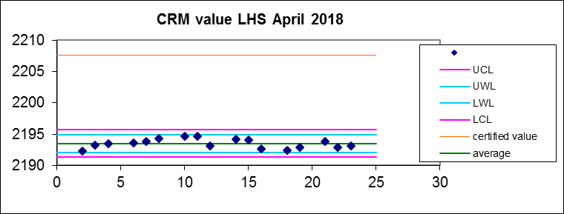
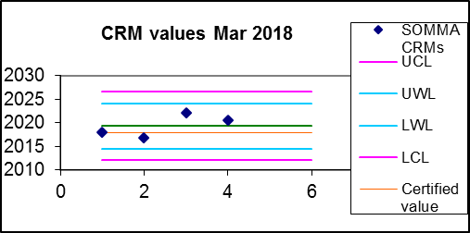
CRMs used for data correction |  |  |  |  |  |  |  |  | CRMs used for data correction
Alkalinity | µmol/kg |  |  |  |  |  |  |  | SOMMA CRMs | µmol/kg
average | 2193.49 |  |  |  |  |  |  |  | Control limit table
stdev | 0.73 |  |  |  |  |  |  |  | average | 2019.33
n | 17 |  |  |  |  |  |  |  | stdev | 2.40
UCL | 2195.68 |  |  |  |  |  |  |  | n | 4
UWL | 2194.95 |  |  |  |  |  |  |  | UCL | 2026.53
LWL | 2192.03 |  |  |  |  |  |  |  | UWL | 2024.13
LCL | 2191.30 |  |  |  |  |  |  |  | LWL | 2014.53
certified value | 2207.64 |  |  |  |  |  |  |  | LCL | 2012.13
95%ci | 1.4326480389 |  |  |  |  |  |  |  | Certified value | 2017.95
 |  |  |  |  |  |  |  |  | 95%ci | 4.7053439052
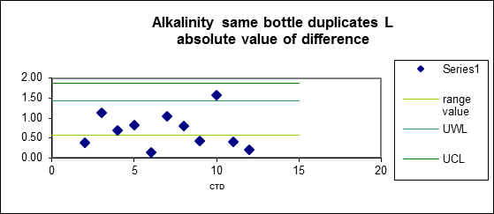
Alkalinity duplicates
LHS same bottles |  |  |  |  |  |  |  |  | CRM | Average for day | Correction applied | Samples
Control limit table |  |  |  |  |  |  |  |  | 482 | 2017.37 | 0.58 | 1-12
average of abs differences | 0.69 |  |  |  |  |  |  |  | 1052 | 2021.30 | -3.35 | 13-24
s.d. | 0.44
n | 11
range value | 0.57
UWL | 1.43
UCL | 1.86

CRM average | Correction factor applied
2193.49 | 1.00445

