Table_S2_Similarity_Matrix
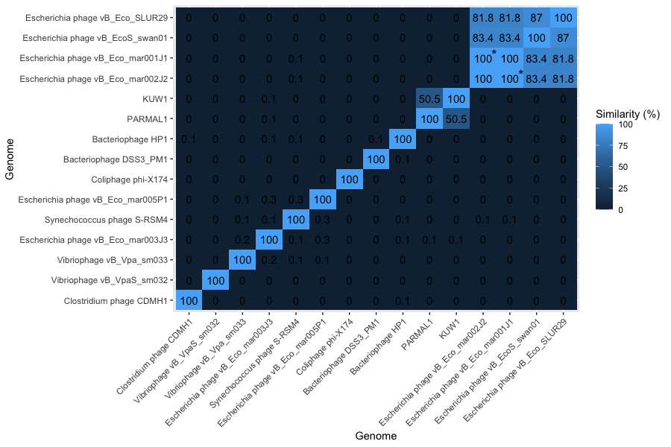
genome | PHAGE1 | SRSM4 | J3 | vB_Vpa_sm033 | HP1 | VP1 | J1 | J2 | SLUR29 | SWAN | SM032 | KUW1 | PARMAL1 | NC_001422 | NC_024144
PHAGE1 | 100 | 0.344 | 0.266 | 0.065 | 0 | 0 | 0 | 0 | 0 | 0 | 0.019 | 0 | 0.027 | 0 | 0.042
SRSM4 | 0.344 | 100 | 0.072 | 0.07 | 0.069 | 0 | 0.051 | 0.051 | 0.017 | 0.044 | 0 | 0 | 0 | 0 | 0.022
J3 | 0.266 | 0.072 | 100 | 0.21 | 0.129 | 0 | 0.048 | 0.048 | 0.046 | 0 | 0.026 | 0.08 | 0.091 | 0 | 0.032
vB_Vpa_sm033 | 0.065 | 0.07 | 0.21 | 100 | 0 | 0 | 0 | 0 | 0 | 0 | 0 | 0.015 | 0 | 0 | 0
HP1 | 0.026 | 0.069 | 0.129 | 0.008 | 100 | 0.12 | 0 | 0 | 0 | 0 | 0 | 0 | 0 | 0 | 0.078
VP1 | 0.011 | 0 | 0 | 0.015 | 0.12 | 100 | 0 | 0 | 0 | 0 | 0 | 0 | 0 | 0 | 0
J1 | 0 | 0.051 | 0.048 | 0 | 0 | 0 | 100 | 100 | 81.832 | 83.379 | 0 | 0 | 0 | 0 | 0
J2 | 0 | 0.051 | 0.048 | 0 | 0 | 0 | 100 | 100 | 81.822 | 83.368 | 0 | 0 | 0 | 0 | 0
SLUR29 | 0 | 0.017 | 0.046 | 0 | 0 | 0 | 81.832 | 81.822 | 100 | 86.967 | 0 | 0 | 0 | 0 | 0
SWAN | 0 | 0.044 | 0 | 0 | 0 | 0 | 83.379 | 83.368 | 86.967 | 100 | 0 | 0 | 0 | 0 | 0
SM032 | 0.019 | 0 | 0.026 | 0.006 | 0 | 0 | 0 | 0 | 0 | 0 | 100 | 0 | 0 | 0 | 0
KUW1 | 0 | 0.012 | 0.08 | 0.015 | 0 | 0 | 0 | 0 | 0 | 0 | 0 | 100 | 50.469 | 0 | 0
PARMAL1 | 0.027 | 0 | 0.091 | 0 | 0 | 0 | 0 | 0 | 0 | 0 | 0 | 50.469 | 100 | 0 | 0
NC_001422 | 0.027 | 0.012 | 0.021 | 0.016 | 0 | 0 | 0 | 0 | 0 | 0 | 0 | 0 | 0 | 100 | 0
NC_024144 | 0.042 | 0.022 | 0.032 | 0.006 | 0.078 | 0 | 0 | 0 | 0 | 0 | 0 | 0 | 0 | 0 | 100

