Conversion_efficiency
 |  |  |  | from source 3
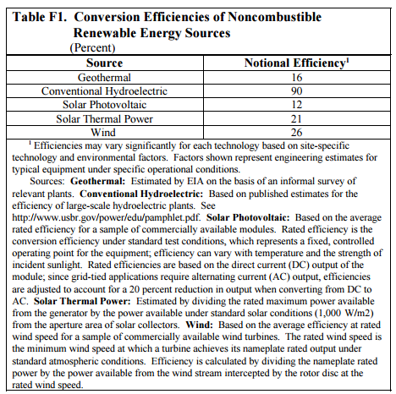
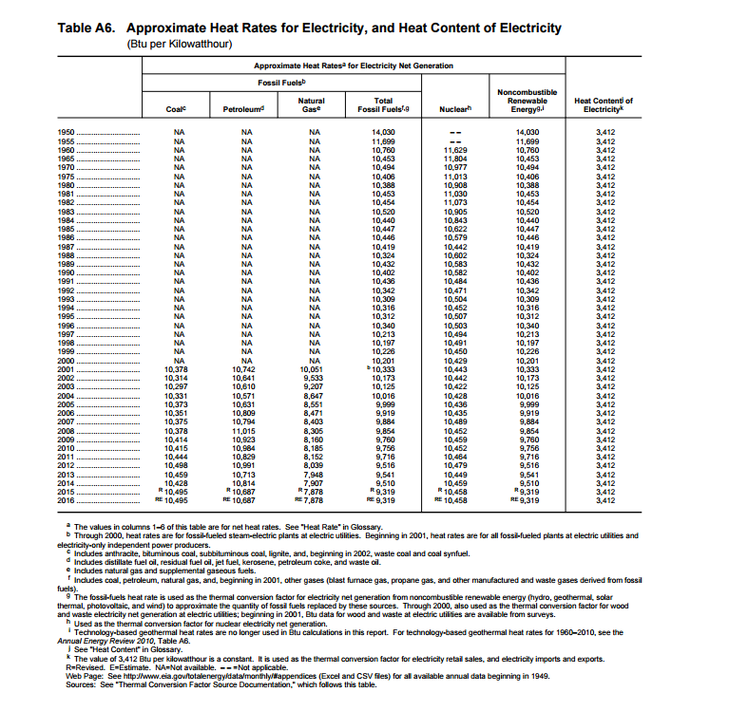
 | Avg fossil to electricity efficiency | Notional efficiency | Ratio fossil eq efficiency:notional efficiency

Conventional Hydroelectric | 35.6% | 90% | 0.40
Wind | 35.6% | 26% | 1.37
Solar photovoltaic | 35.6% | 12% | 2.97
Solar thermal | 35.6% | 21%
Geothermal | 35.6% | 16% | 2.22

