Favorite Ice Cream Flavors
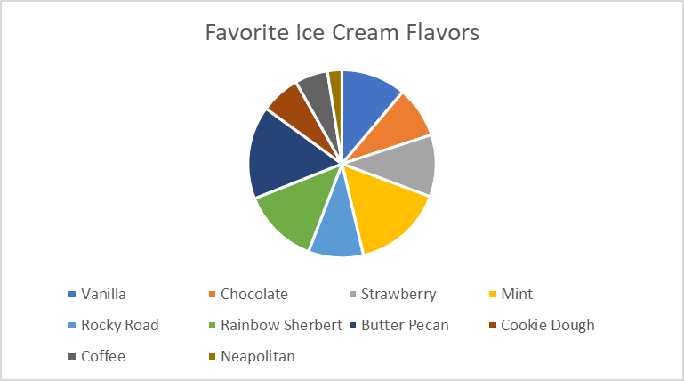
Flavor | Number of Faves | Percentage of Total
Vanilla | 67 | 11%
Chocolate | 53 | 9%
Strawberry | 64 | 11%
Mint | 94 | 16%
Rocky Road | 57 | 10%
Rainbow Sherbert | 79 | 13%
Butter Pecan | 96 | 16%
Cookie Dough | 41 | 7%
Coffee | 34 | 6%
Neapolitan | 15 | 3%

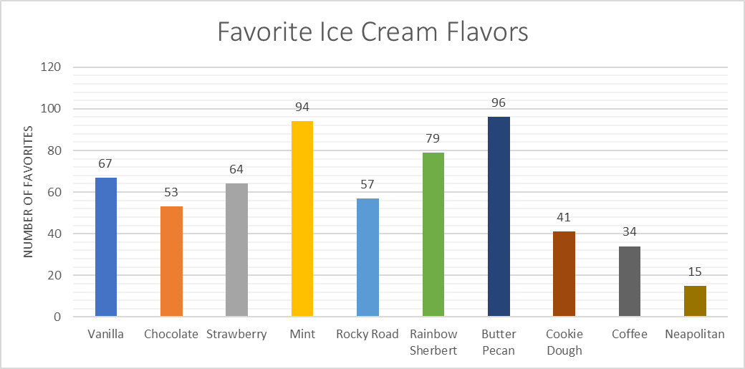
Participants
600

Ice Cream Sales
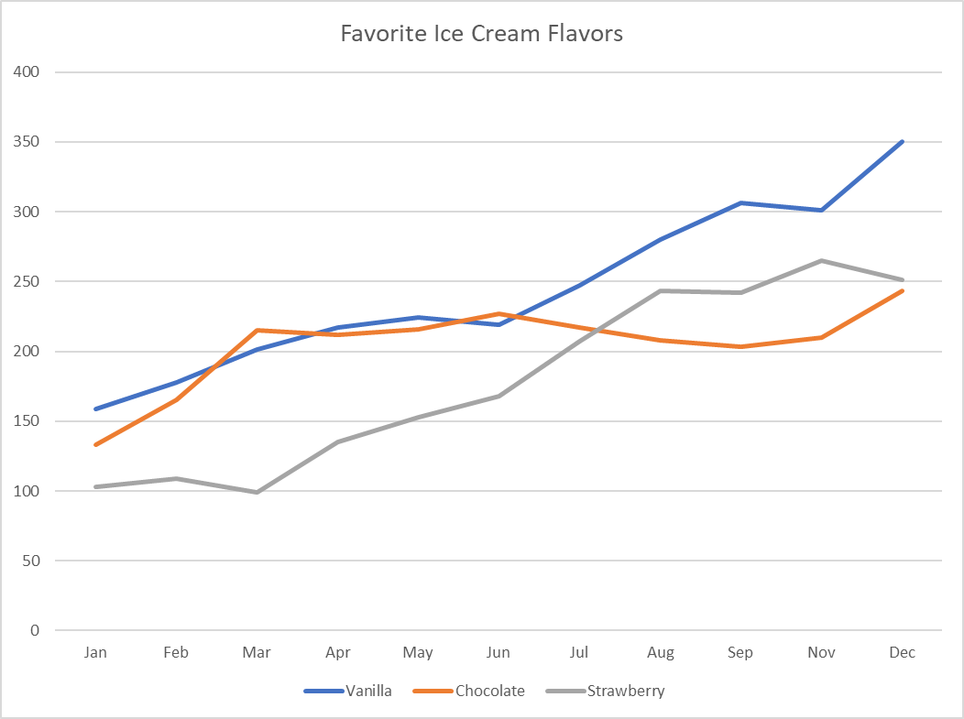
 | Jan | Feb | Mar | Apr | May | Jun | Jul | Aug | Sep | Nov | Dec
Vanilla | 159 | 178 | 201 | 217 | 224 | 219 | 247 | 280 | 306 | 301 | 350
Chocolate | 133 | 165 | 215 | 212 | 216 | 227 | 217 | 208 | 203 | 210 | 243
Strawberry | 103 | 109 | 99 | 135 | 153 | 168 | 207 | 243 | 242 | 265 | 251
Mint | 88 | 116 | 163 | 208 | 254 | 292 | 318 | 350 | 360 | 373 | 386
Rocky Road | 182 | 214 | 258 | 295 | 327 | 328 | 353 | 374 | 418 | 441 | 453
Rainbow Sherbert | 42 | 55 | 62 | 73 | 121 | 127 | 163 | 209 | 220 | 248 | 273
Butter Pecan | 32 | 55 | 87 | 80 | 65 | 90 | 77 | 99 | 120 | 137 | 123
Cookie Dough | 140 | 141 | 149 | 163 | 180 | 167 | 200 | 232 | 228 | 216 | 202
Coffee | 95 | 118 | 124 | 126 | 148 | 171 | 193 | 185 | 172 | 165 | 198
Neapolitan | 44 | 69 | 85 | 85 | 124 | 110 | 130 | 137 | 159 | 165 | 201

