Equipment List
Project | Step | Equipment Type | Equipment Type | Material | Purpose | Capacity / L | Equipment No. |  | Tank Check |  |  |  |  |  | Valve Check |  |  |  | Cleaning Check |  |  |  | Tank Nozzle Piping Connection Check |  |  |  | Polishing Check |  |  |  | Lighting Check |  |  |  | Agitator Check |  |  |  | Tee Dead-Leg Check |  |  |  | Instrument Check
 |  |  |  |  |  |  |  | Category | Tank | Compliant? (Description) | P&ID before Retrofit | Non-compliance Photo | P&ID after Retrofit | Retrofit Photo | Valves (diaphragm valve installation angle) | Compliant? (Description) | Non-compliance Photo | Retrofit Photo | Cleaning | Compliant? (Description) | Non-compliance Photo | Retrofit Photo | Tank Nozzle Piping Connection | Compliant? (Description) | Non-compliance Photo | Retrofit Photo | Polishing | Compliant? (Description) | Non-compliance Photo | Retrofit Photo | Lighting | Compliant? (Description) | Non-compliance Photo | Retrofit Photo | Agitator | Compliant? (Description) | Non-compliance Photo | Retrofit Photo | Dead Legs at Tees | Compliant? (Description) | Non-compliance Photo | Retrofit Photo | Location | Instrument Compliance | Compliant? (Description) | P&ID before Retrofit | Non-compliance Photo | P&ID after Retrofit | Retrofit Photo | Documentation | Risk Assessment
139788 | step3 | TFF | Tank | 316L | Hold Tank | 1000L | TJ4S-1211-TFF02-T01 | Category 4 | 316L | Non-compliant Replace the tank with a BPE-compliant tank; Separate inlet for each material; Add in-line CIP to the tank; | 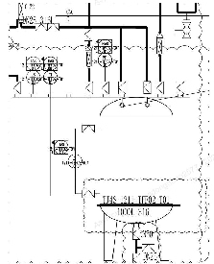 | 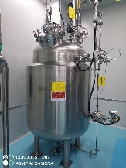 | 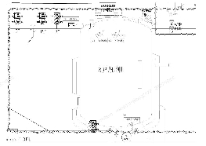 | To be provided after retrofit | Diaphragm valve | No, level gauge diaphragm valve angle non-compliant, prone to product hold-up; |  | To be provided after retrofit | Removable for cleaning, drainable, compliant | Compliant | N/A | N/A | 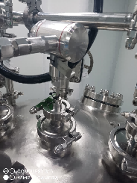 Clamp connections on site, compliant | Compliant | N/A | N/A | Compliant Internal surface finish: NMT 25 µin Ra or 0.63 µm | Compliant | N/A | N/A | Sight-glass light provided | Non-compliant, no sight-glass light |  | To be provided after retrofit | Not applicable | N/A | N/A | N/A | 3D compliant, minimum dead-leg design | No, tee on the water inlet line is too long, cleaning dead leg present | 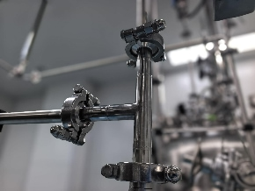 | To be provided after retrofit | LT-001 differential-pressure level transmitter | No, manual valve installed on the side port of the DP level transmitter | Root connection at tank does not meet 3D |  |  |  | To be provided after retrofit | Compliant
 |  |  |  |  |  |  |  |  |  |  |  |  |  |  |  | No, level gauge diaphragm valve angle non-compliant, prone to product hold-up; |  |  |  |  |  |  |  |  |  |  |  |  |  |  |  |  |  |  |  |  |  |  |  |  |  |  | PT-001 remote-reading pressure gauge | No, manual valve installed below the pressure gauge | Root connection at tank does not meet 3D |  |  |  | To be provided after retrofit | Compliant
 |  |  |  |  |  |  |  |  |  |  |  |  |  |  |  | No, pneumatic diaphragm valve angle on the feed line non-compliant, prone to product hold-up; other valve angles acceptable |  |  |  |  |  |  |  |  |  |  |  |  |  |  |  |  |  |  |  |  |  |  |  | No, tee lengths at tank bottom outlet and drain port non-compliant, cleaning dead legs present; | 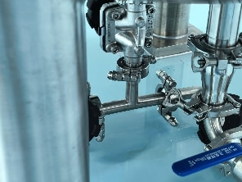 | To be provided after retrofit | TT-001 temperature sensor | No, thermometer is of the dip-tube type | BPE does not allow dip-tube thermometers |  |  |  | To be provided after retrofit | Compliant
 |  |  |  |  |  |  |  |  |  |  |  |  |  |  |  | Root connection at tank does not meet 2D
 |  |  | TFF | 316L | TFF | 30m2 | TJ4S-1211-TFF02 | Category 4 | 316L | 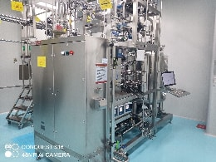 Compliant |  | N/A | N/A | N/A | Diaphragm valve | 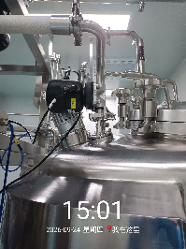 Compliant | N/A | N/A | Removable for cleaning, drainable, compliant | Compliant Ball valve downstream of the check valve on the waste drain line; all others are diaphragm valves | N/A | N/A |  Clamp connections on site, compliant | Compliant | N/A | N/A | Compliant Internal surface finish: NMT 25 µin Ra or 0.63 µm | Compliant | N/A | N/A | Sight-glass light provided | Compliant, sight-glass light provided | N/A | N/A | 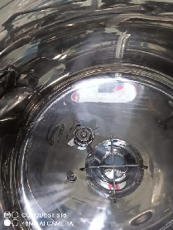 Tank has a bottom-mounted agitator | N/A | N/A | N/A | 3D compliant, minimum dead-leg design | Compliant | N/A | N/A | N/A | N/A | N/A | N/A | N/A | N/A | N/A | Compliant

Piping List
Project | Step | Process Step | Line From | Line To | Material / Size | Fluid | Piping Standard | Connection Check |  |  |  | Piping Standard |  |  |  | Valve Type Check |  |  |  | Cleaning Check |  |  |  | Polishing Check |  |  |  | Slope Check |  |  |  | Non-drainable Flowmeter Check |  |  |  | Low-Point Drain Check
 |  |  |  |  |  |  |  | Connection Type | Compliant? (Description) | Non-compliance Photo | Retrofit Photo | Piping Standard | Compliant? (Description) | Non-compliance Photo | Retrofit Photo | Valve Type | Compliant? (Description) | Non-compliance Photo | Retrofit Photo | Cleaning | Compliant? (Description) | Non-compliance Photo | Retrofit Photo | Polishing | Compliant? (Description) | Non-compliance Photo | Retrofit Photo | Slope | Compliant? (Description) | Non-compliance Photo | Retrofit Photo | Non-drainable Flowmeter | Compliant? (Description) | Non-compliance Photo | Retrofit Photo | Low-point drain on line? | Compliant? (Description) | Non-compliance Photo | Retrofit Photo | Documentation | Risk Assessment
139788 | step3 | TFF | TJ4S-1211-HPPC03-AT03 | TJ4S-1211-TFF02-T01 | 316L Stainless Steel/DN25 | Prep fraction addition | Category 4 | Sanitary clamp | Compliant | N/A | N/A | BPE | Compliant | N/A | N/A | Diaphragm valve | Compliant | N/A | N/A | 1. Line can be CIP-cleaned, with forward and reverse flushing; 2. 3D design to minimize residual dead legs; | Non-compliant |  | To be provided after retrofit | Compliant | Compliant | N/A | N/A | Slope > 1%, fully drainable | Compliant | N/A | N/A | Flowmeter installed vertically | Compliant | N/A | N/A | Line low points meet 3D; | Non-compliant | 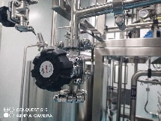 | To be provided after retrofit | Compliant
 |  |  | TJ4S-1211-TFF02-T01 | TJ4S-1211-TFF02 | 316L Stainless Steel/DN25 | Prep fraction and methanol addition | Category 4 | Sanitary clamp | Compliant | N/A | N/A | BPE | Compliant | N/A | N/A | Diaphragm valve | Compliant | N/A | N/A | 1. Line is CIP-capable; 2. Line filter cleaned offline; filter replaced by a jumper for CIP; 3. Line filter body: add a drain point; 4. 3D design to minimize residual dead legs; | Non-compliant |  | To be provided after retrofit | Compliant | Compliant | N/A | N/A | Slope > 1%, fully drainable | Compliant | N/A | N/A | Not applicable | Not applicable | N/A | N/A | No low-point drain | Non-compliant No low-point drain on line No low-point drain on filter |  | To be provided after retrofit | Compliant
 |  |  | Solvent Drum | TJ4S-1211-TFF02 | 316L Stainless Steel/DN25 | ACN / water addition | Category 3 | Sanitary clamp | Compliant | N/A | N/A | BPE | Non-compliant; line to be replaced with BPE tubing; | N/A | To be provided after retrofit | Diaphragm valve | Compliant | N/A | N/A | 1. Solvent line purged with N2, no in-line CIP; 2. Line filter cleaned offline; 3. 3D design to minimize residual dead legs; | Non-compliant |  | To be provided after retrofit | Compliant | Compliant | N/A | N/A | Slope > 1%, fully drainable | Compliant | N/A | N/A | Not applicable | Not applicable | N/A | N/A | 1. Add a line low point for gravity drainage; 2. Line filter body: add a drain point; | Pneumatic pump: drains before/after pump, N2 purge; ACN filter inlet has a drain port | No low-point drain | To be provided after retrofit | Compliant
 |  |  | CNC-Solvent | TJ4S-1211-TFF02-T01 | 316L Stainless Steel/DN25 | Methanol addition | Category 3 | Sanitary clamp | Compliant | N/A | N/A | BPE | Non-compliant; line to be replaced with BPE tubing; | N/A | To be provided after retrofit | Diaphragm valve | Compliant | N/A | N/A | 1. Solvent line purged with N2, no in-line CIP; 2. Line filter cleaned offline; 3. Drummed solvent can be fed directly to the equipment or via a spray ball; 4. 3D design to minimize residual dead legs; | Non-compliant |  | To be provided after retrofit | Compliant | Compliant | N/A | N/A | Slope > 1%, fully drainable | Compliant | N/A | N/A | Not applicable | Not applicable | N/A | N/A | 1. Add a line low point for gravity drainage; 2. Line filter body: add a drain point; | Pneumatic pump: drains before/after pump, N2 purge; |  | To be provided after retrofit | Compliant
 |  |  | TJ4S-1211-R02 | TJ4S-1211-TFF02 | 316L Stainless Steel/DN25 | NaOH solution addition | Category 3 | Sanitary clamp | Compliant | N/A | N/A | BPE | Non-compliant; line to be replaced with BPE tubing; | N/A | To be provided after retrofit | Diaphragm valve | Compliant | N/A | N/A | 1. Line is CIP-capable; 3. Line filter cleaned offline; filter replaced by a jumper for CIP; 6. 3D design to minimize residual dead legs; | Non-compliant |  | To be provided after retrofit | Compliant | Compliant | N/A | N/A | Slope > 1%, fully drainable | Compliant | N/A | N/A | Not applicable | Not applicable | N/A | N/A | 1. Add a line low point for gravity drainage; 2. Line filter body: add a drain point; | No low-point drain Non-compliant | No low-point drain | To be provided after retrofit | Compliant

