Weld Photo Details
Weld Inspection Photos of Equipment and Facilities: Details and Rationale
No. | Piping / Fitting Category | Weld Type | Inspection Approach | Assessment | External Surface Photo | Borescope Photo | Acceptance Record
1 | Standard piping (spools assembled per process requirements) | Manual weld | Not inspected | Standard piping is cleaned, accepted and released by QA before installation. Because it is inspected and released before every installation, it is not included in this inspection. | N/A | N/A | 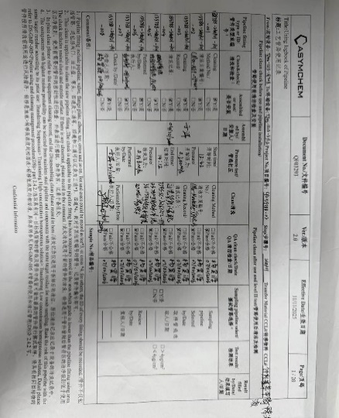
2 | Fixed inter-equipment transfer piping (installed together with the equipment) | Manual weld | All dismantled for weld inspection | N/A | 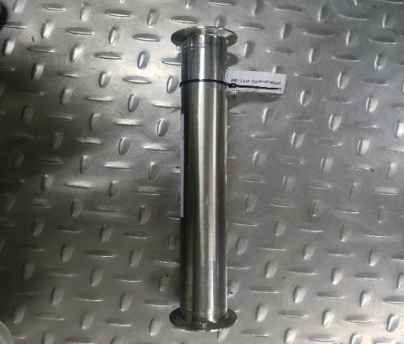 | 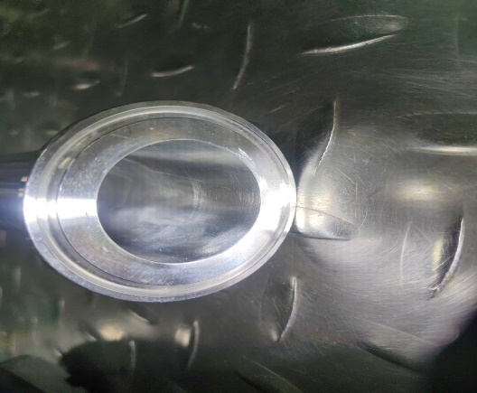 | N/A
3 | Standard fittings (incl. in-house fabricated) | Automatic weld | 20% sampling inspection | Standard fittings are automatically welded and polished. | 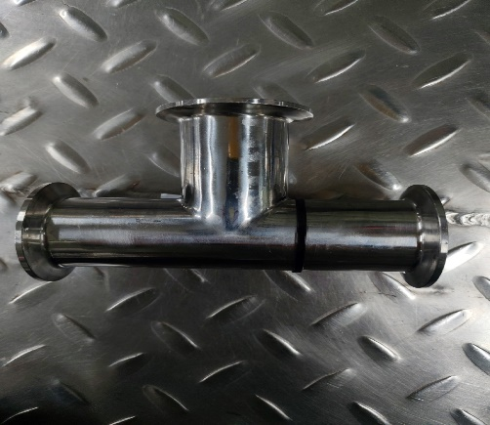 | 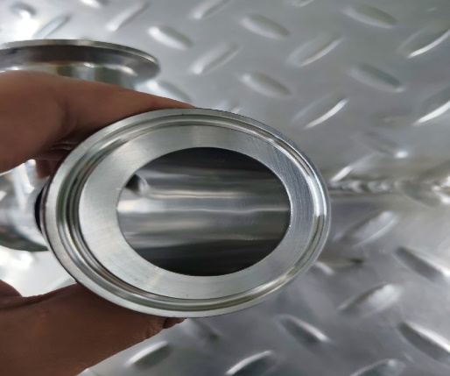 | N/A
4 |  | Manual weld | 20% sampling inspection | In-house fabricated fittings are polished; the overall weld finishing standard is high, so the likelihood of nonconformance is low. | 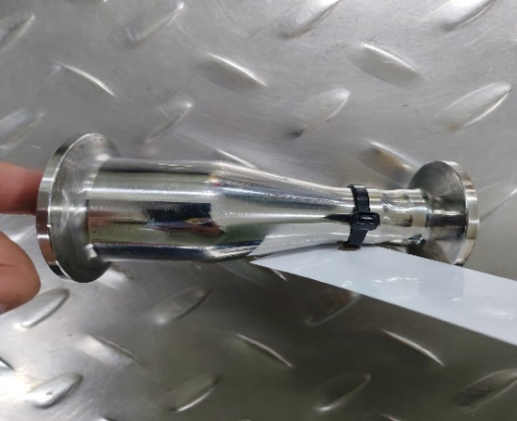 | 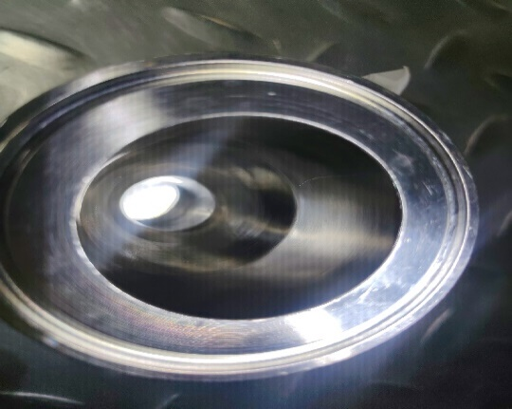 | N/A
5 | Equipment nozzles (Head) | Manual weld | Inspected from the head up to the first valve | N/A | 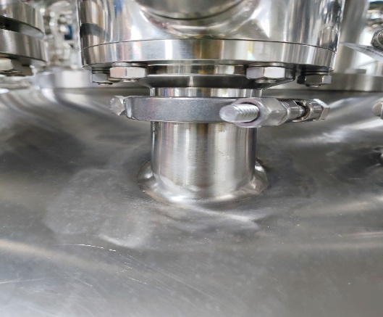 | 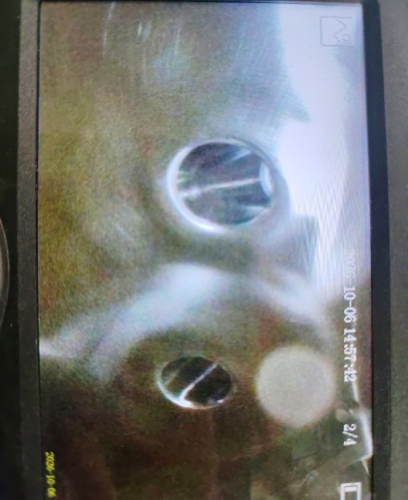 | N/A
6 | Solvent piping | Manual weld | Borescope inspection from the head toward the main line, up to the maximum reach of the borescope | N/A | 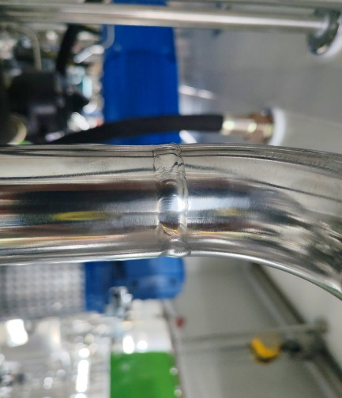 | 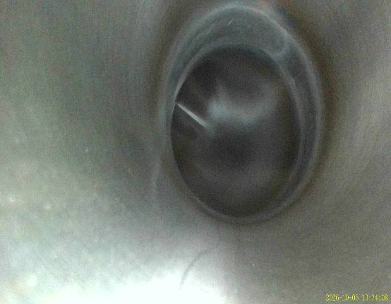 | N/A
7 | Category 3 and 4 piping | Automatic and manual welds | No additional inspection | Welds were inspected before the piping was installed (automatic welds 20%, manual welds 100%); the corresponding photos are archived. | N/A | N/A | N/A

