Sheet1
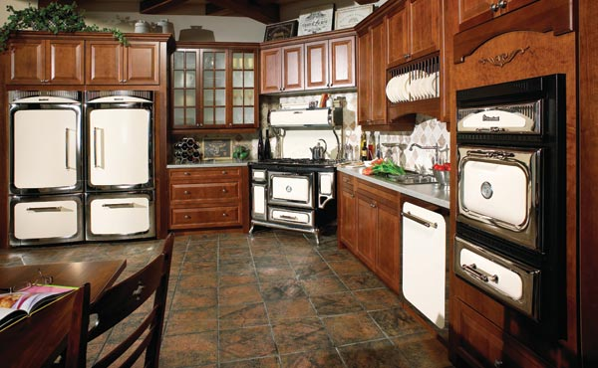
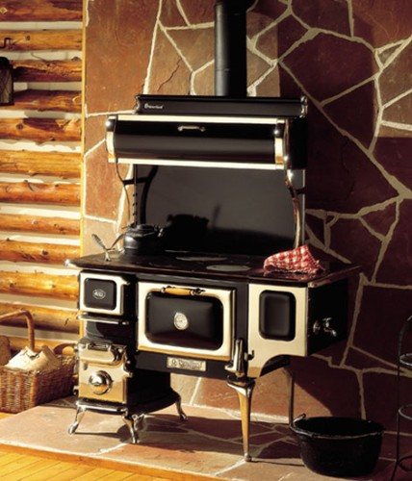

Effective February 1st, 2013

Classic Dual Fuel Ranges |  |  |  |  |  | 2

Classic Gas Ranges |  |  |  |  |  | 2

Classic Electric Ranges |  |  |  |  |  | 2

Classic Range Accessories |  |  |  |  |  | 3

Refrigeration |  |  |  |  |  | 3

Dishwashers |  |  |  |  |  | 3

Wood Burning Cookstoves |  |  |  |  |  | 4

Cast Iron Cookstoves |  |  |  |  |  | 4

7050 Valley View Street, Buena Park CA 90620 | 714.523.1511 | modedistributing.com

Dual Fuel Ranges

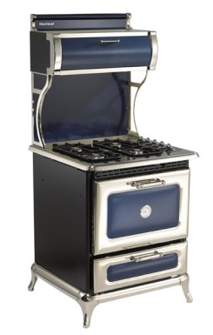
Classic Range 30" - Dual fuel self-cleaning oven; 4 cu. ft. capacity, 4 burner cooktop
Model Number | Range Top | Oven | Shipping Weight | MAP* | MSRP**
4210-CDP + (COLOR Code) | Propane | Electric Convection | 405 lbs. | $7,399.00 | $7,400.00
4210-CDG + (COLOR Code) | Natural Gas | Electric Convection | 405 lbs. | $7,499.00 | $7,500.00

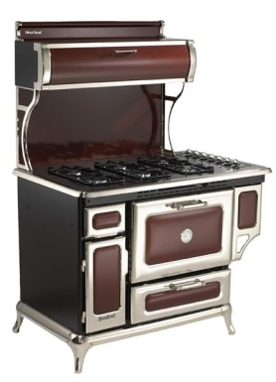
Classic Range 48" - Dual fuel self-cleaning oven; 4 cu. ft. capacity, 6 burner cooktop
Model Number | Range Top | Oven | Shipping Weight | MAP* | MSRP**
5210-CDP + (COLOR Code) | Propane | Electric Convection | 505 lbs. | $8,099.00 | $8,500.00
5210-CDG + (COLOR Code) | Natural Gas | Electric Convection | 505 lbs. | $8,499.00 | $8,800.00

Gas Ranges

Classic Range 30" - Non self-cleaning oven; 3.6 cu. ft. capacity, 4 burner cooktop
Model Number | Range Top | Oven | Shipping Weight | MAP* | MSRP**
9200-00P + (COLOR Code) | Propane | Propane | 385 lbs. | $5,099.00 | $5,200.00
9200-00G + (COLOR Code) | Natural Gas | Natural Gas | 385 lbs. | $5,299.00 | $5,500.00

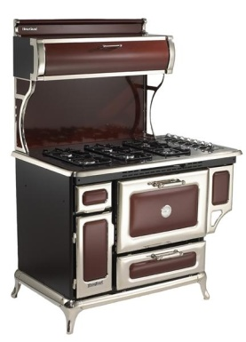
Classic Range 48" - Non self-cleaning oven; 3.6 cu. ft. capacity, 6 burner cooktop
Model Number | Range Top | Oven | Shipping Weight | MAP* | MSRP**
7200-00P + (COLOR Code) | Propane | Propane | 490 lbs. | $6,899.00 | $7,000.00
7200-00G + (COLOR Code) | Natural Gas | Natural Gas | 490 lbs. | $6,899.00 | $6,900.00

Electric Ranges

Classic Range 30" - Self-cleaning oven; 4 cu. ft. capacity, 4 burner glass cooktop
Model Number | Range Top | Oven | Shipping Weight | MAP* | MSRP**
8210-CD0 + (COLOR Code) | Electric | Electric Convection | 390 lbs. | $6,299.00 | $6,700.00

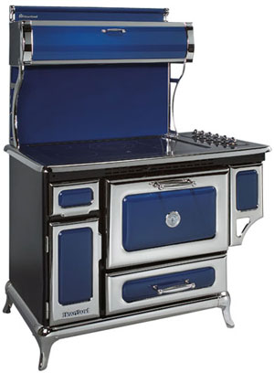
Classic Range 48" - Self-cleaning oven; 4 cu. ft. capacity, 6 burner glass cooktop
Model Number | Range Top | Oven | Shipping Weight | MAP* | MSRP**
6210-CD0 + (COLOR Code) | Electric | Electric Convection | 490 lbs. | $7,899.00 | $7,950.00

Color Codes
Ivory - IVY
Cranberry - CRN
Cobalt - CBL
Black - BLK
White - WHT

Classic Range Accessories

Model Number | Product Information |  | Shipping Weight | MAP* | MSRP**
S6675 | Charcoal filters - 30" models |  | 2 lbs. | $20.00 | $20.00
S6676 | Charcoal filters - 48" models |  | 3 lbs. | $20.00 | $20.00
S7602 | Griddle kit - smooth one side, ribbed one side. Available for all Gas tops. |  | 9 lbs. | $199.00 | $199.00

Refrigeration

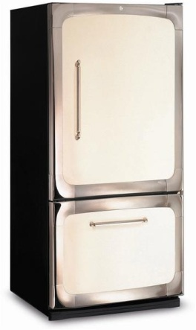
Classic Refrigerator 30" Wide - Bottom Mount Freezer; 18.5 cu. ft.
Model Number | Details |  | Shipping Weight | MAP* | MSRP**
HCBMR19L -(color code) | Left hinge, Ice Maker Option |  | 322 lbs. | $2,299 | $2,299
HCBMR19R -(color code) | Right hinge, Ice Maker Option |  | 322 lbs. | $2,299 | $2,299

NEW - Classic Refrigerator 36" Wide - French Door Free Standing; 20 cu. ft.
Model Number | Details |  | Shipping Weight | MAP* | MSRP**
HCFDR20- (color code) | Internal Ice & Water |  |  | $4,299 | $4,299

Refrigeration Accessories

Model Number | Details |  | Shipping Weight | MAP* | MSRP**
S39030-(color code) | Cowl Kit for 20 cu ft. French Door Refrigerator, model HCFD20 |  |  | $420.00 | $420.00
S39029-(color code) | Cowl Kit for 19 cu ft. Bottom Freezer Refrigerator, model HCBM19FS |  |  | $420.00 | $420.00
S39022 | 6" cowl kit - for discontinued refrigerator # 3015 |  | 12 1/2 lbs. | $420.00 | $420.00
S39016 | 6" cowl kit - for discontinued refrigerator # 3115 |  | 15 lbs. | $420.00 | $420.00
S31105 | Optional icemaker kit - for the 30" model 3015 |  | 6 lbs. | $340.00 | $340.00
S31104 | Replacement water filter for 36" bottom mount fridge |  | 2 lbs. | $120.00 | $120.00

Dishwashers

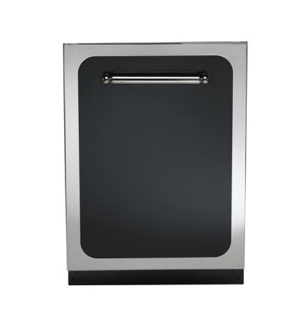
NEW - Classic Dishwasher - Integrated Controls; Stainless Steel Tall Tub
Model Number | Details |  | Shipping Weight | MAP* | MSRP**
HCTTDW + (color code) | Classic dishwasher, cutlery rack |  | 140 lbs | $1,599 | $1,599

Color Codes

Ivory - IVY
Cranberry - CRN
Cobalt - CBL
Black - BLK
White - WHT

Woodburning Cookstoves

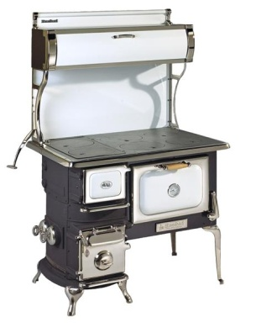
Oval Cookstove - 2.4 cu. ft. capacity oven
Model Number | Water Reservoir | Size | Shipping Weight | MAP* | MSRP**
1902-000 + (COLOR Code) | Non-Reservoir | 41 1/2" | 610 lbs | $6,199 | $6,399
1903-000 + (COLOR Code) | Reservoir | 47 1/2" | 640 lbs | $6,799 | $6,900

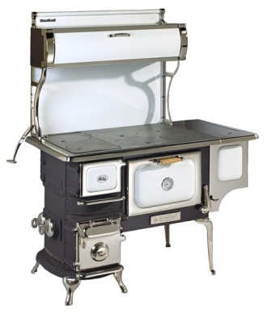
Oval Cookstove Accessories
Model Number | Description |  | Shipping Weight | MAP* | MSRP**
S1241 | Oval heatshield |  | 40 lbs | $250 | $250
S1506 | Oval stainless steel waterjacket |  | 13 lbs | $350 | $350
S1499 | Oval coal grate pkg - for Ovals purchased after Jan 1999 |  | 60 lbs | $519 | $519
S1500 | Oval coal grate pkg - for pre 1999 models including Elmira |  | 40 lbs | $350 | $350
S1017 | Fresh air kit |  | 3 lbs | $88 | $88
S1220 | Oval firebrick kit 5.25" high - for Ovals pre 1986 |  | 35 lbs | $165 | $165
Reservoir Model
S1234 | Oval firebrick replacement kit |  | 35 lbs | $180 | $180

Sweet Heart Cookstove - 1.7 cu. ft. capacity oven
Model Number | Water Reservoir | Size | Shipping Weight | MAP* | MSRP**
2602-000 + (COLOR Code) | Non-Reservoir | 33 5/8" | 435 lbs | $5,399 | $5,599
2603-000 + (COLOR Code) | Reservoir | 42 1/2" | 475 lbs | $5,999 | $6,199

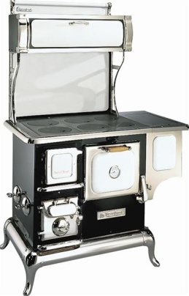
Sweet Heart Cookstove Accessories
Model Number | Description |  | Shipping Weight | MAP* | MSRP**
S4241 | Sweet Heart reduced clearance heatshield |  | 42 lbs | $270 | $270
S4506 | Sweet Heart stainless steel waterjacket |  | 16 lbs | $290 | $270
S4500 | Sweet Heart coal grate pkg |  | 48 lbs | $280 | $280
S1017 | Fresh air kit |  | 3 lbs | $88 | $88
S4220 | Sweet Heart replacement firebrick kit |  | 54 lbs | $220 | $220

Reservoir Model

Color Codes
Ivory - IVY
Black - BLK
White - WHT

Cast Iron Cookstoves

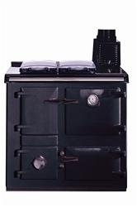
Artisan Cookstove 36" - Two Ovens; 1.5 cu ft. and .5 cu ft. capacity
Model Number | Description |  | Shipping Weight | MAP* | MSRP**
HL-ARTISAN+(COLOR CODE) |  |  | 750 lbs | $8,499 | $8,699
S1017 | Fresh air kit |  | 3 lbs | $88 | $88
SHL-Plinth | Plinth |  |  | $279 | $279

Color Codes
Ivory - IVY
Black - BLK

* MAP - minimum advertise price - see AGA MARVEL MAP program
**MSRP - Manufactures Suggested Retail Price - dealer alone establishes resell price

