Theater Outcomes by Launch Date
Category | theater
Years | (All)
Theatre Outcomes Based on Launch Date
 | successful | failed | canceled
Jan | 56 | 33 | 7
Feb | 71 | 39 | 3
Mar | 56 | 33 | 3
Apr | 71 | 40 | 2
May | 111 | 52 | 3
Jun | 100 | 49 | 4
Jul | 87 | 50 | 1
Aug | 72 | 47 | 4
Sep | 59 | 34 | 4
Oct | 65 | 50
Nov | 54 | 31 | 3
Dec | 37 | 35 | 3
Count of outcomes | Column Labels
Row Labels | successful | failed | canceled | Grand Total
Jan | 56 | 33 | 7 | 96
Feb | 71 | 39 | 3 | 113
Mar | 56 | 33 | 3 | 92
Apr | 71 | 40 | 2 | 113
May | 111 | 52 | 3 | 166
Jun | 100 | 49 | 4 | 153
Jul | 87 | 50 | 1 | 138
Aug | 72 | 47 | 4 | 123
Sep | 59 | 34 | 4 | 97
Oct | 65 | 50 |  | 115
Nov | 54 | 31 | 3 | 88
Dec | 37 | 35 | 3 | 75
Grand Total | 839 | 493 | 37 | 1369

Category | theater
Years | (All)

Count of outcomes | Column Labels
Row Labels | successful | failed | canceled | Grand Total
Jan | 58.3% | 34.4% | 7.3% | 100.0%
Feb | 62.8% | 34.5% | 2.7% | 100.0%
Mar | 60.9% | 35.9% | 3.3% | 100.0%
Apr | 62.8% | 35.4% | 1.8% | 100.0%
May | 66.9% | 31.3% | 1.8% | 100.0%
Jun | 65.4% | 32.0% | 2.6% | 100.0%
Jul | 63.0% | 36.2% | 0.7% | 100.0%
Aug | 58.5% | 38.2% | 3.3% | 100.0%
Sep | 60.8% | 35.1% | 4.1% | 100.0%
Oct | 56.5% | 43.5% | 0.0% | 100.0%
Nov | 61.4% | 35.2% | 3.4% | 100.0%
Dec | 49.3% | 46.7% | 4.0% | 100.0%
Grand Total | 61.3% | 36.0% | 2.7% | 100.0%

Outcomes Based on Goals
Goals | Number Successful | Number Failed | Number Canceled | Total Projects | Percentage Successful | Percentage Failed | Percentage Canceled
Less Than 1000 | 141 | 45 | 0 | 186 | 75.8% | 24.2% | 0.0% | 100.0%
1000 to 4999 | 388 | 146 | 0 | 534 | 72.7% | 27.3% | 0.0% | 100.0%
5000 to 9999 | 93 | 76 | 0 | 169 | 55.0% | 45.0% | 0.0% | 100.0%
10000 to 14999 | 39 | 33 | 0 | 72 | 54.2% | 45.8% | 0.0% | 100.0%
15000 to 19999 | 12 | 12 | 0 | 24 | 50.0% | 50.0% | 0.0% | 100.0%
20000 to 24999 | 9 | 11 | 0 | 20 | 45.0% | 55.0% | 0.0% | 100.0%
25000 to 29999 | 1 | 4 | 0 | 5 | 20.0% | 80.0% | 0.0% | 100.0%
30000 to 34999 | 3 | 8 | 0 | 11 | 27.3% | 72.7% | 0.0% | 100.0%
35000 to 39999 | 4 | 2 | 0 | 6 | 66.7% | 33.3% | 0.0% | 100.0%
40000 to 44999 | 2 | 1 | 0 | 3 | 66.7% | 33.3% | 0.0% | 100.0%
45000 to 49999 | 0 | 1 | 0 | 1 | 0.0% | 100.0% | 0.0% | 100.0%
Greater than 50000 | 2 | 14 | 0 | 16 | 12.5% | 87.5% | 0.0% | 100.0%
 | 694 | 353 | 0 | 1047 | 66.3% | 33.7% | 0.0% | 100.0%
 |  |  |  | TRUE | 0.0% | 0.0% | 0.0% | 0.0%
Outcomes Based on Goal

country | (All)
Subcategory | plays

 | Column Labels
 | successful | failed | Grand Total
Count of outcomes | 694 | 353 | 1047

Category Statistics
Parent Category Outcomes
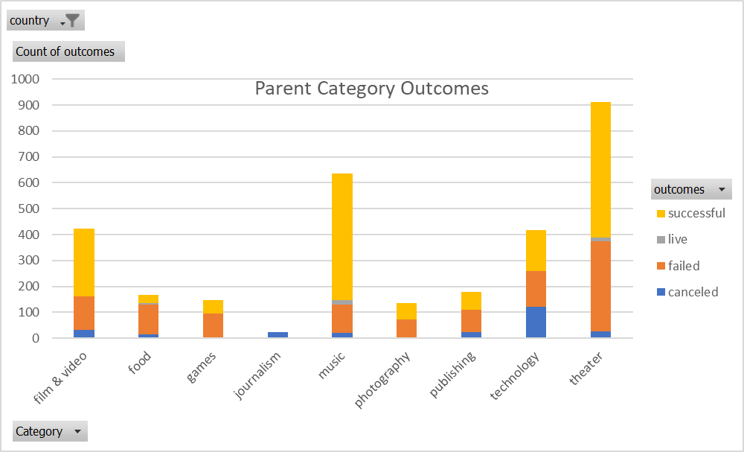
country | US

Count of outcomes | Column Labels
Row Labels | canceled | failed | live | successful | Grand Total
theater | 26 | 349 | 12 | 525 | 912
Grand Total | 26 | 349 | 12 | 525 | 912

Subcategory Statistics
country | GB
Category | (All)

Count of outcomes | Column Labels
Row Labels | failed | live | successful | Grand Total
plays | 70 | 6 | 238 | 314
Grand Total | 70 | 6 | 238 | 314

Outcomes Based on Launch Date
Category | theater
Years | (All)
 | canceled | failed | successful
Jan | 7 | 33 | 56
Feb | 3 | 39 | 71
Mar | 3 | 33 | 56
Apr | 2 | 40 | 71
May | 3 | 52 | 111
Jun | 4 | 49 | 100
Jul | 1 | 50 | 87
Aug | 4 | 47 | 72
Sep | 4 | 34 | 59
Oct |  | 50 | 65
Nov | 3 | 31 | 54
Dec | 3 | 35 | 37
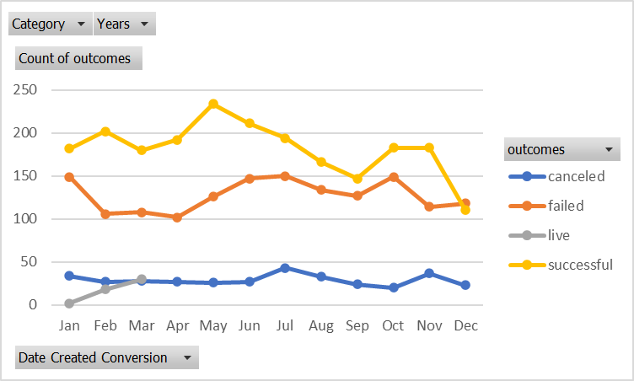
Count of outcomes | Column Labels
Row Labels | canceled | failed | successful | Grand Total
Jan | 7 | 33 | 56 | 96
Feb | 3 | 39 | 71 | 113
Mar | 3 | 33 | 56 | 92
Apr | 2 | 40 | 71 | 113
May | 3 | 52 | 111 | 166
Jun | 4 | 49 | 100 | 153
Jul | 1 | 50 | 87 | 138
Aug | 4 | 47 | 72 | 123
Sep | 4 | 34 | 59 | 97
Oct |  | 50 | 65 | 115
Nov | 3 | 31 | 54 | 88
Dec | 3 | 35 | 37 | 75
Grand Total | 37 | 493 | 839 | 1369

