Notes
Data Warehouse - AWS RDS (PostgreSQL) |  | API |  | Interfaces
Account |  | CRUD |  | Early Goals:
Account Name | (Optional) string |  | -User |  | - View 3, 6, 12 MA for each of user's accounts i.e. 6 mo. MA eating out expense (if not enough months, get show however many months MA)
Account Type | string |  | -Account |  | - Pre populate budgets based on user prefs and historical data
CF/NW | ["income","expense","asset","liability"] |  | -Category |  | - Data Entry
Sub-Type | string |  |  |  |  | 1. Import (.csv)
Month/Year | datetime |  |  |  |  | 2. Manual
Person | Username
Formula | string
Budget | numeric
Actual | numeric
Scaled Difference | numeric
Notes | string
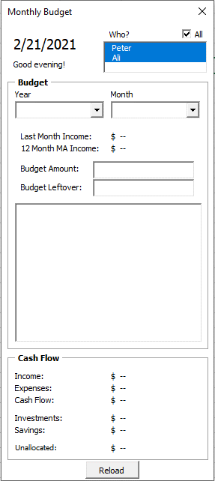
Date Added | datetime
Last Modified | datetime
Tax Option | ["Pre","Post","Exempt","Roth"]

User
Name | string
Username | string
Password | string
Friends | Array(User)
Budget Type | ["last month", "3/6/12 moving avg", etc.]
Accounts | Array(Accounts(id))

Category
Name | string
Sub Categories | Array(Categories)
Accounts | Array(Accounts)
Parent | Category (nullable)

