Kria KR260 Starter Kit PMOD
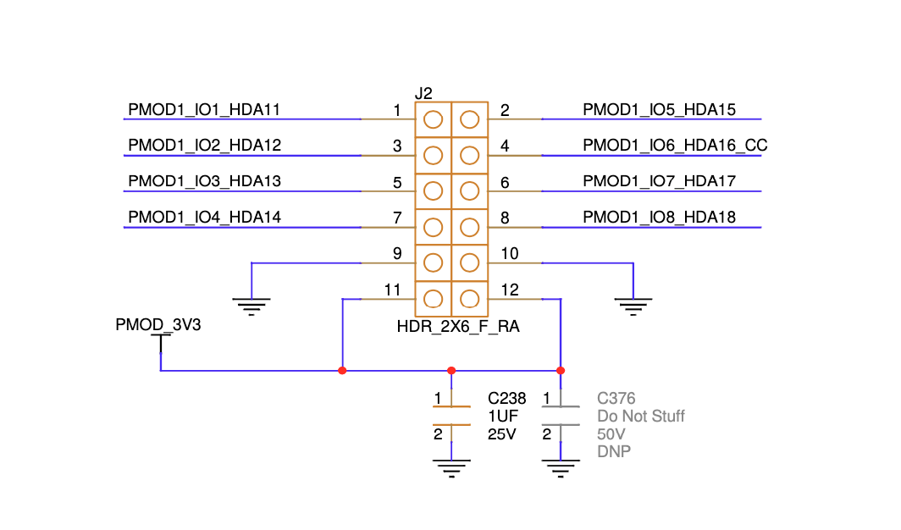
PMOD 1 |  |  |  |  |  | PMOD 2 |  |  |  |  |  | PMOD 3 |  |  |  |  |  | PMOD 4
Pin Number | Bank Pin | Output Schematics Pin | Schematics Pin | FPGA Package Pin | GPIO | Pin Number | Bank Pin | Output Schematics Pin | Schematics Pin | FPGA Package Pin | GPIO | Pin Number | Bank Pin | Output Schematics Pin | Schematics Pin | FPGA Package Pin | GPIO | Pin Number | Bank Pin | Output Schematics Pin | Schematics Pin | FPGA Package Pin | GPIO
1 | A17/SOM240_1 CONNECTOR | PMOD1_IO1_HDA11 | HDA11 | H12 |  | 1 | /SOM240_1 CONNECTOR |  |  |  |  | 1 | /SOM240_1 CONNECTOR |  |  |  |  | 1 | /SOM240_1 CONNECTOR
2 | B20/SOM240_1 CONNECTOR | PMOD1_IO5_HDA15 | HDA15 | B10 |  | 2 |  |  |  |  |  | 2 |  |  |  |  |  | 2
3 | D20/SOM240_1 CONNECTOR | PMOD1_IO2_HDA12 | HDA12 | E10 |  | 3 |  |  |  |  |  | 3 |  |  |  |  |  | 3
4 | B21/SOM240_1 CONNECTOR | PMOD1_IO6_HDA16_CC | HDA16 | E12 |  | 4 |  |  |  |  |  | 4 |  |  |  |  |  | 4
5 | D21/SOM240_1 CONNECTOR | PMOD1_IO3_HDA13 | HDA13 | D10 |  | 5 |  |  |  |  |  | 5 |  |  |  |  |  | 5
6 | B22/SOM240_1 CONNECTOR | PMOD1_IO7_HDA17 | HDA17 | D11 |  | 6 |  |  |  |  |  | 6 |  |  |  |  |  | 6
7 | D22/SOM240_1 CONNECTOR | PMOD1_IO4_HDA14 | HDA14 | C11 |  | 7 |  |  |  |  |  | 7 |  |  |  |  |  | 7
8 | C22/SOM240_1 CONNECTOR | PMOD1_IO8_HDA18 | HDA8 | B11 |  | 8 |  |  |  |  |  | 8 |  |  |  |  |  | 8
9 | GND | GND | GND | GND |  | 9 | GND | GND | GND | GND |  | 9 | GND | GND | GND | GND |  | 9 | GND | GND | GND | GND
10 | GND | GND | GND | GND |  | 10 | GND | GND | GND | GND |  | 10 | GND | GND | GND | GND |  | 10 | GND | GND | GND | GND
11 | 3V2 | 3V3 | 3V3 | 3V3 |  | 11 | 3V2 | 3V3 | 3V3 | 3V3 |  | 11 | 3V2 | 3V3 | 3V3 | 3V3 |  | 11 | 3V2 | 3V3 | 3V3 | 3V3
12 | 3V2 | 3V3 | 3V3 | 3V3 |  | 12 | 3V2 | 3V3 | 3V3 | 3V3 |  | 12 | 3V2 | 3V3 | 3V3 | 3V3 |  | 12 | 3V2 | 3V3 | 3V3 | 3V3

PMOD1 Example

