Kria KR260 Starter Kit PMOD
PMOD 1 |  |  |  |  |  | PMOD 2 |  |  |  |  |  | PMOD 3 |  |  |  |  |  | PMOD 4 |  |  |  |  |  | PMOD scheme
Pin Number | Bank Pin | Output Schematics Pin | Schematics Pin | FPGA Package Pin | GPIO | Pin Number | Bank Pin | Output Schematics Pin | Schematics Pin | FPGA Package Pin | GPIO | Pin Number | Bank Pin | Output Schematics Pin | Schematics Pin | FPGA Package Pin | GPIO | Pin Number | Bank Pin | Output Schematics Pin | Schematics Pin | FPGA Package Pin | GPIO | 3V3 | GND | 7 | 5 | 3 | 1
1 | A17/SOM240_1 CONNECTOR | PMOD1_IO1_HDA11 | HDA11 | H12 |  | 1 | D18/SOM240_1 CONNECTOR | PMOD2_IO1_HDA02 | HDA02 | J11 |  | 1 | D44/SOM240_2 CONNECTOR | PMOD3_IO1_HDB00_CC | HDB00 | AE12 |  | 1 | C48/SOM240_2 CONNECTOR | PMOD4_IO1_HDB08_CC | HDB08 | AC12 |  | 3V3 | GND | 8 | 6 | 4 | 2
2 | B20/SOM240_1 CONNECTOR | PMOD1_IO5_HDA15 | HDA15 | B10 |  | 2 | C18/SOM240_1 CONNECTOR | PMOD2_IO5_HDA06 | HDA06 | H11 |  | 2 | D49/SOM240_2 CONNECTOR | PMOD3_IO5_HDB04 | HDB04 | AF11 |  | 2 | B44/SOM240_2 CONNECTOR | PMOD4_IO5_HDB12 | HDB12 | AD11
3 | D20/SOM240_1 CONNECTOR | PMOD1_IO2_HDA12 | HDA12 | E10 |  | 3 | B16/SOM240_1 CONNECTOR | PMOD2_IO2_HDA03 | HDA03 | J10 |  | 3 | D45/SOM240_2 CONNECTOR | PMOD3_IO2_HDB01 | HDB01 | AF12 |  | 3 | C50/SOM240_2 CONNECTOR | PMOD4_IO2_HDB09 | HDB09 | AD12
4 | B21/SOM240_1 CONNECTOR | PMOD1_IO6_HDA16_CC | HDA16 | E12 |  | 4 | C19/SOM240_1 CONNECTOR | PMOD2_IO6_HDA07 | HDA07 | G10 |  | 4 | D50/SOM240_2 CONNECTOR | PMOD3_IO6_HDB05 | HDB05 | AG11 |  | 4 | B45/SOM240_2 CONNECTOR | PMOD4_IO6_HDB13 | HDB13 | AD10
5 | D21/SOM240_1 CONNECTOR | PMOD1_IO3_HDA13 | HDA13 | D10 |  | 5 | B17/SOM240_1 CONNECTOR | PMOD2_IO3_HDA04 | HDA04 | K13 |  | 5 | D46/SOM240_2 CONNECTOR | PMOD3_IO3_HDB02 | HDB02 | AG10 |  | 5 | B44/SOM240_2 CONNECTOR | PMOD4_IO5_HDB12 | HDB12 | AD11
6 | B22/SOM240_1 CONNECTOR | PMOD1_IO7_HDA17 | HDA17 | D11 |  | 6 | C20/SOM240_1 CONNECTOR | PMOD2_IO7_HDA08_CC | HDA08 | F12 |  | 6 | C46/SOM240_2 CONNECTOR | PMOD3_IO7_HDB06 | HDB06 | AH12 |  | 6 | B46/SOM240_2 CONNECTOR | PMOD4_IO7_HDB14 | HDB14 | AA11
7 | D22/SOM240_1 CONNECTOR | PMOD1_IO4_HDA14 | HDA14 | C11 |  | 7 | B18/SOM240_1 CONNECTOR | PMOD2_IO4_HDA05 | HDA05 | K12 |  | 7 | D48/SOM240_2 CONNECTOR | PMOD3_IO4_HDB03 | HDB03 | AH10 |  | 7 | C52/SOM240_2 CONNECTOR | PMOD4_IO4_HDB11 | HDB11 | AF10
8 | C22/SOM240_1 CONNECTOR | PMOD1_IO8_HDA18 | HDA8 | B11 |  | 8 | A15/SOM240_1 CONNECTOR | PMOD2_IO8_HDA09 | HDA09 | F11 |  | 8 | C47/SOM240_2 CONNECTOR | PMOD3_IO8_HDB07 | HDB07 | AH11 |  | 8 | B48/SOM240_2 CONNECTOR | PMOD4_IO8_HDB15 | HDB15 | AA10
9 | GND | GND | GND | GND |  | 9 | GND | GND | GND | GND |  | 9 | GND | GND | GND | GND |  | 9 | GND | GND | GND | GND
10 | GND | GND | GND | GND |  | 10 | GND | GND | GND | GND |  | 10 | GND | GND | GND | GND |  | 10 | GND | GND | GND | GND
11 | 3V3 | 3V3 | 3V3 | 3V3 |  | 11 | 3V3 | 3V3 | 3V3 | 3V3 |  | 11 | 3V3 | 3V3 | 3V3 | 3V3 |  | 11 | 3V3 | 3V3 | 3V3 | 3V3
12 | 3V2 | 3V3 | 3V3 | 3V3 |  | 12 | 3V3 | 3V3 | 3V3 | 3V3 |  | 12 | 3V3 | 3V3 | 3V3 | 3V3 |  | 12 | 3V3 | 3V3 | 3V3 | 3V3

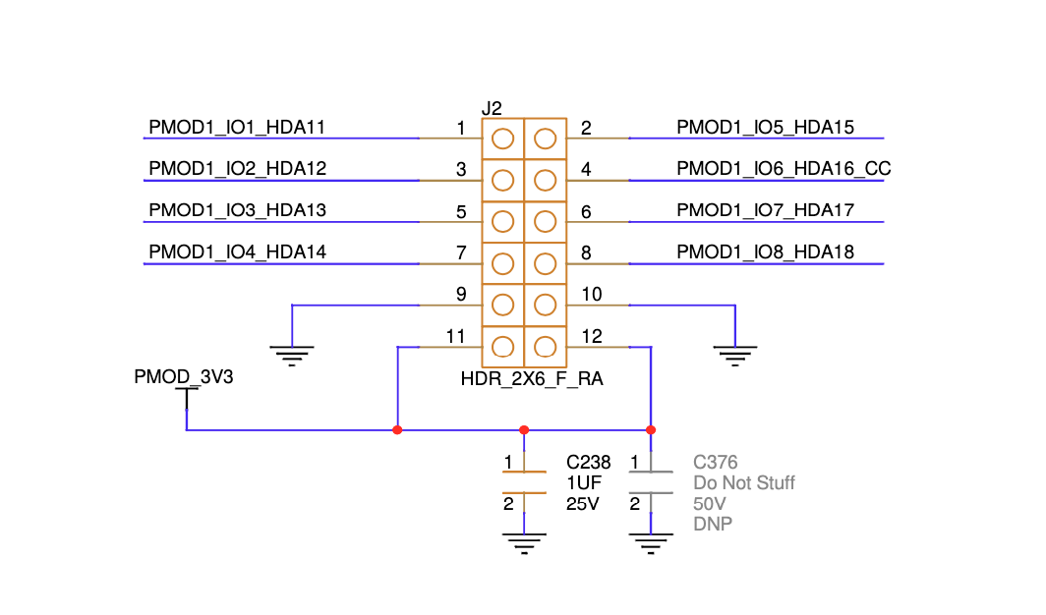
PMOD1 Example

Kria KR260 Starter Kit Rpi Hat
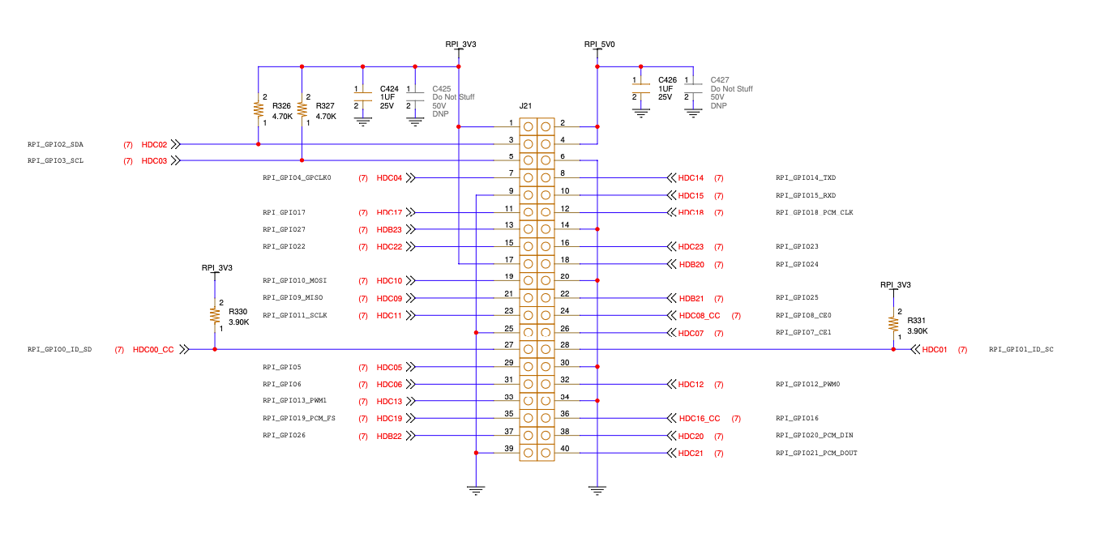
Raspberry Pi Expansion Header |  |  |  |  | PMOD scheme
Pin Number | Bank Pin | Schematics Pin | FPGA Package Pin | GPIO | 1 | 2
1 |  | 3V3 |  |  | 3 | 4
2 |  | GND |  |  | 5 | 6
3 | D54/SOM240_2 CONNECTOR | HDC02 | AE15 |  | 7 | 8
4 |  | GND |  |  | 9 | 10
5 | D56/SOM240_2 CONNECTOR | HDC03 | AE14 |  | 11 | 12
6 |  | GND |  |  | 13 | 14
7 | D57/SOM240_2 CONNECTOR | HDC04 | AG14 |  | 15 | 16
8 | B54/SOM240_2 CONNECTOR | HDC14 | W14 |  | 17 | 18
9 |  | GND |  |  | 19 | 20
10 | B56/SOM240_2 CONNECTOR | HDC15 | W13 |  | 21 | 22
11 | B58/SOM240_2 CONNECTOR | HDC17 | AB14 |  | 23 | 24
12 | A54/SOM240_2 CONNECTOR | HDC18 | Y14 |  | 25 | 26
13 | A52/SOM240_2 CONNECTOR | HDB23 | AB9 |  | 27 | 28
14 |  | GND |  |  | 29 | 30
15 | A59/SOM240_2 CONNECTOR | HDC22 | Y12 |  | 31 | 32
16 | A60/SOM240_2 CONNECTOR | HDC23 | AA12 |  | 33 | 34
17 |  | 3V3 |  |  | 35 | 36
18 | A48/SOM240_2 CONNECTOR | HDB20 | Y9 |  | 37 | 38
19 | C59/SOM240_2 CONNECTOR | HDC10 | AE13 |  | 39 | 40
20 |  | GND
21 | C58/SOM240_2 CONNECTOR | HDC09 | AC13
22 | A50/SOM240_2 CONNECTOR | HDB21 | AA8
23 | C60/SOM240_2 CONNECTOR | HDC11 | AF13
24 | C56/SOM240_2 CONNECTOR | HDC08_CC | AC14
25 |  | GND
26 | C55/SOM240_2 CONNECTOR | HDC07 | AH13
27 | D52/SOM240_2 CONNECTOR | HDC00_CC | AD15
28 | D53/SOM240_2 CONNECTOR | HDC01 | AD14
29 | D58/SOM240_2 CONNECTOR | HDC05 | AH14
30 |  | GND
31 | C54/SOM240_2 CONNECTOR | HDC06 | AG13
32 | B52/SOM240_2 CONNECTOR | HDC12 | AA13
33 | B53/SOM240_2 CONNECTOR | HDC13 | AB13
34 |  | GND
35 | A55/SOM240_2 CONNECTOR | HDC19 | Y13
36 | B57/SOM240_2 CONNECTOR | HDC16_CC | AB15
37 | A51/SOM240_2 CONNECTOR | HDB22 | AB10
38 | A56/SOM240_2 CONNECTOR | HDC20 | W12
39 |  | GND
40 | A58/SOM240_2 CONNECTOR | HDC21 | W11

