Model Comparison
Model | Type | Accuracy (Relative) | Cost (Compute + Dev Effort) | Time Cost (Seconds) | Time Cost (Hours) | Strengths | Weaknesses | Ideal For
SARIMAX | Statistical | 6 | 2 | 60 | 0.016666666667 | Interpretable, good with seasonality & trend | Univariate, sensitive to stationarity | Simple forecasts, small datasets
LightGBM | Machine Learning | 8 | 4 | 300 | 0.083333333333 | Fast, handles features, robust to noise | Needs feature engineering, can overfit | Tabular forecasting with exogenous features
N-BEATS | Deep Learning | 9 | 7 | 3600 | 1 | Captures complex patterns, no need for feature engineering | Needs lots of data and tuning, slower to train | High-volume, complex patterns (e.g. retail sales)
Temporal Fusion Transformer (TFT) | Deep Learning | 9.5 | 9 | 10800 | 3 | Handles static/dynamic features, interpretable via attention | Complex, high training cost, large data requirements | Multivariate + long horizon forecasts
LSTM | Deep Learning | 8 | 6 | 1800 | 0.5 | Captures sequential dependencies, good for temporal patterns | Needs tuning, can struggle with long sequences and sparse data | Sequential time series with moderate size
ETS (Exponential Smoothing) | Statistical | 5.5 | 2 | 45 | 0.0125 | Very interpretable, handles trend/seasonality well | Univariate, no exogenous variables, rigid assumptions | Simple, seasonal time series
Theta | Statistical | 6.5 | 2 | 30 | 0.0083333333333 | Simple, robust, performed well in M3 competition | Univariate, lacks flexibility, not widely implemented | Benchmarking or quick forecasts
Naive | Rule based | 4 | 1 | 5 | 0.0013888888889 | Extremely simple and fast, effective baseline | Ignores trends and seasonality, low accuracy | Baseline comparisons, stationary or random walk series
Statistical Ensemble (SARIMAX + ETS) | Statistical | 6.5 | 3 | 105 | 0.029166666667 | Combines strengths of classical methods, robust and interpretable | Limited to univariate, can't capture complex non-linearities | Stable series, interpretable forecasting
Hybrid (LightGBM + SARIMAX) | Ensemble | 8.5 | 5 | 360 | 0.1 | Combines ML feature richness with statistical structure | Requires careful blending, can be hard to debug | Forecasts with both trend/seasonality and covariates
Full Ensemble (SARIMAX + LightGBM + N-BEATS) | Ensemble | 9.5 | 8 | 3960 | 1.1 | High accuracy through diversity, smooths model weaknesses | High complexity, requires orchestration and tuning | Mission-critical forecasts, large datasets
Linear Regression | Statistical | 6 | 2 | 20 | 0.0055555555556 | Fast, interpretable, works well with trend and simple patterns | Limited to linear relationships, can't capture seasonality well | Trend modeling, simple feature-based forecasting
CatBoost | Machine Learning | 8.5 | 5 | 400 | 0.11111111111 | Handles categorical features natively, less tuning needed, robust performance | Requires feature engineering for time, non-sequential | Tabular forecasting with exogenous variables and categorical data
TCN | Deep Learning | 8.5 | 6 | 2000 | 0.55555555556 | Fast training, long memory, parallel processing | Requires tuning, black-box, needs lots of data | Long-sequence forecasting with large datasets
VECM | Statistical | 6 | 3 | 120 | 0.033333333333
SES (Simple Exp. Smoothing) | Statistical | 5 | 1 | 20 | 0.0055555555556
RNN | Deep Learning | 7.5 | 5 | 1500 | 0.41666666667
VAR | Statistical | 6 | 3 | 100 | 0.027777777778
CNN | Deep Learning | 8 | 5 | 1000 | 0.27777777778
XGBoost | Machine Learning | 8 | 4 | 350 | 0.097222222222 | Highly optimized boosting, great with structured data | More tuning needed, slower than LightGBM | Feature-rich tabular forecasting with strong lags and covariates
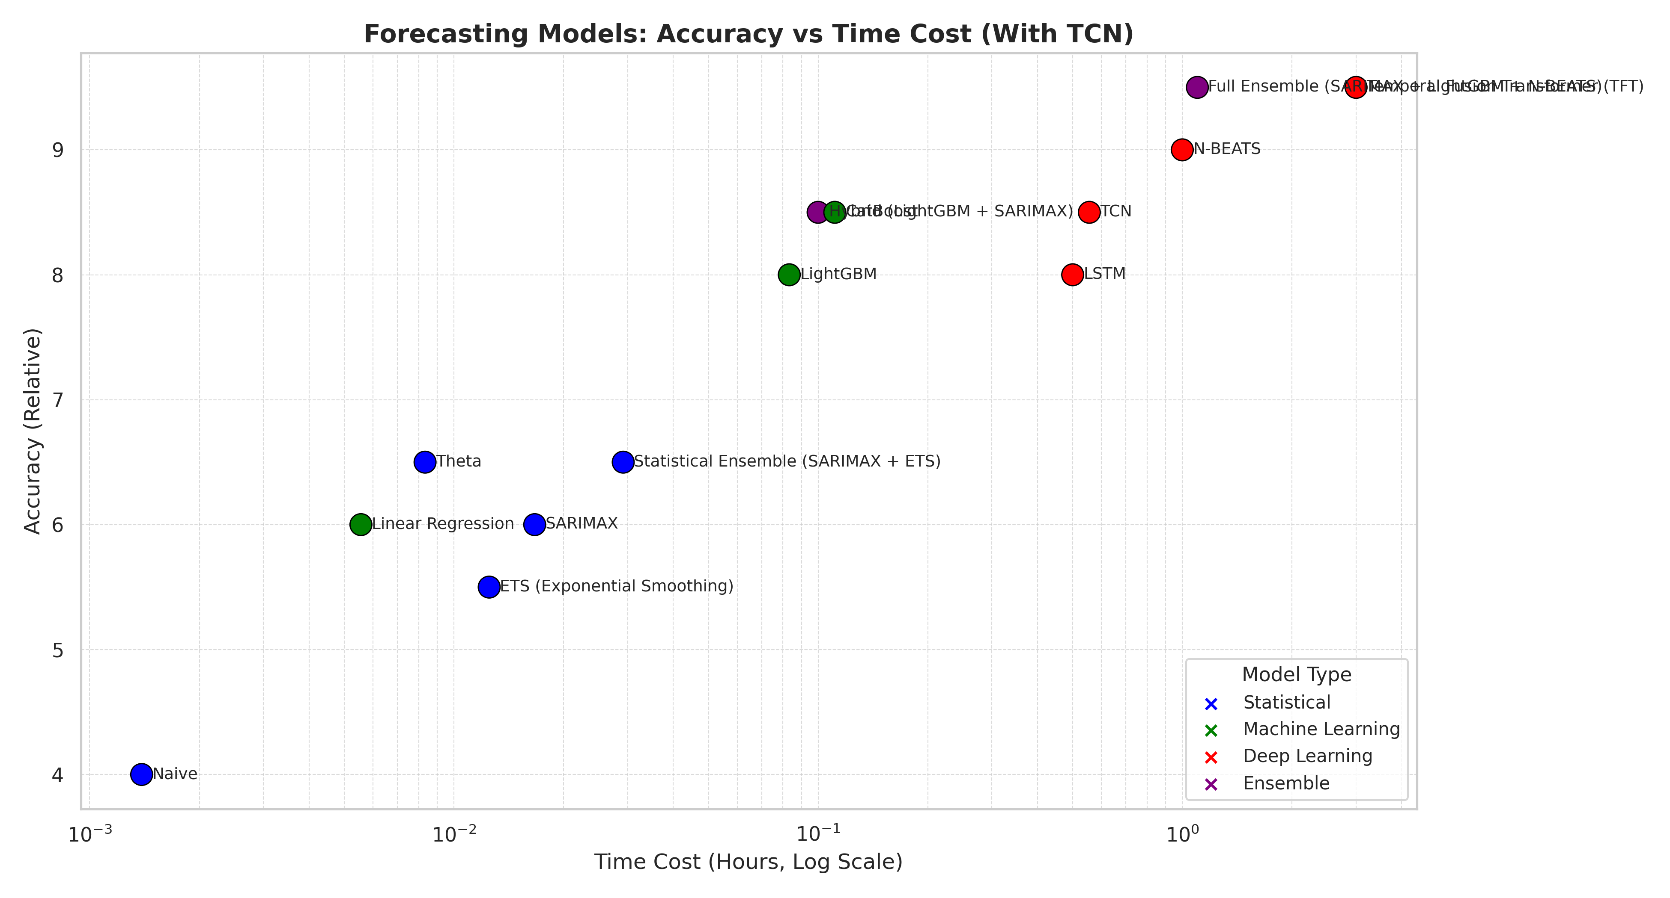
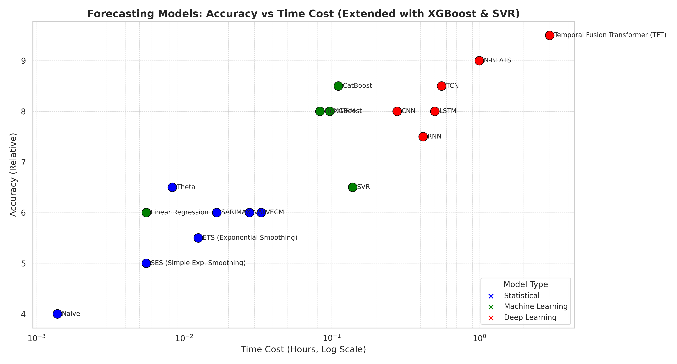
SVR | Machine Learning | 6.5 | 4 | 500 | 0.13888888889 | Good with high-dimensional features, robust boundaries | Slow, sensitive to hyperparameters | Short-term prediction with engineered lag features

