Prelim Mtg

Field Name | Database FN | Source Table | Accela Staging Table & Column | Custom Lists Subgroup | Custom Table Column Name | Notes | AION
Project Name |  |  | AATABLE_PERMIT_HISTORY.APP_NAME
Address |  |  | AATABLE_PERMIT_ADDRESS.STR_NUM_START AATABLE_PERMIT_ADDRESS.STR_NAME AATABLE_PERMIT_ADDRESS.STR_SUFFIX AATABLE_PERMIT_ADDRESS.SITUS_CITY |  |  | Address Fields are: Street Number Dir Prefix Street Name Roadway type Dir Suffix Unit/Suite City | AION/EPM Data Conversion
Review Type |  |  | AATABLE_PERMIT_HISTORY.TT_RECORD Custom Fields - Project Type & Code Year |  |  | Record Type Project Type Code Year | AION/EPM Data Conversion
Team Score |  |  | Custom Field | Unable to locate TEAM Score |  | Migration: (Custom Field) Display in Accela Interface to AION | AION/EPM Data Conversion
Project Status |  |  | AATABLE_PERMIT_HISTORY.TT_RECORD_STATUS

Assessment Cycle |  |  | Custom Field |  |  | Custom Field - Plan Review Cycle | AION/EPM Data Conversion
Trade |  |  | AATABLE_PERMIT_WORKFLOW.TT_WORKFLOW_TASK |  |  |  | AION/EPM Data Conversion
Reviewer |  |  | AATABLE_PERMIT_WORKFLOW.USER_ID |  |  |  | AION/EPM Data Conversion
Schedule: Date |  |  |  |  |  |  | AION/EPM Data Conversion
Schedule: Time |  |  |  |  |  |  | AION/EPM Data Conversion
Result |  |  | AATABLE_PERMIT_WORKFLOW.TT_WORKFLOW_STATUS
Performed By |  |  | AATABLE_PERMIT_WORKFLOW.USER_ID
Performed On |  |  | AATABLE_PERMIT_WORKFLOW.TASKUPDATED

Project Note |  |  | AATABLE_PERMIT_COMMENTS.COMMENTS

Email Notification

Email |  |  |  |  |  | Activity tab
Cycle
Notification Type
Trade/Agency
Sent On

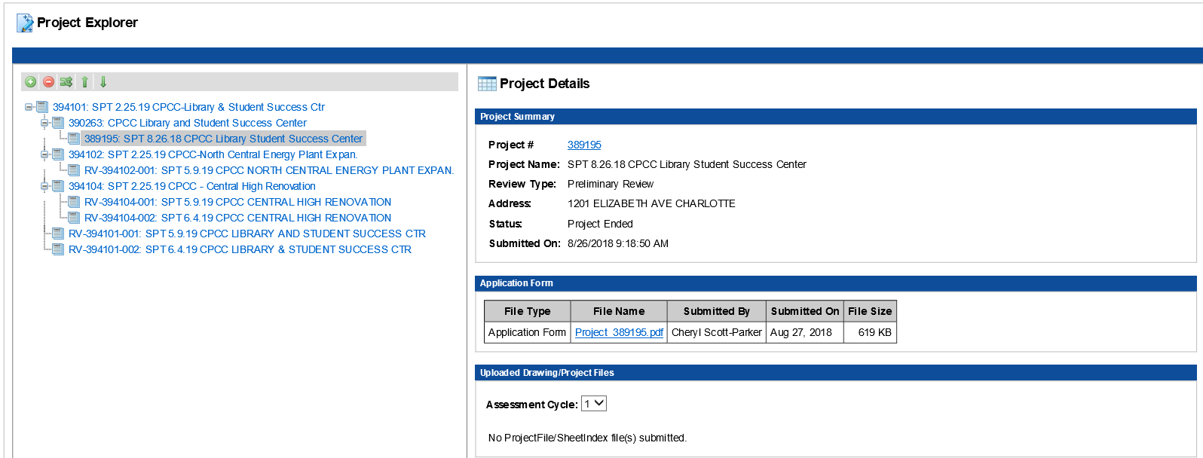
Project Explorer

Project Details
Project Summary
Project Number |  |  | AATABLE_PERMIT_HISTORY.PERMITNUM
Project Name |  |  | AATABLE_PERMIT_HISTORY.APP_NAME
Review Type |  |  | AATABLE_PERMIT_HISTORY.TT_RECORD Custom Fields - Project Type & Code Year |  |  | Record Type Project Type Code Year
Address |  |  | AATABLE_PERMIT_ADDRESS.STR_NUM_START AATABLE_PERMIT_ADDRESS.STR_DIR AATABLE_PERMIT_ADDRESS.STR_NAME AATABLE_PERMIT_ADDRESS.STR_SUFFIX AATABLE_PERMIT_ADDRESS.SITUS_CITY |  |  | Address Fields are: Street Number Dir Prefix Street Name Roadway type Dir Suffix Unit/Suite City
Status |  |  | AATABLE_PERMIT_HISTORY.TT_RECORD_STATUS
Submitted On |  |  | AATABLE_PERMIT_HISTORY.APP_STATUS_DATE

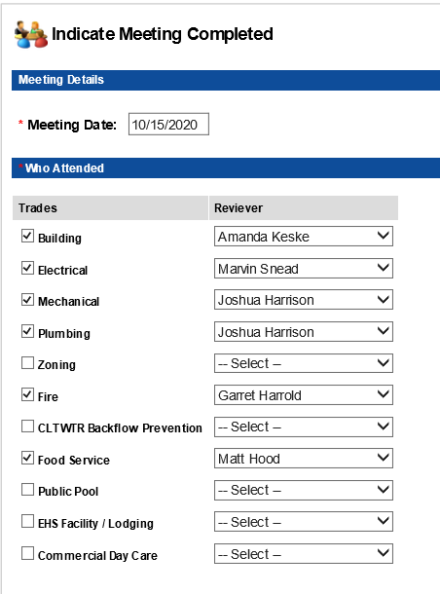
Indicate Meeting Completed

Meeting Date |  |  | Custom List |  |  | Review Activation Task

Who Attended |  |  | Custom List |  |  | Review Activation Task
Trades |  |  | AATABLE_PERMIT_WORKFLOW.TT_WORKFLOW_TASK
Reviewers |  |  | AATABLE_PERMIT_WORKFLOW.USER_ID

Reviewer Feedback
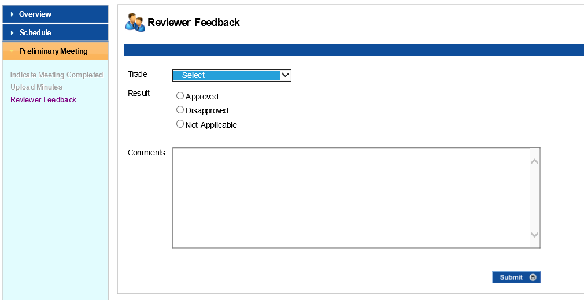
Trade |  |  | AATABLE_PERMIT_WORKFLOW.TT_WORKFLOW_TASK
Result - Approved, Disapproved, Not Applicable |  |  | AATABLE_PERMIT_WORKFLOW.TT_WORKFLOW_STATUS
Comments |  |  | AATABLE_PERMIT_WORKFLOW.COMMENTS

Project Details

Review Status

Assessment Cycle Number
Trade |  |  | AATABLE_PERMIT_WORKFLOW.TT_WORKFLOW_TASK
Reviewer |  |  | AATABLE_PERMIT_WORKFLOW.USER_ID
Schedule |  |  | AATABLE_PERMIT_HISTORY.SCHEDULED_DATE
Result |  |  | AATABLE_PERMIT_WORKFLOW.TT_WORKFLOW_STATUS
Performed By |  |  | AATABLE_PERMIT_WORKFLOW.USER_ID
Performed On |  |  | AATABLE_PERMIT_WORKFLOW.TASKUPDATED

Project Details
Field Name | Database FN | Source Table | Accela Staging Table & Column | Note | Notes | AION

Project Name Project Number |  |  | AATABLE_PERMIT_HISTORY.APP_NAME AATABLE_PERMIT_HISTORY.PERMITNUM |  |  | AION/EPM Data Conversion
Address |  |  | AATABLE_PERMIT_ADDRESS.STR_NUM_START AATABLE_PERMIT_ADDRESS.STR_NAME AATABLE_PERMIT_ADDRESS.STR_SUFFIX AATABLE_PERMIT_ADDRESS.SITUS_CITY |  |  | AION/EPM Data Conversion
Review Type - Application Type - Review Type - Building Code |  |  | AATABLE_PERMIT_HISTORY.TT_RECORD Custom Fields - Project Type & Code Year | Record Type Project Type Code Year |  | AION/EPM Data Conversion
Team Score |  |  | Cusom Field |  | Unable to locate TEAM Score | AION/EPM Data Conversion
Project Status |  |  | AATABLE_PERMIT_HISTORY.TT_RECORD_STATUS

Project Number |  |  | AATABLE_PERMIT_HISTORY.PERMITNUM
Project Name |  |  | AATABLE_PERMIT_HISTORY.APP_NAME
Agency/Trade |  |  | AATABLE_PERMIT_WORKFLOW.TT_WORKFLOW_TASK | Is this the current workflow task that is active? | Yes, the is the Trade Workflow that is active
Assigned To |  |  | AATABLE_PERMIT_HISTORY.ASGN_STAFF
Town |  |  | AATABLE_PERMIT_ADDRESS.SITUS_CITY
SOI |  |  | ? | SOI is from the GIS Layer
Customer |  |  | AATABLE_PERMIT_PEOPLE.BUS_NAME
Received for Review |  |  | AATABLE_PERMIT_WORKFLOW.TASKUPDATED | Is this record submitted date or when the "Electrical" workflow task is activated maybe? | This the date the Gate Task was updated to Accept Plans for Review
Estimated Completion Date |  |  | AATABLE_PERMIT_WORKFLOW.DUE_DATE
Review Type |  |  | AATABLE_PERMIT_HISTORY.TT_RECORD Custom Fields - Project Type & Code Year | Does this correspond to the record type in Accela? | Record Type Project Type Code Year
Project Manager |  |  | AATABLE_PERMIT_PEOPLE.NAME AATABLE_PERMIT_PEOPLE.FNAME AATABLE_PERMIT_PEOPLE.MNAME AATABLE_PERMIT_PEOPLE.LNAME

All workflow details

Trade |  |  | AATABLE_PERMIT_WORKFLOW.TT_WORKFLOW_TASK |  |  | AION/EPM Data Conversion
Reviewer |  |  | AATABLE_PERMIT_WORKFLOW.TT_USER_ID |  |  | AION/EPM Data Conversion
Schedule |  |  | Custom List |  | Review Activation Task | AION/EPM Data Conversion

Workflow Action |  |  | AATABLE_PERMIT_WORKFLOW.TT_WORKFLOW_STATUS |  |  | AION/EPM Data Conversion
Performed By |  |  | AATABLE_PERMIT_WORKFLOW.TT_USER_ID |  |  | AION/EPM Data Conversion ??
Performed On date |  |  | AATABLE_PERMIT_WORKFLOW.TASKUPDATED |  |  | AION/EPM Data Conversion ??


View Notes

Estimation Notes

By - Name - Date - Time |  |  | AATABLE_PERMIT_COMMENTS.ADDEDBY AATABLE_PERMIT_COMMENTS.ADDEDDATE |  |  | AION/EPM Data Conversion
Type |  |  | ? | If we use "Comments" then it is inherently Type = "Comments" | Must be comments by Trade Reviewer | AION/EPM Data Conversion
Notes - Text field |  |  | AATABLE_PERMIT_COMMENTS.COMMENTS |  |  | AION/EPM Data Conversion



Scheduling Notes
 |  |  |  |  |  | AION/EPM Data Conversion
By - Name |  |  | AATABLE_PERMIT_COMMENTS.ADDEDBY AATABLE_PERMIT_COMMENTS.ADDEDDATE |  |  | AION/EPM Data Conversion

Notes - Text field |  |  | AATABLE_PERMIT_COMMENTS.COMMENTS |  |  | AION/EPM Data Conversion

Project Notes |  |  |  | Project Notes - Accela

By - Name - Date - Time |  |  | AATABLE_PERMIT_COMMENTS.ADDEDBY AATABLE_PERMIT_COMMENTS.ADDEDDATE

Notes - Text field |  |  | AATABLE_PERMIT_COMMENTS.COMMENTS

Review Notes |  |  |  | Review Notes - Accela

By - Name - Date - Time |  |  | AATABLE_PERMIT_WORKFLOW
Trade/Agency |  |  | AATABLE_PERMIT_WORKFLOW.TT_WORKFLOW_TASK
Result |  |  | AATABLE_PERMIT_WORKFLOW.TT_WORKFLOW_STATUS
Cycle |  |  | Custom Field | Is it a calculated field? | Custom Field - Plan Review Cycle
Notes - Text field |  |  | AATABLE_PERMIT_WORKFLOW.COMMENTS
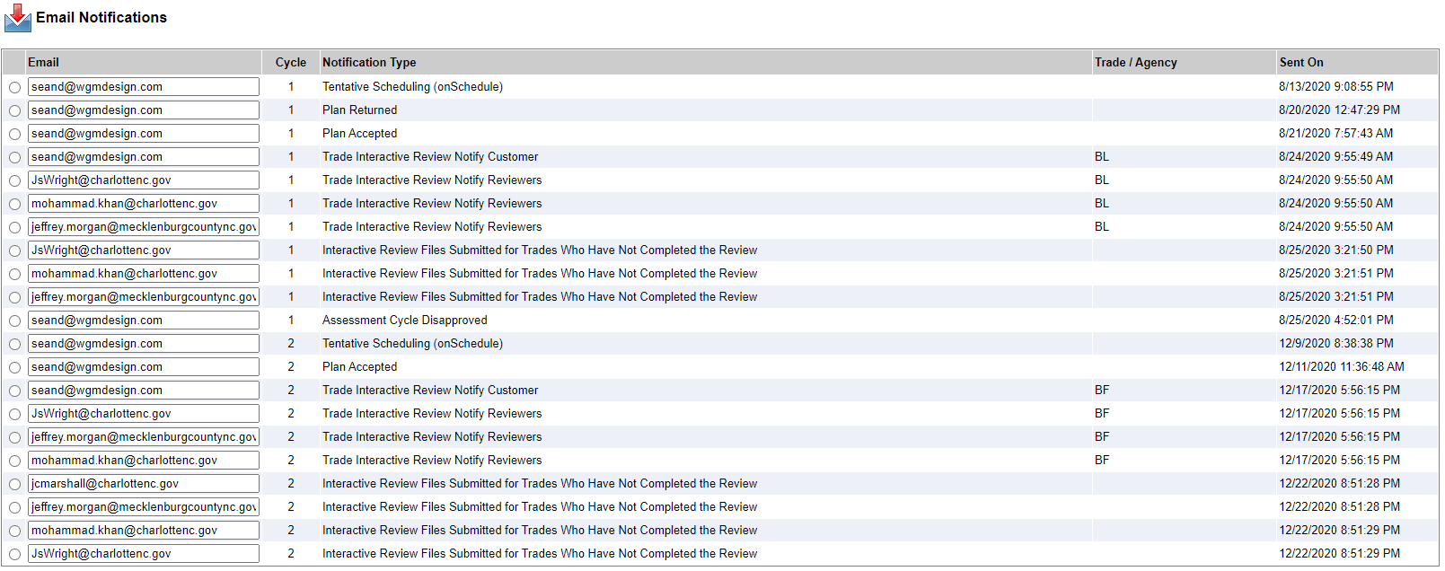

Email Notifications |  |  |  | Possibly Communications/Activity tab

Email - Recipients Email address
Cycle
Notification Type
Trade/Agency
Sent On - Date - Time

Permit Hold from Posse
 | Field Name | Database FN | Source Table | Accela Staging Table & Column | Note
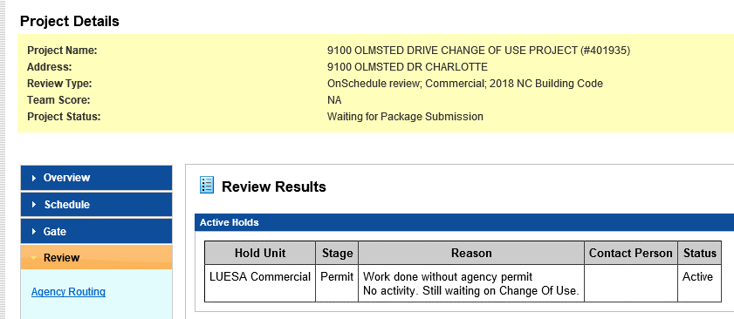

 | Hold Unit |  |  | AATABLE_PERMIT_CONDITIONS.CON_TYPE | HOLD_UNIT + ' ' + STAGE
 | Stage
 | Reason |  |  | AATABLE_PERMIT_CONDITIONS.CON_COMMENT
 | Contact Person |  |  | AATABLE_PERMIT_CONDITIONS.LONG_COMMENTS
 | Status |  |  | AATABLE_PERMIT_CONDITIONS.CON_STATUS AATABLE_PERMIT_CONDITIONS.CON_STATUS_TYP | STATUS mappings and only "Active" status conditions required for conversion. Active in POSSE = Applied in ACCELA Status in Accela = Applied Status Type in Accela = Applied

If project is in a "Project Completed" status do not apply the Permit Hold.

Sheet Index - Project Files
The below information is for Project #: 410789 Sheet Index and File listing is shown below | Field Name | Database FN | Source Table | Accela Staging Table & Column | Notes

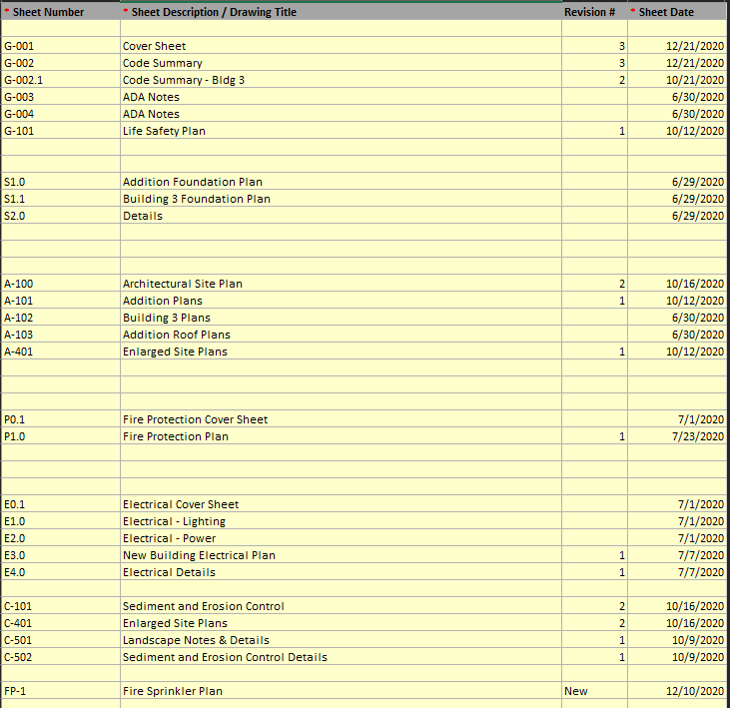
 | Sheet Number |  |  |  | Must be replicated in the Plan Room Currently submitted in Excel format than translated into different for in the Plan Rvw FN tab
 | Sheet Description/Drawing Title
 | Revision #
 | Sheet Date

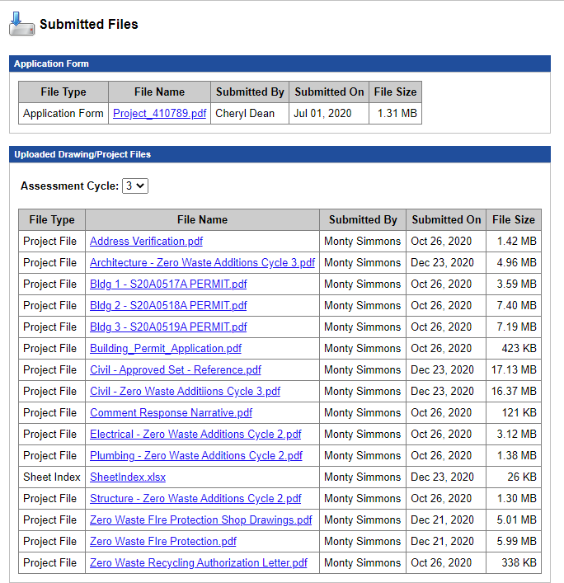

 |  |  |  | AATABLE_PERMIT_PROJECTS

 | Assessment Cycle
 | File Type |  |  | AATABLE_PERMIT_HISTORY.PERMITNUM
 | File Name
 | Submitted By
 | Submitted On
 | File Size

 | Feedback Files
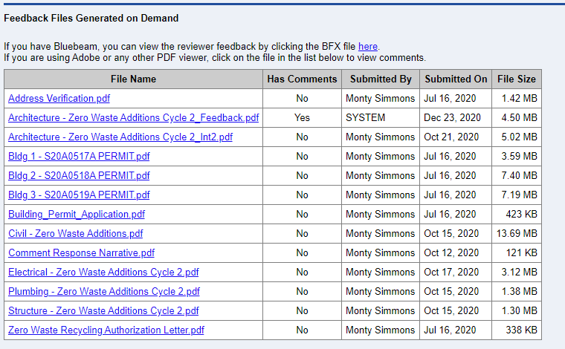

 | File Name
 | Has Comments
 | Submitted By
 | Submitted On
 | File Size

Plan Rvw FN
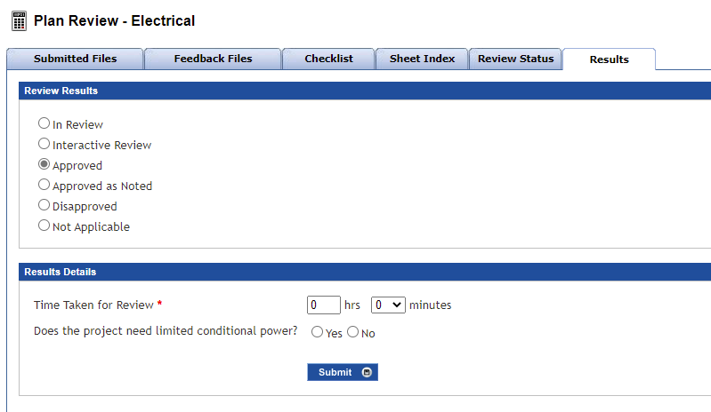
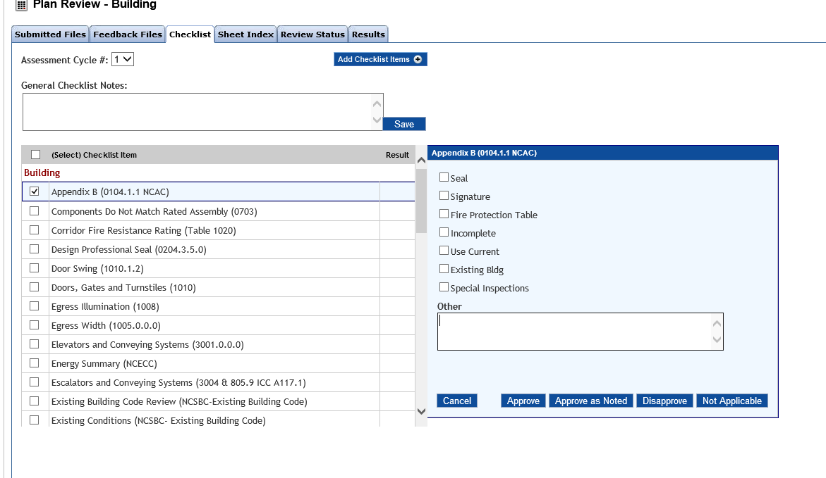

 | Field Name | Database FN | Source Table | Accela Staging Table & Column | Notes | AION

 | Plan Review

 | Trade |  |  | AATABLE_PERMIT_WORKFLOW.TT_WORKFLOW_TASK
 | Reviewer Assigned |  |  | AATABLE_PERMIT_WORKFLOW.USER_ID |  | AION/EPM Data Conversion
 | Plan Reviewer Status - Review In Progress - Interactive Review - Appproved - Approved as Noted - Disapproved - Not Applicable |  |  | AATABLE_PERMIT_WORKFLOW.TT_WORKFLOW_STATUS

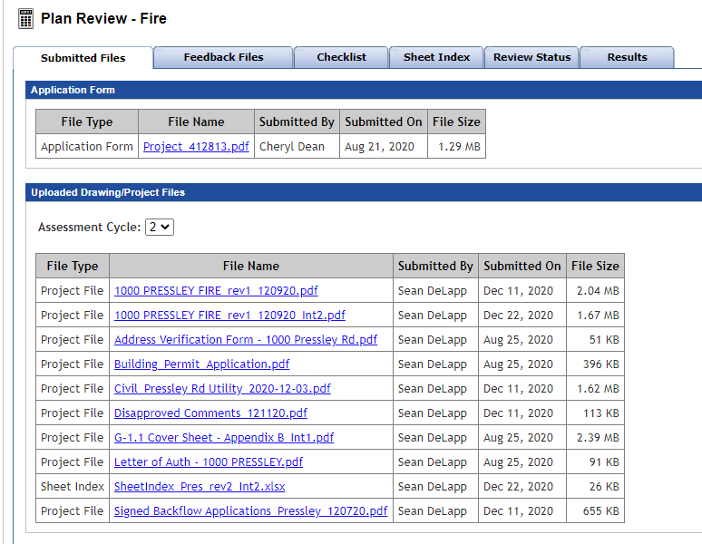

 | Plan Review

 | File Type - Application Form
 | File Name
 | Submitted By
 | Submitted On
 | File Size

 | Uploaded Drawing/Project Files |  |  |  | Plan Room
 |  |  | 832.69
 | Assessment Cycle |  | 277.56333333
 | File Type |  | 17486.49
 | File Name
 | Submitted By |  | 158.61
 | Submitted On |  | 10310.998185
 | File Size
 |  |  | 65.0085

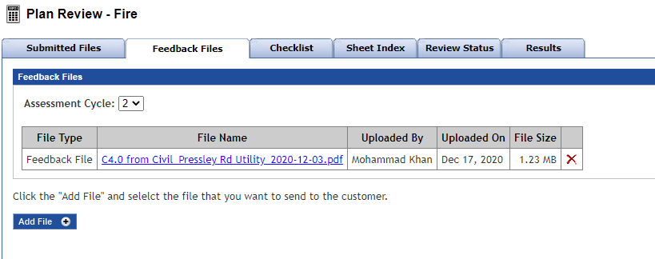

 | Feedback Files |  |  |  | Plan Room

 | Assessment Cycle
 | File Type
 | File Name
 | Submitted By
 | Submitted On
 | File Size

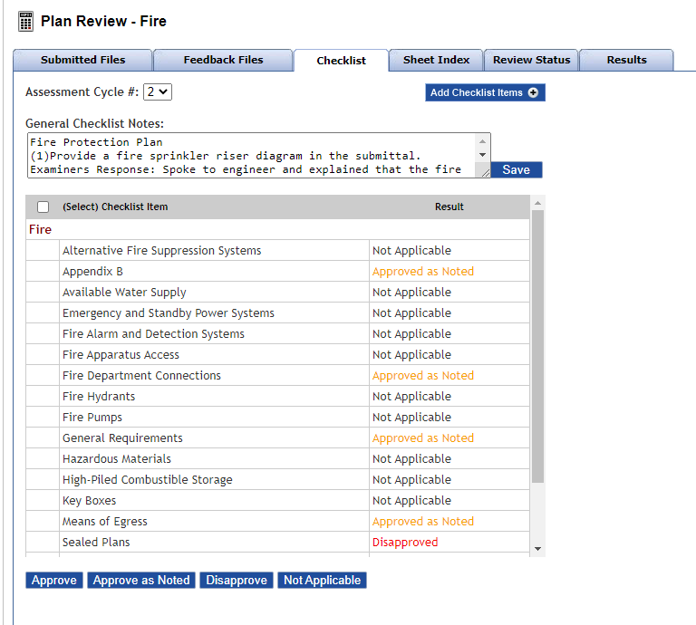
 | Plan Review Checklist |  |  |  | Plan Room

 | Assessment Cycle
 | General Checklist Notes |  |  |  | Create General Issue note
 | Checklist applicable to Trade Reviewer Type
 | Checklist Item
 | Result

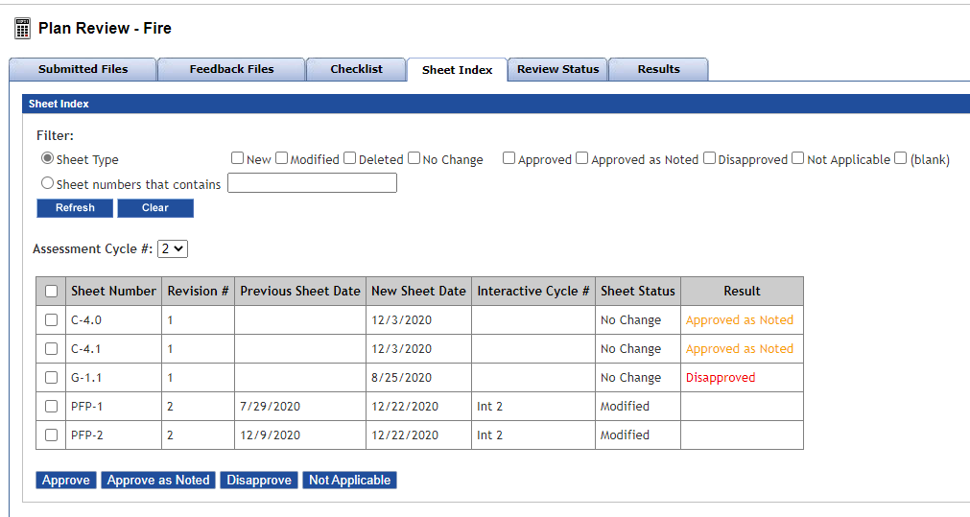

 | Plan Review Sheet Index |  |  |  | Plan Room

 | Assessment Cycle
 | Sheet Number
 | Revision #
 | Previous Sheet Date
 | New Sheet Date
 | Interactive Cycle #
 | Sheet Status
 | Result

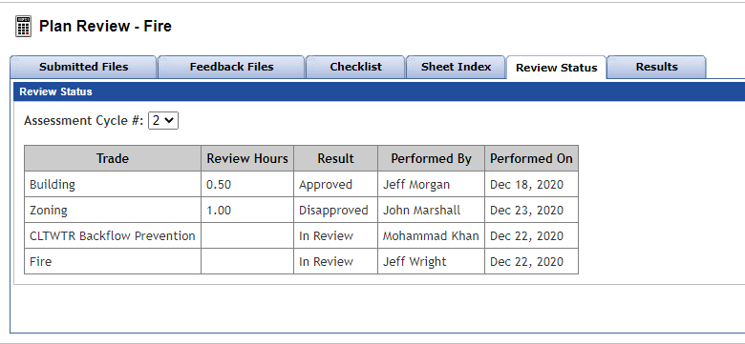
 | Plan Review Status

 | Assessment Cycle |  |  | Custom Field | Custom Field - Plan Review Cycle
 | Trade |  |  | AATABLE_PERMIT_WORKFLOW.TT_WORKFLOW_TASK | Assigned Trade Plan Reviewer
 | Review Hours |  |  | ? | Actual Time Spent on Plan Review
 | Result |  |  | AATABLE_PERMIT_WORKFLOW.TT_WORKFLOW_STATUS | Plan Review Result
 | Performed By |  |  | AATABLE_PERMIT_WORKFLOW.USER_ID | Plan Reviewer Name
 | Performed On |  |  | AATABLE_PERMIT_WORKFLOW.TASKUPDATED | Date Plan Review was completed

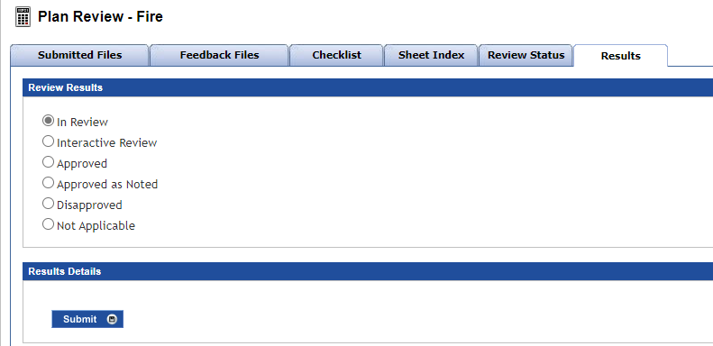
 | Plan Review Results - General

 | Plan Review Results - In Review - Interactive Review - Approved - Approved as Noted - Disapproved - Not Applicable |  |  | AATABLE_PERMIT_WORKFLOW.TT_WORKFLOW_STATUS | Specific Plan Review Results

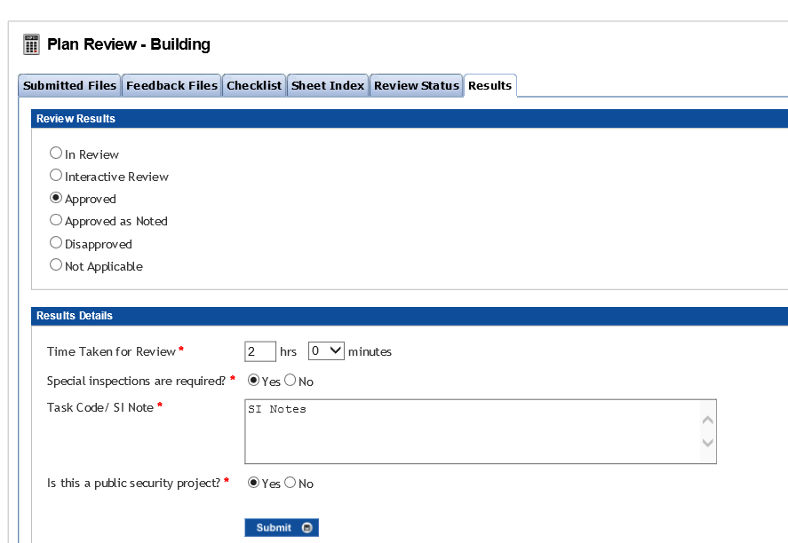
 | Plan Review Results - Building

 | Result Details
 | Plan Review Results - In Review - Interactive Review - Approved - Approved as Noted - Disapproved - Not Applicable |  |  | AATABLE_PERMIT_WORKFLOW.TT_WORKFLOW_STATUS | Specific Plan Review Results

 | Result Details
 | When Approved or Approved as Noted:
 | Time Take for Review - Hours - Minutes |  |  | ? | Hours Spent
 | Special Inspections are required? - Yes - No |  |  | Custom Field | Custom Field - Building Plan Review ONLY
 | Task Code / SI Notes |  |  | Custom Field | Custom Field - Building Plan Review ONLY
 | Is this a public security project? - Yes - No |  |  | Custom Field | Custom Field - Building Plan Review ONLY
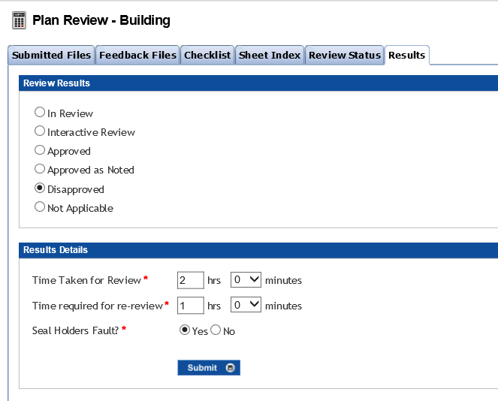

 | Result Details
 | When Disaproved:
 | Time Take for Review - Hours - Minutes |  |  | ? | Hours Spent | AION/EPM Data Conversion
 | Time Required for re-review - Hours - Minutes |  |  | ? | Estimated Re-review hours | AION/EPM Data Conversion
 | Seal Holders Fault - Yes - No |  |  | Custom Field | Custom Field - B,E,M,P ONLY

City / County Fire, CLTWTR Backflow Prevention, Food Service, Public Pool, EHS Facility / Lodging, Commercial Day Care |  |  |  |  | Below only apply to : City / County Fire, CLTWTR Backflow Prevention, Food Service, Public Pool, EHS Facility / Lodging, Commercial Day Care

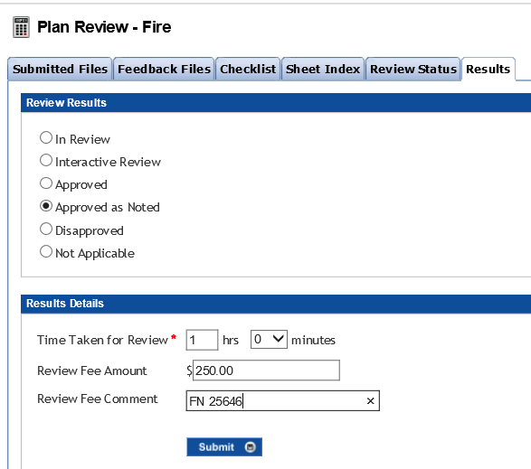

 | Result Details
 | When Approved or Approved as Noted:
 | Time Take for Review - Hours - Minutes |  |  | ? | Same as Plan Review above | AION/EPM Data Conversion
 | Review Fee Amount - $ - numeric field |  |  | Is this a custom field or just found on the "Fee" tab in Accela? | Review Fee Amount
 | Review Fee Comment - text field |  |  | Is this a custom field or just found on the "Fee" tab in Accela? | Review Fee Comment

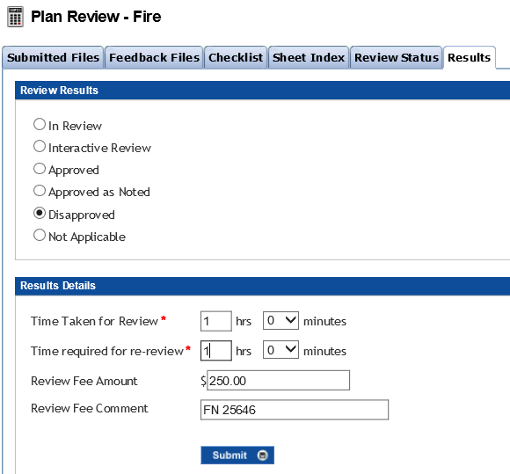

 | Result Details
 | When Disapproved:
 | Time Take for Review - Hours - Minutes |  |  | ? | Same as Plan Review above | AION/EPM Data Conversion
 | Time Required for re-review - Hours - Minutes |  |  | ? | Same as Plan Review above | AION/EPM Data Conversion
 | Review Fee Amount - $ - numeric field |  |  | Is this a custom field or just found on the "Fee" tab in Accela? | Review Fee Amount
 | Review Fee Comment - text field |  |  | Is this a custom field or just found on the "Fee" tab in Accela? | Review Fee Comment

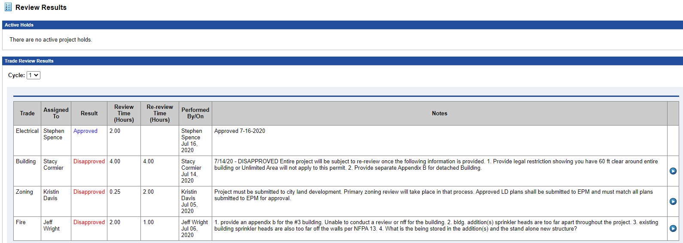
 | Review Results - Example shown had 3 Assessment Cycles |  |  |  | Applies to all trades

 | Active Holds |  |  | AATABLE_PERMIT_CONDITIONS Need to know the different fields for this. | Holds Alert - PMT hold from Posse

 | Trade Review Results by Assessment Cycle
 | Assessment Cycle |  |  | Custom Field | Plan Review Cycle | AION/EPM Data Conversion
 | Trade |  |  | AATABLE_PERMIT_WORKFLOW.TT_WORKFLOW_TASK | Plan Review Trade | AION/EPM Data Conversion
 | Assigned To |  |  | AATABLE_PERMIT_WORKFLOW.USER_ID | Plan Reviewer Name | AION/EPM Data Conversion
 | Result |  |  | AATABLE_PERMIT_WORKFLOW.TT_WORKFLOW_STATUS | Review Result | AION/EPM Data Conversion
 | Review Time (Hours) |  |  | ? | Hours Spent | AION/EPM Data Conversion
 | Re-review Time (Hours) |  |  | ? | Estimated Re-Review Hours | AION/EPM Data Conversion
 | Performed By/On |  |  | AATABLE_PERMIT_WORKFLOW.USER_ID | Date Plan Review Result was performed | AION/EPM Data Conversion
 | Notes |  |  | AATABLE_PERMIT_WORKFLOW.TT_WORKFLOW_TASK | Plan Review Notes
 | Applicable Sheet Index sheets Results |  |  | ? | Sheet Index Notes



 | Trade Review Results by Assessment Cycle |  |  |  | Subsequent Cycle - same as above
 | Assessment Cycle |  |  | Custom Field |  | AION/EPM Data Conversion
 | Trade |  |  | AATABLE_PERMIT_WORKFLOW.TT_WORKFLOW_TASK |  | AION/EPM Data Conversion
 | Assigned To |  |  | AATABLE_PERMIT_WORKFLOW.USER_ID |  | AION/EPM Data Conversion
 | Result |  |  | AATABLE_PERMIT_WORKFLOW.TT_WORKFLOW_STATUS |  | AION/EPM Data Conversion
 | Review Time (Hours) |  |  | ? |  | AION/EPM Data Conversion
 | Re-review Time (Hours) |  |  | ? |  | AION/EPM Data Conversion
 | Performed By/On |  |  | AATABLE_PERMIT_WORKFLOW.USER_ID |  | AION/EPM Data Conversion
 | Notes |  |  | AATABLE_PERMIT_WORKFLOW.TT_WORKFLOW_TASK
 | Applicable Sheet Index sheets Results |  |  | ?

 | Trade Review Results by Assessment Cycle |  |  |  | Subsequent Cycle - same as above
 | Assessment Cycle |  |  | Custom Field |  | AION/EPM Data Conversion
 | Trade |  |  | AATABLE_PERMIT_WORKFLOW.TT_WORKFLOW_TASK |  | AION/EPM Data Conversion
 | Assigned To |  |  | AATABLE_PERMIT_WORKFLOW.USER_ID |  | AION/EPM Data Conversion
 | Result |  |  | AATABLE_PERMIT_WORKFLOW.TT_WORKFLOW_STATUS |  | AION/EPM Data Conversion
 | Review Time (Hours) |  |  | ? |  | AION/EPM Data Conversion
 | Re-review Time (Hours) |  |  | ? |  | AION/EPM Data Conversion
 | Performed By/On |  |  | AATABLE_PERMIT_WORKFLOW.USER_ID |  | AION/EPM Data Conversion
 | Notes |  |  | AATABLE_PERMIT_WORKFLOW.TT_WORKFLOW_TASK
 | Applicable Sheet Index sheets Results |  |  | ?

 | Plan Markup Comments |  |  |  | Plan Room - Markup comments

 | File Name |  |  |  | File name
 | Reviewer |  |  |  | Plan Reviewer Name
 | Trade |  |  |  | Specific Trade
 | Page # |  |  |  | Drawing number
 | Comment |  |  |  | Plan Review comments

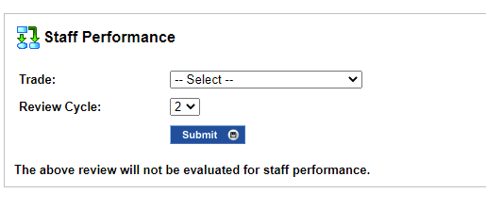
 | Staff Performance |  |  |  | A/E Grading

 | Trade - Reviewer Name |  |  | Custom Field?
 | Review Cycle |  |  | Custom Field

Manage Fees
 | Field Name | Database FN | Source Table | Accela Staging Table & Column | Notes | AION

 | Manage Fees

 | List of Fees

 | Fee Type |  |  | AATABLE_PERMIT_CONDITIONS.CON_GROUP AATABLE_PERMIT_CONDITIONS.CON_TYPE AATABLE_PERMIT_CONDITIONS.CON_DES | Fees in Accela are conditions Group - Code Enforcement Fees Type - Awaiting Payment Condition Name - Awaiting Plan Review Fees Payment
 | Fee Amount |  |  | Custom field so dynamic translation table needed for this. | Custom Field: Fee amount sent from Posse If TT_RECORD = "Commercial Project", then the custom field name = "Estimated Fees". If TT_RECORD = "Commercial RTAP", then the custom field name = "TotalEstimatedFees" | AION/EPM Data Conversion
 | Fee Status |  |  | AATABLE_PERMIT_CONDITIONS.CON_STATUS - Options are "Applied" or "Condition Met" | Fee Status: Condition Met sent from Posse If EPM History has status of "Plan Review Fees Collected" or Application App "How will submittal fees for this project be paid?" = "Letter of Authorization", then Condition Status = "Condition Met". If EPM History has status of "Plan Review Fees Added" and doesn't have a status of "Plan Review Fees Collected" and Application App field "How will submittal fees for this project be paid?" <> "Letter of Authorization" , then Condition Status = "Applied".
 | Comments |  |  | AATABLE_PERMIT_CONDITIONS.LONG_COMMENTS

LOA

 |  |  |  |  | Posse sends a Status of Fees Waived - Letter of Credit.

Abort

Cancel

 |  |  |  | AATABLE_PERMIT_PROJECTS

 |  |  |  | AATABLE_PERMIT_HISTORY.PERMITNUM

A-E Licenses
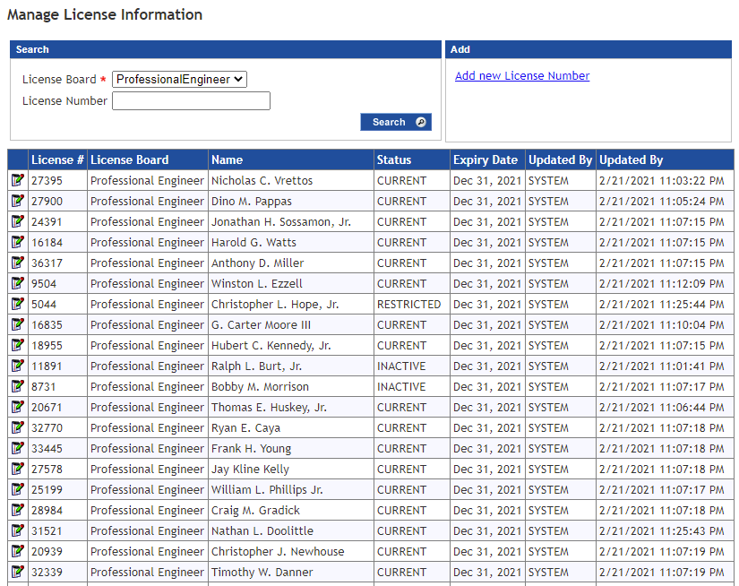
Field Name | Database FN | Source Table | Accela Staging Table & Column | Notes | CE Custom Field Alternative Label | CE Custom Fields Name - Column G - TSI file | Notes | AION

License # |  |  | AATABLE_PERMIT_PEOPLE.LIC_NUM AATABLE_LIC_PROF.lic_nbr |  | Unable to locate in CF listing
License Board/Type |  |  | AATABLE_PERMIT_PEOPLE.LIC_BOARD AATABLE_LIC_PROF.lic_board |  | Unable to locate in CF listing
LP Name |  |  | AATABLE_PERMIT_PEOPLE.FNAME AATABLE_PERMIT_PEOPLE.MNAME AATABLE_PERMIT_PEOPLE.LNAME AATABLE_LIC_PROF.cae_fname AATABLE_LIC_PROF.cae_mname AATABLE_LIC_PROF.cae_lname |  | Unable to locate in CF listing
LP # Status |  |  | AATABLE_LIC_PROF.LIC_STATUS | If this "Status" column is required, we will need to discuss what this data represents and then how to get this data converted. For the transactional data there isnt a "Status" for Contacts or LPs in the staging tables so we may have to use one of the many fields that we currently are not going to use as a temporary column and once the data is in Accela, I can write a SQL statement to update the status column on the final table if we need to. | Unable to locate in CF listing
LP # Expiry Date |  |  | AATABLE_PERMIT_PEOPLE.EXPIRATION_DATE AATABLE_LIC_PROF.LIC_EXPIR_DD |  | Unable to locate in CF listing

A-E Grading
 | Field Name | Database FN | Source Table | Accela Staging Table & Column | Notes | Custom Lists Subgroup | Custom Table Column Name | CE Notes | AION
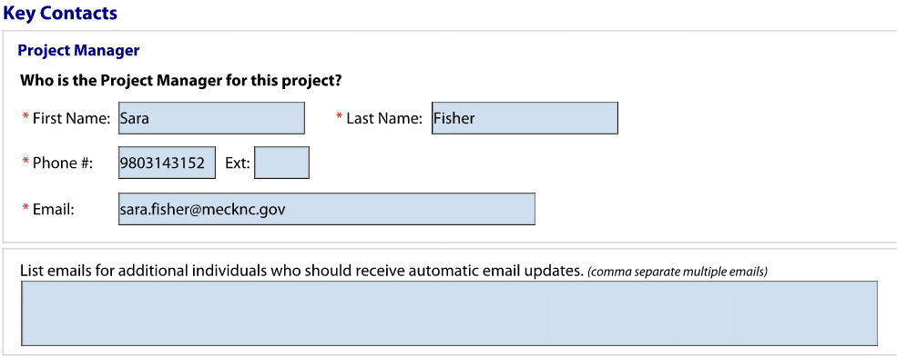
 | Project Manager |  |  | AATABLE_PERMIT_PEOPLE.TT_CONTACT_TYPE
 | First Name |  |  | AATABLE_PERMIT_PEOPLE.FNAME
 | Last Name |  |  | AATABLE_PERMIT_PEOPLE.LNAME
 | Phone Number |  |  | AATABLE_PERMIT_PEOPLE.PH1
 | Ext |  |  | AATABLE_PERMIT_PEOPLE.FAX | This field is not in Accela currently for "Project Manager" contact type but it does exist on the LP records. Is this field needed on the contact form? | Unable to locate in CF listing |  | Ext: field in Accela
 | Email |  |  | AATABLE_PERMIT_PEOPLE.EMAIL
 |  |  |  |  |  |  |  | Accela does not have the ability to capture additional email notifications


 | Architect / Designer Contact |  |  | AATABLE_PERMIT_PEOPLE.LIC_TYPE AATABLE_LIC_PROF.lic_type
 | Will the architect drawings be sealed? |  |  | ? | The table is "AATABLE_PERMIT_PEOPLEATTR" but we will need to discuss how to get data into that table. | Unable to locate in CF listing |  | Yes, Custom Fld for LP Drawings Sealed? Y/N
 | License #: |  |  | AATABLE_PERMIT_PEOPLE.LIC_NUM AATABLE_LIC_PROF.lic_nbr
 | Board: |  |  | AATABLE_PERMIT_PEOPLE.LIC_BOARD AATABLE_LIC_PROF.lic_board
 | Name |  |  | AATABLE_PERMIT_PEOPLE.FNAME AATABLE_PERMIT_PEOPLE.MNAME AATABLE_PERMIT_PEOPLE.LNAME AATABLE_LIC_PROF.cae_fname AATABLE_LIC_PROF.cae_mname AATABLE_LIC_PROF.cae_lname
 | Phone |  |  | AATABLE_PERMIT_PEOPLE.PH1 AATABLE_LIC_PROF.phone1
 | Ext |  |  | AATABLE_PERMIT_PEOPLE.FAX AATABLE_LIC_PROF.FAX |  | Unable to locate in CF listing
 | Email |  |  | AATABLE_PERMIT_PEOPLE.EMAIL AATABLE_LIC_PROF.EMAIL
 | Receive automatic email updates |  |  | ? | The table is "AATABLE_PERMIT_PEOPLEATTR" but we will need to discuss how to get data into that table. | Unable to locate in CF listing |  | Yes, Custom Fld for LP and Contacts Receive Automatic Email Updates Y/N
 | The person above is: |  |  | ? | The table is "AATABLE_PERMIT_PEOPLEATTR" but we will need to discuss how to get data into that table. | Unable to locate in CF listing |  | Custom Fld for LP The above person is: dropdown Employee Non-Employee
 | Firm Name |  |  | ? | The table is "AATABLE_PERMIT_PEOPLEATTR" but we will need to discuss how to get data into that table. | Unable to locate in CF listing


 | Electrical Engineer / Designer Contact |  |  | AATABLE_PERMIT_PEOPLE.LIC_TYPE AATABLE_LIC_PROF.lic_type
 | Will the architect drawings be sealed? |  |  | ? | The table is "AATABLE_PERMIT_PEOPLEATTR" but we will need to discuss how to get data into that table. | Unable to locate in CF listing |  | Yes, Custom Fld for LP Drawings Sealed? Y/N
 | License #: |  |  | AATABLE_PERMIT_PEOPLE.LIC_NUM AATABLE_LIC_PROF.lic_nbr
 | Board: |  |  | AATABLE_PERMIT_PEOPLE.LIC_BOARD AATABLE_LIC_PROF.lic_board
 | Name |  |  | AATABLE_PERMIT_PEOPLE.FNAME AATABLE_PERMIT_PEOPLE.MNAME AATABLE_PERMIT_PEOPLE.LNAME AATABLE_LIC_PROF.cae_fname AATABLE_LIC_PROF.cae_mname AATABLE_LIC_PROF.cae_lname
 | Phone |  |  | AATABLE_PERMIT_PEOPLE.PH1 AATABLE_LIC_PROF.phone1
 | Ext |  |  | AATABLE_PERMIT_PEOPLE.FAX AATABLE_LIC_PROF.FAX |  | Unable to locate in CF listing
 | Email |  |  | AATABLE_PERMIT_PEOPLE.EMAIL AATABLE_LIC_PROF.EMAIL
 | Receive automatic email updates |  |  | ? | The table is "AATABLE_PERMIT_PEOPLEATTR" but we will need to discuss how to get data into that table. | Unable to locate in CF listing |  | Yes, Custom Fld for LP and Contacts Receive Automatic Email Updates Y/N
 | The person above is: |  |  | ? | The table is "AATABLE_PERMIT_PEOPLEATTR" but we will need to discuss how to get data into that table. | Unable to locate in CF listing |  | Custom Fld for LP The above person is: dropdown Employee Non-Employee
 | Firm Name |  |  | ? | The table is "AATABLE_PERMIT_PEOPLEATTR" but we will need to discuss how to get data into that table.


 | Mechanical Engineer / Designer Contact |  |  | AATABLE_PERMIT_PEOPLE.LIC_TYPE AATABLE_LIC_PROF.lic_type
 | Will the architect drawings be sealed? |  |  | ? | The table is "AATABLE_PERMIT_PEOPLEATTR" but we will need to discuss how to get data into that table. | Unable to locate in CF listing |  | Yes, Custom Fld for LP Drawings Sealed? Y/N
 | License #: |  |  | AATABLE_PERMIT_PEOPLE.LIC_NUM AATABLE_LIC_PROF.lic_nbr
 | Board: |  |  | AATABLE_PERMIT_PEOPLE.LIC_BOARD AATABLE_LIC_PROF.lic_board
 | Name |  |  | AATABLE_PERMIT_PEOPLE.FNAME AATABLE_PERMIT_PEOPLE.MNAME AATABLE_PERMIT_PEOPLE.LNAME AATABLE_LIC_PROF.cae_fname AATABLE_LIC_PROF.cae_mname AATABLE_LIC_PROF.cae_lname
 | Phone |  |  | AATABLE_PERMIT_PEOPLE.PH1 AATABLE_LIC_PROF.phone1
 | Ext |  |  | AATABLE_PERMIT_PEOPLE.FAX AATABLE_LIC_PROF.FAX |  | Unable to locate in CF listing
 | Email |  |  | AATABLE_PERMIT_PEOPLE.EMAIL AATABLE_LIC_PROF.EMAIL
 | Receive automatic email updates |  |  | ? | The table is "AATABLE_PERMIT_PEOPLEATTR" but we will need to discuss how to get data into that table. | Unable to locate in CF listing |  | Yes, Custom Fld for LP and Contacts Receive Automatic Email Updates Y/N
 | The person above is: |  |  | ? | The table is "AATABLE_PERMIT_PEOPLEATTR" but we will need to discuss how to get data into that table. | Unable to locate in CF listing |  | Custom Fld for LP The above person is: dropdown Employee Non-Employee
 | Firm Name |  |  | ? | The table is "AATABLE_PERMIT_PEOPLEATTR" but we will need to discuss how to get data into that table.


 | Plumbing Engineer / Designer Contact |  |  | AATABLE_PERMIT_PEOPLE.LIC_TYPE AATABLE_LIC_PROF.lic_type
 | Will the architect drawings be sealed? |  |  | ? | The table is "AATABLE_PERMIT_PEOPLEATTR" but we will need to discuss how to get data into that table. | Unable to locate in CF listing |  | Yes, Custom Fld for LP Drawings Sealed? Y/N
 | License #: |  |  | AATABLE_PERMIT_PEOPLE.LIC_NUM AATABLE_LIC_PROF.lic_nbr
 | Board: |  |  | AATABLE_PERMIT_PEOPLE.LIC_BOARD AATABLE_LIC_PROF.lic_board
 | Name |  |  | AATABLE_PERMIT_PEOPLE.FNAME AATABLE_PERMIT_PEOPLE.MNAME AATABLE_PERMIT_PEOPLE.LNAME AATABLE_LIC_PROF.cae_fname AATABLE_LIC_PROF.cae_mname AATABLE_LIC_PROF.cae_lname
 | Phone |  |  | AATABLE_PERMIT_PEOPLE.PH1 AATABLE_LIC_PROF.phone1
 | Ext |  |  | AATABLE_PERMIT_PEOPLE.FAX AATABLE_LIC_PROF.FAX |  | Unable to locate in CF listing
 | Email |  |  | AATABLE_PERMIT_PEOPLE.EMAIL AATABLE_LIC_PROF.EMAIL
 | Receive automatic email updates |  |  | ? | The table is "AATABLE_PERMIT_PEOPLEATTR" but we will need to discuss how to get data into that table. | Unable to locate in CF listing |  | Yes, Custom Fld for LP and Contacts Receive Automatic Email Updates Y/N
 | The person above is: |  |  | ? | The table is "AATABLE_PERMIT_PEOPLEATTR" but we will need to discuss how to get data into that table. | Unable to locate in CF listing |  | Custom Fld for LP The above person is: dropdown Employee Non-Employee
 | Firm Name |  |  | ? | The table is "AATABLE_PERMIT_PEOPLEATTR" but we will need to discuss how to get data into that table.


 | Civil Engineer / Designer Contact |  |  | AATABLE_PERMIT_PEOPLE.LIC_TYPE AATABLE_LIC_PROF.lic_type
 | Will the architect drawings be sealed? |  |  | ? | The table is "AATABLE_PERMIT_PEOPLEATTR" but we will need to discuss how to get data into that table. | Unable to locate in CF listing |  | Yes, Custom Fld for LP Drawings Sealed? Y/N
 | License #: |  |  | AATABLE_PERMIT_PEOPLE.LIC_NUM AATABLE_LIC_PROF.lic_nbr
 | Board: |  |  | AATABLE_PERMIT_PEOPLE.LIC_BOARD AATABLE_LIC_PROF.lic_board
 | Name |  |  | AATABLE_PERMIT_PEOPLE.FNAME AATABLE_PERMIT_PEOPLE.MNAME AATABLE_PERMIT_PEOPLE.LNAME AATABLE_LIC_PROF.cae_fname AATABLE_LIC_PROF.cae_mname AATABLE_LIC_PROF.cae_lname
 | Phone |  |  | AATABLE_PERMIT_PEOPLE.PH1 AATABLE_LIC_PROF.phone1
 | Ext |  |  | AATABLE_PERMIT_PEOPLE.FAX AATABLE_LIC_PROF.FAX |  | Unable to locate in CF listing
 | Email |  |  | AATABLE_PERMIT_PEOPLE.EMAIL AATABLE_LIC_PROF.EMAIL
 | Receive automatic email updates |  |  | ? | The table is "AATABLE_PERMIT_PEOPLEATTR" but we will need to discuss how to get data into that table. | Unable to locate in CF listing |  | Yes, Custom Fld for LP and Contacts Receive Automatic Email Updates Y/N
 | The person above is: |  |  | ? | The table is "AATABLE_PERMIT_PEOPLEATTR" but we will need to discuss how to get data into that table. | Unable to locate in CF listing |  | Custom Fld for LP The above person is: dropdown Employee Non-Employee
 | Firm Name |  |  | ? | The table is "AATABLE_PERMIT_PEOPLEATTR" but we will need to discuss how to get data into that table.


 | Fire Protection Engineer / Designer Contact |  |  | AATABLE_PERMIT_PEOPLE.LIC_TYPE AATABLE_LIC_PROF.lic_type
 | Will the architect drawings be sealed? |  |  | ? | The table is "AATABLE_PERMIT_PEOPLEATTR" but we will need to discuss how to get data into that table. | Unable to locate in CF listing |  | Yes, Custom Fld for LP Drawings Sealed? Y/N
 | License #: |  |  | AATABLE_PERMIT_PEOPLE.LIC_NUM AATABLE_LIC_PROF.lic_nbr
 | Board: |  |  | AATABLE_PERMIT_PEOPLE.LIC_BOARD AATABLE_LIC_PROF.lic_board
 | Name |  |  | AATABLE_PERMIT_PEOPLE.FNAME AATABLE_PERMIT_PEOPLE.MNAME AATABLE_PERMIT_PEOPLE.LNAME AATABLE_LIC_PROF.cae_fname AATABLE_LIC_PROF.cae_mname AATABLE_LIC_PROF.cae_lname
 | Phone |  |  | AATABLE_PERMIT_PEOPLE.PH1 AATABLE_LIC_PROF.phone1
 | Ext |  |  | AATABLE_PERMIT_PEOPLE.FAX AATABLE_LIC_PROF.FAX |  | Unable to locate in CF listing
 | Email |  |  | AATABLE_PERMIT_PEOPLE.EMAIL AATABLE_LIC_PROF.EMAIL
 | Receive automatic email updates |  |  | ? | The table is "AATABLE_PERMIT_PEOPLEATTR" but we will need to discuss how to get data into that table. | Unable to locate in CF listing |  | Yes, Custom Fld for LP and Contacts Receive Automatic Email Updates Y/N
 | The person above is: |  |  | ? | The table is "AATABLE_PERMIT_PEOPLEATTR" but we will need to discuss how to get data into that table. | Unable to locate in CF listing |  | Custom Fld for LP The above person is: dropdown Employee Non-Employee
 | Firm Name |  |  | ? | The table is "AATABLE_PERMIT_PEOPLEATTR" but we will need to discuss how to get data into that table.


 | Structural Engineer / Designer Contact |  |  | AATABLE_PERMIT_PEOPLE.LIC_TYPE AATABLE_LIC_PROF.lic_type
 | Will the architect drawings be sealed? |  |  | ? | The table is "AATABLE_PERMIT_PEOPLEATTR" but we will need to discuss how to get data into that table. | Unable to locate in CF listing |  | Yes, Custom Fld for LP Drawings Sealed? Y/N
 | License #: |  |  | AATABLE_PERMIT_PEOPLE.LIC_NUM AATABLE_LIC_PROF.lic_nbr
 | Board: |  |  | AATABLE_PERMIT_PEOPLE.LIC_BOARD AATABLE_LIC_PROF.lic_board
 | Name |  |  | AATABLE_PERMIT_PEOPLE.FNAME AATABLE_PERMIT_PEOPLE.MNAME AATABLE_PERMIT_PEOPLE.LNAME AATABLE_LIC_PROF.cae_fname AATABLE_LIC_PROF.cae_mname AATABLE_LIC_PROF.cae_lname
 | Phone |  |  | AATABLE_PERMIT_PEOPLE.PH1 AATABLE_LIC_PROF.phone1
 | Ext |  |  | AATABLE_PERMIT_PEOPLE.FAX AATABLE_LIC_PROF.FAX |  | Unable to locate in CF listing
 | Email |  |  | AATABLE_PERMIT_PEOPLE.EMAIL AATABLE_LIC_PROF.EMAIL
 | Receive automatic email updates |  |  | ? | The table is "AATABLE_PERMIT_PEOPLEATTR" but we will need to discuss how to get data into that table. | Unable to locate in CF listing |  | Yes, Custom Fld for LP and Contacts Receive Automatic Email Updates Y/N
 | The person above is: |  |  | ? | The table is "AATABLE_PERMIT_PEOPLEATTR" but we will need to discuss how to get data into that table. | Unable to locate in CF listing |  | Custom Fld for LP The above person is: dropdown Employee Non-Employee
 | Firm Name |  |  | ? | The table is "AATABLE_PERMIT_PEOPLEATTR" but we will need to discuss how to get data into that table.

 | Performance Scores

 | Seal Holder Type |  |  | Custom List data |  | INDIVIDUAL SCORES | Trade | Where is the Team Score for when the project is submitted?
 | Name |  |  | Custom List data |  | INDIVIDUAL SCORES | Name
 | License # |  |  | Custom List data |  | INDIVIDUAL SCORES | License Number
 | Score |  |  | Custom List data |  | INDIVIDUAL SCORES | Grade at Submission
 |  |  |  |  |  | INDIVIDUAL SCORES | Score at Submission
Events History for a specific Seal Holder
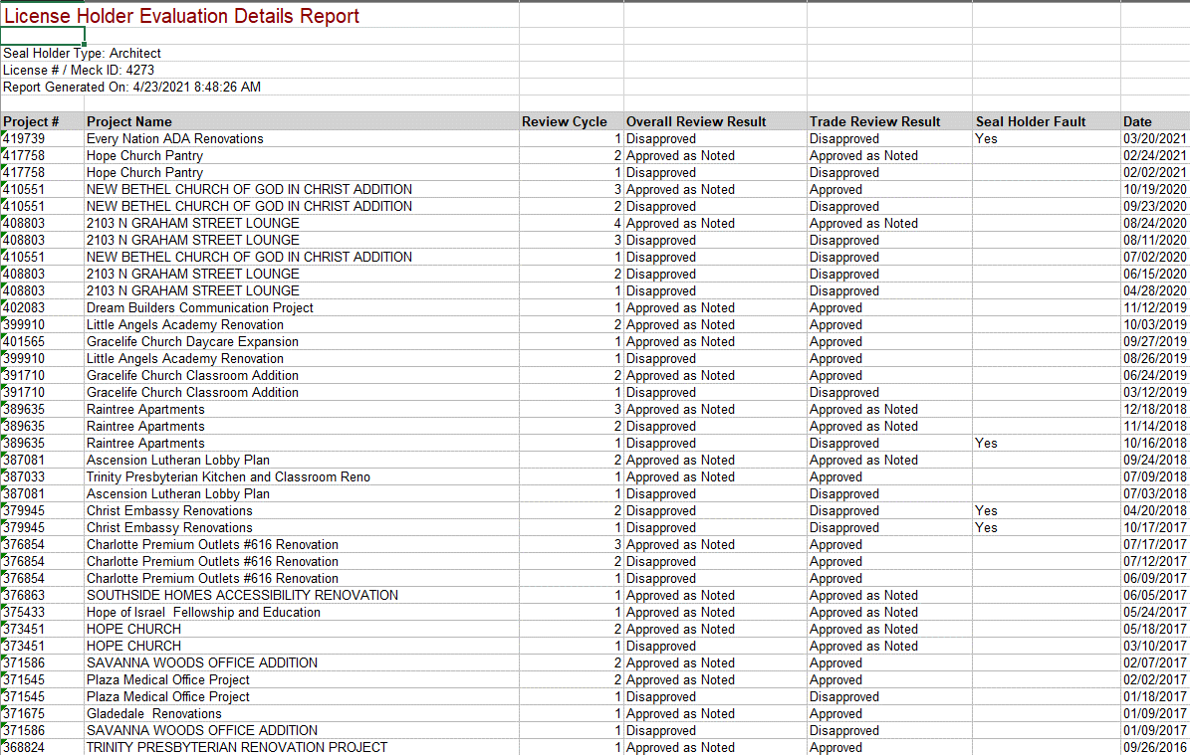

 | Seal Holder Type |  |  | Custom List data |  | SCORED EVENTS | Calculation Date
 | License # |  |  | Custom List data |  | SCORED EVENTS | Event Date
 | Below information is associated with this Seal Holder |  |  | Custom List data |  | SCORED EVENTS | Record ID
 | Project # |  |  | Custom List data |  | SCORED EVENTS | Record Type
 | Project Name |  |  | Custom List data |  | SCORED EVENTS | Record Name
 | Review Cycle |  |  | Custom List data |  | SCORED EVENTS | Record Status
 | Overall Review Result |  |  | Custom List data |  | SCORED EVENTS | Cycle
 | Trade Review Result |  |  | Custom List data |  | SCORED EVENTS | Task
 | Seal Holder Fault |  |  | Custom List data |  | SCORED EVENTS | Task Status
 | Date of event |  |  | Custom List data |  | SCORED EVENTS | Seal Holder Failure
 |  |  |  |  |  | SCORED EVENTS | Include in Scoring
 | Need the last Quarterly calculation date |  |  |  |  | SCORED EVENTS | Appeal Status
 |  |  |  |  |  | ARCHIVED EVENTS | Calculation Date
 | Are we loading everything, then Accela will calculate Scored, Archived, and Historic Events based on A/E logic? |  |  |  |  | ARCHIVED EVENTS | Event Date
 |  |  |  |  |  | ARCHIVED EVENTS | Record ID
 |  |  |  |  |  | ARCHIVED EVENTS | Record Type
 |  |  |  |  |  | ARCHIVED EVENTS | Record Name
 |  |  |  |  |  | ARCHIVED EVENTS | Record Status
 |  |  |  |  |  | ARCHIVED EVENTS | Cycle
 |  |  |  |  |  | ARCHIVED EVENTS | Task
 |  |  |  |  |  | ARCHIVED EVENTS | Task Status
 |  |  |  |  |  | ARCHIVED EVENTS | Seal Holder Failure
 |  |  |  |  |  | ARCHIVED EVENTS | Include in Scoring
 |  |  |  |  |  | ARCHIVED EVENTS | Appeal Status
 |  |  |  |  |  | HISTORIC EVENTS | Calculation Date
 |  |  |  |  |  | HISTORIC EVENTS | Event Date
 |  |  |  |  |  | HISTORIC EVENTS | Record ID
 |  |  |  |  |  | HISTORIC EVENTS | Record Type
 |  |  |  |  |  | HISTORIC EVENTS | Record Name
 |  |  |  |  |  | HISTORIC EVENTS | Record Status
 |  |  |  |  |  | HISTORIC EVENTS | Cycle
 |  |  |  |  |  | HISTORIC EVENTS | Task
 |  |  |  |  |  | HISTORIC EVENTS | Task Status
 |  |  |  |  |  | HISTORIC EVENTS | Seal Holder Failure
 |  |  |  |  |  | HISTORIC EVENTS | Include in Scoring
 |  |  |  |  |  | HISTORIC EVENTS | Appeal Status



 | Review Appeal |  |  |  | A/E Grading | Same as above - Includes the fields for Review Appeal as well. Do I need to duplicate the information here as well?

 | Review Cycle |  |  | Custom Field

 | Not at fault |  |  | Custom List data
 | Trade |  |  | Custom List data
 | Result |  |  | Custom List data
 | License Holder's Fault |  |  | Custom List data

Application App
 | Field Name | Accela Staging Table & Column | Notes | CE Custom Field Alternative Label | CE Custom Fields Name - Column G - TSI file | AION

 | Review Type - OnSchedule - Express - HCDT Project - Mega Project - Public School | AATABLE_PERMIT_HISTORY.TT_RECORD | Does this correspond to the record type in Accela? | Review Type | Review Type - Dropdown OnSchedule = Large Commercial HCDT = Special Projects Team Mega = Mega Multi Family Public School = Large Commercial Express = Large Commercial with Express Review Y/N checked to Yes | AION/EPM Data Conversion
 | Property Type - 1/2 family, 3.5 story or greater - Townhouse, LFS, 3.5 story or greater - Condominiums or apartments - Commercial | Custom Field | Custom field? | Property Type | Property Type - Dropdown 1/2 Family, 3.5 story or greater = 1-2 Family - => 3.5 Stories Townhouse, land for sale, 3.5 story or greater = TH, LFS - => 3.5 Stories Condominiums or apartments = Condo or Apts Commercial = Commercial | AION/EPM Data Conversion
 | Code Summary - 2012 NC Building Code - 2015 NC Existing Building Code - 2018 NC Building Code - 2018 NC Existing Building Code | Custom Field | Custom field? | Code Summary | Code Summary = Building Code - Dropdown 2012 NC Building Code = 2012 NC Building Code 2015 NC Existing Building Code = 2015 NC Existing Building Code 2018 NC Building Code = 2018 NC Building Code 2018 NC Existing Building Code = 2018 NC Existing Building Code | AION/EPM Data Conversion

 | Project Summary
 | Project Name | AATABLE_PERMIT_HISTORY.APP_NAME
 | Date drawings will be ready for review | Custom Field | Custom field or is it workflow task /status date? | Date Drawings will be ready for review | Date Drawings will be ready for review = DrawingsReadyDate | AION/EPM Data Conversion
 | How will submittal fees for project be paid? - Check/Credit Card - Letter of Authorization | Custom Field | Custom field? | How will submittal fees for this project be paid? | How will submittal fees for this project be paid? = PrepaidFeePaymentType - dropdown Check/Credit Card = Check/Credit Card Letter of Authorization = LOA
 | - Account # | Custom FIeld |  | Account # | Account # = AccountNumber

 | Affordable Housing/Work Force Housing Question - Y/N | Custom Field |  | Does this project include any affordable housing or work force housing? | Does this project include any affordable housing or work force housing? = IncludesAfforableOrWorkforceHousing - Y/N
 | If Yes, - Number of Aff Hsg Units | Custom Field |  | Number of Affordable Housing Units | If yes, to above, Number of Affordable Housing Units = AfforableHousingUnits
 | - Number of Wkfc Hsg Units | Custom Field |  | Number of Workforce Housing Units | If yes, to above, Number of Workforce Housing Units = WorkforceHousingUnits

 | Partial or Total Structural Demo question - Y/N | Custom Field |  |  | StructuralDemolition

 | Asbestos removal question - Y/N | Custom Field |  | Will asbestos removal be completed in relation to this project? | Will asbestos removal be completed in relation to this project? = AsbestosRemoval
 | If Yes, - Asbestos survey question - Y/N | Custom Field |  | Has an asbestos survey been conducted for the area to be disturbed? | Has an asbestos survey been conducted for the area to be disturbed? = AsbestosSurveyConducted

 | Gatekeeper Checklist question - Y/N | Custom Field |  |  | REMOVE

 | City of Charlotte or Meck Cty owned building question - Y/N | Custom Field |  | Are you working on a building that is owned either by City of Charlotte or Mecklenburg County? | Are you working on a building that is owned either by City of Charlotte or Mecklenburg County? = CityCountyOwnedBldg
 | If Yes, additional sqft question - Y/N | Custom Field |  | Are you building/adding more than 20,000 sq.ft.? | Are you building/adding more than 20,000 sq.ft.? = CityCountyOwnedBldgSQFt

 | Preliminary Review question - Y/N | Custom Field |  | Have you had a preliminary meeting? | Have you had a preliminary meeting? = PreliminaryReviewDone
 | If Yes, provide PR project number | Custom Field |  | Provide Project Number for the Preliminary Review Meeting | Project Number for the Preliminary Review = MeetingPreliminaryProjectNumber

 | Conditional Town Approval question - Y/N | Custom Field |  | Do you have a project number with conditional permit approval from the town? | Do you have a project number with conditional permit approval from the town? = ConditionalPermitApproval
 | If Yes, enter CPA project number | Custom Field |  | Enter the conditional permit approval project number received from town | Enter the conditional permit approval project number received from town = ConditionalPermitProjectNumber

 | Total Number of Sheets | Custom Field |  | Total number of sheets | Total number of sheets = TotalNumOfSheets

 | Project Cost - Estimated Cost of Construction | Custom Field |  | Estimated Cost of Construction | Estimated Cost of Construction = ConstructionCost
 | - Estimated Cost of Equipment | Custom Field |  | Estimated Cost of Equipment | Estimated Cost of Equipment = EquipmentCost
 | - Total Cost | Custom Field |  | Total Cost | Total Cost = ProjectCostTotal

 | Project Address - Number - Dir Pre - Street - Roadway Type - Dir Suf - Unit/Suite - City | AATABLE_PERMIT_ADDRESS.STR_NUM_START AATABLE_PERMIT_ADDRESS.STR_DIR AATABLE_PERMIT_ADDRESS.STR_NAME AATABLE_PERMIT_ADDRESS.STR_SUFFIX AATABLE_PERMIT_ADDRESS.STR_SUFFIX_DIR AATABLE_PERMIT_ADDRESS. STR_UNIT_START AATABLE_PERMIT_ADDRESS.SITUS_CITY

 | Type of Work - Upfit (Interior Completion) - Work on previously occupied existing building - Addition - New Construction (Full) - New Construction (Ftg/Fndtn) - New Construction (Shell w/F/F) - New Construction (Shell w/F/F PA) - New Construction (Shell/Core w/F/F) - New Construction (Shell/Core w/F/F PA) | Custom Field |  | Type of Work | TypeOfWork - Dropdown - Upfit (Interior Completion) - Work on previously occupied existing building - Addition - New Construction (Full) - New Construction (Footing/Foundation) - New Construction (Shell w/Footing/Foundation) - New Construction (Shell w/Footing/Foundation previously approved) - New Construction (Shell/Core w/Footing/Foundation) - New Construction (Shell/Core w/Footing/Foundation previously approved)

 | Additional Information
 | Prof Cert | Custom Field |  | Professional Certification | Professional Certification = ProfessionalCertification
 | Change of Use | Custom Field |  | Change of Use | Change of Use = ChangeOfUseForZoning
 | Day Care | Custom Field
 |  |  |  | Day care | Day Care = DayCare
 | Pre-Engineered Metal Buildings - Option A - Option B | Custom Field |  | Pre-Engineered Metal Buildings | Pre-Engineered Metal Buildings = PreEngMetalBldg
 | Downsizing a suite, …. - Option 1 - Option 2 | Custom Field |  | Pre-Engineered Metal Buildings Option | Pre-Engineered Metal Buildings Option = PreEngMetalBldgOption - Dropdown - Option A - Option B
 |  | Custom Field |  | Downsizing a suite resulting in creating more than one suite | Downsizing a suite resulting in creating more than one suite = DownsizingSuite

 |  | Custom Field |  | Downsizing Suite Options | Downsizing Suite Options = DownsizingSuiteOptions - Dropdown - Option 1 - Option 2

 | Construction Phases | ?

 | Question: Occupied in Phases - Y/N | Custom Field |  | When construction for this project is taking place will it be occupied in phases? | When construction for this project is taking place will it be occupied in phases? = PhasedConstruction

 | If Yes, First Phase Question - Y/N | Custom Field |  | Is this the first phase of the project? | Is this the first phase of the project? = FirstPhase
 | If No, to First Phase question | Custom Field |  | Original Project Number | Original Project Number = OriginalProjectNumber
 | Original Project Number | Custom Field |  | First Phase Project Number | First Phase Project Number = FirstPhaseProjectNumber
 | First Upfit is a Shell space question - Y/N | Custom Field |  | Is this the first upfit in the shell space? | Is this the first upfit in the shell space? = FirstUpfit
 | If Yes, to Shell space question | Custom Field |  | Shell Project Number | Shell Project Number = ShellProjectNumber
 | Shell Project Number
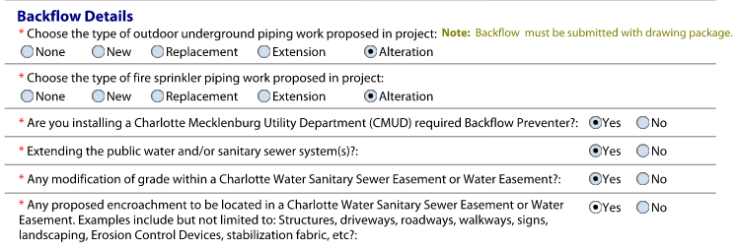
 | Backflow Details

 | Choose Type of Outdoor… - None - New - Replacement - Extension - Alteration | Custom Field |  | Choose the type of outdoor underground piping work proposed in project | Choose the type of outdoor underground piping work proposed in project = BFUndergroundPiping - DROPDOWN - None - New - Replacement - Extension - Alteration
 | Choose Type of Fire Sprinkler… - None - New - Replacement - Extension - Alteration | Custom Field |  | Choose the type of fire sprinkler piping work proposed in project | Choose the type of fire sprinkler piping work proposed in project = BFSprinklerPiping - DROPDOWN - None - New - Replacement - Extension - Alteration
 | Installing a CMUD question - Y/N | Custom Field |  | Are you installing a Charlotte Mecklenburg Utility Department (CMUD) required Backflow Preventer? | Are you installing a Charlotte Mecklenburg Utility Department (CMUD) required Backflow Preventer? = BFPreventer
 | Extending PW and/or SSS question - Y/N | Custom Field |  | Extending the public water and/or sanitary sewer system(s)? | Extending the public water and/or sanitary sewer system(s)? = BFExtendPublicWaterSewer
 | Modification of grade…. Question - Y/N | Custom Field |  | Any modification of grade within a Charlotte Water Sanitary Sewer Easement or Water Easement? | Any modification of grade within a Charlotte Water Sanitary Sewer Easement or Water Easement? = BFGradeChangeinEasement
 | Proposed encroachment… question - Y/N | Custom Field |  | Any proposed encroachment located in a Charlotte Water Sanitary Sewer Easement or Water Easement? | Any proposed encroachment located in a Charlotte Water Sanitary Sewer Easement or Water Easement? = BFProposedEncroachmentInEasement

 | Primary Occupancy | Custom Field |  |  | PrimaryOccupancy - DROPDOWN: AS = Assembly; BS = Business; ED = Education; FI = Factory / Industrial; HH = High Hazard; IN - Institutional; MR = Mercantile; RE = Residental; ST = Storage; UM = Utility & Miscellaneous
 | Assembly - A-1 - A-2 - A-3 - A-4 - A-5 | Custom Field |  |  | OccupancyCode = Assembly - DROPDOWN A-1 = A1 * Assembly - Theater w/o Stage A-2 = A2 * Assembly - Restaurants, Bars, Banquet Halls A-3 = A3C * Assembly – Common Assemblies A-4 = A4 * Assembly – Indoor Arena, Skating Rink, Tennis Court A-5 = A5 * Assembly – Outdoor Stadium, Bleacher, Grandstand

 | High Hazard - H-1 - H-2 - H-3 - H-4 - H-5 | Custom Field |  |  | OccupancyCode = High Hazard - DROPDOWN H-1 = H1 * High Hazard – Explosives H-2 = H2 * High Hazard – Deflagration H-3 = H3 * High Hazard – Readily Combustible H-4 = H4 * High Hazard – Health Hazard H-5 = H5 * High Hazard - HPM

 | Residential - R-1 - R-2 - R-3 - R-4 | Custom Field |  |  | OccupancyCode = Residential - DROPDOWN R-1 = R1 * Residential – Hotels R-2 = R2 * Residential - Multiple Family R-3 = R3 * Residential - Single Family R-4 = R4 * Residential - Care/Assisted Living Facilities, Condition 1 (Ambulatory)

 | Institutional - I-1 - I-2 - I-3 - I-4 - I-3 Use Condition | Custom Field |  |  | OccupancyCode = Institutional - DROPDOWN I-1 = I1 * Institutional - Supervised Environment, Condition 1 (Ambulatory) I-2 = I2H * Institutional - Incapacitated – Hospital, Full Nursing & Medical Treatment I-3 = I3 * Institutional - Restrained I-4 = I4 * Institutional - Day Care I-3 Use Condition = I3 * Institutional - Restrained

 | Storage - S-1 - S-2 - Open Parkage Garage - High Piled - Enclosed Parking Garage - Repair Parking Garage - Identify what is being stored | Custom Field |  |  | OccupancyCode = Storage - DROPDOWN S-1 = S1 * Storage - Moderate Hazard S-2 = S2 * Storage - Low Hazard Open Parking Garage = PrimaryOpenParkingGarage - Checkbox Enclosed Parking Garage = PrimaryEnclosedParkingGarage - Checkbox High Piled = PrimaryHighPiled - Checkbox Repair Parking Garage = PrimaryRepairParkingGarage - Checkbox Identify what is being stored: = PrimaryIdentifyWhatIsBeingStored - Text field

 | Business | Custom Field |  |  | OccupancyCode = Business - DROPDOWN Business = B * Business
 | Educational | Custom Field |  |  | OccupancyCode = Education - DROPDOWN Educational = E * Education
 | Mercantile | Custom Field |  |  | OccupancyCode = Mercantile - DROPDOWN Mercantile = M * Mercantile
 | Factory / Industrial - F-1 - F-2 | Custom Field |  |  | OccupancyCode = Factory/Industrial - DROPDOWN F-1 = F1 * Factory/Industrial - Moderate Hazard F-2 = F2 * Factory/Industrial - Low Hazard
 | Utility & Miscellaneous | Custom Field |  |  | OccupancyCode = Utility & Miscellaneous - DROPDOWN Utility & Miscellaneous = U * Utility

 | Secondary Occupancy | Custom Field |  |  | SecondaryOccupancy - DROPDOWN: AS = Assembly; BS = Business; ED = Education; FI = Factory / Industrial; HH = High Hazard; IN - Institutional; MR = Mercantile; RE = Residental; ST = Storage; UM = Utility & Miscellaneous
 | Assembly - A-1 - A-2 - A-3 - A-4 - A-5 | Custom Field |  |  | SecondaryOccupancyCode = Assembly - DROPDOWN A-1 = A1 * Assembly - Theater w/o Stage A-2 = A2 * Assembly - Restaurants, Bars, Banquet Halls A-3 = A3C * Assembly – Common Assemblies A-4 = A4 * Assembly – Indoor Arena, Skating Rink, Tennis Court A-5 = A5 * Assembly – Outdoor Stadium, Bleacher, Grandstand

 | High Hazard - H-1 - H-2 - H-3 - H-4 - H-5 | Custom Field |  |  | SecondaryOccupancyCode = High Hazard - DROPDOWN H-1 = H1 * High Hazard – Explosives H-2 = H2 * High Hazard – Deflagration H-3 = H3 * High Hazard – Readily Combustible H-4 = H4 * High Hazard – Health Hazard H-5 = H5 * High Hazard - HPM

 | Residential - R-1 - R-2 - R-3 - R-4 | Custom Field |  |  | SecondaryOccupancyCode = Residential - DROPDOWN R-1 = R1 * Residential – Hotels R-2 = R2 * Residential - Multiple Family R-3 = R3 * Residential - Single Family R-4 = R4 * Residential - Care/Assisted Living Facilities, Condition 1 (Ambulatory)

 | Institutional - I-1 - I-2 - I-3 - I-4 - I-3 Use Condition | Custom Field |  |  | SecondaryOccupancyCode = Institutional - DROPDOWN I-1 = I1 * Institutional - Supervised Environment, Condition 1 (Ambulatory) I-2 = I2H * Institutional - Incapacitated – Hospital, Full Nursing & Medical Treatment I-3 = I3 * Institutional - Restrained I-4 = I4 * Institutional - Day Care I-3 Use Condition = I3 * Institutional - Restrained

 | Storage - S-1 - S-2 - Open Parkage Garage - High Piled - Enclosed Parking Garage - Repair Parking Garage - Identify what is being stored | Custom Field |  |  | SecondaryOccupancyCode = Storage - DROPDOWN S-1 = S1 * Storage - Moderate Hazard S-2 = S2 * Storage - Low Hazard Open Parking Garage = SecondaryOpenParkingGarage - Checkbox Enclosed Parking Garage = SecondaryEnclosedParkingGarage - Checkbox High Piled = SecondaryHighPiled - Checkbox Repair Parking Garage = SecondaryRepairParkingGarage - Checkbox Identify what is being stored: = SecondaryIdentifyWhatIsBeingStored - Text field

 | Business | Custom Field |  |  | SecondaryOccupancyCode = Business - DROPDOWN Business = B * Business
 | Educational | Custom Field |  |  | SecondaryOccupancyCode = Education - DROPDOWN Educational = E * Education
 | Mercantile | Custom Field |  |  | OccupancyCode = Mercantile - DROPDOWN Mercantile = M * Mercantile
 | Factory / Industrial - F-1 - F-2 | Custom Field |  |  | SecondaryOccupancyCode = Factory/Industrial - DROPDOWN F-1 = F1 * Factory/Industrial - Moderate Hazard F-2 = F2 * Factory/Industrial - Low Hazard
 | Utility & Miscellaneous | Custom Field |  |  | SecondaryOccupancyCode = Utility & Miscellaneous - DROPDOWN Utility & Miscellaneous = U * Utility

 | Special Provisions… - Y/N | Custom Field |  | Special Provisions | Special Provisions = SpecialProvisions
 | If Yes, - 509.2 - 509.3 - 509.4 - 509.5 - 509.6 - 509.7 - 509.8 | Custom Field |  | Special Provisions Type | Special Provisions Type = SpecialProvisionsType - DROPDOWN 509.2 509.3 509.4 509.5 509.6 509.7 509.8

 | Mixed Occupancy - Y/N | Custom Field |  | Mixed Occupancy | Mixed Occupancy = IsMixedUse
 | If Yes, - Non Separated Mixed Occupancy - Separated Mixed Occupancy | Custom Field |  | Mixed Use Separation | Mixed Use Separation = MixedUseSeperatedNonSeparated - DROPDOWN - Non Separated Mixed Occupancy - Separated Mixed Occupancy
 | Separation: …. Hr | Custom Field |  | Separation | Separation = SeparationHours
 | Exception: | Custom Field |  | Exception | Exception = SeparationException

 | Building Details

 | Type of Consctruction - I-A - I-B - II-A - II-B - III-A - III-B - IV - V-A - V-B | Custom Field |  | Type of Construction | ConstructionType - DROPDOWN I-A = 1A * NONCOMBUSTIBLE/PROTECTED I-B = 1B * NONCOMBUSTIBLE/UNPROTECTED II-A = 2A * NONCOMBUSTIBLE/PROTECTED II-B = 2B * NONCOMBUSTIBLE/UNPROTECTED III-A = 3A * NONCOMBUSTIBLE WALLS/PROTECTED III-B = 3B * NONCOMBUSTIBLE WALLS/UNPROTECTED IV = 4 * HEAVY TIMBER VA = 5A * WOOD FRAME/PROTECTED VB = 5B * WOOD FRAME/UNPROTECTED
 | Number of Bldgs to be reviewed | Custom Field |  | Number of Buildings to be reviewed | Number of Buildings to be reviewed = NumBldgsForReview
 | Square ft to be reviewed | Custom Field |  | Square ft. to be reviewed | Square ft. to be reviewed = SqFtToReview
 | Building Height | Custom Field |  | Building Height | Building Height = BuildingHeight
 | Square ft of overall building | Custom Field |  | Square ft. of overall building | Square ft. of overall building = GrossSquareFeet
 | Number of stories of overall building | Custom Field |  | Number of stories of overall building | Number of stories of overall building = NumStoriesOverallBldg

 | High Rise - Y/N | Custom Field |  | High Rise | High Rise = HighRise

 | Project uses sustainable design | Custom Field |  | Project uses sustainable design | Project uses sustainable design = SustainableDesign
 | Mezzaine | Custom Field |  | Special Inspections required for this project | Special Inspections required for this project = SpecialInspections
 | Increase in usable sqft - Amount of Increase | Custom Field |  | Mezzanine | Mezzanine = Mezzanine
 | Building has a basement | Custom Field |  | UPS | UPS = UPS
 | Unlimited Area - Per Code Section | Custom Field |  | Increase in usable square footage | Increase in usable square footage = IncrUsableSpace
 | Special Inspections required for this project | Custom Field |  | Amount of increase | Special Inspections required for this project = SpecialInspections
 | UPS | Custom Field |  | Generators | Generators = Generators
 | Generators | Custom Field |  | Building has a Basement | Building has a Basement = HasBasement
 | Elevators | Custom Field |  | Elevators | Elevators = Elevators
 | Cranes | Custom Field |  | Cranes | Cranes = Cranes
 |  | Custom Field |  | Unlimited Area | Unlimited Area = UnlimitedArea
 | Square Footage | Custom Field |  | Per Code Section | Per Code Section = UnlimitedPerCodeSection
 | - capture entries for all sections

 | Floor | ?
 | Existing SqFt | Custom Field |  | Total Existing Sq Ft | Total Existing Sq Ft = SqFtExistingTotal
 | Renovation SqFt | Custom Field |  | Total Rennovation Sq Ft | Total Rennovation Sq Ft = TotalRenovatedArea
 | New SqFt | Custom Field |  | Total New Sq Ft | Total New Sq Ft = TotalNewHeatedSqFeet

 | Total
 | Existing SqFt | Custom Field |  |  | Auto Sum in Accela
 | Renovation SqFt | Custom Field |  |  | Auto Sum in Accela
 | New SqFt | Custom Field |  |  | Auto Sum in Accela

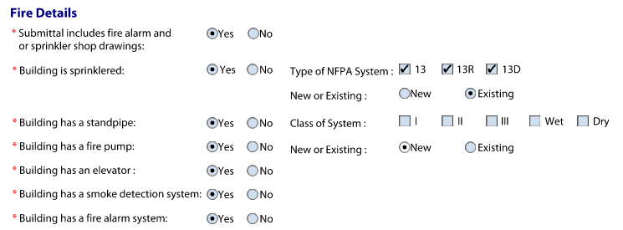
 | Fire Details

 | Submittal includes FA and/or SSD - Y/N | Custom Field
 |  |  |  | Submittal includes fire alarm and or sprinkler shop drawings | Submittal includes fire alarm and or sprinkler shop drawings = FireDrawingsIncluded
 | Building is sprinklered - Y/N | Custom Field
 |  | Custom Field |  | Building is sprinklered | Building is sprinklered = FireBuildingSprinkled
 | - Type of NFPA system - 13 - 13R - 13D - Existing - New | Custom Field |  | 13 13R 13D New or Existing | Type of NFPA System: checkbox 13 = FireNFPAType13 13R = FireNFPAType13R 13D = FireNFPAType13D New or Existing = FireNFPANewOrExisting
 | Building has a standpipe - Y/N | Custom Field
 | - Class of System - I - II - III - Wet - Dry | Custom Field
 | Building has a fire pump - Y/N | Custom Field |  | Building has a standpipe | Building has a standpipe = FireStandpipe - Y/N Class of System - checkbox
 | - New or Existing - New - Existing | Custom Field |  | I | I = FireStandpipeClassI
 | Building has a elevator - Y/N | Custom Field |  | II | II = FireStandpipeClassII
 | Building has a smoke detection system - Y/N | Custom Field |  | III | III - FireStandpipeClassIII
 | Building has a fire alarm system - Y/N | Custom Field |  | Wet | Wet = FireStandpipeClassWet
 |  | Custom Field |  | Dry | Dry = FireStandpipeClassDry
 |  | Custom Field |  | Building has a fire pump | Building has a fire pump = FireFirePump
 |  | Custom Field |  | New or Existing | New or Existing = FirePumpNewOrExisting
 |  | Custom Field |  | Building has an elevator | Building has an elevator = FireElevator
 |  | Custom Field |  | Building has a smoke detection system | Building has a smoke detection system = FireSmokeDetector
 |  | Custom Field |  | Building has a fire alarm system | Building has a fire alarm system = FireFireAlarm


 | Water / Sewer Details

 | Have an existing septic tank system | Custom Field |  | Have an existing septic tank system | ExistingSepticTank
 | Installing a new septic tank system | Custom Field |  | Have an existing Public (City) Sewer | NewSepticTank
 | Have an existing Public (City) sewer | Custom Field |  | Installing a new septic tank system | ExistingPublicSewer
 | Installing a New Public (City) sewer | Custom Field |  | Installing a new Public (City) Sewer | NewPublicSewer

 | Have an existing well | Custom Field |  | Have an existing well | ExistingWell
 | Installing a new well | Custom Field |  | Have existing Public (City) Water | NewWell
 | Have an existing Public (City) water | Custom Field |  | Installing a new well | ExistingPublicWater
 | Installing a New Public (City) water | Custom Field |  | Installing new Public (City) Water | NewPublicWater

 | Zoning Details

 | What is the previous type of Business?.... | Custom Field |  | What is the previous type of business? | ZoningPreviousBusiness

 | Proposed type of Business | Custom Field |  | Proposed type of Business? | ZoningProposedBusiness

 | Zoning of Site… | Custom Field |  | Zoning of the Site | ZoningZoningCode
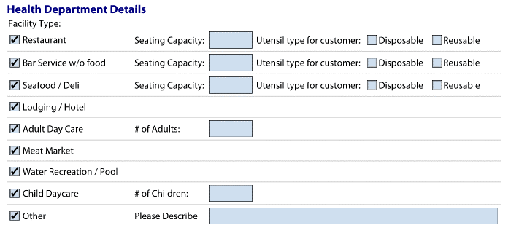
 | Health Department Details

 | Restaurant - Seating Capacity - Utensil type for customer - Disposal - Reusable | Custom Field |  |  | Restaurant Seating Capacity = RestaurantCapacity Utensil type for Customer = RestaurantUtensilType - DROPDOWN - Dispoable - Reusable -Both
 | Bar Service w/o Food - Seating Capacity - Utensil type for customer - Disposal - Reusable | Custom Field |  |  | BarService Seating Capacity = HDBarServiceCapacity Utensil type for Customer = HDBarServiceUtensilType - DROPDOWN - Dispoable - Reusable - Both
 | Seafood / Deli - Seating Capacity - Utensil type for customer - Disposal - Reusable | Custom Field |  |  | HDSeafood Seating Capacity = HDSeafoodCapacity Utensil type for Customer = HDSeafoodUtensilType - DROPDOWN - Dispoable - Reusable - Both
 | Lodging / Hotel | Custom Field |  |  | HDLodging
 | Adult Day Care - # of Adults | Custom Field |  |  | Adult Day Care = HDAdultDayCare # of Adults: = HDAdultDayCareCapacity

 | Meat Market | Custom Field |  |  | Meat Market = HDMeatMarket
 | Water Recreation / Pool | Custom Field |  |  | Water Recreation / Pool = HDWaterRecreation_Pool

 | Child Daycare - # of Children | Custom Field |  |  | Child Daycare = HDChildDayCare # of Children: = HDChildDayCareCapacity

 | Other - Please describe | Custom Field |  |  | Other = HDOther Please Describe = HDOtherDescription

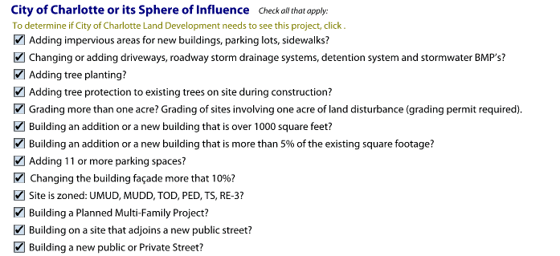
 | City of Charlotte or its Sphere of Influence
 | Questions:
 | Adding impervious areas... | Custom Field |  | Adding impervious areas for new buildings parking lots sidewalks? | CityAddingImperviousArea
 | Changing or adding driveways… | Custom Field |  | Changing or adding driveways roadway storm drainage systems detention system and stormwater BMPs? | CityChangingDrivewayEtc
 | Adding tree planting | Custom Field |  | Adding tree planting? | CityAddingTreePlanting
 | Adding tree protection… | Custom Field |  | Adding tree protection to existing trees on site during construction? | CityAddingTreeProtection
 | Grading more than one acre… | Custom Field |  | Grading more than one acre? | CityGradingMoreThanOneAcre
 | Building an addition… over 1000 square feet… | Custom Field |  | Building an addition or a new building that is over 1000 square feet? | CityBuildingOver1000SqFt
 | Building an addition… more than 5%.... | Custom Field |  | Building an addition or a new building that is more than 5 percent of the existing square footage? | CityBuildingOver5PercentSqFt
 | Adding 11 or more parking spaces | Custom Field |  | Adding 11 or more parking spaces? | CityAdding11OrMoreParkingSpace
 | Changing the building façade more than 10% | Custom Field |  | Changing the building facade more than 10 percent? | CityChangingFacadeOver10Percent
 | Site is zoned: UMUD, MUDD…. | Custom Field |  | Site is zoned UMUD, MUDD, TOD, PED, TS, RE-3? | CityZonedUrban
 | Building a Planned Multi-Family Project | Custom Field |  | Building a Planned Multi-Family Project? | CityPlannedMultiFamily
 | Building on a site that adjoins a new public street | Custom Field |  | Building on a site that adjoins a new public street? | CityAdjoinsPublicStreet
 | Building on a new public or private street | Custom Field |  | Building a new public or Private Street? | CityNewPublicOrPrivateStreet

 | Additional information

 | Scope of Work of overall project…. | Custom Field |  | Scope of work of overall project | OverallScopeOfWorkDescription

 | Electrical Scope of Work | Custom Field |  | Electrical Scope of Work | ElecScopeOfWorkDescription


 | Mechanical Scope of Work | Custom Field |  | Mechanical Scope of Work | MechScopeOfWorkDescription

 |  | Custom Field |  | Plumbing Scope of Work | PlumScopeOfWorkDescription
 | Plumbing Scope of Work

 | Civil Scope of Work | Custom Field |  | Civil Scope of Work | CivilScopeOfWorkDescription

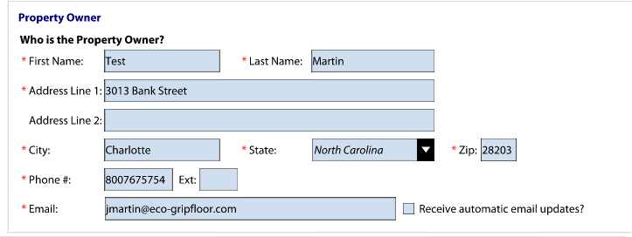
 | Property Owner | AATABLE_PERMIT_PEOPLE.TT_CONTACT_TYPE

 | First Name | AATABLE_PERMIT_PEOPLE.FNAME
 | Last Name | AATABLE_PERMIT_PEOPLE.LNAME
 | Address Line 1 | AATABLE_PERMIT_PEOPLE.ADDR1
 | Address Line 2 | AATABLE_PERMIT_PEOPLE.ADDR2
 | City | AATABLE_PERMIT_PEOPLE.CITY
 | State | AATABLE_PERMIT_PEOPLE.STATE
 | Zip | AATABLE_PERMIT_PEOPLE.ZIP
 | Phone # | AATABLE_PERMIT_PEOPLE.PH1
 | Ext | ? | Not a standard field in Accela but there are workarounds we can discuss here.
 | Email | AATABLE_PERMIT_PEOPLE.EMAIL
 | Receive automatic email updates | ? | Custom field?

 | Key Contacts

 | Project Manager | AATABLE_PERMIT_PEOPLE.TT_CONTACT_TYPE
 | First Name | AATABLE_PERMIT_PEOPLE.FNAME
 | Last Name | AATABLE_PERMIT_PEOPLE.LNAME
 | Phone Number | AATABLE_PERMIT_PEOPLE.PH1
 | Ext | ? | Not a standard field in Accela but there are workarounds we can discuss here.
 | Email | AATABLE_PERMIT_PEOPLE.EMAIL
 | List of Additional emails | ? | Does not exist in Accela. If additional contacts need emails then those people need to be contacts themselves on the record.

 | Architect / Designer Contact | AATABLE_PERMIT_PEOPLE.LIC_TYPE AATABLE_LIC_PROF.lic_type
 | Will the architect drawings be sealed? | ? | Is this a custom field on the LP and/or Contact?
 | License #: | AATABLE_PERMIT_PEOPLE.LIC_NUM AATABLE_LIC_PROF.lic_nbr
 | Board: | AATABLE_PERMIT_PEOPLE.LIC_BOARD AATABLE_LIC_PROF.lic_board

 | Electrical Engineer / Designer Contact | AATABLE_PERMIT_PEOPLE.LIC_TYPE AATABLE_LIC_PROF.lic_type
 | Will the architect drawings be sealed? | ? | Is this a custom field on the LP and/or Contact?
 | License #: | AATABLE_PERMIT_PEOPLE.LIC_NUM AATABLE_LIC_PROF.lic_nbr
 | Board: | AATABLE_PERMIT_PEOPLE.LIC_BOARD AATABLE_LIC_PROF.lic_board

 | Mechanical Engineer / Designer Contact | AATABLE_PERMIT_PEOPLE.LIC_TYPE AATABLE_LIC_PROF.lic_type
 | Will the architect drawings be sealed? | ? | Is this a custom field on the LP and/or Contact?
 | License #: | AATABLE_PERMIT_PEOPLE.LIC_NUM AATABLE_LIC_PROF.lic_nbr
 | Board: | AATABLE_PERMIT_PEOPLE.LIC_BOARD AATABLE_LIC_PROF.lic_board

 | Plumbing Engineer / Designer Contact | AATABLE_PERMIT_PEOPLE.LIC_TYPE AATABLE_LIC_PROF.lic_type
 | Will the architect drawings be sealed? | ? | Is this a custom field on the LP and/or Contact?
 | License #: | AATABLE_PERMIT_PEOPLE.LIC_NUM AATABLE_LIC_PROF.lic_nbr
 | Board: | AATABLE_PERMIT_PEOPLE.LIC_BOARD AATABLE_LIC_PROF.lic_board
 | Name | AATABLE_PERMIT_PEOPLE.FNAME AATABLE_PERMIT_PEOPLE.MNAME AATABLE_PERMIT_PEOPLE.LNAME AATABLE_LIC_PROF.cae_fname AATABLE_LIC_PROF.cae_mname AATABLE_LIC_PROF.cae_lname
 | Phone | AATABLE_PERMIT_PEOPLE.PH1 AATABLE_LIC_PROF.phone1
 | Email | AATABLE_PERMIT_PEOPLE.PH1 AATABLE_LIC_PROF.email
 | Receive automatic email updates | ? | Is this a custom field on the LP and/or Contact?
 | The person above is: | ? | Is this field required? In Accela, there is a clear distinction between customers and staff by the way their user id is created
 | Firm Name | AATABLE_PERMIT_PEOPLE.BUS_NAME AATABLE_LIC_PROF.bus_name

 | Civil Engineer / Designer Contact | AATABLE_PERMIT_PEOPLE.LIC_TYPE AATABLE_LIC_PROF.lic_type
 | Will the architect drawings be sealed? | ? | Is this a custom field on the LP and/or Contact?
 | License #: | AATABLE_PERMIT_PEOPLE.LIC_NUM AATABLE_LIC_PROF.lic_nbr
 | Board: | AATABLE_PERMIT_PEOPLE.LIC_BOARD AATABLE_LIC_PROF.lic_board
 | Name | AATABLE_PERMIT_PEOPLE.FNAME AATABLE_PERMIT_PEOPLE.MNAME AATABLE_PERMIT_PEOPLE.LNAME AATABLE_LIC_PROF.cae_fname AATABLE_LIC_PROF.cae_mname AATABLE_LIC_PROF.cae_lname
 | Phone | AATABLE_PERMIT_PEOPLE.PH1 AATABLE_LIC_PROF.phone1
 | Email | AATABLE_PERMIT_PEOPLE.PH1 AATABLE_LIC_PROF.email
 | Receive automatic email updates | ? | Is this a custom field on the LP and/or Contact?
 | The person above is: | ? | Is this field required? In Accela, there is a clear distinction between customers and staff by the way their user id is created
 | Firm Name | AATABLE_PERMIT_PEOPLE.BUS_NAME AATABLE_LIC_PROF.bus_name

 | Fire Protection Engineer / Designer Contact | AATABLE_PERMIT_PEOPLE.LIC_TYPE AATABLE_LIC_PROF.lic_type
 | Will the architect drawings be sealed? | ? | Is this a custom field on the LP and/or Contact?
 | License #: | AATABLE_PERMIT_PEOPLE.LIC_NUM AATABLE_LIC_PROF.lic_nbr
 | Board: | AATABLE_PERMIT_PEOPLE.LIC_BOARD AATABLE_LIC_PROF.lic_board
 | Name | AATABLE_PERMIT_PEOPLE.FNAME AATABLE_PERMIT_PEOPLE.MNAME AATABLE_PERMIT_PEOPLE.LNAME AATABLE_LIC_PROF.cae_fname AATABLE_LIC_PROF.cae_mname AATABLE_LIC_PROF.cae_lname
 | Phone | AATABLE_PERMIT_PEOPLE.PH1 AATABLE_LIC_PROF.phone1
 | Email | AATABLE_PERMIT_PEOPLE.PH1 AATABLE_LIC_PROF.email
 | Receive automatic email updates | ? | Is this a custom field on the LP and/or Contact?
 | The person above is: | ? | Is this field required? In Accela, there is a clear distinction between customers and staff by the way their user id is created
 | Firm Name | AATABLE_PERMIT_PEOPLE.BUS_NAME AATABLE_LIC_PROF.bus_name

 | Structural Engineer / Designer Contact | AATABLE_PERMIT_PEOPLE.LIC_TYPE AATABLE_LIC_PROF.lic_type
 | Will the architect drawings be sealed? | ? | Is this a custom field on the LP and/or Contact?
 | License #: | AATABLE_PERMIT_PEOPLE.LIC_NUM AATABLE_LIC_PROF.lic_nbr
 | Board: | AATABLE_PERMIT_PEOPLE.LIC_BOARD AATABLE_LIC_PROF.lic_board
 | Name | AATABLE_PERMIT_PEOPLE.FNAME AATABLE_PERMIT_PEOPLE.MNAME AATABLE_PERMIT_PEOPLE.LNAME AATABLE_LIC_PROF.cae_fname AATABLE_LIC_PROF.cae_mname AATABLE_LIC_PROF.cae_lname
 | Phone | AATABLE_PERMIT_PEOPLE.PH1 AATABLE_LIC_PROF.phone1
 | Email | AATABLE_PERMIT_PEOPLE.PH1 AATABLE_LIC_PROF.email
 | Receive automatic email updates | ? | Is this a custom field on the LP and/or Contact?
 | The person above is: | ? | Is this field required? In Accela, there is a clear distinction between customers and staff by the way their user id is created
 | Firm Name | AATABLE_PERMIT_PEOPLE.BUS_NAME AATABLE_LIC_PROF.bus_name

 |  | AATABLE_LIC_PROF.lic_type
 |  | AATABLE_LIC_PROF.cae_fname AATABLE_LIC_PROF.cae_mname AATABLE_LIC_PROF.cae_lname
 |  | AATABLE_LIC_PROF.lic_nbr
 |  | ?

Agency
Field Name | Database FN | Source Table | Accela Staging Table & Column | Notes | CE Notes

Agency Review

Agency Name |  |  | AATABLE_PERMIT_WORKFLOW.TT_WORKFLOW_TASK | Is this a department conducting the review/workflow task? | Yes, this is the Agency/Department conducting the review

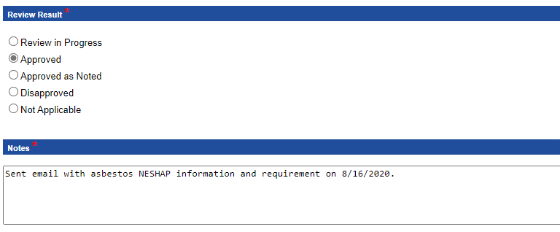

Review Result - Review in Progress - Approved - Approved as Noted - Disapproved - Not Applicable |  |  | AATABLE_PERMIT_WORKFLOW.TT_WORKFLOW_STATUS

Notes - text |  |  | AATABLE_PERMIT_WORKFLOW.COMMENTS

 |  |  | AATABLE_PERMIT_PROJECTS

 |  |  | AATABLE_PERMIT_HISTORY.PERMITNUM

Estimation
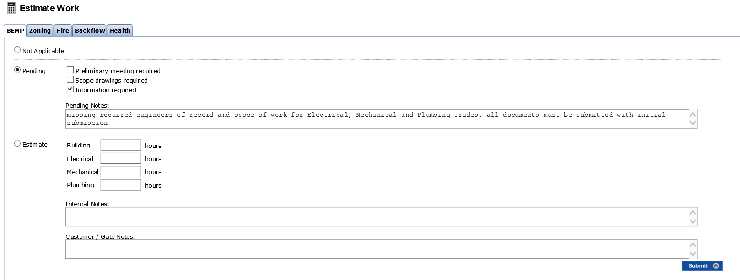
Field Name | Database FN | Source Table | AION | Notes
 |  |  | AION/EPM Data Conversion All fields on the page
Estimation Work

BEMP

Not Applicable
Pending - Preliminary meeting required - Scope drawings required - Information required - text field entry

Estimate - Building…. Numeric field (Hrs) - Electrical…. Numeric field (Hrs) - Mechanical…. Numeric field (Hrs) - Plumbing…. Numeric field (Hrs)

Internal Notes

Customer / Gate Notes


Zoning

Not Applicable
Pending - Preliminary meeting required - Scope drawings required - Information required - text field entry

Estimate … Numeric field (hrs)

Internal Notes

Customer / Gate Notes


Fire

Not Applicable
Pending - Preliminary meeting required - Scope drawings required - Information required - text field entry

Estimate … Numeric field (hrs)

Internal Notes

Customer / Gate Notes


Backflow

Not Applicable
Pending - Preliminary meeting required - Scope drawings required - Information required - text field entry

Estimate … Numeric field (hrs)

Internal Notes

Customer / Gate Notes

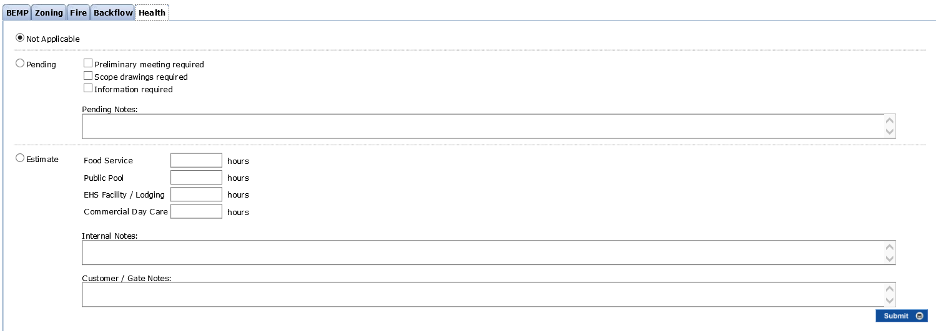
Health

Not Applicable
Pending - Preliminary meeting required - Scope drawings required - Information required - text field entry

Estimate - Food Service…. Numeric field (Hrs) - Public Pool…. Numeric field (Hrs) - EHS Facility/Lodging…. Numeric field (Hrs) - Commercial DayCare…. Numeric field (Hrs)

Internal Notes

Customer / Gate Notes

RTAP App
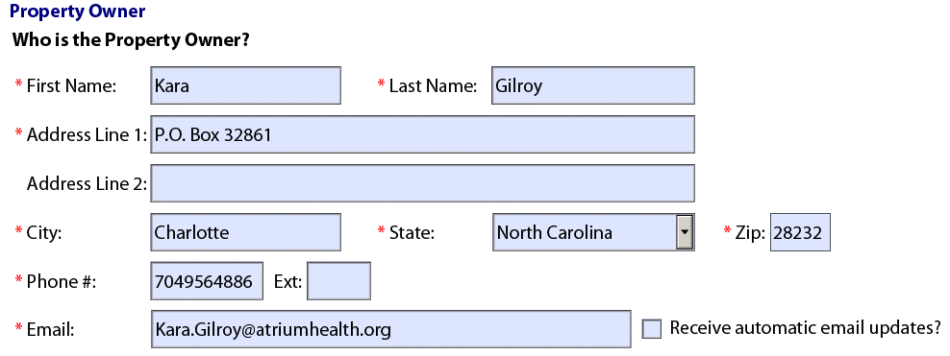
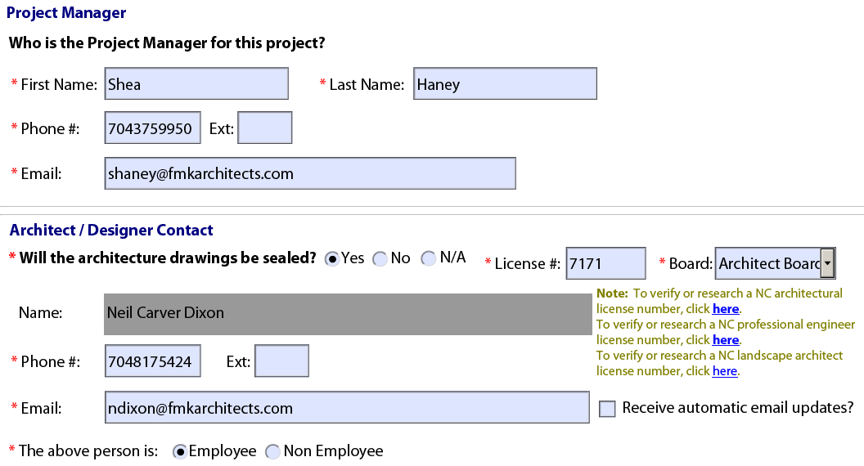
Field Name | Database FN | Source Table | Accela Staging Table & Column | Notes | CE Notes - Column G | AION

 |  |  | Custom Field |  | Property Type = PropertyType - dropdown 1/2 Family, 3.5 story or greater = 1-2 Family - => 3.5 Stories Townhouse, land for sale, 3.5 story or greater = TH, LFS - => 3.5 Stories Condominiums or apartments = Condo or Apts Commercial = Commercial | AION/EPM Data Conversion
 |  |  | Custom Field |  | Code Summary = BuildingCode - dropdown 2012 NC Building Code = 2012 NC Building Code 2012 NC Building Code Chapter 34 = 2012 NC Building Code Chapter 34 2012 NC Rehabilitation Code = 2012 NC Rehabilitation Code 2015 NC Existing Building Code = 2015 NC Existing Building Code 2018 NC Building Code = 2018 NC Building Code 2018 NC Existing Building Code = 2018 NC Existing Building Code | AION/EPM Data Conversion

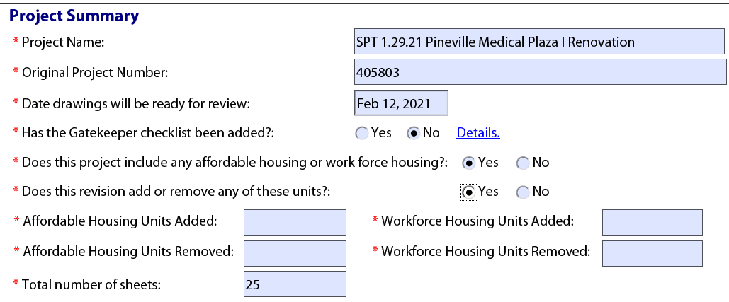

 |  |  | AATABLE_PERMIT_HISTORY.APP_NAME |  | Project Name ?????

 |  |  | Custom Field |  | Original Project Number = OriginalProjectNumber
 |  |  | Custom Field |  | Date Drawings will be ready for review = DrawingsReadyDate | AION/EPM Data Conversion

 |  |  |  |  | N/A - do not capture for Accela

 |  |  | Custom Field |  | Does this project include any affordable housing or work force housing? = IncludesAfforableOrWorkforceHousing

 |  |  | Custom Field |  | Does this revision add or remove any of these units? = RTAPAffordableUnitChange
 |  |  | Custom Field |  | Affordable Housing Units Added = RTAPAffordableWorkforceUnitsAdd
 |  |  | Custom Field |  | Affordable Housing Units Removed = RTAPAffordableUnitsRemove
 |  |  | Custom Field |  | Workforce Housing Units Added = RTAPWorkforceAdd
 |  |  | Custom Field |  | Workforce Housing Units Removed = RTAPWorkforceRemove

 |  |  | Custom Field |  | Total number of sheets = TotalNumOfSheets

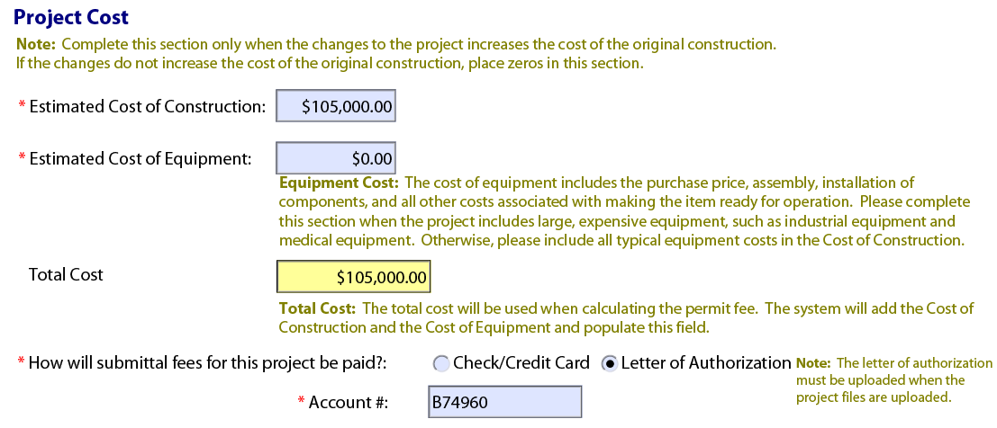

 |  |  | Custom Field |  | Estimated Cost of Construction = ConstructionCost
 |  |  | Custom Field |  | Estimated Cost of Equipment = EquipmentCost

 |  |  | Custom Field |  | How will submittal fees for this project be paid? = PrepaidFeePaymentType - dropdown Check/Credit Card = Check/Credit Card Letter of Authorization = LOA
 |  |  | Custom Field |  | Account # = AccountNumber

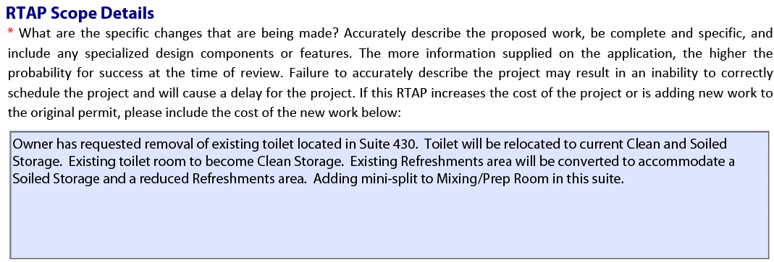

 |  |  | Custom Field |  | What are the specific changes that are being made? = RTAPScopeOfWork

Schedule - nonRTAP
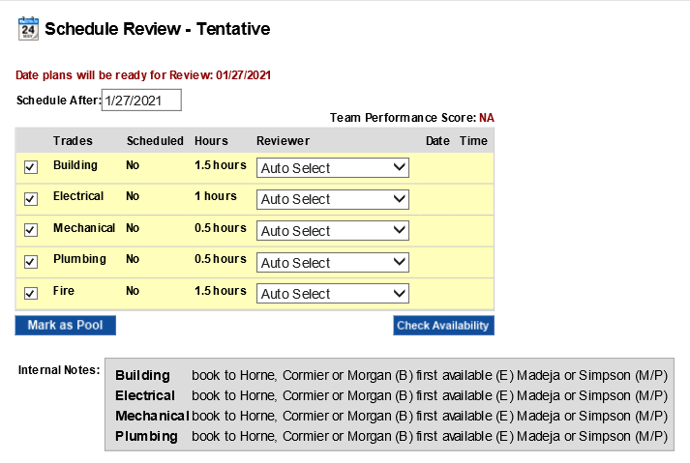
Field Name | Database FN | Source Table | Accela Staging Table & Column | Notes | CE Notes | AION
Schedule Review Auto

NonRTAP project

Date Plan will be ready for Review…. |  |  | ? | Not sure what this would be. |  | AION/EPM Data Conversion
Schedule After |  |  | ? | Not sure what this would be. |  | AION/EPM Data Conversion
Team Performance |  |  | ? | Not sure what this would be. | A/E Grading
Trades - Building - Electrical - Mechanical - Plumbing - Fire - Zoning - Food Service - Public Pool - EHS Facility/Lodging - Commercial Day Care |  |  | AATABLE_PERMIT_WORKFLOW.TT_WORKFLOW_TASK | Workflow Tasks
Scheduled |  |  | ? | In Accela, if the "Trades" are workflow tasks then this could be if the task is active or not active. Let's discuss. |  | AION/EPM Data Conversion
Reviewer |  |  | AATABLE_PERMIT_WORKFLOW.USER_ID
Date |  |  | AATABLE_PERMIT_WORKFLOW.TASKUPDATED
Time |  |  |  | Time is included in the TASKUPDATED field as the datatype = datetime field |  | AION/EPM Data Conversion
Interal Notes by Trade |  |  | AATABLE_PERMIT_WORKFLOW.COMMENTS |  |  | AION/EPM Data Conversion
Notes keyed during estimation by trade |  |  | AATABLE_PERMIT_WORKFLOW.COMMENTS |  |  | AION/EPM Data Conversion

Number of Sets |  |  | ? | Custom field? | No longer applicable



Mandatory Scheduling Notes

Mandatory notes based on review type |  |  | AATABLE_PERMIT_COMMENTS.COMMENTS |  |  | AION/EPM Data Conversion

Customer Gate Notes by trade |  |  | AATABLE_PERMIT_COMMENTS.COMMENTS |  |  | AION/EPM Data Conversion
Notes were entered during estimation


Option Gate Instructions

Express Review Packaging Instructions - Express Review…. |  |  | ? |  |  | AION/EPM Data Conversion

First Cycle packaging instruction - First Cycle… |  |  | ? |  |  | AION/EPM Data Conversion

New Folder - my comment |  |  | ? |  |  | AION/EPM Data Conversion

Re-Review packaging instructions - Re-Review… - 1st Cycle… |  |  | ? |  |  | AION/EPM Data Conversion
RTAP Packaging instructions - RTAP packaging instruction - RTAP |  |  | ? |  |  | AION/EPM Data Conversion

Schedule - RTAP
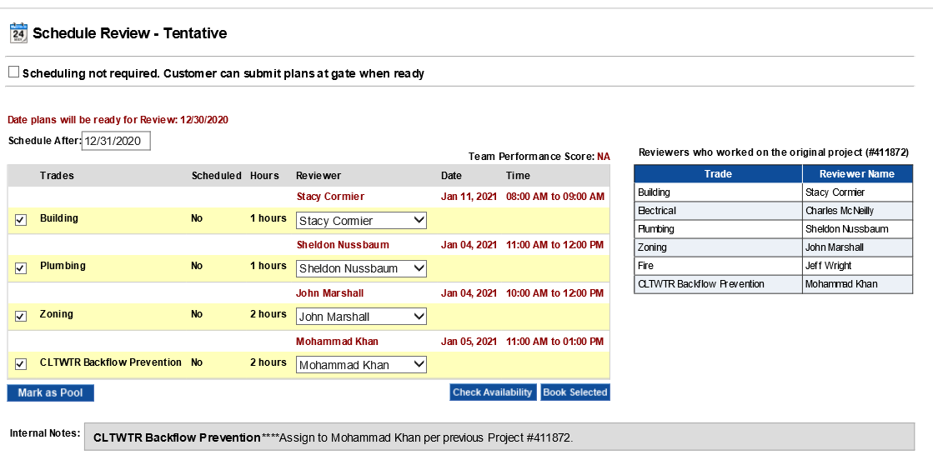
Field Name | Database FN | Source Table | Accela Staging Table & Column | Notes | CE Notes | AION
Schedule Review Auto

RTAP Project
Scheduling Not Rqd. Customer can submit…. |  |  | ? | custom field? |  | AION/EPM Data Conversion

Date Plan will be ready for Review…. |  |  | ? | Not sure what this would be.
Schedule After |  |  | ? | Not sure what this would be. |  | AION/EPM Data Conversion
Team Performance |  |  | ? | Not sure what this would be. | A/E Grading
Trades - Building - Electrical - Mechanical - Plumbing - Fire - Zoning - Food Service - Public Pool - EHS Facility/Lodging - Commercial Day Care |  |  | AATABLE_PERMIT_WORKFLOW.TT_WORKFLOW_TASK | Workflow Tasks | Discuss conversion: Current cycle creates RTA, previous cycles created in Workflow History Data must be in AION as well
Scheduled |  |  | ? | In Accela, if the "Trades" are workflow tasks then this could be if the task is active or not active. Let's discuss. |  | AION/EPM Data Conversion
Reviewer |  |  | AATABLE_PERMIT_WORKFLOW.USER_ID
Date |  |  | AATABLE_PERMIT_WORKFLOW.TASKUPDATED
Time |  |  |  | Time is included in the TASKUPDATED field as the datatype = datetime field |  | AION/EPM Data Conversion
Reviewers who worked on the original project (give project number) |  |  | ? | This would be handled via scripting and typically not saved at the record level. Is this something that is needed or already configured at the record level? |  | AION/EPM Data Conversion
Trades - Building - Electrical - Mechanical - Plumbing - Fire - Zoning - Food Service - Public Pool - EHS Facility/Lodging - Commercial Day Care |  |  | ? |  | Discuss conversion: Current cycle creates RTA, previous cycles created in Workflow History Data must be in AION as well | AION/EPM Data Conversion
Reviewer Name |  |  | AATABLE_PERMIT_WORKFLOW.USER_ID
Interal Notes by Trade |  |  | AATABLE_PERMIT_WORKFLOW.COMMENTS |  |  | AION/EPM Data Conversion
Notes keyed during estimation by trade |  |  | AATABLE_PERMIT_WORKFLOW.COMMENTS |  |  | AION/EPM Data Conversion

Number of Sets |  |  | ? | Custom field? | No longer required

Mandatory Scheduling Notes

Customer Gate Notes by trade |  |  | AATABLE_PERMIT_COMMENTS.COMMENTS |  |  | AION/EPM Data Conversion
Notes were entered during estimation

Option Gate Instructions

Express Review Packaging Instructions - Express Review…. |  |  | ? |  |  | AION/EPM Data Conversion

First Cycle packaging instruction - First Cycle… |  |  | ? |  |  | AION/EPM Data Conversion

New Folder - my comment |  |  | ? |  |  | AION/EPM Data Conversion

Re-Review packaging instructions - Re-Review… - 1st Cycle… |  |  | ? |  |  | AION/EPM Data Conversion
RTAP Packaging instructions - RTAP packaging instruction - RTAP |  |  | ? |  |  | AION/EPM Data Conversion

 |  |  | AATABLE_PERMIT_COMMENTS.COMMENTS

Schedule - Manage Appts
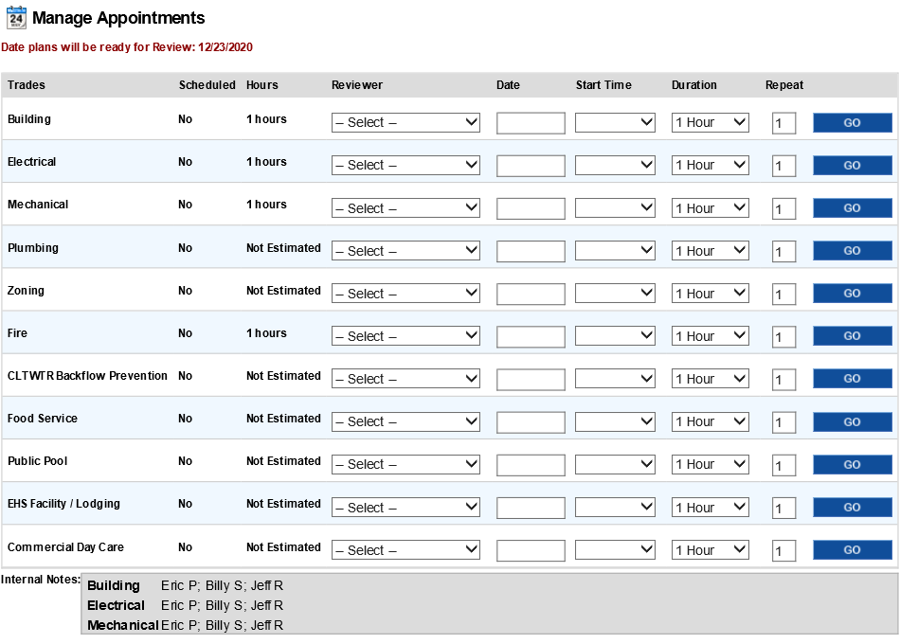
Field Name | Database FN | Source Table | Accela Staging Table & Column | Notes | CE Notes | AION
Manage Appointments

Trades - Building - Electrical - Mechanical - Plumbing - Fire - Zoning - Food Service - Public Pool - EHS Facility/Lodging - Commercial Day Care |  |  | AATABLE_PERMIT_WORKFLOW.TT_WORKFLOW_TASK |  | Discuss conversion: Current cycle creates RTA, previous cycles created in Workflow History Data must be in AION as well | AION/EPM Data Conversion
Scheduled |  |  | ? | In Accela, if the "Trades" are workflow tasks then this could be if the task is active or not active. Let's discuss. | Discuss conversion: Current cycle creates RTA, previous cycles created in Workflow History Data must be in AION as well | AION/EPM Data Conversion
Hours |  |  | ? |  | Discuss conversion: Current cycle creates RTA, previous cycles created in Workflow History Data must be in AION as well | AION/EPM Data Conversion
Reviewer |  |  | AATABLE_PERMIT_WORKFLOW.USER_ID
Date |  |  | AATABLE_PERMIT_WORKFLOW.TASKUPDATED
Start Time |  |  |  | Time is included in the TASKUPDATED field as the datatype = datetime field |  | AION/EPM Data Conversion
Duration |  |  | ? | Not sure where this would go. |  | AION/EPM Data Conversion
Repeat |  |  | ? | Not sure where this would go. |  | AION/EPM Data Conversion
Internal Notes |  |  | AATABLE_PERMIT_WORKFLOW.COMMENTS |  |  | AION/EPM Data Conversion

Schedule-PrelimMtg
Field Name | Database FN | Source Table | Accela Staging Table & Column | Notes | CE Notes | AION
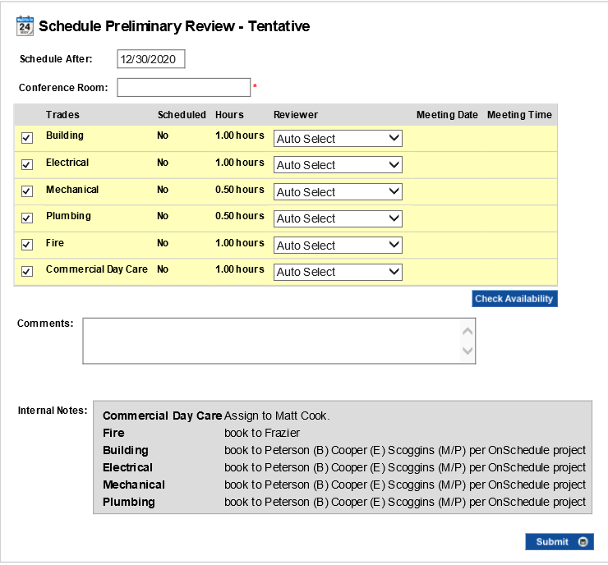
Preliminary Meeting Schedule - Auto

Schedule After |  |  | ? | Not sure what this would be. | Related to AION only | AION/EPM Data Conversion

Conference Room |  |  | ? | Custom field? | Related to AION only | AION/EPM Data Conversion
Trades - Building - Electrical - Mechanical - Plumbing - Fire - Zoning - Food Service - Public Pool - EHS Facility/Lodging - Commercial Day Care |  |  | AATABLE_PERMIT_WORKFLOW.TT_WORKFLOW_TASK
Scheduled |  |  | ? | In Accela, if the "Trades" are workflow tasks then this could be if the task is active or not active. Let's discuss. | Related to AION only | AION/EPM Data Conversion
Hours |  |  | ?
Reviewer |  |  | AATABLE_PERMIT_WORKFLOW.USER_ID
Meeting Date |  |  | AATABLE_PERMIT_WORKFLOW.TASKUPDATED
Meeting Time |  |  |  | Time is included in the TASKUPDATED field as the datatype = datetime field | Related to AION only | AION/EPM Data Conversion
Comments |  |  | AATABLE_PERMIT_WORKFLOW.COMMENTS |  | Related to AION only - These are scheduling notes | AION/EPM Data Conversion

Interal Notes by Trade |  |  | AATABLE_PERMIT_WORKFLOW.COMMENTS |  | Related to AION only - These are scheduling notes | AION/EPM Data Conversion
Notes keyed during estimation by trade |  |  | AATABLE_PERMIT_WORKFLOW.COMMENTS |  | Related to AION only - These are scheduling notes | AION/EPM Data Conversion


Notes to Customer |  |  | AATABLE_PERMIT_COMMENT.COMMENTS |  | Related to AION only - These are scheduling notes | AION/EPM Data Conversion

Schedule NPA's
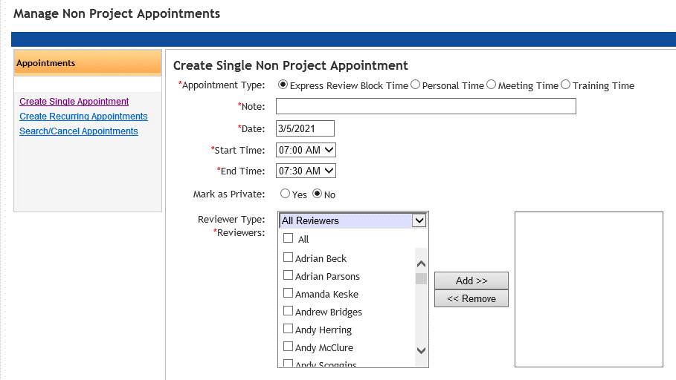
Field Name | Database FN | Source Table | Notes | AION
 |  |  |  | AION/EPM Data Conversion All fields on the page

Appointment Type - Express Review Block Time - Personal Time - Meeting Time - Training Time

Note
Date
Start Time
End Time

Mark as Private: Y/N

Review Type: Reviewers


These are fields populated when a NPA is scheduled

User
Type
Date
From
To
Note
Created by
Created On

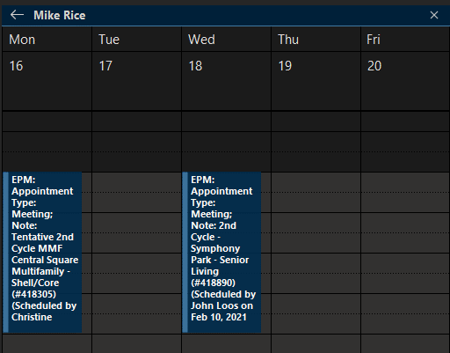
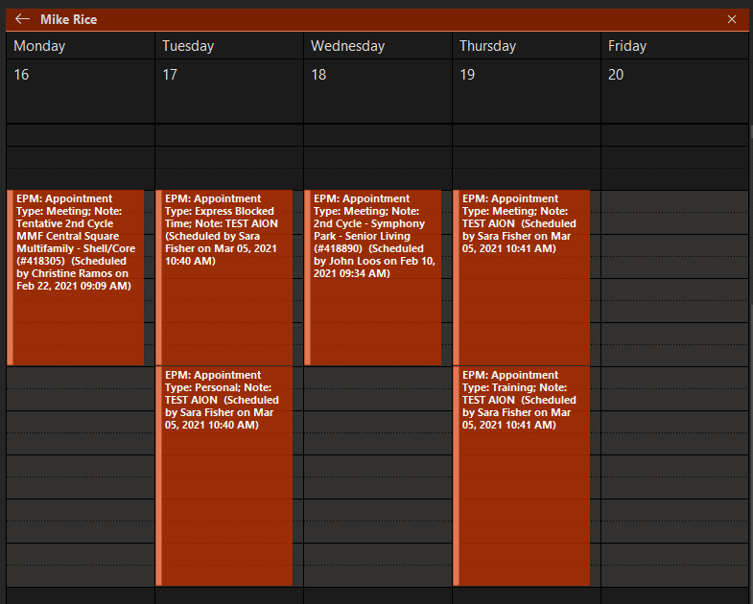

Display from Calendar

EPM: Appointment Type
Note
Scheduled by
Scheduled on Date
Scheduled Time

