Sheet1
厂家 | 品名 | 链接 | 图片 | 价格 | 其他
泉州偌森家具有限公司 | 北欧实木办公桌 大型酒店工作室培训长桌公司员工洽谈会议桌家具 | https://detail.1688.com/offer/581066634159.html?spm=b26110380.8015204.tkhy006.13.488f61efc5yWAl | 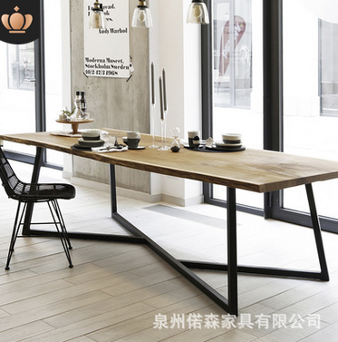 | 550-1578 | 价格便宜 成交高
石狮市新房子家具厂 | 美式创意家具实木餐桌 铁艺复古LOFT咖啡厅桌子 工业风会议餐桌椅 | https://detail.1688.com/offer/548306098901.html?spm=b26110380.8015204.tkhy006.26.5f1f61efTjvVaJ |  | 650-1150 | 5年老店 成交少 | 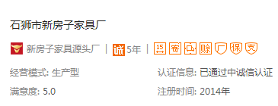
晋江市陈埭镇艺轩阁家具厂 | 美式乡村铁艺实木餐桌创意餐厅酒店吃饭桌子办公室大型会议洽谈桌 | https://detail.1688.com/offer/575033192081.html?spm=b26110380.8015204.tkhy006.61.488f61efc5yWAl |  | 650-1150 | 详情页介绍够细 成交一般

