READ ME
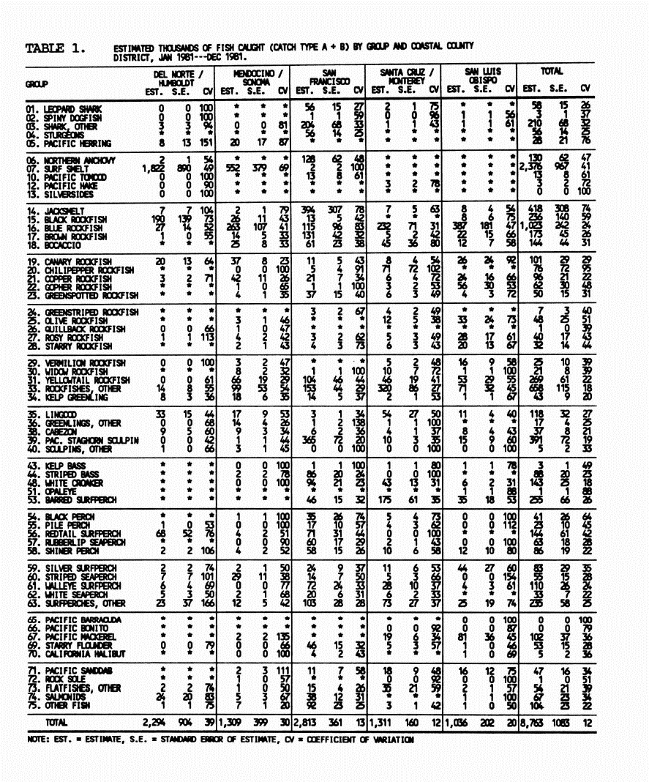
Data from the series of tables labelled Table 1 from:
EFFORT AND CATCH ESTIMATES FOR NORTHERN AND CENTRAL CALIFORNIA MARINE RECREATIONAL FISHERIES, 1981-1986
by: Douglas P. Albin Konstantin A. Karpov and Wade H. Van Buskirk
MARINE RESOURCES DIVISION
Administrative Report No. 93-3
1993
Example of the tables to the right -->
There is a table for each year from 1981 to 1986

