DCP vs MSCI
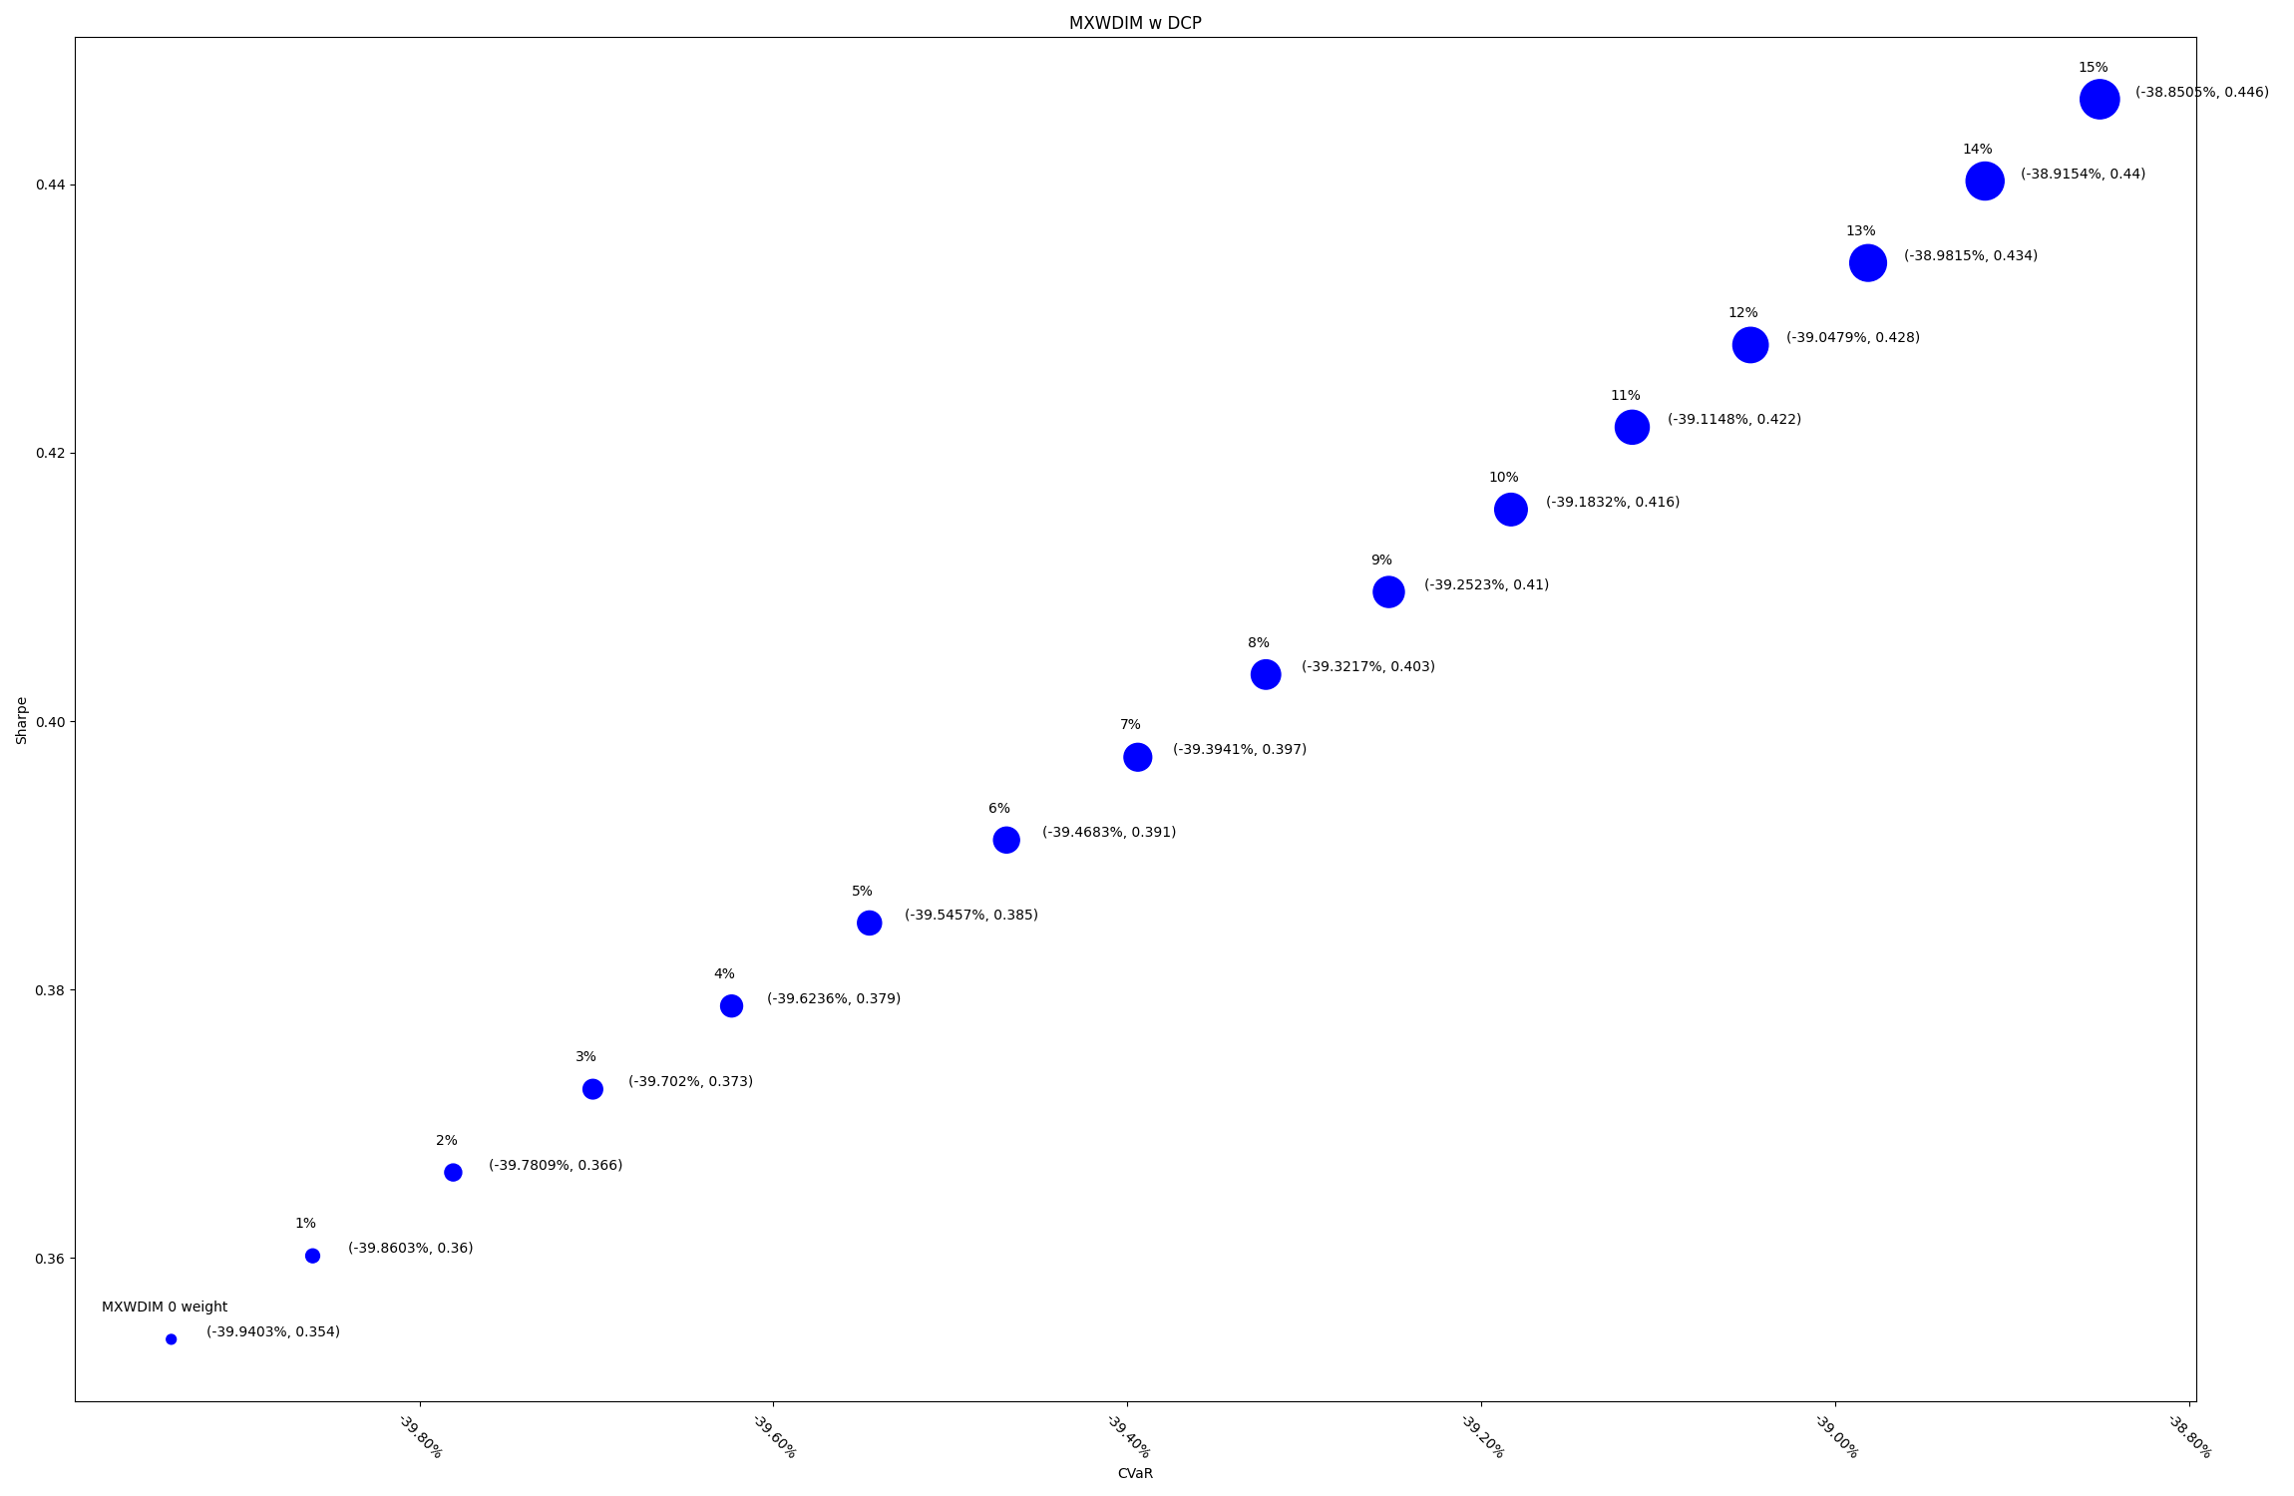
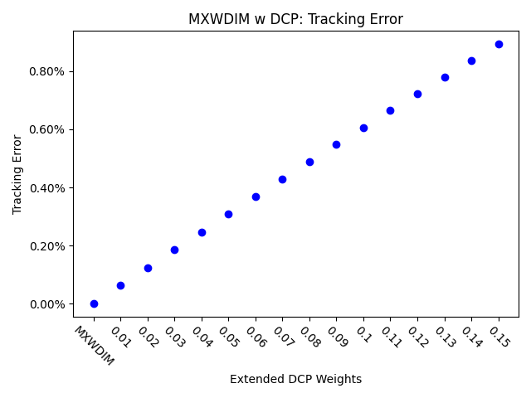
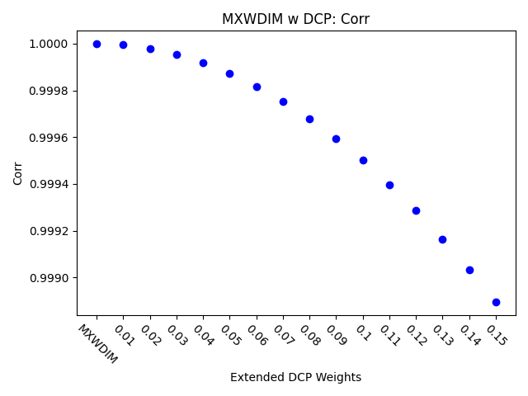
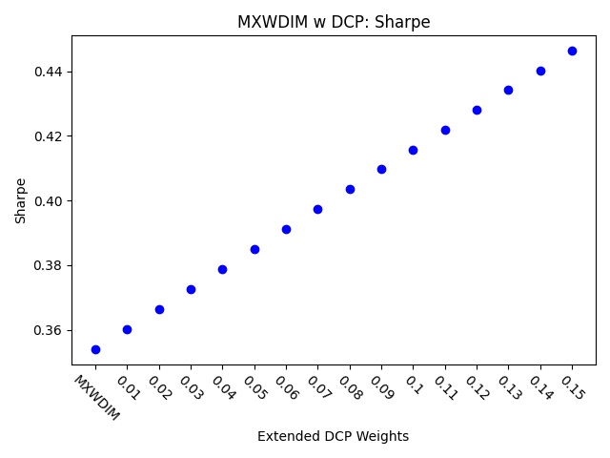
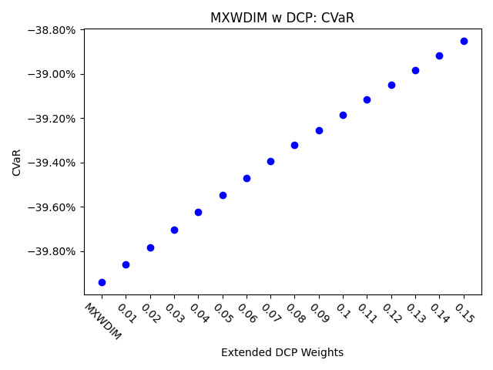
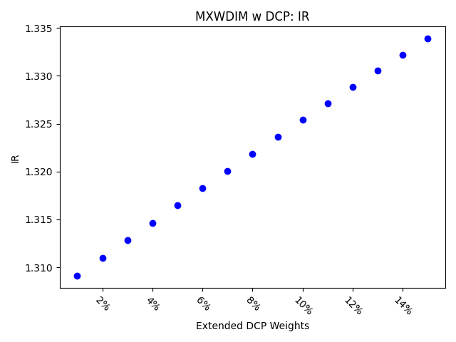
 | MXWDIM | 1% | 2% | 3% | 4% | 5% | 6% | 7% | 8% | 9% | 10% | 11% | 12% | 13% | 14% | 15%
Ret | 5.92% | 6.01% | 6.10% | 6.20% | 6.29% | 6.38% | 6.47% | 6.56% | 6.65% | 6.74% | 6.83% | 6.92% | 7.00% | 7.09% | 7.18% | 7.27%
Vol | 16.73% | 16.69% | 16.66% | 16.63% | 16.60% | 16.57% | 16.54% | 16.51% | 16.48% | 16.45% | 16.42% | 16.39% | 16.37% | 16.34% | 16.31% | 16.28%
Sharpe | 0.35392616109 | 0.36014851264 | 0.36636285293 | 0.37256901143 | 0.37876682069 | 0.38495611629 | 0.39113673684 | 0.39730852384 | 0.40347132171 | 0.4096249777 | 0.41576934184 | 0.42190426691 | 0.42802960841 | 0.43414522447 | 0.44025097586 | 0.44634672588
5%-ile | -1.54% | -1.54% | -1.54% | -1.53% | -1.53% | -1.52% | -1.52% | -1.52% | -1.52% | -1.51% | -1.50% | -1.50% | -1.49% | -1.49% | -1.49% | -1.48%
CVaR | -39.94% | -39.86% | -39.78% | -39.70% | -39.62% | -39.55% | -39.47% | -39.39% | -39.32% | -39.25% | -39.18% | -39.11% | -39.05% | -38.98% | -38.92% | -38.85%
Tracking Error | 0.000% | 0.063% | 0.125% | 0.186% | 0.247% | 0.308% | 0.369% | 0.428% | 0.488% | 0.547% | 0.606% | 0.664% | 0.722% | 0.779% | 0.837% | 0.893%
IR | 0 | 1.3090917441 | 1.3109649712 | 1.3128217892 | 1.3146623795 | 1.3164869207 | 1.3182955889 | 1.3200885573 | 1.3218659965 | 1.3236280749 | 1.3253749579 | 1.3271068089 | 1.3288237885 | 1.3305260554 | 1.3322137655 | 1.3338870729
Corr | 1 | 0.99999485772 | 0.9999794978 | 0.99995401974 | 0.99991852186 | 0.99987310134 | 0.99981785426 | 0.99975287556 | 0.99967825915 | 0.99959409785 | 0.99950048345 | 0.99939750674 | 0.99928525748 | 0.99916382448 | 0.99903329559 | 0.9988937577
Max DD | -34.68% | -34.65% | -34.62% | -34.59% | -34.56% | -34.52% | -34.49% | -34.46% | -34.43% | -34.40% | -34.37% | -34.34% | -34.31% | -34.28% | -34.25% | -34.22%
Rank | 50 | 100 | 150 | 200 | 250 | 300 | 350 | 400 | 450 | 500 | 550 | 600 | 650 | 700 | 750 | 800

