Plot Check
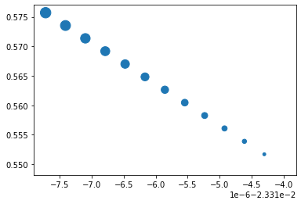
M1WD w/ Strat Only
 | CVAR | SHARPE | TRACK
0.00% | -2.33% | 0.549497771 | 0
0.50% | -2.33% | 0.551691902 | 1.50E-05
1.00% | -0.02331462 | 0.553884109 | 3.00E-05
1.50% | -0.02331493 | 0.556074380 | 4.50E-05
2.00% | -0.02331524 | 0.558262699 | 5.99E-05
2.50% | -0.02331555 | 0.560449053 | 7.49E-05
3.00% | -0.02331586 | 0.562633430 | 8.99E-05
3.50% | -0.02331617 | 0.564815815 | 0.00010489149403
4.00% | -0.02331648 | 0.566996195 | 0.00011987599318
4.50% | -0.02331679 | 0.569174557 | 0.00013486049233
5.00% | -0.02331710 | 0.571350887 | 0.00014984499147
5.50% | -0.02331741 | 0.573525173 | 0.00016482949062
6.00% | -0.02331772 | 0.575697402 | 0.00017981398977

M1WD w/ ProgramWMoments
 | CVAR | SHARPE | TRACK
0%
5%
10%
15%
20%
25%
30%
35%
40%
45%
50%
55%
60%

M1WD w/ ProgramWOMoments
 | CVAR | SHARPE | TRACK
0%
5%
10%
15%
20%
25%
30%
35%
40%
45%
50%
55%
60%

