CommodONLY
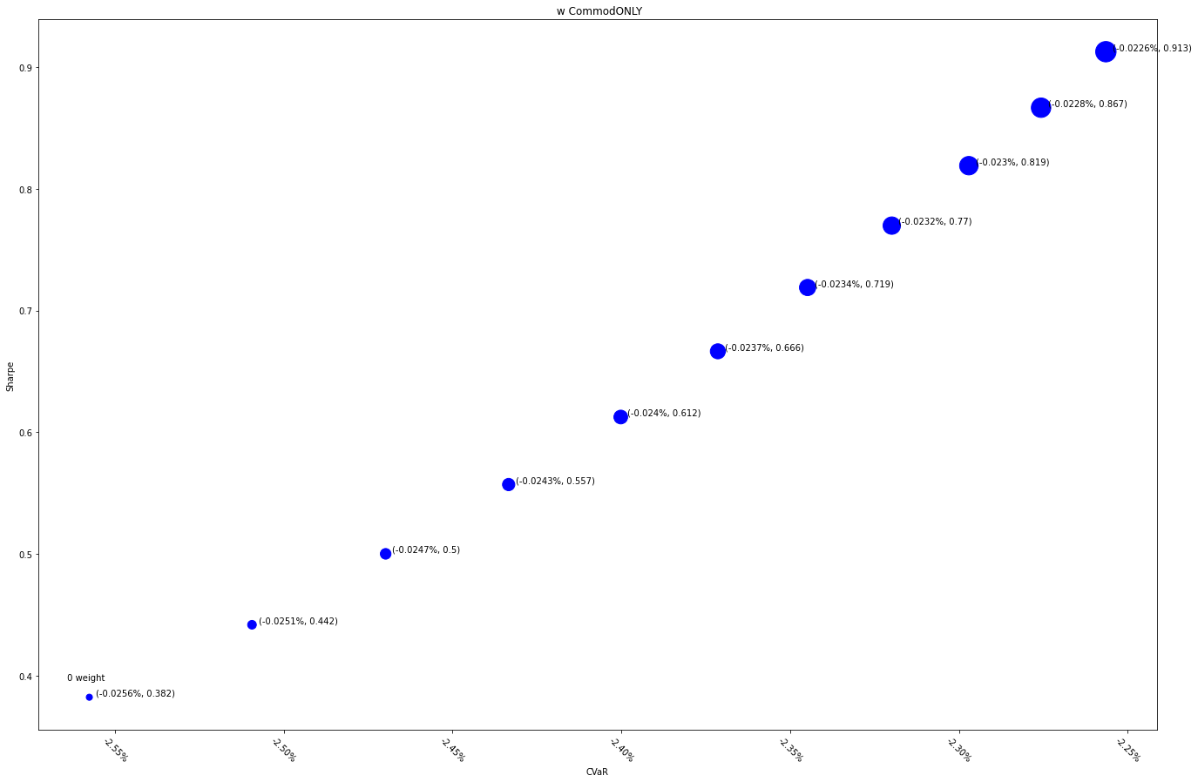
 | MXWDIM | 10% | 20% | 30% | 40% | 50% | 60% | 70% | 80% | 90% | 100%
Ret | 6.50% | 7.38% | 8.21% | 9.02% | 9.79% | 10.53% | 11.24% | 11.93% | 12.59% | 13.23% | 13.85%
Vol | 17.00% | 16.69% | 16.42% | 16.19% | 15.98% | 15.80% | 15.64% | 15.50% | 15.38% | 15.27% | 15.18%
Sharpe | 0.38233726261 | 0.4418504188 | 0.50011176813 | 0.55701655784 | 0.61248268629 | 0.66644701686 | 0.71886243713 | 0.76969547489 | 0.81892433551 | 0.86653726218 | 0.91253114711
5%-ile | -1.55% | -1.53% | -1.48% | -1.44% | -1.41% | -1.39% | -1.35% | -1.35% | -1.37% | -1.35% | -1.32%
CVaR | -2.56% | -2.51% | -2.47% | -2.43% | -2.40% | -2.37% | -2.34% | -2.32% | -2.30% | -2.28% | -2.26%
Tracking Error | 0.00% | 0.61% | 1.18% | 1.72% | 2.23% | 2.71% | 3.16% | 3.59% | 4.01% | 4.41% | 4.79%
IR | 0.00% | 143.48% | 145.03% | 146.45% | 147.75% | 148.95% | 150.04% | 151.05% | 151.97% | 152.82% | 153.61%
Corr | 1 | 0.9995058044 | 0.99808373661 | 0.99581759313 | 0.99278311151 | 0.98904923809 | 0.98467911576 | 0.97973085885 | 0.97425816578 | 0.96831080738 | 0.96193502025
Max DD | -34.68% | -34.37% | -34.07% | -33.77% | -33.48% | -33.18% | -32.91% | -32.64% | -32.37% | -32.11% | -31.85%
Rank | 50 | 100 | 150 | 200 | 250 | 300 | 350 | 400 | 450 | 500 | 550

Corr3Commod7
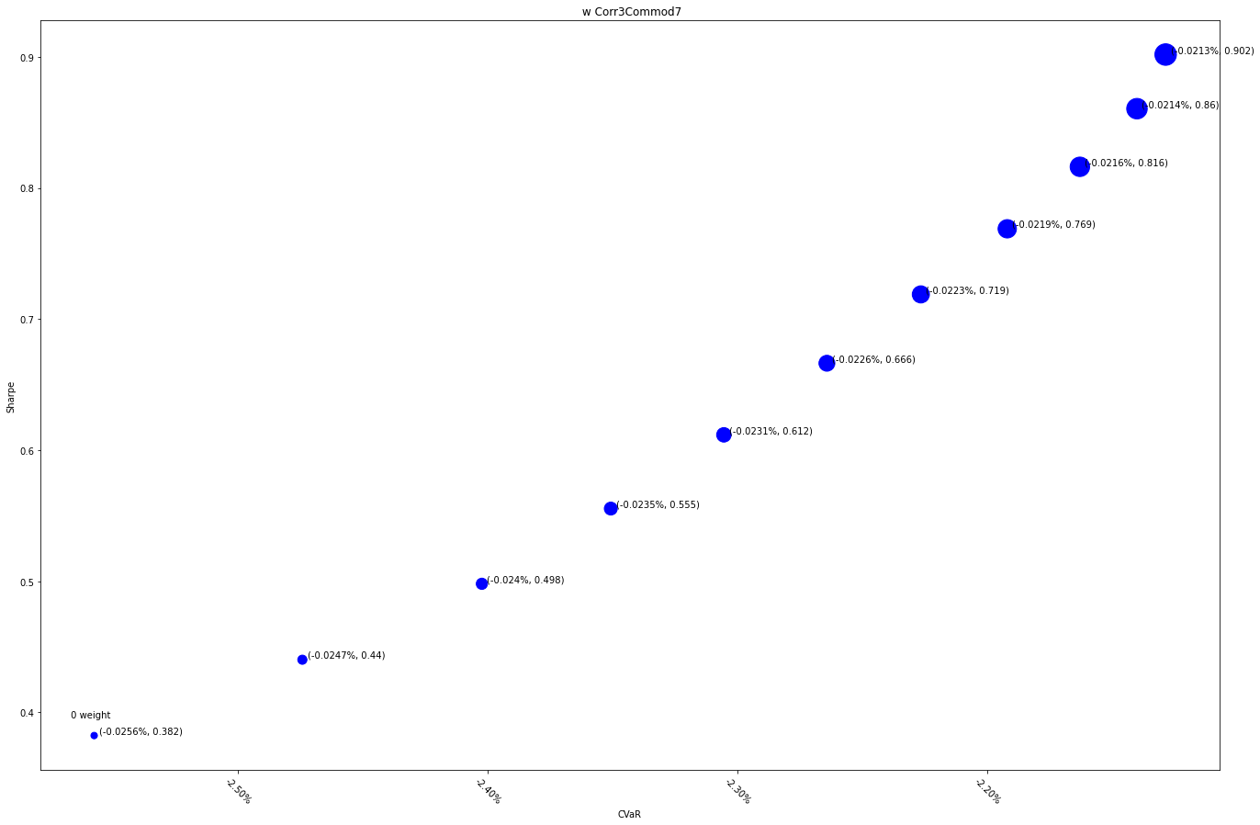
 | MXWDIM | 10% | 20% | 30% | 40% | 50% | 60% | 70% | 80% | 90% | 100%
Ret | 6.50% | 7.24% | 7.97% | 8.67% | 9.35% | 10.02% | 10.67% | 11.30% | 11.91% | 12.51% | 13.10%
Vol | 17.00% | 16.46% | 15.99% | 15.61% | 15.29% | 15.04% | 14.84% | 14.69% | 14.60% | 14.54% | 14.53%
Sharpe | 0.38233726261 | 0.44017967288 | 0.49808171128 | 0.5554420428 | 0.61168623045 | 0.66628932819 | 0.71879499424 | 0.76882926617 | 0.81610801033 | 0.8604379965 | 0.90171235798
5%-ile | -1.55% | -1.52% | -1.48% | -1.42% | -1.39% | -1.38% | -1.35% | -1.31% | -1.28% | -1.29% | -1.28%
CVaR | -2.56% | -2.47% | -2.40% | -2.35% | -2.31% | -2.26% | -2.23% | -2.19% | -2.16% | -2.14% | -2.13%
Tracking Error | 0.00% | 1.04% | 2.03% | 2.96% | 3.85% | 4.70% | 5.50% | 6.28% | 7.02% | 7.73% | 8.41%
IR | 0.00% | 71.40% | 72.35% | 73.25% | 74.11% | 74.93% | 75.71% | 76.46% | 77.17% | 77.85% | 78.51%
Corr | 1 | 0.99858479607 | 0.99429030901 | 0.9871008886 | 0.97707918474 | 0.96436308379 | 0.94915724317 | 0.93172031543 | 0.91234945396 | 0.8913638785 | 0.86908914871
Max DD | -34.68% | -32.88% | -31.09% | -29.32% | -27.86% | -26.88% | -26.24% | -25.84% | -25.72% | -25.59% | -25.48%
Rank | 50 | 100 | 150 | 200 | 250 | 300 | 350 | 400 | 450 | 500 | 550

Corr5Commod5
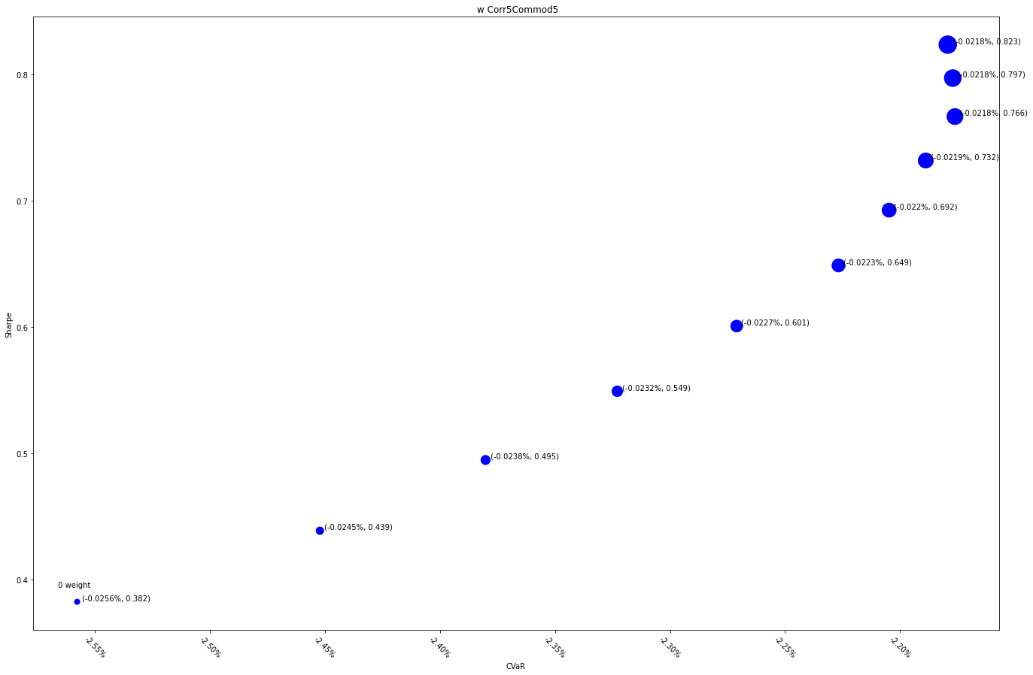
 | MXWDIM | 10% | 20% | 30% | 40% | 50% | 60% | 70% | 80% | 90% | 100%
Ret | 6.50% | 7.16% | 7.82% | 8.47% | 9.11% | 9.75% | 10.38% | 11.00% | 11.61% | 12.21% | 12.80%
Vol | 17.00% | 16.32% | 15.80% | 15.42% | 15.17% | 15.03% | 14.99% | 15.03% | 15.15% | 15.32% | 15.55%
Sharpe | 0.38233726261 | 0.43861297514 | 0.49460987036 | 0.54900048059 | 0.60063402136 | 0.64862582148 | 0.6924002989 | 0.7316856302 | 0.76647109426 | 0.79694420124 | 0.82342391329
5%-ile | -1.55% | -1.52% | -1.47% | -1.43% | -1.39% | -1.32% | -1.30% | -1.28% | -1.27% | -1.28% | -1.28%
CVaR | -2.56% | -2.45% | -2.38% | -2.32% | -2.27% | -2.23% | -2.20% | -2.19% | -2.18% | -2.18% | -2.18%
Tracking Error | 0.00% | 1.51% | 2.93% | 4.25% | 5.50% | 6.68% | 7.79% | 8.85% | 9.86% | 10.82% | 11.74%
IR | 0.00% | 43.61% | 44.98% | 46.28% | 47.50% | 48.67% | 49.78% | 50.83% | 51.83% | 52.79% | 53.71%
Corr | 1 | 0.99670002956 | 0.98671713479 | 0.97022622202 | 0.94778110968 | 0.92024072279 | 0.88865607858 | 0.85414667833 | 0.81779222261 | 0.78055525373 | 0.74323854451
Max DD | -34.68% | -31.88% | -29.10% | -27.29% | -26.30% | -26.20% | -26.10% | -26.00% | -25.90% | -25.79% | -25.69%
Rank | 50 | 100 | 150 | 200 | 250 | 300 | 350 | 400 | 450 | 500 | 550

Corr7Commod3
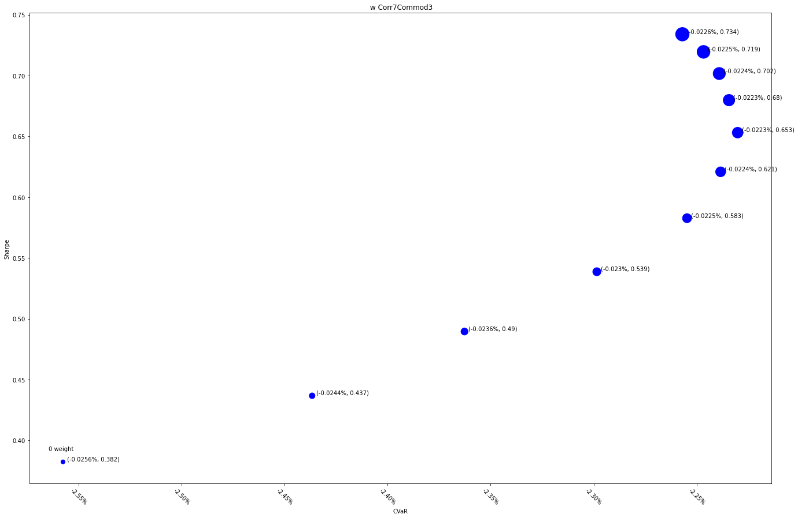
 | MXWDIM | 10% | 20% | 30% | 40% | 50% | 60% | 70% | 80% | 90% | 100%
Ret | 6.50% | 7.08% | 7.67% | 8.29% | 8.90% | 9.52% | 10.15% | 10.77% | 11.38% | 12.00% | 12.60%
Vol | 17.00% | 16.21% | 15.68% | 15.38% | 15.28% | 15.34% | 15.54% | 15.84% | 16.22% | 16.67% | 17.17%
Sharpe | 0.38233726261 | 0.43668685537 | 0.48951355239 | 0.53868159623 | 0.5827037747 | 0.6208517962 | 0.65307126964 | 0.67978292055 | 0.70166574953 | 0.71948337675 | 0.73397249365
5%-ile | -1.55% | -1.50% | -1.45% | -1.40% | -1.35% | -1.32% | -1.29% | -1.28% | -1.27% | -1.24% | -1.22%
CVaR | -2.56% | -2.44% | -2.36% | -2.30% | -2.25% | -2.24% | -2.23% | -2.23% | -2.24% | -2.25% | -2.26%
Tracking Error | 0.00% | 2.01% | 3.86% | 5.57% | 7.16% | 8.65% | 10.05% | 11.36% | 12.61% | 13.79% | 14.91%
IR | 0.00% | 28.78% | 30.48% | 32.07% | 33.57% | 34.97% | 36.30% | 37.55% | 38.74% | 39.86% | 40.93%
Corr | 1 | 0.99380982547 | 0.9753301494 | 0.94564766935 | 0.90687893393 | 0.86168888125 | 0.81277437374 | 0.76248388088 | 0.7126332768 | 0.66448514215 | 0.61882355655
Max DD | -34.68% | -30.88% | -27.76% | -26.48% | -26.40% | -26.32% | -26.24% | -26.16% | -26.08% | -26.00% | -25.92%
Rank | 50 | 100 | 150 | 200 | 250 | 300 | 350 | 400 | 450 | 500 | 550

CorrelationONLY
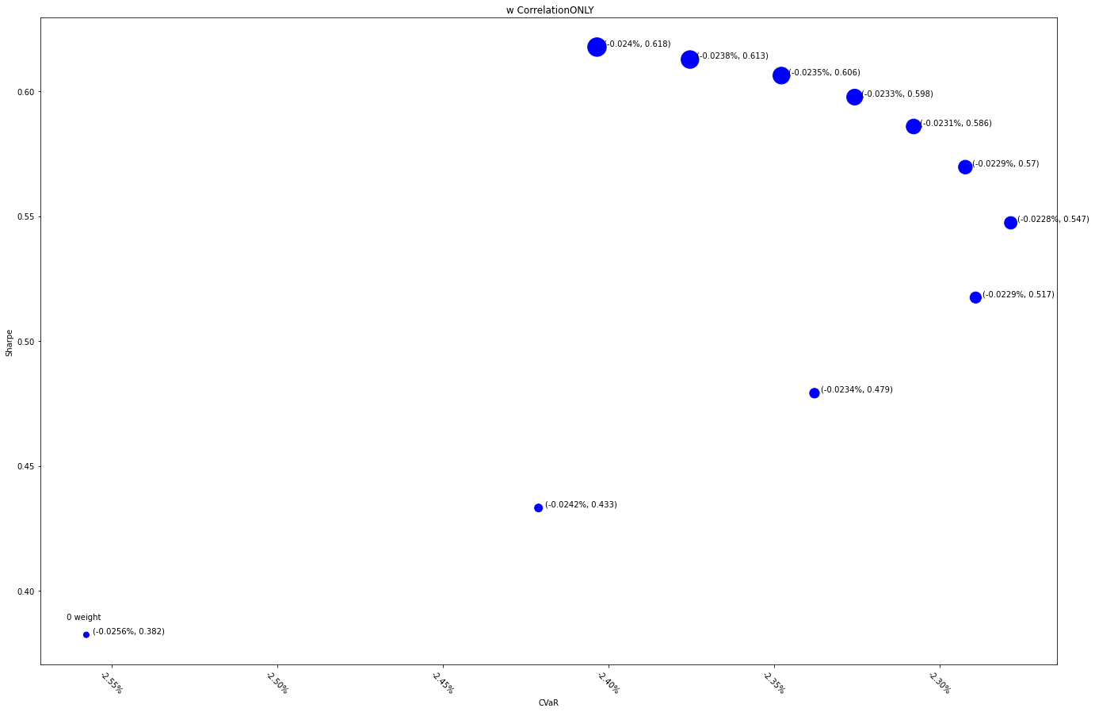
 | MXWDIM | 10% | 20% | 30% | 40% | 50% | 60% | 70% | 80% | 90% | 100%
Ret | 6.50% | 6.96% | 7.48% | 8.05% | 8.64% | 9.25% | 9.88% | 10.51% | 11.15% | 11.79% | 12.43%
Vol | 17.00% | 16.07% | 15.62% | 15.55% | 15.78% | 16.24% | 16.86% | 17.59% | 18.39% | 19.24% | 20.12%
Sharpe | 0.38233726261 | 0.43313832986 | 0.47910452822 | 0.5174133304 | 0.54732149815 | 0.56964377636 | 0.58590114603 | 0.59767202746 | 0.60628047372 | 0.61272222441 | 0.61770154384
5%-ile | -1.55% | -1.48% | -1.43% | -1.37% | -1.33% | -1.31% | -1.28% | -1.27% | -1.24% | -1.22% | -1.20%
CVaR | -2.56% | -2.42% | -2.34% | -2.29% | -2.28% | -2.29% | -2.31% | -2.33% | -2.35% | -2.38% | -2.40%
Tracking Error | 0.00% | 2.76% | 5.24% | 7.49% | 9.56% | 11.47% | 13.24% | 14.89% | 16.45% | 17.92% | 19.31%
IR | 0.00% | 16.71% | 18.75% | 20.63% | 22.37% | 24.00% | 25.52% | 26.94% | 28.28% | 29.53% | 30.72%
Corr | 1 | 0.98763318969 | 0.95183048996 | 0.89764432014 | 0.83231914823 | 0.76276374929 | 0.69408731126 | 0.62936587476 | 0.5700701198 | 0.51662897066 | 0.46888599397
Max DD | -34.68% | -29.38% | -26.63% | -26.58% | -26.54% | -26.49% | -26.44% | -26.40% | -26.35% | -26.31% | -26.26%
Rank | 50 | 100 | 150 | 200 | 250 | 300 | 350 | 400 | 450 | 500 | 550

Sheet1
