CommodONLY
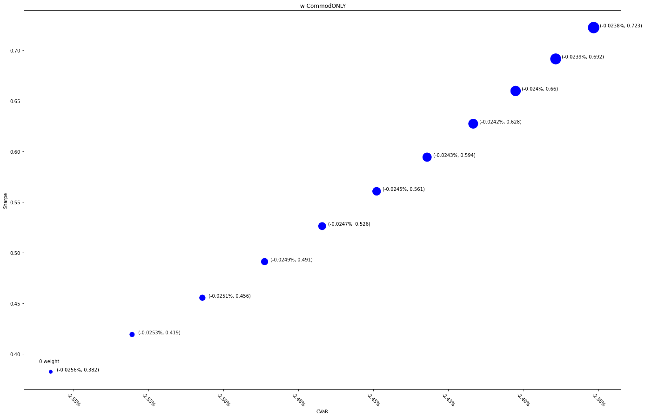
 | MXWDIM | 10% | 20% | 30% | 40% | 50% | 60% | 70% | 80% | 90% | 100%
Ret | 6.50% | 7.05% | 7.59% | 8.12% | 8.63% | 9.13% | 9.61% | 10.09% | 10.55% | 11.00% | 11.44%
Vol | 17.00% | 16.83% | 16.67% | 16.53% | 16.40% | 16.28% | 16.17% | 16.07% | 15.98% | 15.90% | 15.83%
Sharpe | 0.38233726261 | 0.41922724622 | 0.45553554148 | 0.49123377326 | 0.526298186 | 0.56070915382 | 0.59445074971 | 0.62751036447 | 0.65987836776 | 0.69154780511 | 0.72251412585
5%-ile | -1.55% | -1.54% | -1.52% | -1.49% | -1.47% | -1.45% | -1.44% | -1.41% | -1.39% | -1.38% | -1.39%
CVaR | -2.56% | -2.53% | -2.51% | -2.49% | -2.47% | -2.45% | -2.43% | -2.42% | -2.40% | -2.39% | -2.38%
Tracking Error | 0.00% | 0.38% | 0.75% | 1.11% | 1.45% | 1.78% | 2.10% | 2.40% | 2.70% | 2.99% | 3.27%
IR | 0.00% | 144.21% | 145.18% | 146.10% | 146.97% | 147.79% | 148.56% | 149.30% | 149.99% | 150.64% | 151.26%
Corr | 1 | 0.99979258752 | 0.99918735776 | 0.99820871309 | 0.99687968294 | 0.99522203957 | 0.99325639707 | 0.99100229638 | 0.98847827876 | 0.98570194994 | 0.98269003623
Max DD | -34.68% | -34.62% | -34.55% | -34.49% | -34.43% | -34.37% | -34.31% | -34.26% | -34.22% | -34.17% | -34.13%
Rank | 50 | 100 | 150 | 200 | 250 | 300 | 350 | 400 | 450 | 500 | 550

Corr3Commod7
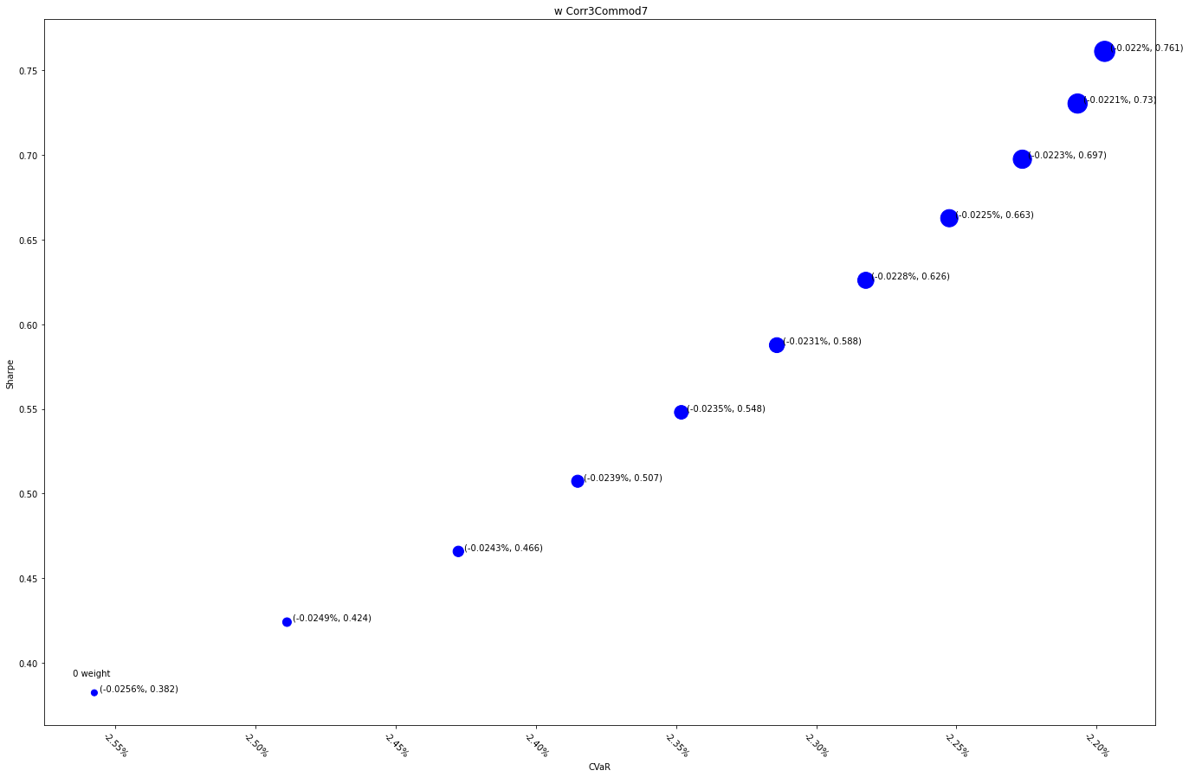
 | MXWDIM | 10% | 20% | 30% | 40% | 50% | 60% | 70% | 80% | 90% | 100% |  | MXWDIM | 10% | 20% | 30% | 40% | 50% | 60% | 70% | 80% | 90% | 100%
Ret | 6.50% | 7.02% | 7.53% | 8.03% | 8.53% | 9.02% | 9.50% | 9.98% | 10.45% | 10.91% | 11.37% | Ret | 6.50% | 7.24% | 7.97% | 8.67% | 9.35% | 10.02% | 10.67% | 11.30% | 11.91% | 12.51% | 13.10%
Vol | 17.00% | 16.55% | 16.16% | 15.84% | 15.57% | 15.35% | 15.18% | 15.06% | 14.98% | 14.94% | 14.94% | Vol | 17.00% | 16.46% | 15.99% | 15.61% | 15.29% | 15.04% | 14.84% | 14.69% | 14.60% | 14.54% | 14.53%
Sharpe | 0.38233726261 | 0.42405569146 | 0.46582729027 | 0.50726204167 | 0.54798484045 | 0.58764900806 | 0.62594795899 | 0.66262403112 | 0.69747388745 | 0.73035034804 | 0.76116092905 | Sharpe | 0.38233726261 | 0.44017967288 | 0.49808171128 | 0.5554420428 | 0.61168623045 | 0.66628932819 | 0.71879499424 | 0.76882926617 | 0.81610801033 | 0.8604379965 | 0.90171235798
5%-ile | -1.55% | -1.53% | -1.50% | -1.45% | -1.42% | -1.40% | -1.38% | -1.37% | -1.31% | -1.31% | -1.29% | 5%-ile | -1.55% | -1.52% | -1.48% | -1.42% | -1.39% | -1.38% | -1.35% | -1.31% | -1.28% | -1.29% | -1.28%
CVaR | -2.56% | -2.49% | -2.43% | -2.39% | -2.35% | -2.31% | -2.28% | -2.25% | -2.23% | -2.21% | -2.20% | CVaR | -2.56% | -2.47% | -2.40% | -2.35% | -2.31% | -2.26% | -2.23% | -2.19% | -2.16% | -2.14% | -2.13%
Tracking Error | 0.00% | 0.95% | 1.86% | 2.73% | 3.57% | 4.37% | 5.15% | 5.90% | 6.62% | 7.31% | 7.98% | Tracking Error | 0.00% | 1.04% | 2.03% | 2.96% | 3.85% | 4.70% | 5.50% | 6.28% | 7.02% | 7.73% | 8.41%
IR | 0.00% | 54.48% | 55.32% | 56.12% | 56.90% | 57.65% | 58.37% | 59.06% | 59.73% | 60.38% | 61.01% | IR | 0.00% | 71.40% | 72.35% | 73.25% | 74.11% | 74.93% | 75.71% | 76.46% | 77.17% | 77.85% | 78.51%
Corr | 1 | 0.99875427319 | 0.99497339584 | 0.98863667166 | 0.97978459362 | 0.9685172885 | 0.9549891688 | 0.93940038196 | 0.92198600327 | 0.90300410289 | 0.88272381277 | Corr | 1 | 0.99858479607 | 0.99429030901 | 0.9871008886 | 0.97707918474 | 0.96436308379 | 0.94915724317 | 0.93172031543 | 0.91234945396 | 0.8913638785 | 0.86908914871
Max DD | -34.68% | -33.05% | -31.42% | -29.81% | -28.45% | -27.59% | -26.80% | -26.54% | -26.51% | -26.49% | -26.46% | Max DD | -34.68% | -32.88% | -31.09% | -29.32% | -27.86% | -26.88% | -26.24% | -25.84% | -25.72% | -25.59% | -25.48%
Rank | 50 | 100 | 150 | 200 | 250 | 300 | 350 | 400 | 450 | 500 | 550

Corr5Commod5
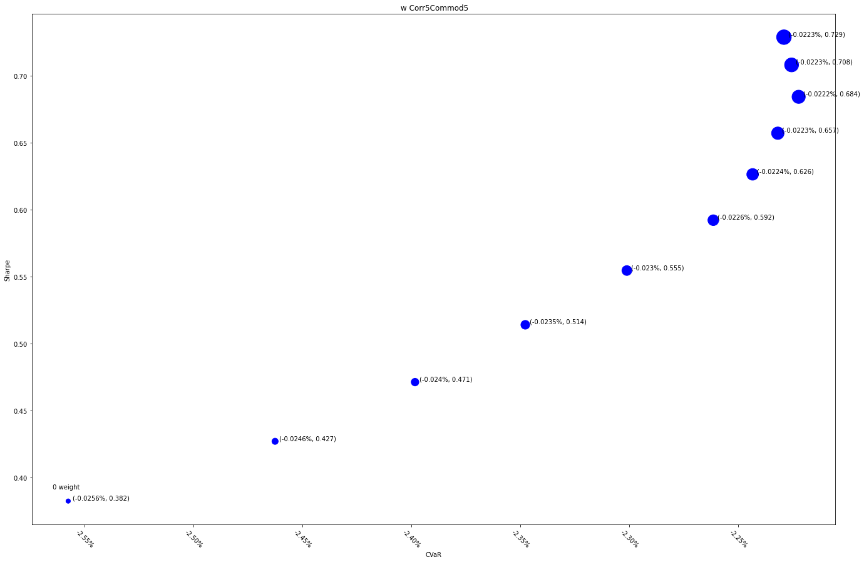
 | MXWDIM | 10% | 20% | 30% | 40% | 50% | 60% | 70% | 80% | 90% | 100%
Ret | 6.50% | 7.00% | 7.50% | 8.01% | 8.52% | 9.03% | 9.54% | 10.05% | 10.56% | 11.06% | 11.56%
Vol | 17.00% | 16.39% | 15.92% | 15.58% | 15.36% | 15.25% | 15.23% | 15.29% | 15.43% | 15.62% | 15.86%
Sharpe | 0.38233726261 | 0.42697463533 | 0.47119950917 | 0.51400512334 | 0.55453136642 | 0.59212680208 | 0.62637616759 | 0.65709312498 | 0.68428666512 | 0.7081135055 | 0.7288280746
5%-ile | -1.55% | -1.53% | -1.48% | -1.44% | -1.41% | -1.34% | -1.33% | -1.32% | -1.28% | -1.28% | -1.27%
CVaR | -2.56% | -2.46% | -2.40% | -2.35% | -2.30% | -2.26% | -2.24% | -2.23% | -2.22% | -2.23% | -2.23%
Tracking Error | 0.00% | 1.47% | 2.85% | 4.15% | 5.38% | 6.55% | 7.66% | 8.72% | 9.73% | 10.70% | 11.62%
IR | 0.00% | 33.93% | 35.21% | 36.42% | 37.58% | 38.68% | 39.73% | 40.74% | 41.70% | 42.63% | 43.51%
Corr | 1 | 0.99680862407 | 0.98717830886 | 0.97129671354 | 0.94969390603 | 0.92317550315 | 0.89272221491 | 0.85938009064 | 0.82416352545 | 0.78798462867 | 0.75161275009
Max DD | -0.3467909324 | -0.32000152822 | -0.29330518005 | -0.27608659141 | -0.26591802346 | -0.26560236114 | -0.26528778775 | -0.26497429766 | -0.26466188528 | -0.26435054506 | -0.2640402715
Rank | 50 | 100 | 150 | 200 | 250 | 300 | 350 | 400 | 450 | 500 | 550

Corr7Commod3
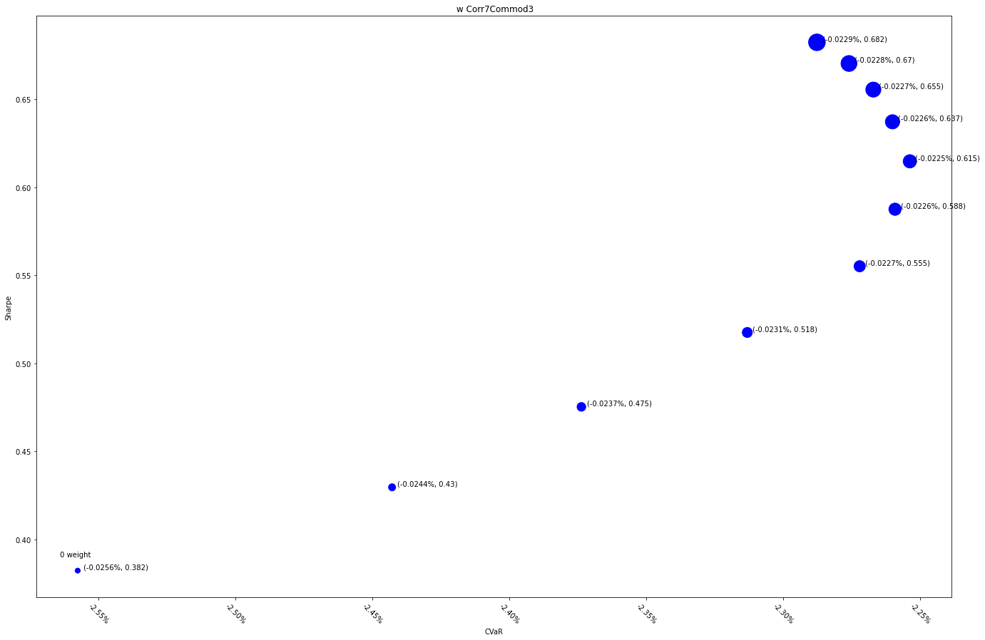
 | MXWDIM | 10% | 20% | 30% | 40% | 50% | 60% | 70% | 80% | 90% | 100%
Ret | 6.50% | 6.98% | 7.49% | 8.01% | 8.55% | 9.09% | 9.64% | 10.19% | 10.75% | 11.30% | 11.85%
Vol | 17.00% | 16.25% | 15.75% | 15.48% | 15.39% | 15.47% | 15.68% | 16.00% | 16.40% | 16.86% | 17.37%
Sharpe | 0.38233726261 | 0.42963898394 | 0.47530828663 | 0.51754221112 | 0.55512526686 | 0.58750468142 | 0.6147016282 | 0.6371321772 | 0.6554191192 | 0.67024448378 | 0.68225667027
5%-ile | -1.55% | -1.50% | -1.47% | -1.40% | -1.35% | -1.32% | -1.30% | -1.31% | -1.30% | -1.26% | -1.25%
CVaR | -2.56% | -2.44% | -2.37% | -2.31% | -2.27% | -2.26% | -2.25% | -2.26% | -2.27% | -2.28% | -2.29%
Tracking Error | 0.00% | 1.99% | 3.82% | 5.53% | 7.12% | 8.61% | 10.01% | 11.33% | 12.59% | 13.78% | 14.92%
IR | 0.00% | 24.18% | 25.80% | 27.32% | 28.76% | 30.11% | 31.39% | 32.60% | 33.75% | 34.85% | 35.89%
Corr | 1 | 0.99386883216 | 0.97559994497 | 0.94629700414 | 0.90804935584 | 0.86346557331 | 0.81517888593 | 0.76548424591 | 0.71616206732 | 0.6684574674 | 0.62315087848
Max DD | -0.3467909324 | -0.30951713398 | -0.27890669212 | -0.26606617884 | -0.2656928696 | -0.26532048284 | -0.26494901513 | -0.26457846309 | -0.26420882333 | -0.26384009249 | -0.26347226722
Rank | 50 | 100 | 150 | 200 | 250 | 300 | 350 | 400 | 450 | 500 | 550

CorrelationONLY
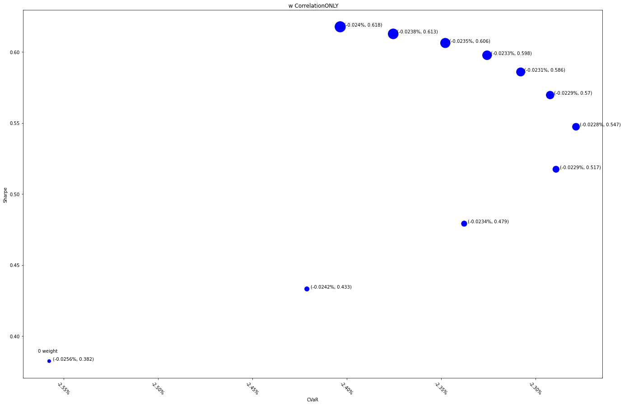
 | MXWDIM | 10% | 20% | 30% | 40% | 50% | 60% | 70% | 80% | 90% | 100%
Ret | 6.50% | 6.96% | 7.48% | 8.05% | 8.64% | 9.25% | 9.88% | 10.51% | 11.15% | 11.79% | 12.43%
Vol | 17.00% | 16.07% | 15.62% | 15.55% | 15.78% | 16.24% | 16.86% | 17.59% | 18.39% | 19.24% | 20.12%
Sharpe | 0.38233726261 | 0.43313832986 | 0.47910452822 | 0.5174133304 | 0.54732149815 | 0.56964377636 | 0.58590114603 | 0.59767202746 | 0.60628047372 | 0.61272222441 | 0.61770154384
5%-ile | -1.55% | -1.48% | -1.43% | -1.37% | -1.33% | -1.31% | -1.28% | -1.27% | -1.24% | -1.22% | -1.20%
CVaR | -2.56% | -2.42% | -2.34% | -2.29% | -2.28% | -2.29% | -2.31% | -2.33% | -2.35% | -2.38% | -2.40%
Tracking Error | 0.00% | 2.76% | 5.24% | 7.49% | 9.56% | 11.47% | 13.24% | 14.89% | 16.45% | 17.92% | 19.31%
IR | 0.00% | 16.71% | 18.75% | 20.63% | 22.37% | 24.00% | 25.52% | 26.94% | 28.28% | 29.53% | 30.72%
Corr | 1 | 0.98763318969 | 0.95183048996 | 0.89764432014 | 0.83231914823 | 0.76276374929 | 0.69408731126 | 0.62936587476 | 0.5700701198 | 0.51662897066 | 0.46888599397
Max DD | -0.3467909324 | -0.29377090816 | -0.26627165852 | -0.26581233026 | -0.2653534547 | -0.26489503117 | -0.264437059 | -0.26397953752 | -0.26352246608 | -0.263065844 | -0.26260967063
Rank | 50 | 100 | 150 | 200 | 250 | 300 | 350 | 400 | 450 | 500 | 550

Sheet1
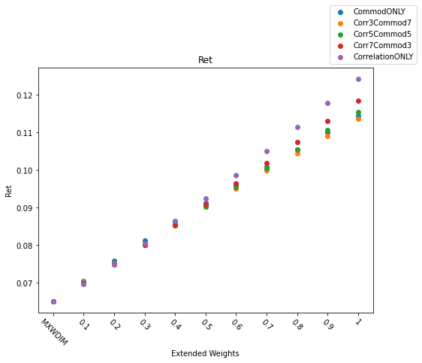
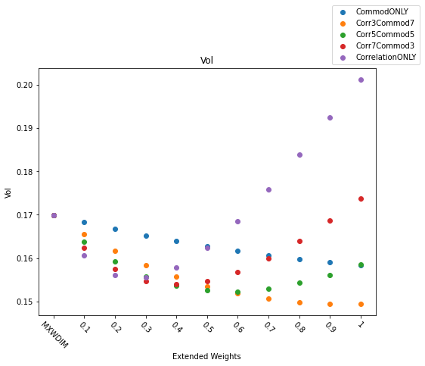
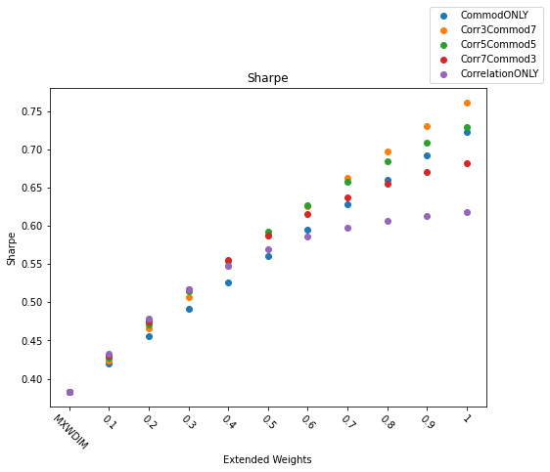

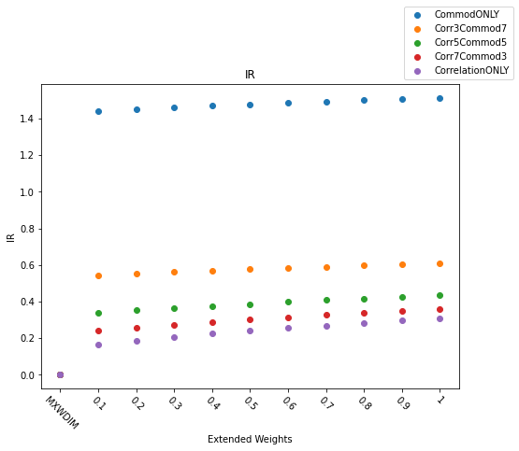

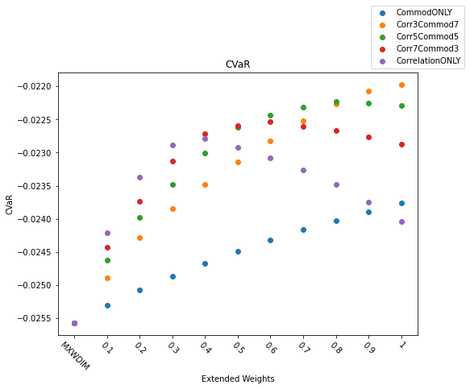
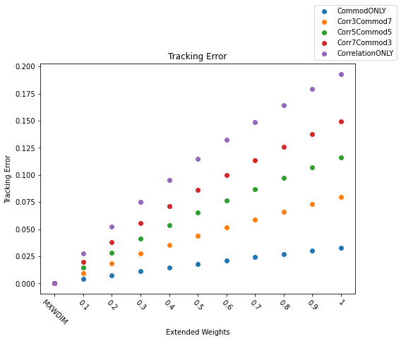
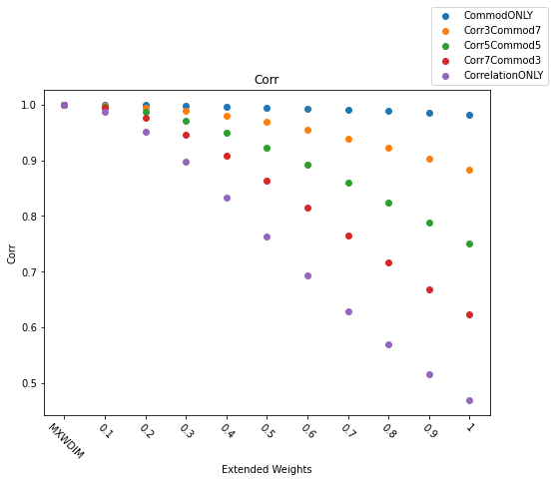

Sheet2
 | CommodONLY | Corr3Commod7 | Corr5Commod5 | Corr7Commod3 | CorrelationONLY
-0.019075035037 | -0.0023271352781 | -0.00040329614247 | 0.00087926328126 | 0.002161822705 | 0.0040856618406
-0.025705065034 | -0.004237739541 | -0.0012516295656 | 0.00074152607911 | 0.0027366175373 | 0.0057328905486
-0.019539779829 | -0.0033242579632 | -0.00029490583405 | 0.0017281584146 | 0.0037540263767 | 0.0067980980452
-0.019107328337 | -0.0041330076204 | -0.0013456462859 | 0.00051621596988 | 0.002380983229 | 0.0051835958887
-0.010594185899 | -0.0022152936367 | -0.00085681796423 | 5.0829632092E-05 | 0.00096007988381 | 0.002326969538
-0.007749850389 | 0.0004843792679 | 0.00064469124528 | 0.00075172888501 | 0.00085889719383 | 0.0010198951855
-0.019524928217 | -0.0012851918571 | -0.00027720305819 | 0.00039586740874 | 0.001069802161 | 0.0020823284694
-0.014672240479 | -0.00016078209188 | 0.00085750563262 | 0.0015373956099 | 0.0022181125391 | 0.003240741771
-0.010079424972 | -0.00010203202577 | 0.00063691274207 | 0.0011303364922 | 0.0016243968002 | 0.0023666835053
-0.011315057846 | -0.0011358013904 | -0.00018679823403 | 0.00044652075968 | 0.0010803606804 | 0.0020320987064
-0.0041302764281 | 0.0023570454725 | 0.0021463667249 | 0.0020059766143 | 0.001865636383 | 0.0016552195015
0.001085489865 | 0.0029004197652 | 0.0025007040711 | 0.0022342645555 | 0.0019678551249 | 0.0015682973772
0.0056765506026 | 0.0034174491773 | 0.0028815446532 | 0.0025244820626 | 0.0021675850113 | 0.0016325495687
0.0043149129447 | 0.0032695115927 | 0.0025881662735 | 0.0021343053056 | 0.0016807393973 | 0.001000943143
0.010720571764 | 0.0069897444671 | 0.005006639345 | 0.003687027619 | 0.0023693774613 | 0.00039657060845
0.011379757687 | 0.0055926346574 | 0.0039049440219 | 0.0027812827477 | 0.0016587919887 | -2.2753431606E-05
0.030759761493 | 0.0030782212691 | 0.0017224228804 | 0.00081973748804 | -8.2005469288E-05 | -0.0014328560656
0.030568088361 | 0.0041165108407 | 0.0020493458868 | 0.0006740128502 | -0.00069910490236 | -0.0027546395677
0.035399052309 | 0.0055405240063 | 0.0027906031497 | 0.00096240143257 | -0.00086175294254 | -0.0035904250909
0.031243953595 | 0.0049657267452 | 0.0016112975915 | -0.00061693080003 | -0.0028387454932 | -0.0061595022937
0.026514102919 | 0.0058287940021 | 0.0027824563942 | 0.00075925799132 | -0.0012578183343 | -0.0042720145756
0.029562813255 | 0.0038717535053 | 0.0016107135127 | 0.00010818246855 | -0.0013905027189 | -0.003631351757
0.026823355004 | 0.0054323343282 | 0.0027625312435 | 0.00098936935922 | -0.00077845531664 | -0.003420237659
0.024713733863 | 0.0048719594973 | 0.0020447309051 | 0.00016617187004 | -0.0017074023993 | -0.0045084606827
0.017110295126 | 0.0051812332487 | 0.002709645389 | 0.001066380651 | -0.00057332919482 | -0.0030262537337
0.012829516194 | 0.0037936872511 | 0.0023694025999 | 0.0014199419746 | 0.00047053132499 | -0.00095349095349
0.010788275384 | 0.0004782695163 | 0.00029677647994 | 0.00017562897265 | 5.4359531172E-05 | -0.00012777366063
0.019031391908 | 0.0034919602674 | 0.0021620877052 | 0.0012755760394 | 0.00038912040139 | -0.00094045801527
0.0019511457309 | 0.0031064403155 | 0.0015191282262 | 0.00046110926135 | -0.00059675846571 | -0.0021832765563
-0.0075327576837 | 0.0040859318918 | 0.0020534955687 | 0.00069802502778 | -0.00065785612452 | -0.0026924481575
-0.0017008088291 | 0.0055027506114 | 0.0033444189297 | 0.0019063304374 | 0.00046888088443 | -0.001686096365
-0.015202129505 | 0.004248316229 | 0.0029904749139 | 0.0021519928462 | 0.0013135738175 | 5.6063457172E-05
-0.010654879784 | 0.0029866473966 | 0.0025860104349 | 0.0023187793249 | 0.0020514362913 | 0.00165021173
-0.0039972495296 | 0.0035517399277 | 0.002614030211 | 0.0019886962625 | 0.0013632069367 | 0.00042468148888
-0.0025024496872 | 0.0048169317602 | 0.0034489164252 | 0.0025366153022 | 0.0016240813554 | 0.00025484369587
0.002171127026 | 0.0030265420129 | 0.0022716573742 | 0.0017676838123 | 0.0012631353964 | 0.00050523276795
-0.00023253546166 | 0.0036099124238 | 0.0022313117802 | 0.0013108687478 | 0.00038932265754 | -0.00099506905269
-0.0081135751233 | 0.0053989220425 | 0.0034720172773 | 0.0021861963452 | 0.0008993999156 | -0.0010326262165
-0.0037142004773 | 0.0037800486499 | 0.0021830279936 | 0.0011168376077 | 4.9436863407E-05 | -0.0015539381875
0.0080611390285 | 0.0032863988456 | 0.0024540273969 | 0.0018981194204 | 0.0013414145077 | 0.00050485913043
0.012923464869 | 0.004873965474 | 0.0038746041074 | 0.0032070554922 | 0.0025384578367 | 0.001533588987
0.014218080484 | 0.004571020709 | 0.003322587706 | 0.0024892517321 | 0.0016550764373 | 0.00040223699249
0.010793984173 | 0.0060751741898 | 0.0045122307584 | 0.0034696979688 | 0.0024267084277 | 0.00086136704996
0.011121304178 | 0.0049088854053 | 0.0037710308584 | 0.0030119652959 | 0.0022525026788 | 0.0011125635939
0.00069699990257 | 0.004556296226 | 0.0036608807773 | 0.0030631204713 | 0.0024647055746 | 0.0015658535178
-0.0057597818923 | 0.005426285255 | 0.0044005493956 | 0.0037157734181 | 0.0030302342982 | 0.0020004919333
-0.014456340212 | 0.0048481966134 | 0.0039584225864 | 0.0033638729557 | 0.0027682262367 | 0.0018726924662
-0.016319224315 | 0.006514173436 | 0.0050875929541 | 0.004135055226 | 0.0031813276437 | 0.0017485004123
-0.014689965589 | 0.0053292480644 | 0.0044029127659 | 0.0037840377973 | 0.0031641051928 | 0.0022322172803
-0.002551174446 | 0.0059310203998 | 0.0048267893909 | 0.004088820805 | 0.0033493955406 | 0.0022375169231
...
 | MXWDIM | CommodONLY | Corr3Commod7 | Corr5Commod5 | Corr7Commod3 | CorrelationONLY
2018-06-01 | 1320.05 | 100 | 100 | 100 | 100 | 100
2018-06-04 | 1329.31 | 100.06287436 | 99.990109946 | 99.941600339 | 99.893090731 | 99.82032632
2018-06-05 | 1328.06 | 100.12376888 | 100.01995143 | 99.950739791 | 99.881528153 | 99.777710698
2018-06-06 | 1338.23 | 100.11489163 | 99.998056136 | 99.920165804 | 99.842275471 | 99.725439973
2018-06-07 | 1338.47 | 100.18903816 | 100.05676721 | 99.968586584 | 99.880405955 | 99.748135012
2018-06-08 | 1336.8 | 100.08662431 | 99.995182083 | 99.934220599 | 99.873259116 | 99.78181689
2018-06-11 | 1340.85 | 100.06253507 | 99.966383915 | 99.902283143 | 99.83818237 | 99.742031212
2018-06-12 | 1341.99 | 100.04120236 | 99.950135925 | 99.889424967 | 99.82871401 | 99.737647573
2018-06-13 | 1338.37 | 100.06096988 | 99.96437271 | 99.899974596 | 99.835576482 | 99.738979311
2018-06-14 | 1338.04 | 99.982513554 | 99.920922876 | 99.879862425 | 99.838801973 | 99.777211296
2018-06-15 | 1331.63 | 99.711451416 | 99.738037832 | 99.755762109 | 99.773486386 | 99.800072802
2018-06-18 | 1326.59 | 99.783718707 | 99.792170688 | 99.797805342 | 99.803439997 | 99.811891978
2018-06-19 | 1315.94 | 99.676737144 | 99.711423946 | 99.734548481 | 99.757673016 | 99.792359818
2018-06-20 | 1321 | 99.679498385 | 99.728155756 | 99.760594003 | 99.79303225 | 99.841689621
2018-06-21 | 1312.43 | 99.533708424 | 99.644963525 | 99.719133593 | 99.79330366 | 99.904558762
2018-06-22 | 1318.13 | 99.727049636 | 99.805105998 | 99.857143573 | 99.909181147 | 99.987237509
2018-06-25 | 1299.75 | 99.884806542 | 99.963162119 | 100.01539917 | 100.06763622 | 100.1459918
2018-06-26 | 1301.03 | 99.892924481 | 100.01394066 | 100.09461812 | 100.17529557 | 100.29631175
2018-06-27 | 1291.56 | 99.82391295 | 99.990303041 | 100.10122977 | 100.21215649 | 100.37854659
2018-06-28 | 1292.09 | 99.797271942 | 100.01380385 | 100.15815845 | 100.30251306 | 100.51904497
2018-06-29 | 1300.44 | 99.685624886 | 99.9130613 | 100.06468558 | 100.21630985 | 100.44374627 | MXWDIM | CommodONLY | Corr3Commod7 | Corr5Commod5 | Corr7Commod3 | CorrelationONLY
2018-07-02 | 1294.87 | 99.767286472 | 99.959670386 | 100.08792633 | 100.21618227 | 100.40856618 | -0.019075035037 | -0.0023271352781 | -0.00040329614247 | 0.00087926328126 | 0.002161822705 | 0.0040856618406
2018-07-03 | 1295.14 | 99.638833958 | 99.864959368 | 100.01570964 | 100.16645992 | 100.39258533 | -0.025705065034 | -0.004237739541 | -0.0012516295656 | 0.00074152607911 | 0.0027366175373 | 0.0057328905486
2018-07-05 | 1302.11 | 99.790931648 | 99.990454961 | 100.1234705 | 100.25648604 | 100.45600936 | -0.019539779829 | -0.0033242579632 | -0.00029490583405 | 0.0017281584146 | 0.0037540263767 | 0.0067980980452
2018-07-06 | 1312.66 | 99.701116024 | 99.863494123 | 99.971746189 | 100.07999825 | 100.24237635 | -0.019107328337 | -0.0041330076204 | -0.0013456462859 | 0.00051621596988 | 0.002380983229 | 0.0051835958887
2018-07-09 | 1324.29 | 99.967090018 | 99.971036778 | 99.973667951 | 99.976299124 | 99.980245883 | -0.010594185899 | -0.0022152936367 | -0.00085681796423 | 5.0829632092E-05 | 0.00096007988381 | 0.002326969538
2018-07-10 | 1326.44 | 100.13510419 | 100.0596481 | 100.00934404 | 99.959039978 | 99.883583885 | -0.007749850389 | 0.0004843792679 | 0.00064469124528 | 0.00075172888501 | 0.00085889719383 | 0.0010198951855
2018-07-11 | 1314.67 | 99.933935519 | 99.938672928 | 99.941831201 | 99.944989473 | 99.949726883 | -0.019524928217 | -0.0012851918571 | -0.00027720305819 | 0.00039586740874 | 0.001069802161 | 0.0020823284694
2018-07-12 | 1322.3 | 100.02511753 | 100.03584373 | 100.04299453 | 100.05014533 | 100.06087153 | -0.014672240479 | -0.00016078209188 | 0.00085750563262 | 0.0015373956099 | 0.0022181125391 | 0.003240741771
2018-07-13 | 1324.88 | 100.05076046 | 100.02804129 | 100.01289518 | 99.997749073 | 99.975029909 | -0.010079424972 | -0.00010203202577 | 0.00063691274207 | 0.0011303364922 | 0.0016243968002 | 0.0023666835053
2018-07-16 | 1322.9 | 99.868953276 | 99.902257824 | 99.924460857 | 99.946663889 | 99.979968438 | -0.011315057846 | -0.0011358013904 | -0.00018679823403 | 0.00044652075968 | 0.0010803606804 | 0.0020320987064
2018-07-17 | 1326.13 | 99.946475842 | 99.952112238 | 99.955869835 | 99.959627432 | 99.965263828 | -0.0041302764281 | 0.0023570454725 | 0.0021463667249 | 0.0020059766143 | 0.001865636383 | 0.0016552195015
2018-07-18 | 1328.03 | 100.07313338 | 100.04172138 | 100.02078004 | 99.999838708 | 99.968426707 | 0.001085489865 | 0.0029004197652 | 0.0025007040711 | 0.0022342645555 | 0.0019678551249 | 0.0015682973772
2018-07-19 | 1323.41 | 100.01737733 | 99.998746867 | 99.98632656 | 99.973906252 | 99.955275792 | 0.0056765506026 | 0.0034174491773 | 0.0028815446532 | 0.0025244820626 | 0.0021675850113 | 0.0016325495687
2018-07-20 | 1326.7 | 100.00540166 | 99.986268805 | 99.973513568 | 99.960758331 | 99.941625475 | 0.0043149129447 | 0.0032695115927 | 0.0025881662735 | 0.0021343053056 | 0.0016807393973 | 0.001000943143
2018-07-23 | 1326.5 | 100.22942361 | 100.14384992 | 100.08680079 | 100.02975166 | 99.944177973 | 0.010720571764 | 0.0069897444671 | 0.005006639345 | 0.003687027619 | 0.0023693774613 | 0.00039657060845
2018-07-24 | 1333.13 | 100.28478659 | 100.19483935 | 100.13487452 | 100.0749097 | 99.984962456 | 0.011379757687 | 0.0055926346574 | 0.0039049440219 | 0.0027812827477 | 0.0016587919887 | -2.2753431606E-05
2018-07-25 | 1339.73 | 100.19227408 | 100.13534096 | 100.09738554 | 100.05943013 | 100.00249701 | 0.030759761493 | 0.0030782212691 | 0.0017224228804 | 0.00081973748804 | -8.2005469288E-05 | -0.0014328560656
2018-07-26 | 1340.8 | 100.30413479 | 100.21890382 | 100.16208317 | 100.10526253 | 100.02003156 | 0.030568088361 | 0.0041165108407 | 0.0020493458868 | 0.0006740128502 | -0.00069910490236 | -0.0027546395677
2018-07-27 | 1337.28 | 100.37698974 | 100.2693363 | 100.19756733 | 100.12579837 | 100.01814493 | 0.035399052309 | 0.0055405240063 | 0.0027906031497 | 0.00096240143257 | -0.00086175294254 | -0.0035904250909
2018-07-30 | 1332.46 | 100.29283792 | 100.17495585 | 100.0963678 | 100.01777975 | 99.899897678 | 0.031243953595 | 0.0049657267452 | 0.0016112975915 | -0.00061693080003 | -0.0028387454932 | -0.0061595022937
2018-07-31 | 1334.92 | 100.26667186 | 100.19106504 | 100.14066049 | 100.09025594 | 100.01464912 | 0.026514102919 | 0.0058287940021 | 0.0027824563942 | 0.00075925799132 | -0.0012578183343 | -0.0042720145756
2018-08-01 | 1333.15 | 100.15356081 | 100.12067678 | 100.09875409 | 100.0768314 | 100.04394736 | 0.029562813255 | 0.0038717535053 | 0.0016107135127 | 0.00010818246855 | -0.0013905027189 | -0.003631351757
2018-08-02 | 1329.88 | 100.18010542 | 100.14083944 | 100.11466212 | 100.0884848 | 100.04921882 | 0.026823355004 | 0.0054323343282 | 0.0027625312435 | 0.00098936935922 | -0.00077845531664 | -0.003420237659
2018-08-03 | 1334.29 | 100.27710902 | 100.19490853 | 100.14010821 | 100.08530788 | 100.00310739 | 0.024713733863 | 0.0048719594973 | 0.0020447309051 | 0.00016617187004 | -0.0017074023993 | -0.0045084606827
2018-08-06 | 1335.12 | 100.21769076 | 100.13408878 | 100.07835412 | 100.02261947 | 99.939017488 | 0.017110295126 | 0.0051812332487 | 0.002709645389 | 0.001066380651 | -0.00057332919482 | -0.0030262537337
2018-08-07 | 1341.28 | 100.34633389 | 100.20790841 | 100.11562476 | 100.0233411 | 99.884915623 | 0.012829516194 | 0.0037936872511 | 0.0023694025999 | 0.0014199419746 | 0.00047053132499 | -0.00095349095349
2018-08-08 | 1340.75 | 100.18299576 | 100.08934345 | 100.02690858 | 99.964473704 | 99.870821394 | 0.010788275384 | 0.0004782695163 | 0.00029677647994 | 0.00017562897265 | 5.4359531172E-05 | -0.00012777366063
2018-08-09 | 1339.69 | 100.28290085 | 100.1547491 | 100.06931461 | 99.983880108 | 99.855728361 | 0.019031391908 | 0.0034919602674 | 0.0021620877052 | 0.0012755760394 | 0.00038912040139 | -0.00094045801527
2018-08-10 | 1324.88 | 100.33583959 | 100.187811 | 100.08912528 | 99.990439561 | 99.842410979 | 0.0019511457309 | 0.0031064403155 | 0.0015191282262 | 0.00046110926135 | -0.00059675846571 | -0.0021832765563
2018-08-13 | 1314.9 | 100.45956105 | 100.23344843 | 100.08270669 | 99.931964941 | 99.705852324 | -0.0075327576837 | 0.0040859318918 | 0.0020534955687 | 0.00069802502778 | -0.00065785612452 | -0.0026924481575
2018-08-14 | 1320.65 | 100.41850722 | 100.23637283 | 100.1149499 | 99.993526969 | 99.811392576 | -0.0017008088291 | 0.0055027506114 | 0.0033444189297 | 0.0019063304374 | 0.00046888088443 | -0.001686096365
2018-08-15 | 1305.97 | 100.37108008 | 100.25101652 | 100.17097415 | 100.09093178 | 99.970868227 | -0.015202129505 | 0.004248316229 | 0.0029904749139 | 0.0021519928462 | 0.0013135738175 | 5.6063457172E-05
2018-08-16 | 1313.88 | 100.37201654 | 100.30043031 | 100.25270616 | 100.20498201 | 100.13339578 | -0.010654879784 | 0.0029866473966 | 0.0025860104349 | 0.0023187793249 | 0.0020514362913 | 0.00165021173
2018-08-17 | 1318.12 | 100.37261304 | 100.26014661 | 100.18516899 | 100.11019137 | 99.997724947 | -0.0039972495296 | 0.0035517399277 | 0.002614030211 | 0.0019886962625 | 0.0013632069367 | 0.00042468148888
2018-08-20 | 1323.38 | 100.48712086 | 100.33111309 | 100.22710791 | 100.12310273 | 99.967094968 | -0.0025024496872 | 0.0048169317602 | 0.0034489164252 | 0.0025366153022 | 0.0016240813554 | 0.00025484369587
2018-08-21 | 1329.38 | 100.53277217 | 100.37134244 | 100.26372261 | 100.15610279 | 99.994673047 | 0.002171127026 | 0.0030265420129 | 0.0022716573742 | 0.0017676838123 | 0.0012631353964 | 0.00050523276795
2018-08-22 | 1332.82 | 100.64680589 | 100.41840528 | 100.2661382 | 100.11387113 | 99.885470514 | -0.00023253546166 | 0.0036099124238 | 0.0022313117802 | 0.0013108687478 | 0.00038932265754 | -0.00099506905269
2018-08-23 | 1328.86 | 100.73320435 | 100.48301259 | 100.31621808 | 100.14942357 | 99.899231809 | -0.0081135751233 | 0.0053989220425 | 0.0034720172773 | 0.0021861963452 | 0.0008993999156 | -0.0010326262165
2018-08-24 | 1335.82 | 100.6832893 | 100.43768449 | 100.27394796 | 100.11021142 | 99.864606616 | -0.0037142004773 | 0.0037800486499 | 0.0021830279936 | 0.0011168376077 | 4.9436863407E-05 | -0.0015539381875
2018-08-27 | 1348.06 | 100.70686856 | 100.51539999 | 100.38775428 | 100.26010857 | 100.06864001 | 0.0080611390285 | 0.0032863988456 | 0.0024540273969 | 0.0018981194204 | 0.0013414145077 | 0.00050485913043
2018-08-28 | 1349.68 | 100.78166175 | 100.56309415 | 100.41738241 | 100.27167067 | 100.05310306 | 0.012923464869 | 0.004873965474 | 0.0038746041074 | 0.0032070554922 | 0.0025384578367 | 0.001533588987
2018-08-29 | 1353.9 | 100.72499289 | 100.52395864 | 100.3899358 | 100.25591297 | 100.05487871 | 0.014218080484 | 0.004571020709 | 0.003322587706 | 0.0024892517321 | 0.0016550764373 | 0.00040223699249
2018-08-30 | 1347.54 | 100.76201114 | 100.57244437 | 100.44606653 | 100.31968869 | 100.13012192 | 0.010793984173 | 0.0060751741898 | 0.0045122307584 | 0.0034696979688 | 0.0024267084277 | 0.00086136704996
2018-08-31 | 1344.67 | 100.67187807 | 100.51847363 | 100.41620401 | 100.31393438 | 100.16052994 | 0.011121304178 | 0.0049088854053 | 0.0037710308584 | 0.0030119652959 | 0.0022525026788 | 0.0011125635939
2018-09-04 | 1335.22 | 100.73400124 | 100.56171015 | 100.44684942 | 100.3319887 | 100.15969761 | 0.00069699990257 | 0.004556296226 | 0.0036608807773 | 0.0030631204713 | 0.0024647055746 | 0.0015658535178
2018-09-05 | 1327.43 | 100.76150054 | 100.57473378 | 100.45022261 | 100.32571144 | 100.13894469 | -0.0057597818923 | 0.005426285255 | 0.0044005493956 | 0.0037157734181 | 0.0030302342982 | 0.0020004919333
2018-09-06 | 1321.89 | 100.83283265 | 100.60457366 | 100.452401 | 100.30022834 | 100.07196935 | -0.014456340212 | 0.0048481966134 | 0.0039584225864 | 0.0033638729557 | 0.0027682262367 | 0.0018726924662
2018-09-07 | 1318.87 | 100.83560517 | 100.59855729 | 100.44052537 | 100.28249345 | 100.04544557 | -0.016319224315 | 0.006514173436 | 0.0050875929541 | 0.004135055226 | 0.0031813276437 | 0.0017485004123
2018-09-10 | 1320.01 | 100.81733331 | 100.59572173 | 100.44798067 | 100.30023962 | 100.07862804 | -0.014689965589 | 0.0053292480644 | 0.0044029127659 | 0.0037840377973 | 0.0031641051928 | 0.0022322172803
2018-09-11 | 1321.5 | 100.9309335 | 100.67139647 | 100.49837178 | 100.32534709 | 100.06581006 | -0.002551174446 | 0.0059310203998 | 0.0048267893909 | 0.004088820805 | 0.0033493955406 | 0.0022375169231
2018-09-12 | 1324.31 | 101.0271219 | 100.74169147 | 100.55140451 | 100.36111755 | 100.07568712 | 0.0071564377519 | 0.0056496449321 | 0.0050705931232 | 0.0046831049982 | 0.0042944478651 | 0.003709258677
2018-09-13 | 1330.87 | 101.03058478 | 100.73644134 | 100.54034571 | 100.34425009 | 100.05010665 | 0.0077386135615 | 0.0060952664359 | 0.0049888927302 | 0.0042490738449 | 0.0035074582238 | 0.0023916515683
2018-09-14 | 1334.93 | 100.97202419 | 100.67522316 | 100.4773558 | 100.27948844 | 99.982687403 | 0.022175088249 | 0.0059872237536 | 0.0042314447081 | 0.0030585870637 | 0.0018838535589 | 0.00011822620725
2018-09-17 | 1329.67 | 101.0316132 | 100.72151331 | 100.51478005 | 100.30804679 | 99.997946904 | 0.01201784029 | 0.0065715194339 | 0.0041982172636 | 0.0026141328446 | 0.0010285395367 | -0.0013526843109
2018-09-18 | 1336.42 | 100.95700366 | 100.69031145 | 100.51251664 | 100.33472184 | 100.06802963 | 0.013883409705 | 0.0058222118467 | 0.0042904867995 | 0.0032674262209 | 0.002242833198 | 0.0007030627901
2018-09-19 | 1340.24 | 100.92775328 | 100.64318478 | 100.45347244 | 100.2637601 | 99.979191591 | 0.012740104883 | 0.0043849641942 | 0.003110417854 | 0.0022585159764 | 0.0014048442335 | 0.00012100603753
2018-09-20 | 1350.63 | 100.80783829 | 100.50862158 | 100.30914378 | 100.10966597 | 99.810449262 | 0.015984895214 | 0.0027360840768 | 0.001367712567 | 0.00045301695115 | -0.00046364438379 | -0.0018423359933
2018-09-21 | 1354.41 | 100.66469239 | 100.40489035 | 100.23168898 | 100.05848762 | 99.798685574 | 0.016198736514 | 0.00017771558038 | -0.00013458616518 | -0.00034357777975 | -0.00055320512125 | -0.00086884448128
2018-09-24 | 1349.32 | 100.73656581 | 100.45966306 | 100.27506123 | 100.0904594 | 99.813556651 | 0.01539665578 | 3.3369863716E-05 | -0.0002323729104 | -0.00041027117176 | -0.00058876199673 | -0.00085761578369
2018-09-25 | 1350.12 | 100.73540519 | 100.46301231 | 100.28141706 | 100.0998218 | 99.827428924 | 0.01070503511 | 0.00051762203756 | 0.00025217442231 | 7.4486933298E-05 | -0.00010378179381 | -0.00037228095989
2018-09-26 | 1347.42 | 100.81776743 | 100.5134079 | 100.31050155 | 100.1075952 | 99.80323568 | -0.00047475631648 | 0.0011012046296 | -1.9818745407E-05 | -0.00076954334734 | -0.0015211769664 | -0.0026522227823
2018-09-27 | 1347.08 | 100.73803521 | 100.46650135 | 100.28547878 | 100.1044562 | 99.832922344 | -0.0019263825499 | -0.00043288176605 | -0.00096051932858 | -0.0013135537607 | -0.0016676142306 | -0.0022006385623
2018-09-28 | 1344.49 | 100.85584607 | 100.54718775 | 100.34141554 | 100.13564333 | 99.826985011 | -0.0069502917498 | 0.001299113271 | 0.00023108035745 | -0.00048331799844 | -0.0011996263802 | -0.0022776870412
2018-10-01 | 1345.32 | 100.94986264 | 100.60669024 | 100.37790864 | 100.14912705 | 99.805954645 | -0.001647446458 | 0.0018643087902 | 0.00034050946875 | -0.00067855206687 | -0.0017001811304 | -0.0032374601067
2018-10-02 | 1340.32 | 100.79267897 | 100.49604574 | 100.29829026 | 100.10053477 | 99.803901549 | -0.0032349944596 | 0.0011999467591 | -0.00022312209593 | -0.0011742502243 | -0.0021273176948 | -0.0035605681619
2018-10-03 | 1340.94 | 100.80275552 | 100.50379849 | 100.30449381 | 100.10518912 | 99.806232091 | 0.0042839382274 | 0.00068253305644 | -0.00057588176068 | -0.0014172232959 | -0.0022604911778 | -0.003529019398
2018-10-04 | 1327.14 | 100.73405503 | 100.46739415 | 100.28962023 | 100.11184631 | 99.845185433 | -0.00021846726381 | -0.00027238094395 | -0.0010672624291 | -0.001598825553 | -0.0021317080904 | -0.0029335165627
2018-10-05 | 1317.67 | 100.79067173 | 100.47186795 | 100.2593321 | 100.04679625 | 99.727992471 | -0.0031923987624 | -0.00041812687005 | -0.0013190822363 | -0.0019219938692 | -0.0025267349429 | -0.0034372950113
2018-10-08 | 1312.3 | 100.64318374 | 100.3460534 | 100.1479665 | 99.949879606 | 99.652749263 | -0.004981537225 | -0.0019082687126 | -0.0025100150465 | -0.0029127572366 | -0.0033167687633 | -0.0039251792177
2018-10-09 | 1308.64 | 100.75784943 | 100.4229068 | 100.19961171 | 99.976316627 | 99.641373999 | -0.0086135711093 | -0.00059001640145 | -0.0017179153005 | -0.0024726127965 | -0.0032295336133 | -0.0043691051041
2018-10-10 | 1281.09 | 100.76296776 | 100.31958435 | 100.02399541 | 99.728406463 | 99.28502305 | -0.030578887628 | -0.0016641650895 | -0.003494658179 | -0.0047202394032 | -0.00595004799 | -0.007802735144
2018-10-11 | 1252.89 | 100.55229585 | 100.07777701 | 99.761431109 | 99.445085212 | 98.970566366 | -0.053929971079 | -0.0046999858878 | -0.0065902651623 | -0.0078564133951 | -0.0091273629194 | -0.011042849539
2018-10-12 | 1265.68 | 100.52259671 | 100.09688981 | 99.813085213 | 99.529280615 | 99.103573719 | -0.048982996085 | -0.0050280622593 | -0.0063487603882 | -0.0072335189947 | -0.0081217356429 | -0.0094605889214
2018-10-15 | 1260.61 | 100.38466706 | 100.01525452 | 99.768979502 | 99.522704479 | 99.153291946 | -0.055673331186 | -0.0058170284147 | -0.0065554225778 | -0.0070501088529 | -0.0075467473172 | -0.0082953907219
2018-10-16 | 1282.55 | 100.54108614 | 100.1724907 | 99.926760402 | 99.681030106 | 99.312434662 | -0.035437364158 | -0.0048551838244 | -0.0054508971566 | -0.0058500814286 | -0.0062509111253 | -0.0068552631652
2018-10-17 | 1281.45 | 100.48819302 | 100.08604138 | 99.817940284 | 99.549839189 | 99.147687548 | -0.041132278775 | -0.0046436663071 | -0.0060012732159 | -0.0069103468996 | -0.007822642371 | -0.0091971639952
2018-10-18 | 1265.92 | 100.49959641 | 100.1034458 | 99.839345389 | 99.575244983 | 99.179094374 | -0.05545275473 | -0.0042422115238 | -0.0053628964634 | -0.0061135472231 | -0.0068670386445 | -0.0080026373904
2018-10-19 | 1263.57 | 100.5266819 | 100.11627964 | 99.842678143 | 99.569076641 | 99.158674388 | -0.064458808112 | -0.0027890330543 | -0.0039035650001 | -0.004650280284 | -0.005399971367 | -0.0065301266442
2018-10-22 | 1260.18 | 100.68811342 | 100.2275338 | 99.920480726 | 99.613427649 | 99.152848033 | -0.069572729085 | 0.00023266375983 | -0.0017664134057 | -0.0031048888917 | -0.0044479981831 | -0.0064714032809
2018-10-23 | 1245.75 | 100.48414102 | 100.08215623 | 99.814166377 | 99.54617652 | 99.144191735 | -0.076757181395 | -0.0025057910778 | -0.0037577950676 | -0.0045963058649 | -0.0054379096768 | -0.0067061523375
2018-10-24 | 1219.99 | 100.53920677 | 100.00224414 | 99.644269061 | 99.286293979 | 98.749331356 | -0.096384025124 | -0.0019476610095 | -0.0045864458407 | -0.0063535998291 | -0.0081271655528 | -0.010799612684
2018-10-25 | 1228.43 | 100.58150357 | 99.915008522 | 99.470678493 | 99.026348464 | 98.35985342 | -0.088309510027 | -0.0023434744716 | -0.0059534284572 | -0.0083722347019 | -0.01080084622 | -0.014462279204
2018-10-26 | 1214.27 | 100.48517327 | 99.776662253 | 99.304321578 | 98.831980902 | 98.123469888 | -0.098591026517 | -0.0025100940498 | -0.006866359308 | -0.0097836417721 | -0.012711475095 | -0.017123133488
2018-10-29 | 1210.2 | 100.62019463 | 99.867747982 | 99.366116883 | 98.864485784 | 98.112039135 | -0.099881739544 | -0.0023365173679 | -0.0067574218949 | -0.0097198016465 | -0.012694356392 | -0.017179181318
2018-10-30 | 1222.42 | 100.52768704 | 99.791306668 | 99.300386418 | 98.809466168 | 98.073085793 | -0.091353729968 | -0.0041820324475 | -0.0081046655507 | -0.010734655079 | -0.013376660553 | -0.017362379417
2018-10-31 | 1238.33 | 100.47091996 | 99.718858888 | 99.217484842 | 98.716110796 | 97.964049727 | -0.076093768652 | -0.0031922855207 | -0.0077335068022 | -0.010775910666 | -0.013830335486 | -0.018434668318
2018-11-01 | 1251.92 | 100.31047124 | 99.535213557 | 99.018375103 | 98.501536649 | 97.726278968 | -0.06638626635 | -0.0048836391706 | -0.0096372968099 | -0.012822144405 | -0.016019673762 | -0.02083991229
2018-11-02 | 1253.91 | 100.21240827 | 99.486229268 | 99.00210993 | 98.517990592 | 97.791811586 | -0.055178805552 | -0.0051784548134 | -0.0097660030812 | -0.012837921781 | -0.015920750419 | -0.020565576987
2018-11-05 | 1254.9 | 99.967673056 | 99.303278552 | 98.860348883 | 98.417419214 | 97.75302471 | -0.047637117032 | -0.0081654250594 | -0.011631011006 | -0.013953645905 | -0.016286149049 | -0.019803544741
2018-11-06 | 1260.19 | 100.03699213 | 99.329378762 | 98.857636517 | 98.385894272 | 97.678280904 | -0.039708908024 | -0.0060231760188 | -0.010131685311 | -0.012884235496 | -0.015647696032 | -0.019813486067
2018-11-07 | 1279.14 | 100.00095638 | 99.198213963 | 98.663052351 | 98.12789074 | 97.325148322 | -0.022542486857 | -0.0075120008058 | -0.012195353373 | -0.01533498319 | -0.018488637606 | -0.023245621607
2018-11-08 | 1277.48 | 100.11013578 | 99.284011648 | 98.733262229 | 98.18251281 | 97.356388681 | -0.0028179128711 | -0.0064788880205 | -0.010322737148 | -0.012904235345 | -0.01550103635 | -0.019425229605
2018-11-09 | 1264.15 | 99.843722425 | 99.102266619 | 98.607962748 | 98.113658878 | 97.372203072 | 0.0089872215438 | -0.0070468150103 | -0.0097475225441 | -0.011562267581 | -0.01338855843 | -0.016149885288
2018-11-12 | 1243.67 | 99.849031444 | 99.026061993 | 98.477415693 | 97.928769392 | 97.105799942 | -0.017389861576 | -0.0067006353219 | -0.01069791298 | -0.013381707589 | -0.016080807709 | -0.02015844336
2018-11-13 | 1242.18 | 99.637805127 | 98.863704272 | 98.347637035 | 97.831569798 | 97.057468943 | -0.014619906236 | -0.0074400000818 | -0.01151374616 | -0.014246336629 | -0.016992451023 | -0.021137200409
2018-11-14 | 1236.21 | 99.510033926 | 98.762378668 | 98.263941829 | 97.76550499 | 97.017849731 | -0.036131144985 | -0.010255033602 | -0.014076839071 | -0.016640373079 | -0.019216546161 | -0.023104709277
2018-11-15 | 1243.99 | 99.774923641 | 98.954027344 | 98.406763146 | 97.859498948 | 97.038602651 | -0.029232510047 | -0.0070980416505 | -0.011310408713 | -0.014137510088 | -0.016979838992 | -0.02127215418
2018-11-16 | 1247.67 | 99.592429306 | 98.713133503 | 98.1269363 | 97.540739097 | 96.661443293 | -0.014416392821 | -0.0090265745443 | -0.013888755597 | -0.017151645804 | -0.02043184414 | -0.025384896848
2018-11-19 | 1235.65 | 99.540975209 | 98.774582224 | 98.263653568 | 97.752724911 | 96.986331927 | -0.022096124473 | -0.0098054234958 | -0.013401391113 | -0.015815126398 | -0.018242126878 | -0.021907740037
2018-11-20 | 1215.67 | 99.405847896 | 98.579446871 | 98.028512854 | 97.477578837 | 96.651177811 | -0.035320351061 | -0.012735023822 | -0.016443454907 | -0.018934735487 | -0.021441374546 | -0.025230442406
2018-11-21 | 1220.85 | 99.61231659 | 98.752524094 | 98.179329097 | 97.6061341 | 96.746341604 | -0.019987959061 | -0.0086762390658 | -0.013285406611 | -0.016378810138 | -0.019488869268 | -0.024185482666
2018-11-23 | 1215.51 | 99.703372012 | 98.832293689 | 98.251574806 | 97.670855924 | 96.7997776 | -0.0036721612472 | -0.0083135204649 | -0.011699241993 | -0.013976661859 | -0.016270504124 | -0.019742450201
2018-11-26 | 1229.23 | 99.79263302 | 98.94484975 | 98.379660904 | 97.814472058 | 96.966688788 | 0.00065123775877 | -0.0078430975667 | -0.0097098402529 | -0.010968233105 | -0.012237918743 | -0.014163955956
2018-11-27 | 1229.25 | 99.778782697 | 98.897499626 | 98.309977579 | 97.722455533 | 96.841172462 | 0.012336630239 | -0.0070297989994 | -0.0088113052419 | -0.010013098951 | -0.011226379955 | -0.013068203025
2018-11-28 | 1247.11 | 99.29045693 | 98.543735886 | 98.045921857 | 97.548107827 | 96.801386783 | 0.030499091059 | -0.01321541571 | -0.013257654478 | -0.013286169047 | -0.013314972977 | -0.013358731135
2018-11-29 | 1250.96 | 99.220999504 | 98.548718151 | 98.100530582 | 97.652343013 | 96.980061659 | 0.023347131101 | -0.01299828512 | -0.012451871395 | -0.012083093322 | -0.011710650809 | -0.011144995841
2018-11-30 | 1253.88 | 98.92512032 | 98.339655055 | 97.949344878 | 97.559034701 | 96.973569436 | 0.01255723434 | -0.015385542786 | -0.013830922748 | -0.012781416164 | -0.011721248801 | -0.010110650735
2018-12-03 | 1270.57 | 99.381701569 | 98.621573738 | 98.11482185 | 97.608069963 | 96.847942132 | 0.014897118027 | -0.0092589503175 | -0.0091790612284 | -0.009125106851 | -0.0090705862754 | -0.0089877241395
2018-12-04 | 1242.31 | 99.43328098 | 98.898923701 | 98.542685516 | 98.18644733 | 97.652090052 | -0.0092510626759 | -0.0077747587146 | -0.0059033855295 | -0.0046405517455 | -0.0033653067815 | -0.0014287651622
2018-12-06 | 1223.31 | 99.625496909 | 98.950940376 | 98.501236021 | 98.051531667 | 97.376975134 | -0.025173320583 | -0.0034228679779 | -0.0035481021456 | -0.0036325267471 | -0.003717711258 | -0.0038469354507
2018-12-07 | 1210.1 | 99.536313625 | 98.830015477 | 98.359150045 | 97.888284613 | 97.181986465 | -0.039747974512 | -0.0050049336191 | -0.0050273473095 | -0.005042468031 | -0.0050577337545 | -0.0050809088146
2018-12-10 | 1199.69 | 99.438426621 | 98.780888012 | 98.342528939 | 97.904169866 | 97.246631257 | -0.06211204403 | -0.0056252437851 | -0.004206990567 | -0.0032486670958 | -0.0022798907773 | -0.00080675001753
2018-12-11 | 1200.61 | 99.783308487 | 99.020906993 | 98.51263933 | 98.004371667 | 97.241970174 | -0.060173153396 | -0.0032646773163 | -0.0026500203859 | -0.0022345346798 | -0.0018143876852 | -0.0011752542299
2018-12-12 | 1214.48 | 99.876838247 | 99.083131713 | 98.553994024 | 98.024856334 | 97.231149801 | -0.039291223352 | 0.00033167655973 | -0.00019308242407 | -0.00054730594962 | -0.00090509868381 | -0.0014485989563
2018-12-13 | 1213.52 | 99.976930689 | 99.134685261 | 98.573188309 | 98.011691358 | 97.16944593 | -0.024242765364 | 0.0012809262463 | 0.0010969159622 | 0.00097253381483 | 0.00084675796457 | 0.00065542932049
2018-12-14 | 1194.61 | 100.17919476 | 99.32313065 | 98.752421243 | 98.181711835 | 97.325647724 | -0.038295577131 | 0.0054335764808 | 0.0046470682237 | 0.0041158508753 | 0.0035790291219 | 0.0027630926742
2018-12-17 | 1178.29 | 100.34354967 | 99.393898792 | 98.760798205 | 98.127697619 | 97.17804674 | -0.046852880983 | 0.0083761979783 | 0.0063943389432 | 0.0050563448553 | 0.0037047078053 | 0.0016512116988
2018-12-18 | 1174.26 | 100.08515073 | 99.180009072 | 98.5765813 | 97.973153528 | 97.06801187 | -0.056053505253 | 0.003109269122 | 0.0022837042023 | 0.0017256756401 | 0.0011614057001 | 0.00030306721173
2018-12-19 | 1166.4 | 100.21977324 | 99.246294973 | 98.597309462 | 97.948323951 | 96.974845685 | -0.065137416144 | 0.0062991126685 | 0.0054011199086 | 0.0047935172541 | 0.0041786114977 | 0.0032422688994
2018-12-20 | 1148.77 | 100.29653248 | 99.305103695 | 98.64415117 | 97.983198645 | 96.991769858 | -0.070311172258 | 0.0075904146224 | 0.0053710322937 | 0.0038722110217 | 0.0023577218338 | 5.6069045024E-05
2018-12-21 | 1133.06 | 100.26979189 | 99.21095896 | 98.505070338 | 97.799181715 | 96.740348782 | -0.067954296808 | 0.0086910781929 | 0.0064061232753 | 0.0048614170506 | 0.0032992497603 | 0.00092260614707
2018-12-24 | 1115.62 | 100.38283387 | 99.13179461 | 98.297768438 | 97.463742265 | 96.212703007 | -0.086194045132 | 0.0077351607182 | 0.0038406159146 | 0.0012063571996 | -0.0014588410445 | -0.0055158529871
2018-12-27 | 1147.35 | 100.31478786 | 99.455743463 | 98.883047202 | 98.31035094 | 97.451306547 | -0.056075227682 | 0.0061323487007 | 0.0063081585132 | 0.0064270969369 | 0.0065474496983 | 0.0067306864056
2018-12-28 | 1153.75 | 100.53392065 | 99.596024349 | 98.970760147 | 98.345495946 | 97.407599643 | -0.061404293745 | 0.0074282801148 | 0.0065811874002 | 0.0060083480442 | 0.0054288887594 | 0.0045470342486
2018-12-31 | 1161.53 | 100.83967968 | 99.828963779 | 99.155153176 | 98.481342573 | 97.470626669 | -0.055090502339 | 0.010632490781 | 0.0094184803096 | 0.0085970480061 | 0.0077657385544 | 0.0064998614773
2019-01-02 | 1158.85 | 100.75972991 | 99.799289893 | 99.158996548 | 98.518703203 | 97.558263186 | -0.070771623995 | 0.014797726039 | 0.012741083901 | 0.011352585302 | 0.0099499149458 | 0.0078188590892
2019-01-03 | 1143.59 | 100.62702409 | 99.838385104 | 99.312625776 | 98.786866449 | 97.998227457 | -0.085830082497 | 0.014170635225 | 0.013086592875 | 0.012355643614 | 0.011617984788 | 0.010498712626
2019-01-04 | 1173.13 | 100.59551821 | 100.0316028 | 99.655659187 | 99.279715578 | 98.715800164 | -0.064400102083 | 0.01688547747 | 0.017205142124 | 0.017420374901 | 0.017637329868 | 0.017966036911
2019-01-07 | 1184.66 | 100.67263467 | 99.987920265 | 99.531443997 | 99.07496773 | 98.390253328 | -0.067615322257 | 0.012989645752 | 0.013854438492 | 0.014438411246 | 0.015028447623 | 0.015925079695
2019-01-08 | 1193.57 | 100.79365242 | 100.05197074 | 99.557516289 | 99.063061836 | 98.321380157 | -0.039233363653 | 0.013681248662 | 0.011658843168 | 0.010298387628 | 0.0089280601306 | 0.006853822627
2019-01-09 | 1204.84 | 100.84554035 | 100.06236881 | 99.540254446 | 99.018140086 | 98.234968546 | -0.015098380623 | 0.012246297147 | 0.011232115897 | 0.010548278042 | 0.0098581674673 | 0.0088110501511
2019-01-10 | 1209.08 | 100.88626983 | 100.07569617 | 99.535313728 | 98.994931285 | 98.184357622 | -0.000842905545 | 0.013562449319 | 0.012604274998 | 0.011957847157 | 0.011305200378 | 0.010314371963
2019-01-11 | 1209.26 | 100.79186473 | 99.975688247 | 99.43157059 | 98.887452933 | 98.071276448 | 0.0079770607407 | 0.013610815826 | 0.012095459545 | 0.01107396426 | 0.010043321628 | 0.0084799358087
2019-01-14 | 1203.04 | 100.53814405 | 99.849045459 | 99.389646402 | 98.930247344 | 98.241148758 | 0.002023971148 | 0.007564747754 | 0.0083632688439 | 0.008902482741 | 0.0094472895516 | 0.010275178323
2019-01-15 | 1212.75 | 100.43277551 | 99.77770946 | 99.34099876 | 98.904288059 | 98.249222007 | -0.0014244779659 | 0.0055662281132 | 0.0070100504035 | 0.0079855184318 | 0.0089715176033 | 0.010470638358
2019-01-16 | 1215.36 | 100.61940078 | 99.908313739 | 99.434255715 | 98.96019769 | 98.249110652 | 0.0015162502472 | 0.0064261833594 | 0.0078038123218 | 0.0087353104817 | 0.0096774815189 | 0.011111154452
2019-01-17 | 1220.3 | 100.7027507 | 99.977098233 | 99.493329921 | 99.00956161 | 98.283909142 | 0.021504926294 | 0.0052261943185 | 0.0065842425435 | 0.007502688734 | 0.0084318123891 | 0.0098459290077
2019-01-18 | 1235 | 100.56730627 | 99.912453247 | 99.475884565 | 99.039315883 | 98.38446286 | 0.048129068396 | 0.0022299051526 | 0.0052171658542 | 0.007240589102 | 0.0092901218067 | 0.012414492372
2019-01-22 | 1222.08 | 100.90488121 | 100.32701306 | 99.941767625 | 99.55652219 | 98.978654039 | 0.040723519493 | 0.0081903306813 | 0.011564870763 | 0.013848992395 | 0.016161250356 | 0.019683540767
2019-01-23 | 1222.63 | 101.00246056 | 100.42338011 | 100.03732647 | 99.651272835 | 99.072192381 | 0.048208161866 | 0.0078097095858 | 0.011860242598 | 0.014605033521 | 0.017386197287 | 0.021627739451
2019-01-24 | 1226 | 101.05480774 | 100.47253389 | 100.08435132 | 99.696168747 | 99.113894891 | 0.067228426926 | 0.0075603337635 | 0.011755993894 | 0.014599954787 | 0.017482283956 | 0.021879434064
2019-01-25 | 1238.21 | 100.92591644 | 100.35657023 | 99.977006088 | 99.597441946 | 99.028095734 | 0.092801793374 | 0.0065435914126 | 0.011547225044 | 0.014942740971 | 0.01838727277 | 0.023648322343
2019-01-28 | 1231.16 | 101.23567534 | 100.63877808 | 100.24084657 | 99.842915061 | 99.246017799 | 0.10356573027 | 0.0084958895602 | 0.015201817668 | 0.019767265951 | 0.024410850026 | 0.031527175696
2019-01-29 | 1231.68 | 101.23932519 | 100.64340418 | 100.2461235 | 99.848842829 | 99.252921819 | 0.073499803896 | 0.0092163613128 | 0.011941600065 | 0.013784731961 | 0.015649337785 | 0.018487338304
2019-01-30 | 1243.53 | 101.22509831 | 100.6280335 | 100.22999029 | 99.83194709 | 99.234882282 | 0.077815817985 | 0.006875069149 | 0.01036195127 | 0.012723254279 | 0.015114582825 | 0.018759138357
2019-01-31 | 1254.98 | 101.18725197 | 100.51904359 | 100.07357133 | 99.628099076 | 98.959890693 | 0.080454228475 | 0.0034467809349 | 0.0069126211573 | 0.0092624349369 | 0.011644403628 | 0.015279105874
2019-02-01 | 1255.6 | 101.41596702 | 100.67005754 | 100.17278455 | 99.675511568 | 98.929602087 | 0.083487940631 | 0.0065128907519 | 0.0087251888304 | 0.010223863112 | 0.011742017779 | 0.014056614542
2019-02-04 | 1260.26 | 101.51024336 | 100.72928615 | 100.20864801 | 99.688009875 | 98.907052666 | 0.10202082914 | 0.0087771577795 | 0.008923432092 | 0.0090222389231 | 0.0091220974854 | 0.0092738943539
2019-02-05 | 1267.72 | 101.53207708 | 100.73733724 | 100.20751068 | 99.677684115 | 98.882944272 | 0.080630450163 | 0.0093101451113 | 0.0070551148151 | 0.0055375830591 | 0.0040085583941 | 0.0016931849587
2019-02-06 | 1265.15 | 101.67633737 | 100.82562495 | 100.25848334 | 99.691341726 | 98.840629308 | 0.067943544983 | 0.0099699655867 | 0.0083780589072 | 0.007304619646 | 0.0062212888944 | 0.0045774450625
2019-02-07 | 1253.32 | 101.88090902 | 100.98414201 | 100.38629734 | 99.788452663 | 98.891685652 | 0.050059904321 | 0.010786955052 | 0.0093168706279 | 0.0083246456712 | 0.0073225157097 | 0.005800421993
2019-02-08 | 1248.83 | 101.95518822 | 101.06162665 | 100.46591893 | 99.870211218 | 98.976649646 | 0.03651107201 | 0.011003440192 | 0.0099863500366 | 0.0092993984315 | 0.0086052023499 | 0.0075500721511
2019-02-11 | 1249.74 | 101.89934169 | 101.022651 | 100.43819054 | 99.853730079 | 98.977039389 | 0.033628874847 | 0.010041721804 | 0.0094623856277 | 0.0090709194325 | 0.0086751794536 | 0.0080734017789
2019-02-12 | 1263.47 | 101.85228106 | 100.96488749 | 100.37329178 | 99.781696066 | 98.894302499 | 0.044829069017 | 0.010520852311 | 0.0098943979155 | 0.0094710480925 | 0.009043039395 | 0.0083921213298
2019-02-13 | 1267.76 | 101.95381218 | 101.039634 | 100.43018187 | 99.820729752 | 98.906551567 | 0.05379704748 | 0.01408090581 | 0.011923885032 | 0.010469254202 | 0.0090011137317 | 0.0067731578694
2019-02-14 | 1264.94 | 102.07327193 | 101.12678021 | 100.49578573 | 99.864791255 | 98.918299538 | 0.043034425892 | 0.016334273446 | 0.013520762895 | 0.011624475178 | 0.0097114413899 | 0.0068100033435
2019-02-15 | 1274.21 | 102.15108378 | 101.21037902 | 100.58324251 | 99.956106006 | 99.015401245 | 0.048421866772 | 0.015222541503 | 0.013032601914 | 0.011555241101 | 0.010063726016 | 0.0077994659437
2019-02-19 | 1280.51 | 102.13124354 | 101.19583942 | 100.57223668 | 99.948633934 | 99.013229819 | 0.049340326149 | 0.014185241471 | 0.01219020365 | 0.010844010919 | 0.0094846629858 | 0.0074205501483
2019-02-20 | 1286.51 | 102.22740221 | 101.2565694 | 100.60934753 | 99.962125657 | 98.991292851 | 0.041708502024 | 0.016507312342 | 0.013452939137 | 0.011394349178 | 0.0093176105506 | 0.0061679453594
2019-02-21 | 1283.41 | 102.18795504 | 101.25270844 | 100.62921071 | 100.00571297 | 99.070466376 | 0.05018493061 | 0.012715676502 | 0.009226781019 | 0.0068784362939 | 0.0045119171877 | 0.00092759734287
2019-02-22 | 1289.78 | 102.21033664 | 101.29069114 | 100.67759413 | 100.06449713 | 99.144851628 | 0.054922584919 | 0.011958877744 | 0.0086365448733 | 0.0064002876244 | 0.0041467036476 | 0.00073339698807
2019-02-25 | 1293.62 | 102.12046878 | 101.21452123 | 100.6105562 | 100.00659117 | 99.100643626 | 0.05515497553 | 0.010545376905 | 0.0073849769361 | 0.0052576139866 | 0.0031136845986 | -0.00013369734965
2019-02-26 | 1292.71 | 102.29519136 | 101.33248419 | 100.69067941 | 100.04887463 | 99.086167454 | 0.044015150903 | 0.013567128934 | 0.0097244650621 | 0.0071383745995 | 0.0045325730442 | 0.00058641661217
2019-02-27 | 1292.75 | 102.32887003 | 101.3578131 | 100.71044182 | 100.06307053 | 99.092013601 | 0.050025991748 | 0.010798512368 | 0.0071447114015 | 0.0046846696047 | 0.0022050184418 | -0.0015517418386
2019-02-28 | 1287.86 | 102.37302691 | 101.38409611 | 100.72480891 | 100.06552171 | 99.07659091 | 0.045612496752 | 0.011198234712 | 0.0073595675849 | 0.0047751014334 | 0.0021700690254 | -0.0017765815474
2019-03-01 | 1293.92 | 102.31302045 | 101.35486959 | 100.71610235 | 100.07733512 | 99.119184262 | 0.040521740529 | 0.010747553297 | 0.0072229980655 | 0.0048499661432 | 0.0024580110353 | -0.0011659007144
2019-03-04 | 1290.91 | 102.44006224 | 101.47276233 | 100.82789572 | 100.18302911 | 99.215729193 | 0.028629938326 | 0.012381107782 | 0.0094879408602 | 0.0075376982778 | 0.0055700152551 | 0.0025852746805
2019-03-05 | 1289.24 | 102.35280258 | 101.40631881 | 100.77532963 | 100.14434045 | 99.197856688 | 0.026791971966 | 0.0092375548019 | 0.0073136072981 | 0.0060150576806 | 0.0047035513471 | 0.0027115706061
2019-03-06 | 1283.53 | 102.4469499 | 101.45964437 | 100.80144068 | 100.143237 | 99.155931467 | 0.018464443845 | 0.0092277045339 | 0.0072507037572 | 0.005915583925 | 0.0045665182972 | 0.0025162897392
2019-03-07 | 1272.3 | 102.62668432 | 101.55667872 | 100.84334166 | 100.13000459 | 99.05999899 | 0.0036127851576 | 0.010780900718 | 0.0081334439424 | 0.0063451429549 | 0.0045378309043 | 0.0017905486061
2019-03-08 | 1264.74 | 102.55006706 | 101.4982361 | 100.79701545 | 100.09579481 | 99.043963845 | -0.0003240722444 | 0.0085932451335 | 0.0066710337335 | 0.0053714368762 | 0.0040570532692 | 0.0020571959045
2019-03-11 | 1279.13 | 102.69831575 | 101.60735523 | 100.88004821 | 100.1527412 | 99.061780672 | 0.020593304184 | 0.00802315899 | 0.0061713968686 | 0.0049185086875 | 0.0036506080975 | 0.0017200133547
2019-03-12 | 1285.33 | 102.67709151 | 101.54818447 | 100.79557978 | 100.04297508 | 98.914068041 | 0.029227356806 | 0.0070805939709 | 0.0048144665629 | 0.0032813201396 | 0.001729883835 | -0.00063228655407
2019-03-13 | 1291.65 | 102.65254312 | 101.5040081 | 100.73831809 | 99.972628081 | 98.824093065 | 0.033534975275 | 0.007391622115 | 0.004764843303 | 0.0029881815885 | 0.001190721682 | -0.0015452707515
2019-03-14 | 1291.47 | 102.5605929 | 101.40155948 | 100.62887054 | 99.856181591 | 98.697148173 | 0.022161191006 | 0.0069543051621 | 0.0043249886551 | 0.0025462825265 | 0.00074648485586 | -0.0019935862934
2019-03-15 | 1299.2 | 102.60099208 | 101.41864772 | 100.63041814 | 99.842188559 | 98.659844191 | 0.024799646621 | 0.0063477754013 | 0.0037511390624 | 0.0019937857206 | 0.00021497345477 | -0.0024943481707
2019-03-18 | 1305.97 | 102.65566258 | 101.46510167 | 100.67139439 | 99.877687119 | 98.687126208 | 0.03243632109 | 0.0057056136061 | 0.0033455179202 | 0.0017474231214 | 0.00012913323717 | -0.0023370127776
2019-03-19 | 1307.16 | 102.66202991 | 101.46623485 | 100.66903814 | 99.871841432 | 98.676046368 | 0.025859159793 | 0.0050018669835 | 0.0025279604021 | 0.0008529813356 | -0.00084301576697 | -0.0034272938549
2019-03-20 | 1301.97 | 102.72457726 | 101.505458 | 100.69271183 | 99.87996565 | 98.660846388 | 0.016758947607 | 0.0058095222028 | 0.0030595979176 | 0.0011978966757 | -0.0006870357391 | -0.0035589529964
2019-03-21 | 1310.8 | 102.75825033 | 101.5242019 | 100.70150295 | 99.878803996 | 98.644755566 | 0.018880537267 | 0.0051928163606 | 0.0026431124902 | 0.00091597275306 | -0.00083353230704 | -0.0035006845008
2019-03-22 | 1290.53 | 102.71404018 | 101.60164235 | 100.8600438 | 100.11844524 | 99.00604741 | 0.0055477205258 | 0.0051482109017 | 0.0034461686682 | 0.0022938974473 | 0.0011272582773 | -0.00065023379193
2019-03-25 | 1284.69 | 102.72422786 | 101.58969859 | 100.83334574 | 100.07699289 | 98.942463609 | -0.0039464094652 | 0.0050277813228 | 0.0029519736322 | 0.0015470334058 | 0.00012487699043 | -0.0020413366459
2019-03-26 | 1294.01 | 102.65272476 | 101.55158926 | 100.81749892 | 100.08340859 | 98.982273082 | 0.00030147956896 | 0.0052120401532 | 0.0033302338563 | 0.0020568688573 | 0.00076812351353 | -0.0011944477842
2019-03-27 | 1288.53 | 102.71550792 | 101.62371589 | 100.89585454 | 100.16799319 | 99.076201167 | -0.0032335171848 | 0.0041088593833 | 0.002874021158 | 0.0020376775275 | 0.0011906037545 | -0.00010058202717
2019-03-28 | 1289.5 | 102.68253814 | 101.61992933 | 100.91152346 | 100.20311759 | 99.140508777 | -0.0025140204989 | 0.0034561909001 | 0.0025860485871 | 0.0019966315214 | 0.0013995878322 | 0.00048939540283
2019-03-29 | 1297.94 | 102.78028305 | 101.6630286 | 100.9181923 | 100.17335601 | 99.056101559 | 0.0078269377106 | 0.0039781586154 | 0.0027512450442 | 0.0019199182017 | 0.0010776368737 | -0.00020680314925
2019-04-01 | 1312.79 | 102.77051555 | 101.63218874 | 100.87330421 | 100.11441967 | 98.97609287 | 0.014583590948 | 0.0044715237345 | 0.0027361206534 | 0.0015608413169 | 0.00037055898429 | -0.0014436296332
2019-04-02 | 1312.68 | 102.67527179 | 101.5577678 | 100.81276513 | 100.06776247 | 98.950258471 | 0.016864072631 | 0.0022960699667 | 0.00083771710452 | -0.00015006348871 | -0.0011505605416 | -0.0026756918891
2019-04-03 | 1320.39 | 102.62911551 | 101.516305 | 100.77443133 | 100.03255766 | 98.919747155 | 0.024161521517 | 0.0026996127694 | 0.0010846088707 | -8.9138913987E-06 | -0.0011162167837 | -0.0028035840974
2019-04-04 | 1320.34 | 102.65763043 | 101.53270765 | 100.78275913 | 100.03281061 | 98.907887829 | 0.028678721962 | 0.002056484239 | 0.00072012163567 | -0.00018533018948 | -0.0011026844006 | -0.0025015511863
2019-04-05 | 1325.09 | 102.72965854 | 101.58100601 | 100.81523766 | 100.04946931 | 98.900816776 | 0.041491786528 | 0.0010033863498 | 0.0002395439294 | -0.00027868969026 | -0.0008043072155 | -0.0016069272673
2019-04-08 | 1326.97 | 102.77002458 | 101.61223542 | 100.84037598 | 100.06851654 | 98.910727386 | 0.049203788921 | 0.0021448792927 | 0.0011231655577 | 0.00043017670569 | -0.00027252160692 | -0.0013452254335
2019-04-09 | 1321.89 | 102.7639821 | 101.6111292 | 100.8425606 | 100.073992 | 98.921139094 | 0.033428971254 | 0.00063941017845 | 3.7142690119E-05 | -0.00037160583701 | -0.00078629100985 | -0.0014197360168
2019-04-10 | 1325.61 | 102.87671769 | 101.71403001 | 100.9389049 | 100.16377978 | 99.001092105 | 0.031338255545 | 0.0019442134091 | 0.0016331709407 | 0.0014219385562 | 0.0012075280479 | 0.00087979461327
2019-04-11 | 1324.26 | 102.92553938 | 101.75154585 | 100.9688835 | 100.18622115 | 99.012227622 | 0.025246777378 | 0.0026594203541 | 0.0024386992752 | 0.0022887558012 | 0.0021365154941 | 0.0019037316859
2019-04-12 | 1330.81 | 102.97629149 | 101.7843831 | 100.98977751 | 100.19517192 | 99.003263531 | 0.030461412189 | 0.0040531999136 | 0.0037753227847 | 0.0035865151861 | 0.0033947855943 | 0.0031015623457
2019-04-15 | 1331.53 | 103.09220462 | 101.8650546 | 101.04695459 | 100.22885458 | 99.001704559 | 0.024884544335 | 0.0047876002338 | 0.0044016252819 | 0.0041392697985 | 0.0038727718508 | 0.0034650406183
2019-04-16 | 1333.47 | 103.22858618 | 101.9595195 | 101.11347504 | 100.26743059 | 98.998363904 | 0.021057145264 | 0.005581022886 | 0.0048727870202 | 0.0043913233929 | 0.0039022075823 | 0.0031537821408
2019-04-17 | 1331.97 | 103.34222833 | 102.04857317 | 101.18613639 | 100.32369961 | 99.030044449 | 0.01898007895 | 0.0066256084839 | 0.0057392325298 | 0.0051366165623 | 0.0045243801962 | 0.0035874773455
2019-04-18 | 1330.59 | 103.23062915 | 101.96632803 | 101.12346062 | 100.2805932 | 99.016292086 | 0.02198207332 | 0.0049262980439 | 0.0045403472614 | 0.0042778547051 | 0.0040110902247 | 0.0036027027042
2019-04-23 | 1337.99 | 103.39923643 | 102.06615915 | 101.17744096 | 100.28872277 | 98.955645488 | 0.020743057675 | 0.006237806632 | 0.0053382073745 | 0.0047262254742 | 0.0041041618179 | 0.0031516112525
2019-04-24 | 1334.72 | 103.4291473 | 102.13050168 | 101.26473793 | 100.39897418 | 99.100328557 | 0.034241745639 | 0.0069621165802 | 0.005205224219 | 0.0040124326648 | 0.0028019705907 | 0.00095227664269
2019-04-25 | 1331.21 | 103.36345966 | 102.08168013 | 101.22716044 | 100.37264076 | 99.090861228 | 0.036211070375 | 0.0062227948203 | 0.0048428290218 | 0.0039055999065 | 0.0029542041802 | 0.0014998375104
2019-04-26 | 1336.19 | 103.15542061 | 101.94622739 | 101.14009857 | 100.33396976 | 99.124776543 | 0.032596347787 | 0.0048970531034 | 0.0038860852123 | 0.0031998378858 | 0.0025035236053 | 0.0014396866873
2019-04-29 | 1337.81 | 103.22105447 | 101.9959636 | 101.17923634 | 100.36250909 | 99.137418212 | 0.03824513205 | 0.0049218133132 | 0.0036630002986 | 0.0028086565217 | 0.0019418967265 | 0.00061787840745
2019-04-30 | 1338.64 | 103.22706826 | 102.00620449 | 101.19229531 | 100.37838613 | 99.157522364 | 0.038107793718 | 0.0053030449696 | 0.0038011752328 | 0.0027823566926 | 0.0017491326717 | 0.00017161085992
2019-05-02 | 1329.22 | 102.89481033 | 101.77260494 | 101.02446801 | 100.27633108 | 99.154125686 | 0.02409972726 | 0.0011142923556 | 0.0010778386021 | 0.0010530876824 | 0.0010279686932 | 0.00098958191621
2019-05-03 | 1339.4 | 102.89735748 | 101.77166503 | 101.0212034 | 100.27074176 | 99.145049314 | 0.020269807052 | 0.0012342249113 | 0.0013723632854 | 0.0014661875932 | 0.0015614343099 | 0.0017070429727
2019-05-06 | 1330.98 | 103.04177857 | 101.97001617 | 101.25550791 | 100.54099965 | 99.469237262 | 0.013940945242 | 0.0035695719784 | 0.004059250094 | 0.0043917333434 | 0.0047291672563 | 0.0052448452293
2019-05-07 | 1313.31 | 102.97954194 | 101.81703293 | 101.04202692 | 100.26702091 | 99.1045119 | -0.005362052121 | 0.0034144933448 | 0.002962360832 | 0.0026553916979 | 0.0023438693999 | 0.0018678246768
2019-05-08 | 1310.09 | 103.07153789 | 101.85769232 | 101.04846194 | 100.23923156 | 99.025385985 | -0.0077631519154 | 0.0040319209943 | 0.0032007879331 | 0.0026363914604 | 0.0020635323983 | 0.001187955362
2019-05-09 | 1300.03 | 103.08065777 | 101.86050137 | 101.04706377 | 100.23362617 | 99.013469767 | -0.018911922964 | 0.0034167273421 | 0.0027514529682 | 0.0022995146115 | 0.0018406580753 | 0.0011390501576
2019-05-10 | 1304.55 | 103.17134179 | 102.01251657 | 101.23996642 | 100.46741627 | 99.308591053 | -0.016895634415 | 0.0039050025751 | 0.0039393006735 | 0.0039626036172 | 0.0039862660466 | 0.0040224521358
2019-05-13 | 1279.86 | 103.04382699 | 102.10849772 | 101.48494486 | 100.86139201 | 99.926062739 | -0.031795383882 | 0.002723180686 | 0.0048948232462 | 0.0063701701359 | 0.0078681783639 | 0.010158836158
2019-05-14 | 1286.52 | 102.85776417 | 102.21705141 | 101.78990957 | 101.36276773 | 100.72205496 | -0.029488311042 | -0.00018423521422 | 0.0049454475145 | 0.0084308886829 | 0.01197027456 | 0.017383271431
2019-05-15 | 1292.79 | 102.83164369 | 102.13173 | 101.66512086 | 101.19851173 | 100.49859803 | -0.023764215486 | -0.00091226809312 | 0.0037363967321 | 0.0068955636486 | 0.010104089868 | 0.015011988384
2019-05-16 | 1300.32 | 102.67347063 | 101.96997514 | 101.50097815 | 101.03198116 | 100.32848567 | -0.0229108588 | -0.0029406852003 | 0.0018233842599 | 0.0050619048144 | 0.0083517920464 | 0.013385640948
2019-05-17 | 1292.62 | 102.69928349 | 102.01158146 | 101.55311344 | 101.09464542 | 100.40694338 | -0.029222022786 | -0.0038113563552 | 0.0014384408659 | 0.0050091450105 | 0.0086381396168 | 0.014194087186
2019-05-20 | 1285.58 | 102.69076277 | 102.01727703 | 101.56828654 | 101.11929604 | 100.4458103 | -0.035913818834 | -0.0052100239979 | 0.00056647512339 | 0.0044980304848 | 0.0084959338237 | 0.014620912311
2019-05-21 | 1293.65 | 102.74315527 | 102.0882471 | 101.65164165 | 101.21503621 | 100.56012804 | -0.028769416729 | -0.0057969822135 | 0.00038877500651 | 0.0046004846196 | 0.0088846064998 | 0.015450700809
2019-05-22 | 1289.97 | 102.76642363 | 102.11400667 | 101.67906204 | 101.2441174 | 100.59170045 | -0.030527810971 | -0.0044967808655 | 0.0014483079707 | 0.0054942880505 | 0.0096082817839 | 0.015910597411
2019-05-23 | 1274.54 | 102.32043949 | 101.79812598 | 101.44991697 | 101.10170796 | 100.57939445 | -0.047421879087 | -0.010433316313 | -0.0026260728625 | 0.0026930510036 | 0.0081064467279 | 0.01640885621
2019-05-24 | 1279.37 | 102.19357715 | 101.76570164 | 101.4804513 | 101.19520096 | 100.76732545 | -0.041469371853 | -0.011946053735 | -0.0035719009619 | 0.0021301923724 | 0.0079306266659 | 0.016821305443
2019-05-28 | 1274.27 | 102.27731002 | 101.86459035 | 101.58944391 | 101.31429746 | 100.9015778 | -0.042773116188 | -0.010508061949 | -0.0021266281591 | 0.003578915621 | 0.0093816073776 | 0.018273295302
2019-05-29 | 1262.99 | 102.14908879 | 101.74274523 | 101.47184952 | 101.20095381 | 100.79461025 | -0.054782628219 | -0.0097554914282 | -0.0019959754055 | 0.0032801129137 | 0.0086409822262 | 0.01684577526
2019-05-30 | 1264.82 | 101.79434136 | 101.51017482 | 101.32073046 | 101.1312861 | 100.84711957 | -0.054559317093 | -0.013821919593 | -0.0047628235189 | 0.0013984501647 | 0.0076600019336 | 0.017245772439
2019-05-31 | 1254.58 | 101.45419493 | 101.30067124 | 101.19832212 | 101.095973 | 100.94244931 | -0.062795075599 | -0.017174500456 | -0.0069165719024 | 5.955796805E-05 | 0.0071488184905 | 0.018000923211
2019-06-03 | 1255.43 | 101.4447159 | 101.28848987 | 101.18433918 | 101.0801885 | 100.92396247 | -0.055513759949 | -0.014092979332 | -0.0047568308825 | 0.0015824995316 | 0.0080164223015 | 0.017849350894
2019-06-04 | 1272.97 | 101.57366247 | 101.38159231 | 101.25354554 | 101.12549878 | 100.93342862 | -0.049596834403 | -0.012864227438 | -0.0038328223676 | 0.0022999344847 | 0.0085244907719 | 0.018038009164
2019-06-05 | 1282.26 | 101.60358194 | 101.34513764 | 101.17284144 | 101.00054524 | 100.74210094 | -0.036604607132 | -0.013957412653 | -0.0061280615436 | -0.00081641460224 | 0.004570728219 | 0.012796556087
2019-06-06 | 1285.75 | 101.54938257 | 101.30442505 | 101.14112004 | 100.97781503 | 100.73285751 | -0.020985144406 | -0.013887800886 | -0.0050345984611 | 0.0009807119218 | 0.0070890120364 | 0.016430590126
2019-06-07 | 1298.31 | 101.74043078 | 101.48391374 | 101.31290238 | 101.14189101 | 100.88537397 | -0.0089917486585 | -0.012914400342 | -0.0036696156146 | 0.0026169664933 | 0.0090050516385 | 0.018782940998
2019-06-10 | 1304.94 | 101.77527413 | 101.52584431 | 101.35955776 | 101.19327121 | 100.94384139 | 0.0037768359192 | -0.012663710867 | -0.0032854449007 | 0.0030925588304 | 0.0095740828721 | 0.019496050682
2019-06-11 | 1308.53 | 101.74159919 | 101.50516181 | 101.34753689 | 101.18991197 | 100.9534746 | 0.00305086045 | -0.013857943221 | -0.0049734559214 | 0.0010625297221 | 0.0071913435037 | 0.016563355958
2019-06-12 | 1305.13 | 101.53786394 | 101.36181212 | 101.24444423 | 101.12707635 | 100.95102453 | 0.019744347038 | -0.014614781871 | -0.0073126685525 | -0.0023698158467 | 0.0026341530072 | 0.01025720183
2019-06-13 | 1306.17 | 101.52180969 | 101.32924188 | 101.20086335 | 101.07248481 | 100.87991701 | 0.015273761776 | -0.012988367923 | -0.0086855325334 | -0.0057868822341 | -0.0028638021593 | 0.0015673036683
2019-06-14 | 1301.36 | 101.3902404 | 101.21307151 | 101.09495891 | 100.97684632 | 100.79967743 | 0.0066290735541 | -0.014017118124 | -0.0089948392066 | -0.0056082356083 | -0.0021904019033 | 0.0029958566643
2019-06-17 | 1300.79 | 101.38138651 | 101.21440773 | 101.10308855 | 100.99176936 | 100.82479058 | 0.00036144948936 | -0.012584400887 | -0.0074097047346 | -0.0039200568311 | -0.00039801058503 | 0.0049467995655
2019-06-18 | 1313.12 | 101.59030203 | 101.32717182 | 101.15175167 | 100.97633153 | 100.71320132 | 0.015859262583 | -0.010798336888 | -0.0067091366656 | -0.0039522349246 | -0.0011703278773 | 0.0030501669273
2019-06-19 | 1320.95 | 101.6131684 | 101.24131132 | 100.9934066 | 100.74550188 | 100.37364479 | 0.027512873567 | -0.010493586223 | -0.0076062186334 | -0.0056600338527 | -0.0036965661497 | -0.00071845213479
2019-06-20 | 1334.81 | 101.60158807 | 101.1312379 | 100.81767112 | 100.50410434 | 100.03375417 | 0.031816952035 | -0.011110883218 | -0.009374332777 | -0.0082042013443 | -0.007023974855 | -0.0052344192552
2019-06-21 | 1331.41 | 101.69699297 | 101.22090715 | 100.9035166 | 100.58612606 | 100.11004023 | 0.032124778096 | -0.0104064209 | -0.0087461020639 | -0.0076273858114 | -0.006499057551 | -0.0047882699012
2019-06-24 | 1330.64 | 101.69791542 | 101.22173662 | 100.90428409 | 100.58683155 | 100.11065275 | 0.044015880239 | -0.0060840636357 | -0.00566208217 | -0.0053783472309 | -0.0050926578428 | -0.0046604147647
2019-06-25 | 1322.13 | 101.55037941 | 101.1452729 | 100.8752019 | 100.60513089 | 100.20002439 | 0.033422700235 | -0.0062939155301 | -0.0060966389452 | -0.0059641970175 | -0.0058310084317 | -0.0056298116986
2019-06-26 | 1319.42 | 101.65958809 | 101.24266702 | 100.96471964 | 100.68677226 | 100.2698512 | 0.035432051292 | -0.0060396771553 | -0.0061053927688 | -0.0061494998198 | -0.0061938464401 | -0.0062608198501
2019-06-27 | 1325.86 | 101.6168507 | 101.21164832 | 100.9415134 | 100.67137848 | 100.2661761 | 0.049778699752 | -0.0052104046408 | -0.005219997795 | -0.0052264359154 | -0.0052329085029 | -0.0052426826183
2019-06-28 | 1332.97 | 101.7994925 | 101.3177644 | 100.99661234 | 100.67546027 | 100.19373218 | 0.053881184674 | 5.0603392755E-05 | -0.0018954791475 | -0.003198931985 | -0.004507268213 | -0.0064789891143
2019-07-01 | 1341.66 | 101.98847267 | 101.4388916 | 101.07250421 | 100.70611683 | 100.15653576 | 0.069409682922 | 0.0052661966642 | 0.0013644564512 | -0.0012432805405 | -0.0038562976553 | -0.0077857586922
2019-07-02 | 1344.42 | 101.86544992 | 101.30159162 | 100.92568608 | 100.54978055 | 99.985922245 | 0.070884079558 | 0.0041474217787 | 0.00012935082878 | -0.0025562562475 | -0.0052473976985 | -0.0092945243081
2019-07-03 | 1351.85 | 101.7735596 | 101.18272664 | 100.788838 | 100.39494936 | 99.804116396 | 0.061965325184 | 0.0019680016378 | -0.0019615560305 | -0.0045895434398 | -0.0072241860507 | -0.011188683877
2019-07-05 | 1348.15 | 101.61783333 | 101.07741005 | 100.71712786 | 100.35684568 | 99.816422397 | 0.051385834386 | 0.00014026463529 | -0.0026417408392 | -0.0045043073618 | -0.0063732285657 | -0.0091885967215
2019-07-08 | 1339.81 | 101.72375901 | 101.1393801 | 100.74979416 | 100.36020821 | 99.7758293 | 0.042045498736 | 0.0017171590918 | -0.0016291978599 | -0.003869107682 | -0.0061162624321 | -0.0095006558753
2019-07-09 | 1338.43 | 101.77589193 | 101.17597337 | 100.77602767 | 100.37608196 | 99.776163399 | 0.030901710685 | 0.00034854530632 | -0.0030343761327 | -0.0052991741098 | -0.0075716307569 | -0.01099476093
2019-07-10 | 1343.28 | 101.707095 | 101.11993077 | 100.72848795 | 100.33704513 | 99.7498809 | 0.02938066118 | -0.00066989869322 | -0.0039981300977 | -0.0062260513123 | -0.0084612946209 | -0.011827967666
2019-07-11 | 1346.25 | 101.65309329 | 101.0691164 | 100.67979847 | 100.29048053 | 99.706503639 | 0.028826240132 | -0.00086990867047 | -0.0042957954926 | -0.0065886004592 | -0.0088885484937 | -0.012351936988
2019-07-12 | 1349.94 | 101.6105585 | 101.03204197 | 100.64636428 | 100.26068659 | 99.682170054 | 0.034333744531 | 0.00071593553667 | -0.0032533963349 | -0.0059072866795 | -0.0085673372236 | -0.012569010415
2019-07-15 | 1351.4 | 101.73457248 | 101.11656317 | 100.70455697 | 100.29255076 | 99.674541447 | 0.034627958076 | 0.0020957348466 | -0.0020988878261 | -0.0049041714347 | -0.0077165813785 | -0.011948617687
2019-07-16 | 1348.56 | 101.59914984 | 101.02317054 | 100.63918434 | 100.25519814 | 99.679218841 | 0.036269748571 | 0.0020604492617 | -0.0018762493922 | -0.0045083807875 | -0.0071466697899 | -0.011115696156
2019-07-17 | 1342.29 | 101.56359503 | 101.00837198 | 100.63822328 | 100.26807458 | 99.712851531 | 0.031903689297 | 0.0017972580382 | -0.0020356366322 | -0.0045979334037 | -0.0071658788096 | -0.011028429036
2019-07-18 | 1341.83 | 101.54552476 | 101.01035635 | 100.65357741 | 100.29679848 | 99.761630068 | 0.021863957597 | -0.00044076321787 | -0.0031266585133 | -0.0049250186323 | -0.0067296271183 | -0.0094483269567
2019-07-19 | 1341.02 | 101.49561842 | 100.9981741 | 100.66654455 | 100.334915 | 99.83747067 | 0.015193610659 | -0.0011568379823 | -0.00240156133 | -0.0032364691878 | -0.0040754859655 | -0.005341781955
2019-07-22 | 1341.83 | 101.5975778 | 101.10567853 | 100.77774568 | 100.44981283 | 99.957913565 | 0.0052591754632 | -3.947057242E-05 | -0.00025273468563 | -0.00039601626407 | -0.0005401919024 | -0.00075815011371
2019-07-23 | 1348.37 | 101.63303598 | 101.09563597 | 100.73736929 | 100.37910261 | 99.841702598 | 0.012738375106 | -0.00062889753703 | -0.00123760186 | -0.0016465958597 | -0.0020581709476 | -0.0026804268214
2019-07-24 | 1353.67 | 101.7275171 | 101.13753382 | 100.74421164 | 100.35088946 | 99.760906186 | 0.017307461071 | 0.00029107455881 | -0.00083186476799 | -0.0015863790731 | -0.0023456558798 | -0.0034935998874
2019-07-25 | 1347.51 | 101.89216232 | 101.27209644 | 100.85871918 | 100.44534192 | 99.825276036 | 0.019196296885 | 0.003365648793 | 0.0012538750434 | -0.00016339713363 | -0.0015882785472 | -0.0037400025785
2019-07-26 | 1351.49 | 102.03731701 | 101.38240801 | 100.94580201 | 100.50919601 | 99.854287015 | 0.024306134514 | 0.0037156251795 | 0.0013802579259 | -0.00018736869239 | -0.0017636502253 | -0.0041444579329
2019-07-29 | 1348.81 | 102.12990571 | 101.45061121 | 100.99774821 | 100.54488522 | 99.865590717 | 0.017309519859 | 0.0050489166757 | 0.0023610216563 | 0.00055710294684 | -0.001256496795 | -0.0039952195094
2019-07-30 | 1344.52 | 102.19473398 | 101.48872434 | 101.01805124 | 100.54737814 | 99.841368498 | 0.0086648611747 | 0.0038825486881 | 0.0016873638863 | 0.00021227349407 | -0.0012722278971 | -0.0035168235658
2019-07-31 | 1335.4 | 102.15007796 | 101.40501149 | 100.90830051 | 100.41158953 | 99.666523057 | -0.0046658616937 | 0.0015845446879 | -0.00033399522492 | -0.001624612998 | -0.002924621781 | -0.004892468545
2019-08-01 | 1325.28 | 101.87283131 | 101.12719678 | 100.63010709 | 100.1330174 | 99.387382868 | -0.014236622484 | 7.2462111212E-05 | -0.0017215409997 | -0.0029286795796 | -0.004144843939 | -0.0059862365012
2019-08-02 | 1309.68 | 101.79913188 | 101.02801469 | 100.51393657 | 99.999858443 | 99.228741256 | -0.031194289307 | 0.00025126641135 | -0.0015290351758 | -0.0027274987707 | -0.0039353664483 | -0.0057650441821
2019-08-05 | 1276.93 | 101.51035697 | 100.72908361 | 100.2082347 | 99.687385797 | 98.906112439 | -0.052827949412 | -0.0010576525932 | -0.0034461354198 | -0.0050526973154 | -0.006670794361 | -0.0091198415687
2019-08-06 | 1283.14 | 101.56153393 | 101.12195969 | 100.8289102 | 100.53586071 | 100.09628647 | -0.042297042118 | -0.0015947609995 | -0.0001722415898 | 0.00078527250295 | 0.0017502204988 | 0.0032117715473
2019-08-07 | 1285.71 | 101.29579837 | 100.90079752 | 100.63746363 | 100.37412973 | 99.979128887 | -0.039389433889 | -0.0047171639283 | -0.0027197746734 | -0.0013749702415 | -1.9449137951E-05 | 0.0020342081824
2019-08-08 | 1305.27 | 101.23910766 | 100.81761426 | 100.53661867 | 100.25562307 | 99.834129674 | -0.02829640879 | -0.0046013244651 | -0.0029896827112 | -0.0019048164911 | -0.000811485539 | 0.00084460025232
2019-08-09 | 1298.27 | 101.33952619 | 100.97789696 | 100.7368108 | 100.49572464 | 100.1340954 | -0.035639740019 | -0.0030846783565 | -0.00090254512526 | 0.00056627381898 | 0.0020464963889 | 0.0042885042508
2019-08-12 | 1287.53 | 101.42061584 | 100.93858938 | 100.61723841 | 100.29588743 | 99.813860967 | -0.046231684371 | -0.0018693200811 | -0.00092497968368 | -0.00028938821854 | 0.00035109316817 | 0.0013211080102
2019-08-13 | 1295.11 | 101.61742238 | 101.30272312 | 101.09292361 | 100.8831241 | 100.56842484 | -0.041653100488 | -0.0011515269607 | 0.0018410430582 | 0.0038564952592 | 0.0058885065928 | 0.0089680211527
2019-08-14 | 1268.89 | 101.42821292 | 101.58335721 | 101.68678673 | 101.79021625 | 101.94536053 | -0.059077831168 | -0.0016824640913 | 0.0055451304831 | 0.010409488032 | 0.015311107414 | 0.022734344407
2019-08-15 | 1266.24 | 101.29243418 | 101.49382473 | 101.6280851 | 101.76234546 | 101.96373601 | -0.056656907226 | -0.002669862584 | 0.0048060645293 | 0.009835843534 | 0.01490275831 | 0.022573664709
2019-08-16 | 1281.35 | 101.40725813 | 101.56548149 | 101.67096374 | 101.77644598 | 101.93466935 | -0.045072773749 | -0.0013616221151 | 0.0054957250025 | 0.010107800926 | 0.014752689294 | 0.021782315272
2019-08-19 | 1294.85 | 101.53521627 | 101.49590386 | 101.46969559 | 101.44348732 | 101.40417491 | -0.034429016719 | 0.00039014341095 | 0.0049281065767 | 0.0079783313225 | 0.011048719432 | 0.015692547434
2019-08-20 | 1288.92 | 101.58502766 | 101.59732447 | 101.60552234 | 101.61372022 | 101.62601703 | -0.039431224522 | -0.00012352793767 | 0.0048626936555 | 0.0082138834961 | 0.011586954218 | 0.016688058042
2019-08-21 | 1297.83 | 101.71409044 | 101.73970442 | 101.75678041 | 101.7738564 | 101.79947039 | -0.037482293436 | 0.00079752076687 | 0.0063708828815 | 0.010119493196 | 0.013894862111 | 0.019608717985
2019-08-22 | 1294.81 | 101.70467957 | 101.77257398 | 101.81783691 | 101.86309985 | 101.93099425 | -0.043481793938 | -0.00022449704762 | 0.006278976029 | 0.010656942484 | 0.015069227544 | 0.021752890469
2019-08-23 | 1274.81 | 101.74456509 | 101.69049156 | 101.65444253 | 101.61839351 | 101.56431997 | -0.053951362142 | -0.0014485631266 | 0.0041313958709 | 0.0078894850248 | 0.011678506595 | 0.017420877832
2019-08-26 | 1278.06 | 101.58896536 | 101.63850231 | 101.67152695 | 101.70455158 | 101.75408853 | -0.054332625473 | -0.0043939968473 | 0.0025260230528 | 0.0071892532231 | 0.011892996985 | 0.019025738113
2019-08-27 | 1277.95 | 101.7897797 | 101.8141528 | 101.83040154 | 101.84665027 | 101.87102338 | -0.052535197693 | -0.0033303272995 | 0.0035834341938 | 0.0082442761227 | 0.012947103735 | 0.020081317767
2019-08-28 | 1281.97 | 101.76393966 | 101.83649082 | 101.88485826 | 101.93322571 | 102.00577687 | -0.046522178919 | -0.0042154258849 | 0.0034266514354 | 0.0085807141615 | 0.013783030332 | 0.021678472613
2019-08-29 | 1293.99 | 101.71358767 | 101.74732076 | 101.76980949 | 101.79229821 | 101.8260313 | -0.031009435375 | -0.0042730294488 | 0.0033756642273 | 0.0085375432229 | 0.013750491263 | 0.021667338033
2019-08-30 | 1299.2 | 101.64599689 | 101.72895694 | 101.78426364 | 101.83957034 | 101.9225304 | -0.019678860316 | -0.0022266429519 | 0.0059505274755 | 0.011469296676 | 0.017042859458 | 0.025507740059
2019-09-03 | 1290.84 | 101.43537636 | 101.57195062 | 101.66300012 | 101.75404963 | 101.89062389 | -0.01438519333 | -0.0035732673613 | 0.0053840108613 | 0.011431882949 | 0.017541936699 | 0.026825722031
2019-09-04 | 1305.44 | 101.34007935 | 101.56693419 | 101.71817076 | 101.86940732 | 102.09626217 | 0.022326987384 | -0.0016774408386 | 0.0083178617011 | 0.015067983796 | 0.021888642273 | 0.032254323349
...

