Sheet1
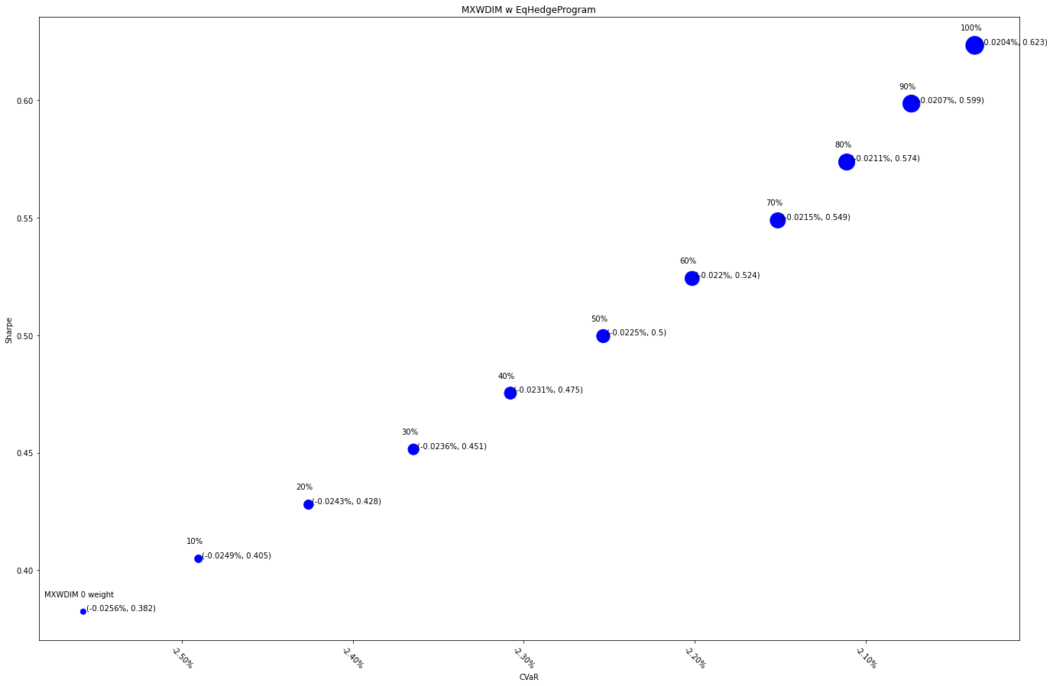
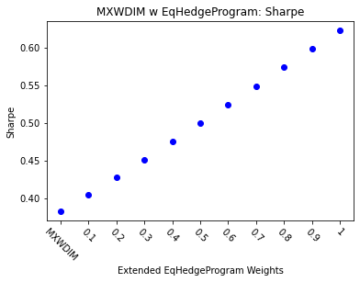
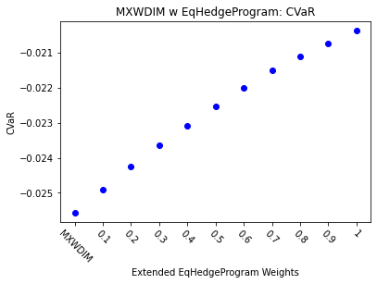
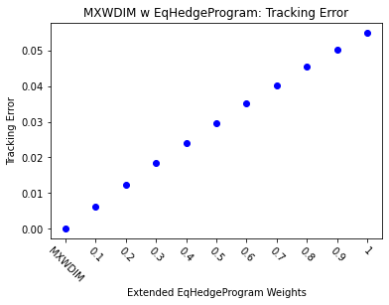
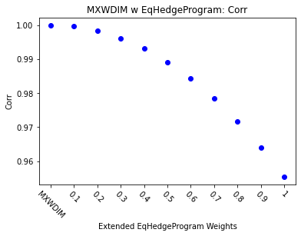
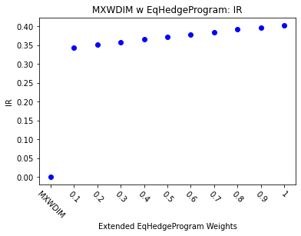
 | MXWDIM | 0.1 | 0.2 | 0.3 | 0.4 | 0.5 | 0.6 | 0.7 | 0.8 | 0.9 | 1
Ret | 6.50% | 6.72% | 6.94% | 7.16% | 7.38% | 7.60% | 7.83% | 8.05% | 8.27% | 8.50% | 8.72%
Vol | 17.00% | 16.59% | 16.21% | 15.86% | 15.53% | 15.22% | 14.93% | 14.66% | 14.42% | 14.19% | 13.99%
Sharpe | 0.38233726261 | 0.40484000589 | 0.42789057925 | 0.45142223431 | 0.47536492432 | 0.49964563542 | 0.52418883874 | 0.54891705444 | 0.57375151438 | 0.59861290643 | 0.62342217954
5%-ile | -1.55% | -1.54% | -1.53% | -1.51% | -1.48% | -1.44% | -1.41% | -1.39% | -1.36% | -1.33% | -1.32%
CVaR | -2.56% | -2.49% | -2.43% | -2.36% | -2.31% | -2.25% | -2.20% | -2.15% | -2.11% | -2.07% | -2.04%
Tracking Error | 0.00% | 0.63% | 1.25% | 1.84% | 2.41% | 2.97% | 3.50% | 4.03% | 4.53% | 5.02% | 5.50%
IR | 0 | 0.34386865811 | 0.35124876568 | 0.3584108786 | 0.36536694212 | 0.37212793206 | 0.37870395819 | 0.38510435404 | 0.39133775529 | 0.39741216844 | 0.40333503118
Corr | 1 | 0.99957945188 | 0.99830164214 | 0.99614427419 | 0.99308821683 | 0.98911817607 | 0.98422331319 | 0.97839779148 | 0.97164123425 | 0.9639590779 | 0.95536280642
Max DD | -34.68% | -33.23% | -31.78% | -30.33% | -28.89% | -27.45% | -26.02% | -24.95% | -24.58% | -24.22% | -23.88%
Rank | 50 | 100 | 150 | 200 | 250 | 300 | 350 | 400 | 450 | 500 | 550

