Sheet1
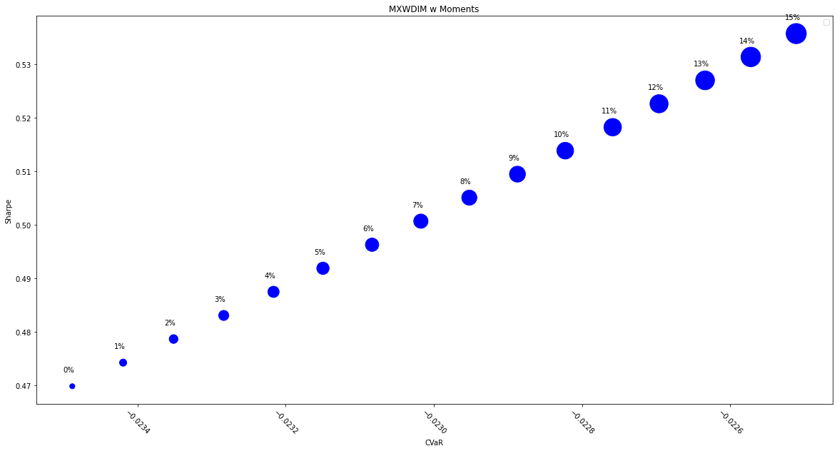
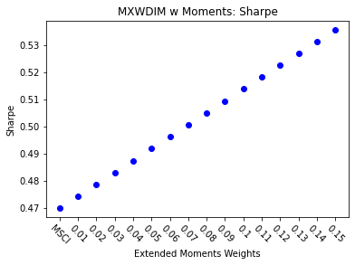
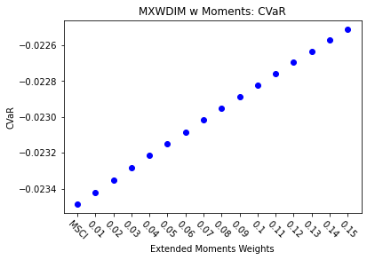
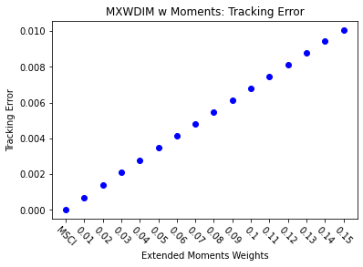
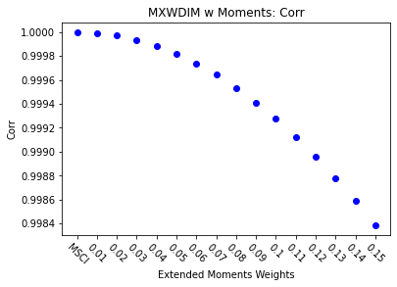
 | MSCI + 0% | 1% | 2% | 3% | 4% | 5% | 6% | 7% | 8% | 9% | 10% | 11% | 12% | 13% | 14% | 15%
Return | 7.24% | 7.29% | 7.34% | 7.39% | 7.44% | 7.49% | 7.54% | 7.59% | 7.64% | 7.69% | 7.74% | 7.79% | 7.83% | 7.88% | 7.93% | 7.98%
Volatility | 15.42% | 15.38% | 15.34% | 15.30% | 15.27% | 15.23% | 15.20% | 15.16% | 15.13% | 15.09% | 15.06% | 15.03% | 14.99% | 14.96% | 14.93% | 14.90%
Sharpe | 0.4698 | 0.4742 | 0.4786 | 0.4831 | 0.4875 | 0.4919 | 0.4963 | 0.5007 | 0.5050 | 0.5094 | 0.5138 | 0.5182 | 0.5226 | 0.5269 | 0.5313 | 0.5357
5%-ile | -1.41% | -1.41% | -1.40% | -1.40% | -1.39% | -1.39% | -1.38% | -1.38% | -1.38% | -1.37% | -1.37% | -1.36% | -1.36% | -1.36% | -1.36% | -1.35%
CVaR | -2.35% | -2.34% | -2.34% | -2.33% | -2.32% | -2.31% | -2.31% | -2.30% | -2.30% | -2.29% | -2.28% | -2.28% | -2.27% | -2.26% | -2.26% | -2.25%
Tracking Error | 0.00% | 0.07% | 0.14% | 0.21% | 0.28% | 0.35% | 0.41% | 0.48% | 0.55% | 0.62% | 0.68% | 0.75% | 0.81% | 0.88% | 0.94% | 1.01%
Information Ratio | 0.0000 | 0.7140 | 0.7154 | 0.7168 | 0.7181 | 0.7195 | 0.7208 | 0.7222 | 0.7235 | 0.7249 | 0.7262 | 0.7275 | 0.7288 | 0.7301 | 0.7314 | 0.7327
Corr | 1.0000 | 1.0000 | 1.0000 | 0.9999 | 0.9999 | 0.9998 | 0.9997 | 0.9996 | 0.9995 | 0.9994 | 0.9993 | 0.9991 | 0.9990 | 0.9988 | 0.9986 | 0.9984
Max DD | -34.68% | -34.57% | -34.46% | -34.36% | -34.25% | -34.14% | -34.04% | -33.93% | -33.83% | -33.72% | -33.62% | -33.52% | -33.41% | -33.31% | -33.21% | -33.11%
Rank | 50 | 100 | 150 | 200 | 250 | 300 | 350 | 400 | 450 | 500 | 550 | 600 | 650 | 700 | 750 | 800

